Tables
0028AA |  | 0028AA | ---- 0028AA table information -------- | ---- 9013A table information -------- | ---- 9238AA table information -------- | ---- 9622A table information -------- | ---- 9622C table information -------- | ---- 9057A table information --------
 | '0028AA_cals', | 9013A | Depth_M FLOAT | Depth_M FLOAT | Depth_M FLOAT | Depth_M FLOAT | Depth_M FLOAT | DEPTH_M FLOAT | The basic things I want to be able to do are:
 | '0028AA_header', | 9238AA | CALIPER_MM FLOAT | GAM(NAT)_API-GR FLOAT | GAM(NAT)_API-GR FLOAT | GAM(NAT)_API-GR FLOAT | GAM(NAT)_CPS FLOAT | GAM(NAT)_API-GR FLOAT | Have a basic understanding of expected tool responses
9013A |  | 9238CA | DENSITY_G/CC FLOAT | RES(FL)_OHM-M FLOAT | RES(SG)_OHM-M FLOAT | SUSCEP_CGS E-5 FLOAT | SUSCEP_CGS E-5 FLOAT | TEMP_DEG C FLOAT | This, of course, will be driven by geological domain, but let’s first see how consistent the data I have given you is first 😊
 | '9013A_cals', | 9622A | POR(DEN)_PERCENT FLOAT | TEMP_DEG C FLOAT | CALIPER_MM FLOAT | SANG_DEG FLOAT | SANG_DEG FLOAT | RES(16N)_OHM-M FLOAT | How do our tool calibrations track over time?
 | '9013A_header', | 9622C | DENSITY_CPS FLOAT | DEL TEMP_DEG C FLOAT | DENSITY_G/CC FLOAT | SANGB_DEG FLOAT | SANGB_DEG FLOAT | RES(64N)_OHM-M FLOAT | Focus on density and mag sus
9238AA |  |  | TENSION_CPS FLOAT | TENSION_CPS FLOAT | CURRENT_UA FLOAT | MAG-VECT_AMPL FLOAT | MAG-VECT_AMPL FLOAT | RES_OHM FLOAT | Can we define a “baseline” tool response across the entire dataset?
 | '9238AA_cals', |  | TIME_MINUTES FLOAT | TIME_MINUTES FLOAT | VOLTAGE_MV FLOAT | XINCL_MV FLOAT | XINCL_MV FLOAT | LATERAL_OHM-M FLOAT | Do we see fluctuations through each day / over time?
 | '9238AA_header', |  | well TEXT | well TEXT | POR(DEN)_PERCENT FLOAT | YINCL_MV FLOAT | YINCL_MV FLOAT | NEUTRON_API-N FLOAT | Are some tools noisier than others?
9238CA |  |  | file TEXT | file TEXT | DENSITY_CPS FLOAT | XFLUX_MV FLOAT | XFLUX_MV FLOAT | POR(NEU)_PERCENT FLOAT | Can we look at active tool times and determine which tools are more “reliable”? Is “reliability” related to operator / truck?
 | '9238CA_cals', |  | TIME_SECONDS FLOAT | TEMP_DEG REAL | TENSION_CPS FLOAT | YFLUX_MV FLOAT | YFLUX_MV FLOAT | SANGB_DEG FLOAT
 | '9238CA_header', |  | CALIPER_CPS FLOAT | DEL REAL | TIME_MINUTES FLOAT | ZFLUX_MV FLOAT | ZFLUX_MV FLOAT | DEL TEMP_DEG C FLOAT
9622A |  |  | TENSION_POUNDS FLOAT | TIME_SECONDS FLOAT | well TEXT | TEMP_DEG C FLOAT | TEMP_DEG C FLOAT | SANG_DEG FLOAT
 | '9622A_cals', |  | ---- 0028AA_cals table information -------- | ---- 9013A_cals table information -------- | file TEXT | TEMP_CPS FLOAT | TEMP_CPS FLOAT | SP_MV FLOAT
 | '9622A_header', |  | dateTime DATETIME | dateTime DATETIME | TIME_SECONDS FLOAT | SUSCEP_CPS FLOAT | SUSCEP_CPS FLOAT | TENSION_CPS FLOAT
9622C |  |  | sensor TEXT | sensor TEXT | CALIPERL_MM FLOAT | TENSION_CPS FLOAT | TENSION_CPS FLOAT | TIME_MINUTES FLOAT
 | '9622C_cals', |  | unitsStandard TEXT | unitsStandard TEXT | TENSION_POUNDS FLOAT | TIME_MINUTES FLOAT | TIME_MINUTES FLOAT | well TEXT
 | '9622C_header' |  | standard FLOAT | standard FLOAT | ---- 9238AA_cals table information -------- | well TEXT | well TEXT | file TEXT
 |  |  | response FLOAT | response FLOAT | dateTime DATETIME | file TEXT | file TEXT | ---- 9057A_cals table information --------
 |  |  | file TEXT | file TEXT | sensor TEXT | TEMP_DEG REAL | TEMP_DEG REAL | dateTime DATETIME
 |  |  | well TEXT | well TEXT | unitsStandard TEXT | TIME_SECONDS FLOAT | ---- 9622C_cals table information -------- | sensor TEXT
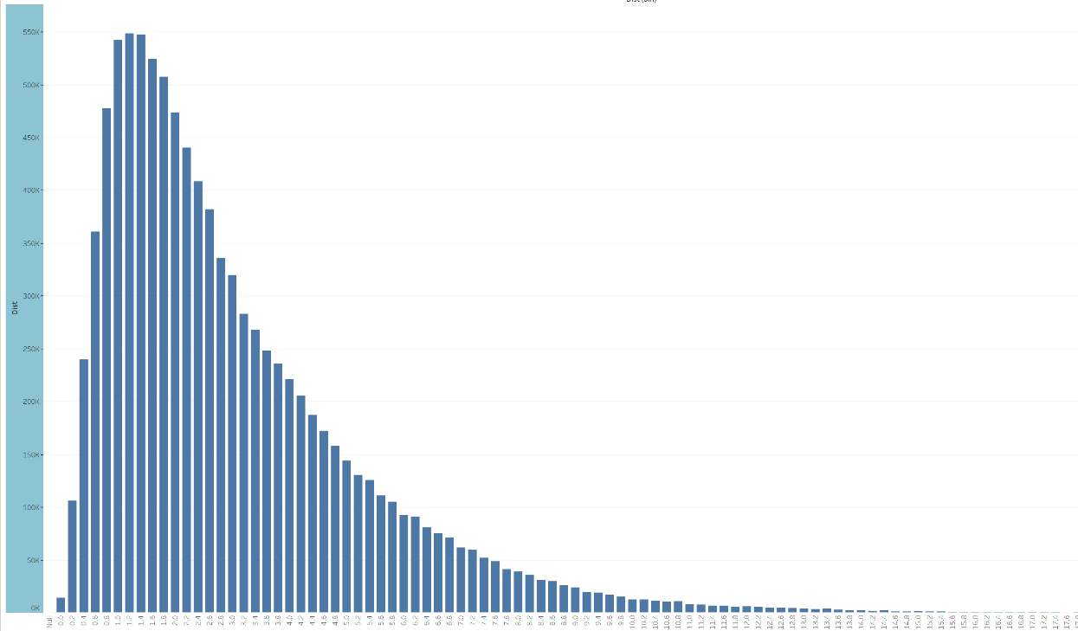
 |  |  | toolSerial TEXT | toolSerial TEXT | standard FLOAT | TENSION_POUNDS FLOAT | dateTime DATETIME | unitsStandard TEXT
 |  |  | ---- 0028AA_header table information -------- | ---- 9013A_header table information -------- | response FLOAT | ---- 9622A_cals table information -------- | sensor TEXT | standard FLOAT
 |  |  | filetype TEXT | filetype TEXT | file TEXT | dateTime DATETIME | unitsStandard TEXT | response FLOAT
 |  |  | filetypeID TEXT | filetypeID TEXT | well TEXT | sensor TEXT | standard FLOAT | file TEXT
 |  |  | sysversion TEXT | sysversion TEXT | toolSerial TEXT | unitsStandard TEXT | response FLOAT | well TEXT
 |  |  | sysserial TEXT | sysserial TEXT | ---- 9238AA_header table information -------- | standard FLOAT | file TEXT | toolSerial TEXT
 |  |  | unit TEXT | unit TEXT | filetype TEXT | response FLOAT | well TEXT | ---- 9057A_header table information --------
 |  |  | truckcal TEXT | truckcal TEXT | filetypeID TEXT | file TEXT | toolSerial TEXT | filetype TEXT
 |  |  | interval FLOAT | interval FLOAT | sysversion TEXT | well TEXT | ---- 9622C_header table information -------- | filetypeID TEXT
 |  |  | start_depth TEXT | start_depth TEXT | sysserial TEXT | toolSerial TEXT | filetype TEXT | sysversion TEXT
 |  |  | end_depth TEXT | end_depth TEXT | unit TEXT | ---- 9622A_header table information -------- | filetypeID TEXT | sysserial TEXT
 |  |  | dir TEXT | dir TEXT | truckcal TEXT | filetype TEXT | sysversion TEXT | unit TEXT
 |  |  | engUnits TEXT | engUnits TEXT | interval FLOAT | filetypeID TEXT | sysserial TEXT | truckcal TEXT
 |  |  | toolSerial TEXT | toolSerial TEXT | start_depth TEXT | sysversion TEXT | unit TEXT | interval FLOAT
 |  |  | runDate DATETIME | runDate DATETIME | end_depth TEXT | sysserial TEXT | truckcal TEXT | start_depth TEXT
 |  |  | runTime TEXT | runTime TEXT | dir TEXT | unit TEXT | interval FLOAT | end_depth TEXT
 |  |  | Company TEXT | Company TEXT | engUnits TEXT | truckcal TEXT | start_depth TEXT | dir TEXT
 |  |  | Well TEXT | Well TEXT | toolSerial TEXT | interval FLOAT | end_depth TEXT | engUnits TEXT
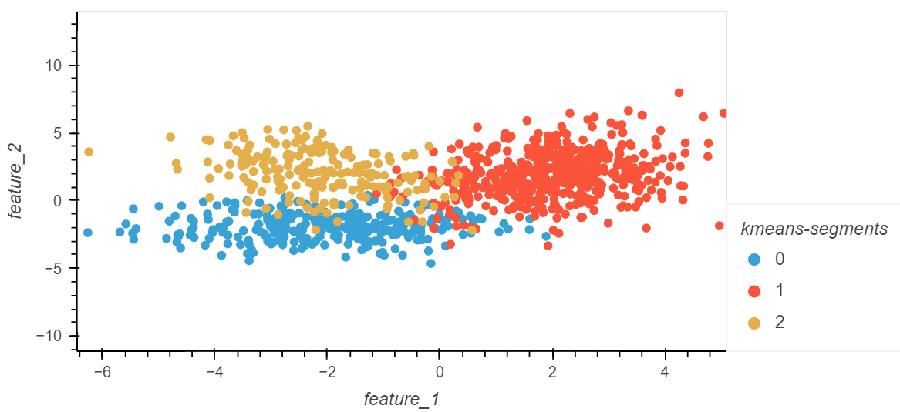
 |  |  | Field TEXT | Field TEXT | runDate DATETIME | start_depth TEXT | dir TEXT | toolSerial TEXT
 |  |  | County TEXT | County TEXT | runTime TEXT | end_depth TEXT | engUnits TEXT | runDate DATETIME
 |  |  | State TEXT | State TEXT | Company TEXT | dir TEXT | toolSerial TEXT | runTime TEXT
 |  |  | Section TEXT | Section TEXT | Well TEXT | engUnits TEXT | runDate DATETIME | company TEXT
 |  |  | Township TEXT | Township TEXT | Field TEXT | toolSerial TEXT | runTime TEXT | well TEXT
 |  |  | Range TEXT | Range TEXT | County TEXT | runDate DATETIME | Company TEXT | field TEXT
 |  |  | Latitude TEXT | Latitude TEXT | State TEXT | runTime TEXT | Well TEXT | county TEXT
 |  |  | Longitude TEXT | Longitude TEXT | Section TEXT | Company TEXT | Field TEXT | state TEXT
 |  |  | LogMeasFrom TEXT | LogMeasFrom TEXT | Township TEXT | Well TEXT | County TEXT | section TEXT
 |  |  | DrillMeasFrom TEXT | DrillMeasFrom TEXT | Range TEXT | Field TEXT | State TEXT | township TEXT
 |  |  | PermDatum TEXT | PermDatum TEXT | Latitude TEXT | County TEXT | Section TEXT | range TEXT
 |  |  | ElevPermDatum TEXT | ElevPermDatum TEXT | Longitude TEXT | State TEXT | Township TEXT | latitude TEXT
 |  |  | ElevKellyBushing TEXT | ElevKellyBushing TEXT | LogMeasFrom TEXT | Section TEXT | Range TEXT | longitude TEXT
 |  |  | ElevDrillFloor TEXT | ElevDrillFloor TEXT | DrillMeasFrom TEXT | Township TEXT | Latitude TEXT | logMeasFrom TEXT
 |  |  | ElevGndLevel TEXT | ElevGndLevel TEXT | PermDatum TEXT | Range TEXT | Longitude TEXT | drillMeasFrom TEXT
 |  |  | DepthDriller TEXT | DepthDriller TEXT | ElevPermDatum TEXT | Latitude TEXT | LogMeasFrom TEXT | permDatum TEXT
 |  |  | CasingDiameter TEXT | CasingDiameter TEXT | ElevKellyBushing TEXT | Longitude TEXT | DrillMeasFrom TEXT | elevPermDatum TEXT
 |  |  | CasingBottom TEXT | CasingBottom TEXT | ElevDrillFloor TEXT | LogMeasFrom TEXT | PermDatum TEXT | elevKellyBushing TEXT
 |  |  | CasingType TEXT | CasingType TEXT | ElevGndLevel TEXT | DrillMeasFrom TEXT | ElevPermDatum TEXT | elevDrillFloor TEXT
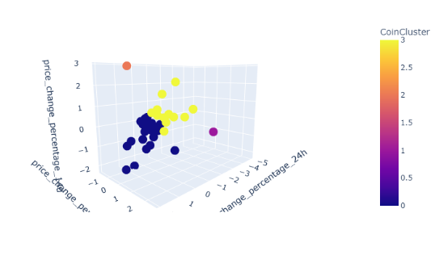
 |  |  | CasingThickness TEXT | CasingThickness TEXT | DepthDriller TEXT | PermDatum TEXT | ElevKellyBushing TEXT | elevGndLevel TEXT
 |  |  | TimeCircStop TEXT | TimeCircStop TEXT | CasingDiameter TEXT | ElevPermDatum TEXT | ElevDrillFloor TEXT | depthDriller TEXT
 |  |  | LoggingUnit TEXT | LoggingUnit TEXT | CasingBottom TEXT | ElevKellyBushing TEXT | ElevGndLevel TEXT | casingDiameter TEXT
 |  |  | FieldOffice TEXT | FieldOffice TEXT | CasingType TEXT | ElevDrillFloor TEXT | DepthDriller TEXT | casingBottom TEXT
 |  |  | RecordedBy TEXT | RecordedBy TEXT | CasingThickness TEXT | ElevGndLevel TEXT | CasingDiameter TEXT | casingType TEXT
 |  |  | OtherServ_1 TEXT | OtherServ_1 TEXT | TimeCircStop TEXT | DepthDriller TEXT | CasingBottom TEXT | casingThickness TEXT
 |  |  | OtherServ_2 TEXT | OtherServ_2 TEXT | LoggingUnit TEXT | CasingDiameter TEXT | CasingType TEXT | timeCircStop TEXT
 |  |  | Remarks_1 TEXT | Remarks_1 TEXT | FieldOffice TEXT | CasingBottom TEXT | CasingThickness TEXT | loggingUnit TEXT
 |  |  | Remarks_2 TEXT | Remarks_2 TEXT | RecordedBy TEXT | CasingType TEXT | TimeCircStop TEXT | fieldOffice TEXT
 |  |  | BitSize TEXT | BitSize TEXT | OtherServ_1 TEXT | CasingThickness TEXT | LoggingUnit TEXT | recordedBy TEXT
 |  |  | MeanSurfTemp TEXT | MeanSurfTemp TEXT | OtherServ_2 TEXT | TimeCircStop TEXT | FieldOffice TEXT | otherServ_1 TEXT
 |  |  | TempGradient TEXT | TempGradient TEXT | Remarks_1 TEXT | LoggingUnit TEXT | RecordedBy TEXT | otherServ_2 TEXT
 |  |  | MagnDecl TEXT | MagnDecl TEXT | Remarks_2 TEXT | FieldOffice TEXT | OtherServ_1 TEXT | remarks_1 TEXT
 |  |  | DensityMatrix TEXT | DensityMatrix TEXT | BitSize TEXT | RecordedBy TEXT | OtherServ_2 TEXT | remarks_2 TEXT
 |  |  | NeutronMatrix TEXT | NeutronMatrix TEXT | MeanSurfTemp TEXT | OtherServ_1 TEXT | Remarks_1 TEXT | bitSize TEXT
 |  |  | MatrixDelta TEXT | MatrixDelta TEXT | TempGradient TEXT | OtherServ_2 TEXT | Remarks_2 TEXT | meanSurfTemp TEXT
 |  |  | FluidDelta TEXT | FluidDelta TEXT | MagnDecl TEXT | Remarks_1 TEXT | BitSize TEXT | tempGradient TEXT
 |  |  | MudSampdrc TEXT | MudSampdrc TEXT | DensityMatrix TEXT | Remarks_2 TEXT | MeanSurfTemp TEXT | magnDecl TEXT
 |  |  | MudResistivity TEXT | MudResistivity TEXT | NeutronMatrix TEXT | BitSize TEXT | TempGradient TEXT | densityMatrix TEXT
 |  |  | MudTemp TEXT | MudTemp TEXT | MatrixDelta TEXT | MeanSurfTemp TEXT | MagnDecl TEXT | neutronMatrix TEXT
 |  |  | ResMudFiltrate TEXT | ResMudFiltrate TEXT | FluidDelta TEXT | TempGradient TEXT | DensityMatrix TEXT | matrixDelta TEXT
 |  |  | TempMudFiltrate TEXT | TempMudFiltrate TEXT | MudSampdrc TEXT | MagnDecl TEXT | NeutronMatrix TEXT | fluidDelta TEXT
 |  |  | ResMudCake TEXT | ResMudCake TEXT | MudResistivity TEXT | DensityMatrix TEXT | MatrixDelta TEXT | mudSampleSource TEXT
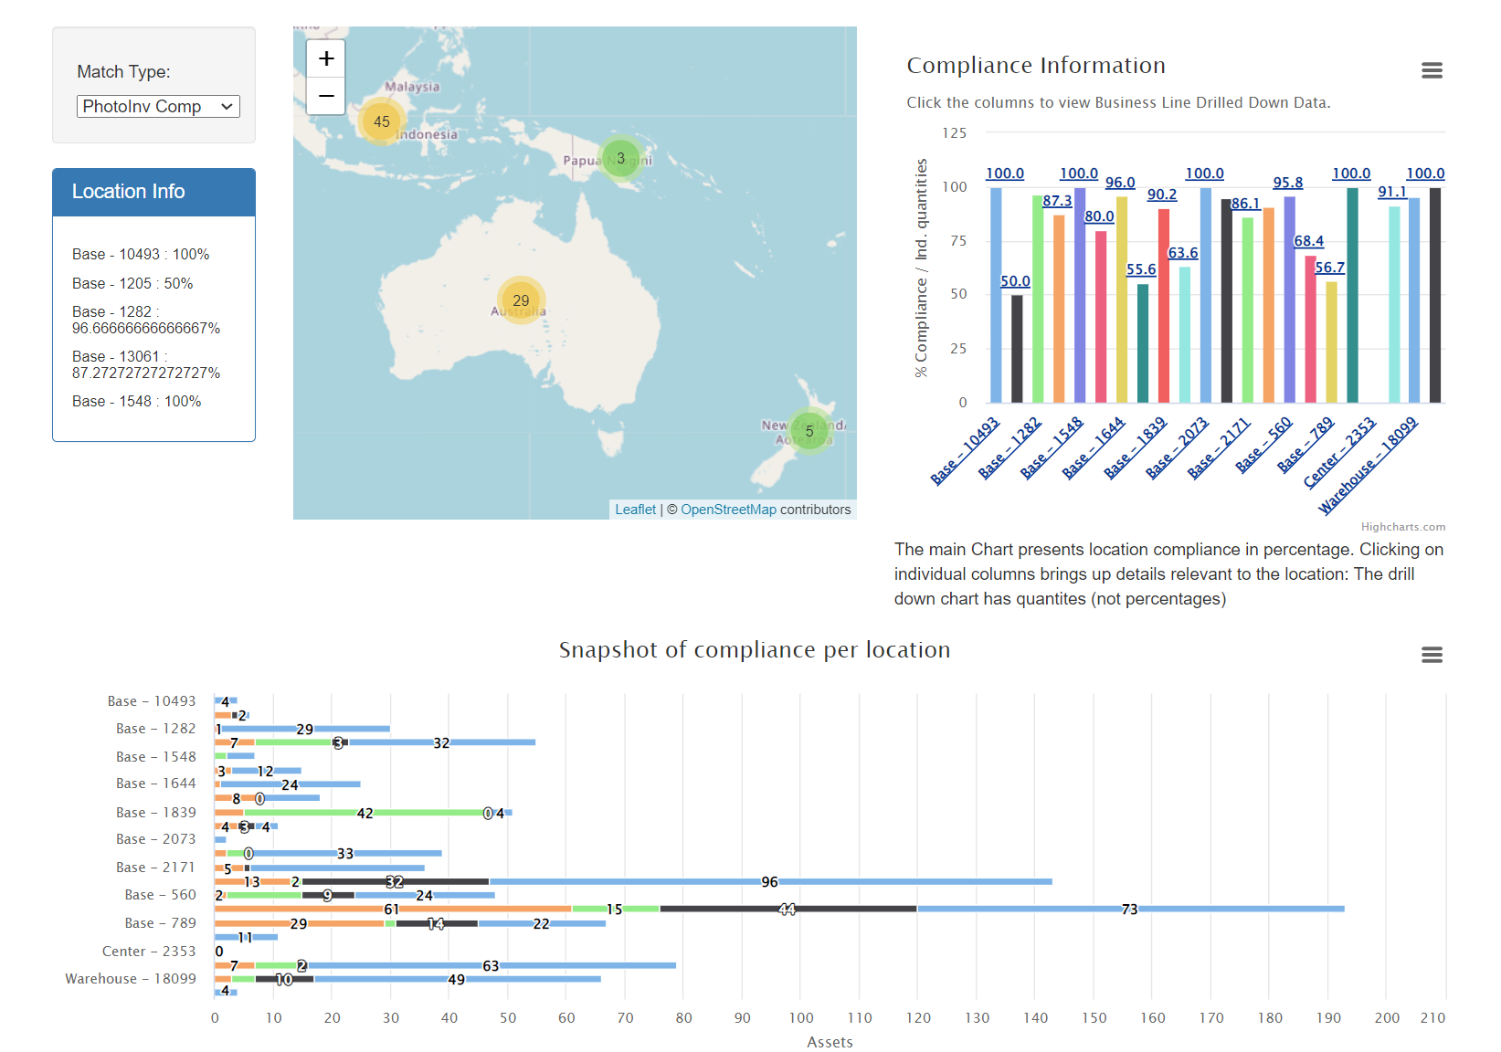
 |  |  | TempMudCake TEXT | TempMudCake TEXT | MudTemp TEXT | NeutronMatrix TEXT | FluidDelta TEXT | mudResistivity TEXT
 |  |  | BoreholeFluid TEXT | BoreholeFluid TEXT | ResMudFiltrate TEXT | MatrixDelta TEXT | MudSampdrc TEXT | mudTemperature TEXT
 |  |  | FluidDensity TEXT | FluidDensity TEXT | TempMudFiltrate TEXT | FluidDelta TEXT | MudResistivity TEXT | mudCakeResistivity TEXT
 |  |  | FluidVisc TEXT | FluidVisc TEXT | ResMudCake TEXT | MudSampdrc TEXT | MudTemp TEXT | tempMudFiltrate TEXT
 |  |  | FluidpHy TEXT | FluidpHy TEXT | TempMudCake TEXT | MudResistivity TEXT | ResMudFiltrate TEXT | resMudCake TEXT
 |  |  | ElectricLogCut TEXT | ElectricLogCut TEXT | BoreholeFluid TEXT | MudTemp TEXT | TempMudFiltrate TEXT | tempMudCake TEXT
 |  |  | RigNum TEXT | RigNum TEXT | FluidDensity TEXT | ResMudFiltrate TEXT | ResMudCake TEXT | boreholeFluid TEXT
 |  |  | UWI TEXT | UWI TEXT | FluidVisc TEXT | TempMudFiltrate TEXT | TempMudCake TEXT | fluidDensity TEXT
 |  |  | License TEXT | License TEXT | FluidpHy TEXT | ResMudCake TEXT | BoreholeFluid TEXT | fluidVisc TEXT
 |  |  | CasingOD TEXT | CasingOD TEXT | ElectricLogCut TEXT | TempMudCake TEXT | FluidDensity TEXT | fluidpH TEXT
 |  |  | Location TEXT | Location TEXT | RigNum TEXT | BoreholeFluid TEXT | FluidVisc TEXT | electricLogCut TEXT
 |  |  | RunNo TEXT | RunNo TEXT | UWI TEXT | FluidDensity TEXT | FluidpHy TEXT | rigNum TEXT
 |  |  | ApiNo TEXT | ApiNo TEXT | License TEXT | FluidVisc TEXT | ElectricLogCut TEXT | uwi TEXT
 |  |  | Witnessed TEXT | Witnessed TEXT | CasingOD TEXT | FluidpHy TEXT | RigNum TEXT | licenseNumber TEXT
 |  |  | ToolModuleVersion BIGINT | ToolModuleVersion BIGINT | Location TEXT | ElectricLogCut TEXT | UWI TEXT | casingOD TEXT
 |  |  | Arrival TEXT | Arrival TEXT | RunNo TEXT | RigNum TEXT | License TEXT | location TEXT
 |  |  | Depart TEXT | Depart TEXT | ApiNo TEXT | UWI TEXT | CasingOD TEXT | runNo TEXT
 |  |  | loggerTD TEXT | loggerTD TEXT | Witnessed TEXT | License TEXT | Location TEXT | apiNo TEXT
 |  |  | Caliper TEXT | Caliper TEXT | ToolModuleVersion BIGINT | CasingOD TEXT | RunNo TEXT | witnessed TEXT
 |  |  | runDateTime DATETIME | runDateTime DATETIME | Arrival TEXT | Location TEXT | ApiNo TEXT | toolModuleVersion BIGINT
 |  |  | file TEXT | file TEXT | Depart TEXT | RunNo TEXT | Witnessed TEXT | arrival TEXT
 |  |  | filepath TEXT | filepath TEXT | loggerTD TEXT | ApiNo TEXT | ToolModuleVersion BIGINT | depart TEXT
 |  |  |  |  | Caliper TEXT | Witnessed TEXT | Arrival TEXT | loggerTD TEXT
 |  |  |  |  | runDateTime DATETIME | ToolModuleVersion BIGINT | Depart TEXT | caliper TEXT
 |  |  |  |  | file TEXT | Arrival TEXT | loggerTD TEXT | runDateTime DATETIME
 |  |  |  |  | filepath TEXT | Depart TEXT | Caliper TEXT | file TEXT
 |  |  |  |  |  | loggerTD TEXT | runDateTime DATETIME | filepath TEXT
 |  |  |  |  |  | Caliper TEXT | file TEXT
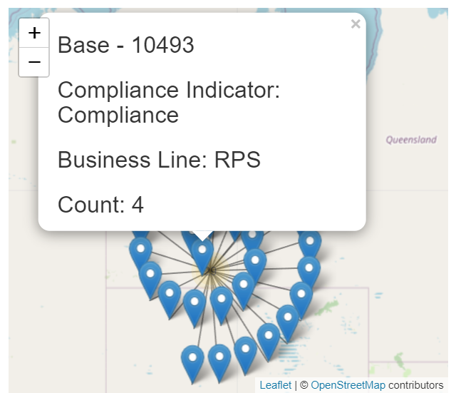
 |  |  |  |  |  | runDateTime DATETIME | filepath TEXT
 |  |  |  |  |  | file TEXT
 |  |  |  |  |  | filepath TEXT

DB_Summaries
