Sheet1
STAND
CPU | AMD Phenom II X4 850, 3.3 GHz, 4 cores
RAM | 8 GB DDR3, 1333 MHz
DRIVE | SSD Crucial MX500GB
OS | Windows 10 LTSC 64bit

dataset |  | SMALL DATASET (10.000 movies, 100.000 ratings)
request |  | -regexp '^A' -from 2000 -to 2015 -n 5 -genres 'comedy|drama|action' |  |  |  | -regexp shrek -to 2008 |  |  |  | empty parameters
metrics | setup time (s) | CPU (%) | MEMORY (MB) | RUNTIME (s) | ITERATIONS | CPU (%) | MEMORY (MB) | RUNTIME (s) | ITERATIONS | CPU (%) | MEMORY (MB) | RUNTIME (s) | ITERATIONS
python | 0.26 | 34.27 | 19.32 | 1.32 | 10 | 34.15 | 16.76 | 0.19 | 10 | 33.52 | 28.6 | 37.28 | 10
mysql | 2.03 | 19.47 | 24.75 | 0.88 | 10 | 14.03 | 26.11 | 1.22 | 10 | 25.57 | 30.92 | 1.73 | 10

dataset |  | MEDIUM DATASET (60.000 movies, 28.000.000 ratings)
request |  | -regexp '^A' -from 2000 -to 2015 -n 5 -genres 'comedy|drama|action' |  |  |  | -regexp shrek -to 2008 |  |  |  | empty parameters
metrics | setup time (s) | CPU (%) | MEMORY (MB) | RUNTIME (s) | ITERATIONS | CPU (%) | MEMORY (MB) | RUNTIME (s) | ITERATIONS | CPU (%) | MEMORY (MB) | RUNTIME (s) | ITERATIONS
python | 73.57 | 34.1 | 20.12 | 27.09 | 5 | 33.91 | 19.38 | 0.82 | 5 | 35.53 | 64.04 | 1297.71 | 3
mysql | 715.42 | 4.85 | 29.79 | 2.89 | 5 | 2.66 | 29.71 | 4.69 | 5 | 25.14 | 102.06 | 11.16 | 5

MYSQL SMALL

-regexp '^A' -from 2000 -to 2015 -n 5 -genres 'comedy|drama|action' |  |  |  |  |  |  |  |  |  |  |  | -regexp shrek -to 2008 |  | empty parameters

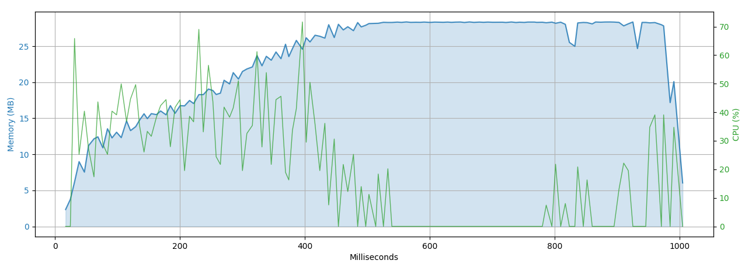
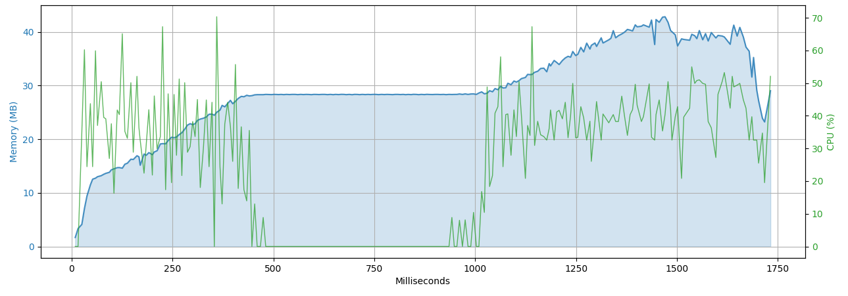
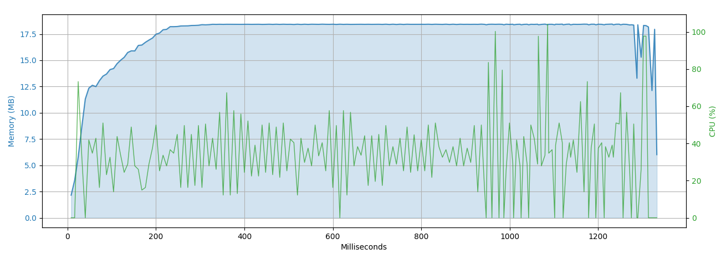

PYTHON SMALL

-regexp '^A' -from 2000 -to 2015 -n 5 -genres 'comedy|drama|action' |  |  |  |  |  |  |  |  |  |  |  | -regexp shrek -to 2008 |  | empty parameters

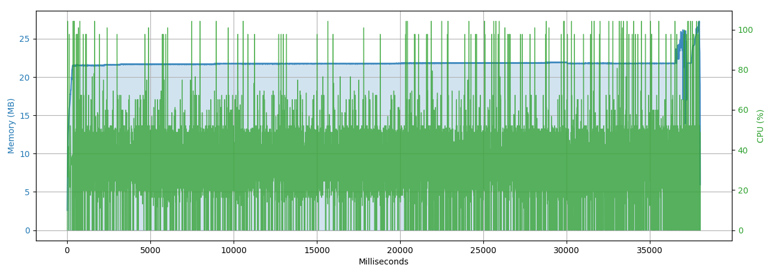
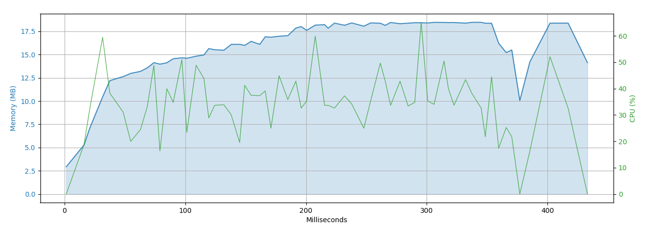
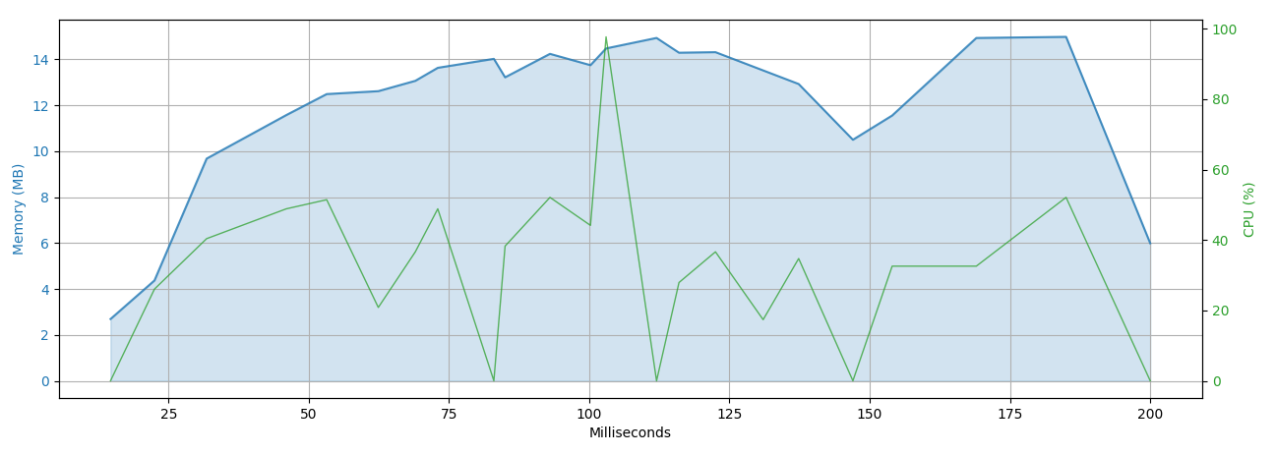

PYTHON MEDIUM

-regexp '^A' -from 2000 -to 2015 -n 5 -genres 'comedy|drama|action' |  |  |  |  |  |  |  |  |  |  |  | -regexp shrek -to 2008 |  | empty parameters

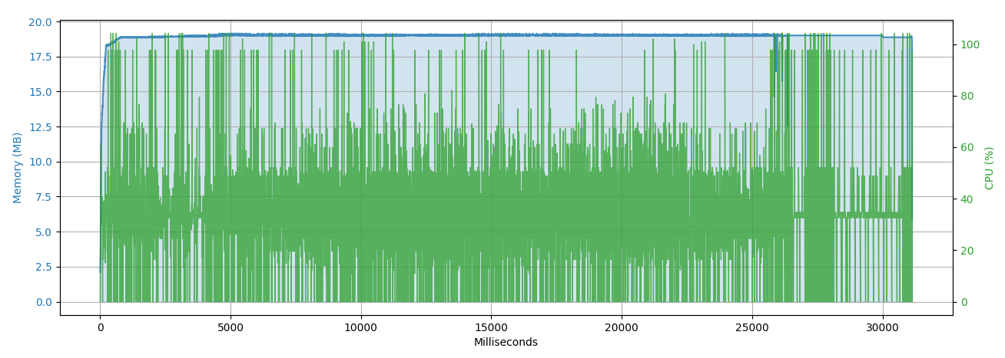
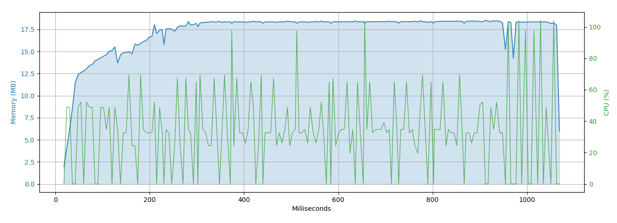
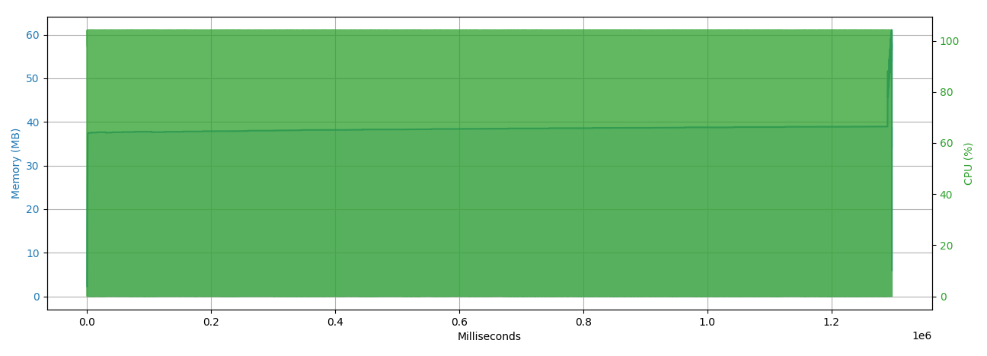

 |  |  |  |  |  |  |  |  |  |  |  | 2

MYSQL MEDIUM

-regexp '^A' -from 2000 -to 2015 -n 5 -genres 'comedy|drama|action' |  |  |  |  |  |  |  |  |  |  |  | -regexp shrek -to 2008 |  | empty parameters

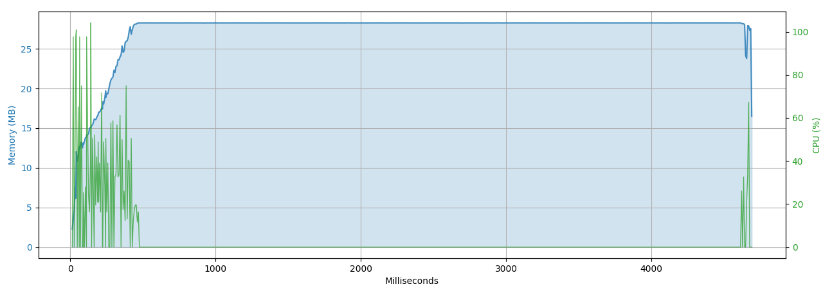
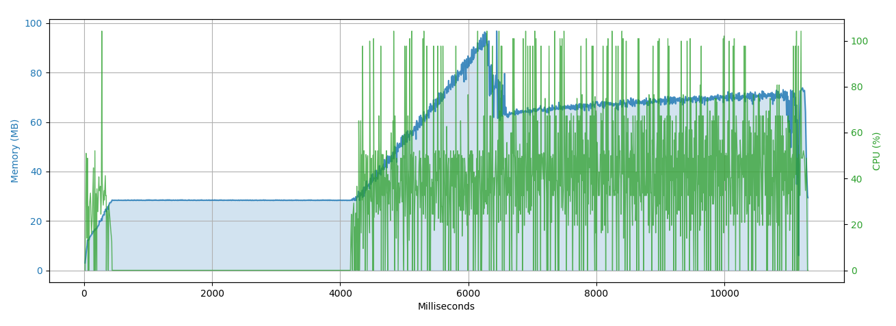
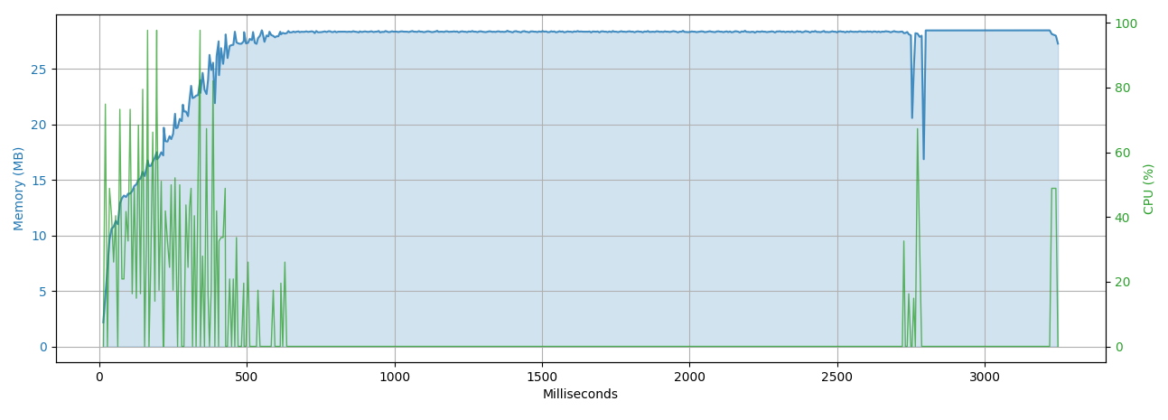

 |  |  |  |  |  |  |  |  |  |  |  |  |  | 3

