1. Title Page
Instacart Basket Analysis

Project Name: Instacart Basket Analysis
Date: Started on October 28, 2024, Finshed on February 3, 2025
Analyst Name: Lisa Coombs

Contents:
Population Flow
Consistency checks
Wrangling steps
Column derivations
Visualizations
Recommendations

2. Population Flow
Title page

Population flow

Exclusion flag
Order_Activity
Condition: max_order < 5
Obervations to be removed: 144029
Final total count of order_products_all: 32260830
 | Ex 4.10
 | Order_Activity
 | high_activity_customer 23176507
 | mid_activity_customer 7788057
 | low_activity_customer 1440295
 | Name: count, dtype: int64

Orders_products_combined
Orders_products_merged
Orders_products_all

Total: 32404859
Orders_products_all
Total: 32434489
Total: 32404859

1.) The grey boxes in the first row of the population flow represent the original data sets as they were when you downloaded them. In the Total fields you need to add the count of the rows when you imported the data set into Jupyter.
2.) The second row of boxes (coloured) represents the data sets after you manipulated them, e.g., removed missing values and duplicates. In the Total fields you need to add the count of the rows after conducting these operations. This offers a visual oveview of how the data flows throughout the data consistency checks.
3.) The third row, where also the arrows are coloured, represents the merges you performed between the datasets. In the Total fields you need to add the count of the rows in the merged datasets, so that you end up with the final dataset (in the red box). Keep in mind the final dataset should be without exclusions (based on the exclusion flag).
Total: 32260830

3. Consistency checks
 |  |  |  | Title page
Consistency checks

Dataset | Missing values | Missing values treatment | Duplicates
products | 16 rows in "product_name" column | Created subset of dataframe: df_prods_clean | 5 rows with full duplicates. Created subset of dataframe: df_prods_clean_no_dups
orders_wrangled | 206209 rows "days_since_prior_order" | Created a flag "is_first_order" by indicating "1" . | (From Ex4.5) I verified that the customers who have missing days_since_prior_order values and appear only once in that filtered subset are also appearing only once in the entire DataFrame df_ords. Next, I looked at the commonality (intersection) of first_time_customers and customers_appearing_once to see if the first_time_customers contain any customers who are present only once in both conditions. The output for the number of first-time customers was "0". This means that none of the customers with missing days_since_prior_order values and appearing only once in the filtered subset (df_missing) appear exactly once in the entire DataFrame df_ords. In other words, all these customers have at least one other order recorded in df_ords. This observation further supports that the "NaN" value in the days_since_prior_order column means that this was a first order for an existing customer, not a first order for a new customer. This indicates a prior order history for these customers that are not present in the df_ords dataframe.

4. Wrangling steps
 |  |  |  | Title page
Wrangling steps

Columns dropped | Columns renamed | Columns' type changed | Comment/Reason
eval_set |  |  | data not relevant to wrangling process
order_day_of_week |  |  | redundant column, renamed to order_day_of_week_name
 | order_dow>>order_day_of_week |  | unituitive original name changed to more intuitive name for easier understanding
 | order_day_of_week>>order_day_of_week_name |  | changed column header name to reflect data type change from numeric to string
 | user_id>>customer_id |  | unituitive original name changed to more intuitive name for easier understanding
 | n_dependent>>Number of Dependents |  | unituitive original name changed to more intuitive name for easier understanding
 |  | order_id | changed from numeric to string
 |  | order_day_of_week_name | changed from numeric to string
 | Surnam >>Last Name |  | unituitive original name changed to more intuitive name for easier understanding
 | STATE>>State |  | unituitive original name changed to more intuitive name for easier understanding
 | date_joined>>Date Joined |  | unituitive original name changed to more intuitive name for easier understanding
 | n_dependants>>Number of Dependents |  | unituitive original name changed to more intuitive name for easier understanding
 | fam_status>>Family Status |  | unituitive original name changed to more intuitive name for easier understanding
 | income>>Income |  | unituitive original name changed to more intuitive name for easier understanding
 | user_id>>Customer_ID |  | unituitive original name changed to more intuitive name for easier understanding

*customer.csv: The customer dataset is PII data. According to the GDPR, personal data includes any information that can identify a person, directly or indirectly, such as Name, Email address, IP address, Location data, Health records,Biometric or genetic data. The customer data contained the first and last name and the state of the customer base for Instacart. Additionally, this part of the task is requesting an analysis of customer behavior based on region. The reading indicates that a Data Analyst will be informed about how to handle PII data. For the purposes of this exercise, this data has been fabricated for learning purposes.

5. Column derivations
 |  |  |  | Title page

Column derivations and aggregations

In this tab you should add tables below that the frequences of flags/label variables that you produced after deriving them. NB: don't do this for continuous variables, only for flags.
Dataset | New column | Column/s it was derived from | Conditions
ords_prods_merge | price_range_loc | prices | df.loc[df['prices'] > 15, 'price_range_loc'] = 'High-Range Product' df.loc[(df['prices']<=15)&(df['prices']>5), 'price_range_loc']='Mid-Range Product' df.loc[df['prices']<=5, 'price_range_loc']='Low-Range Product'
ords_prods_merge | Busiest_Day | order_day_of_week_name | result=[] for value in ords_prods_merge['order_day_of_week_name']: if value =='Sunday': result.append('Busiest Day') elif value=='Thursday': result.append('Least Busy') else: result.append('Regularly Busy')
ords_prods_merge | Busiest_Days | order_day_of_week_name | result = [] for value in ords_prods_merge['order_day_of_week_name']: if value in ['Sunday', 'Monday']: result.append('Busiest Days') elif value in ['Wednesday', 'Thursday']: result.append('Slowest Days') else: result.append('Regularly Busy Days')
ords_prods_merge | Busiest_Period_of_Day | order_hour_of_day | result = [] for value in ords_prods_merge['order_hour_of_day']: if value in [10, 11, 14, 15, 13, 12, 16, 9]: result.append('Most_Orders') elif value in [17, 8, 18, 19, 20, 7, 21, 22]: result.append('Average_Orders') else: result.append('Fewest_Orders')
ords_prods_merge | max_order | customer_id & order_number | ords_prods_merge['max_order']=ords_prods_merge.groupby(['customer_id'])['order_number'].transform('max')
ords_prods_merge | loyalty_flag | max_order | ords_prods_merge.loc[ords_prods_merge['max_order'] > 40, 'loyalty_flag'] = 'Loyal Customer' ords_prods_merge.loc[(ords_prods_merge['max_order'] <= 40) & (ords_prods_merge['max_order'] > 10), 'loyalty_flag'] = 'Regular Customer' ords_prods_merge.loc[ords_prods_merge['max_order'] <= 10, 'loyalty_flag'] = 'New Customer'
orders_products_customers_merge | Region | State | df_opc.loc[df_opc['State'].isin(['Maine', 'New Hampshire', 'Vermont', 'Massachusetts', 'Rhode Island', 'Connecticut', 'New York', 'Pennsylvania', df_opc.loc[df_opc['State'].isin(['Wisconsin', 'Michigan', 'Illinois', 'Indiana', 'Ohio', 'North Dakota', 'South Dakota', 'Nebraska', 'Kansas', 'Minnesota', 'Iowa', 'Missouri']), 'Region']='Midwest' 'New Jersey']), 'Region'] = 'Northeast' df_opc.loc[df_opc['State'].isin(['Delaware', 'Maryland', 'District of Columbia', 'Virginia', 'West Virginia', 'North Carolina', 'South Carolina', 'Georgia', 'Florida', 'Kentucky' 'Tennessee', 'Mississippi', 'Alabama', 'Oklahoma', 'Texas', 'Arkansas', 'Louisiana']), 'Region']='South' df_opc.loc[df_opc['State'].isin(['Idaho', 'Montana', 'Wyoming', 'Nevada', 'Utah', 'Colorado', 'Arizona', 'New Mexico', 'Alaska', 'Washington', 'Oregon', 'California', 'Hawaii']), 'Region']='West'
orders_products_customers_merge | Order_Activity | max_order | df_opc.loc[df_opc['max_order']<5, 'Order_Activity']='low_activity_customer' df_opc.loc[(df_opc['max_order']>=5) & (df_opc['max_order']<15), 'Order_Activity']='mid_activity_customer' df_opc.loc[df_opc['max_order']>=15, 'Order_Activity']='high_activity_customer'
orders_products_customers_merge | Age_Group_Flag | Age | df_opc.loc[df_opc['Age']<25,'Age_Group_Flag']='Young Adult' df_opc.loc[(df_opc['Age'] >= 25) & (df_opc['Age'] < 40), 'Age_Group_Flag'] = 'Adult' df_opc.loc[(df_opc['Age'] >= 40) & (df_opc['Age'] < 65), 'Age_Group_Flag'] = 'Older Adult' df_opc.loc[(df_opc['Age']>=65) & (df_opc['Age'] <81),'Age_Group_Flag']='Senior'
orders_products_customers_merge | Income_Group_Flag | Income | df_opc.loc[df_opc['Income']<80000,'Income_Group_Flag']='Low Income' df_opc.loc[(df_opc['Income'] >= 80000) & (df_opc['Income'] < 180000), 'Income_Group_Flag'] = 'Middle Income' df_opc.loc[(df_opc['Income']>=180000) & (df_opc['Income'] <600000),'Income_Group_Flag']='High Income'
orders_products_customers_merge | Dependent_Group_Flag | Number_of_Dependents | df_opc.loc[df_opc['Number of Dependents']<=0,'Dependent_Group_Flag']='No Dependents' df_opc.loc[df_opc['Number of Dependents']>=1,'Dependent_Group_Flag']='Has Dependents'

6. Visualizations
 |  |  |  |  | Title page
In this tab you should include all the visualtions from Exercises 4.9 and 4.10, alongside the questions from the project brief that they answer. Include any commentary on the relationship between different variables.
Visualisations

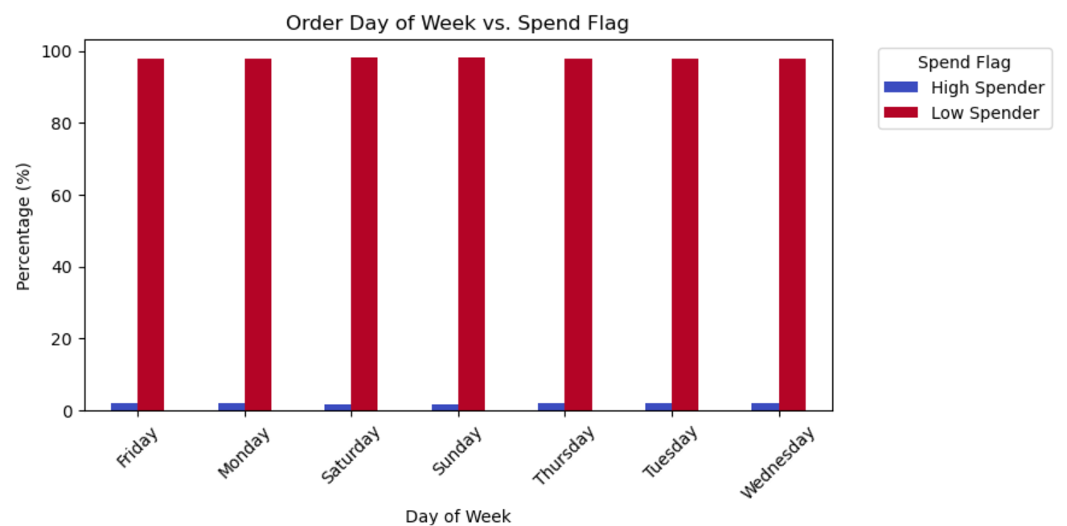
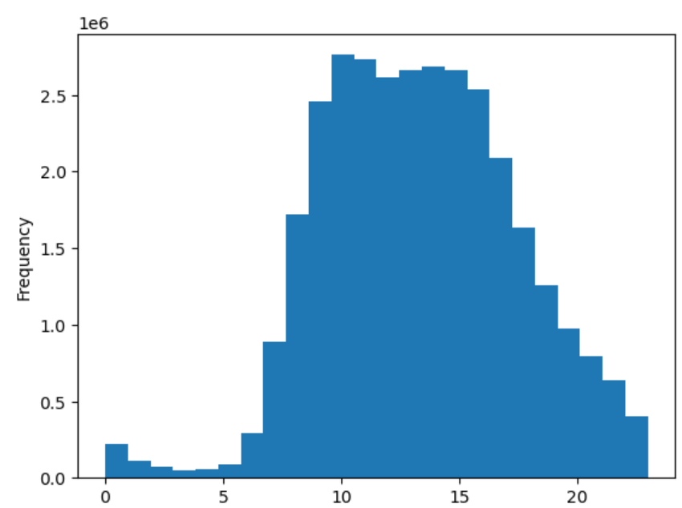
 |  | Key Question 1 What are the busiest days of the week and hours of the day (i.e., the days and times with the most orders)
 |  |  | Busiest day of week: Sunday Busiest hours of day: 10am to 4pm

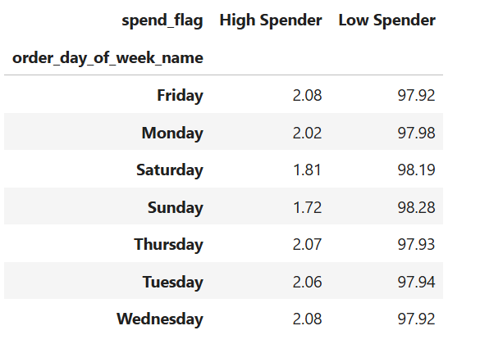

 |  |  |  |  |  |  | Hour of Day
Observations: The proportion of high spenders is fairly consistent across different days of the week, averaging around 2%. Low spenders make up the majority at around 98% throughout all days during the week. Sunday is marginally the busiest day of the week at 98.28%. Saturday is the next busiest day at 98.19%. Slight Variance: Slightly fewer high spenders (1.8% & 1.7%) on weekends (Saturday and Sunday), which could mean lower engagement from high spenders during these days. |  |  |  |  |  | Observation: The x-axis is the hour of the day and the y-axis is the frequency (how many orders) are placed during that hour. "1e6" means millions; therefore, the frequency is based on millions of orders. For example, orders placed at 5am are approximately 100,000, whereas orders placed just five hours later at 10am, increased to nearly 2.8 million orders. Peak order hours are from approx 10am to 4pm. Orders start to taper off around the 5 o'clock hour and continue downward until 10pm.

 |  | Key Question 2 What times of the day do people spend the most money
 |  |  | Most money is spent during the hours of 9am to 5pm

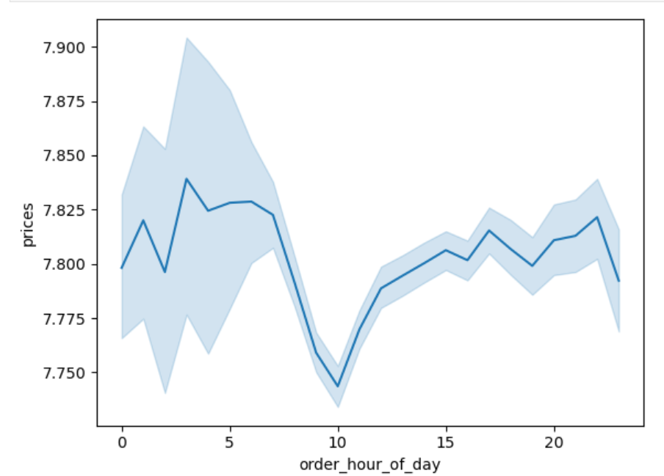
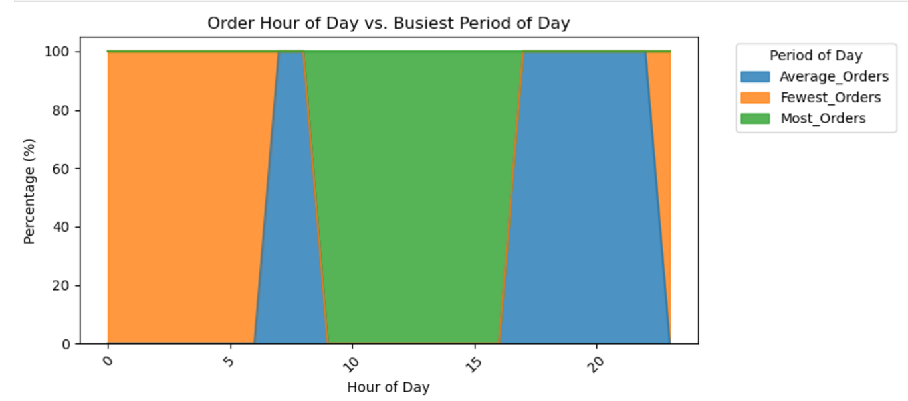

Observation: This line chart represents how the prices (y-axis) fluctuate throughout the hours of the day. For example, pricing peaks just before 5am and just after 11pm, while dropping to its lowest point at about 10am. The translucent blue around the solid blue line is quite interesting. It represents the variability or uncertainty in the data. There is a wider variability in pricing from about midnight (0 hour) to about 6am. Then the variability narrows considerably from about 7am 1pm. After 1pm, the variability does widen a bit for the rest of the day, but not as significantly as it does in the early morning hours of the day. Interesting note, my laptop was running at 90% to 100% while generating this line chart. It took 32 minutes to execute. |  |  |  | Observations: Percentages were used to see patterns during hours of the day, rather than listing actual numbers of orders. The crosstab table shows 100% alighnment, meaning that all order placed during a specific hour of the day fall exclusively into one activity category (Most, Average, Fewest). There is no overlap between categories. Time-Based ordering analysis: Morning Period (6 AM to 12 PM): Early morning hours (6 AM to 8 AM) have "Average Orders." Late morning hours (9 AM to 12 PM) have "Most Orders," indicating high activity. Afternoon Period (12 PM to 5 PM): These hours predominantly align with "Most Orders," making the afternoon a high-activity period. Evening Period (5 PM to 10 PM): Evening hours align with "Average Orders," showing steady but not peak activity. Late Night Period (10 PM to 5 AM): These hours are dominated by "Fewest Orders," reflecting minimal shopping activity.

 |  | Key Question 3 What are the price range groups
 |  |  | Low Range Products are favored among all age groups

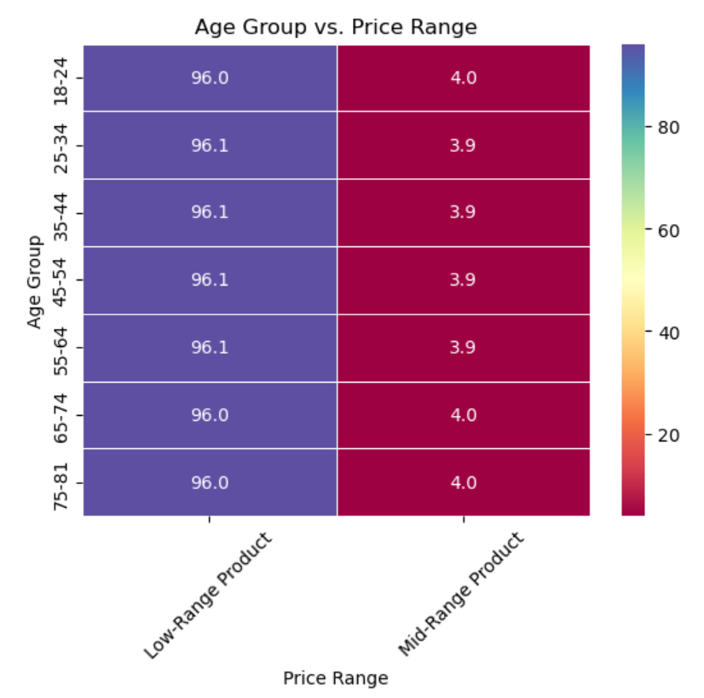

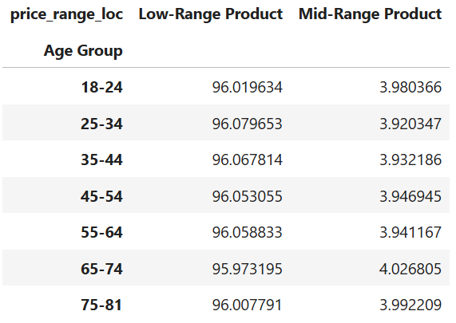

Observation: Overall Dominance of Low-Range Products in all age groups. Low-range products account for about 96% of purchases, with little variation between age groups. Mid-range products make up a very small portion of purchases, ranging between 3.92% and 4.03%. Slight Preference for Mid-Range Products Among Older Age Groups: The 65–74 age group has the highest percentage of mid-range product purchases (4.03%), followed closely by the 75–81 age group (3.99%). Younger groups (18–34) are slightly less likely to purchase mid-range products (around 3.92–3.98%). Minimal Variation Across Age Groups: The percentages are remarkably consistent, suggesting a strong preference for low-range products across demographics.

 |  | Key Question 4 Which departments have the highest frequency of product orders
 |  |  | The top sales is in the Produce department, followed by Dairy & Eggs, then Snacks, Beverages and finally, Frozen. Loyal Customers are High Spenders on Dairy Eggs (17.80%) and Produce (30.60%.
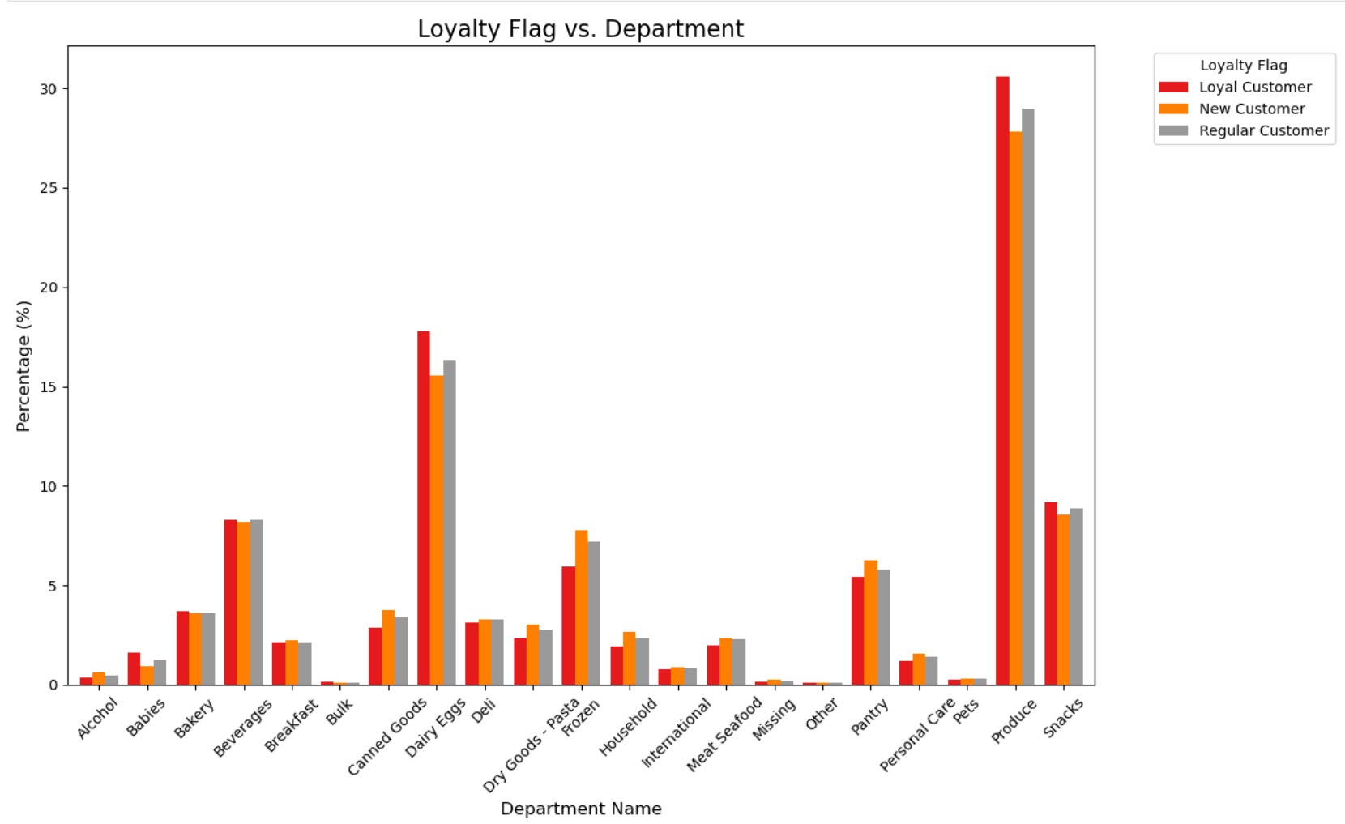
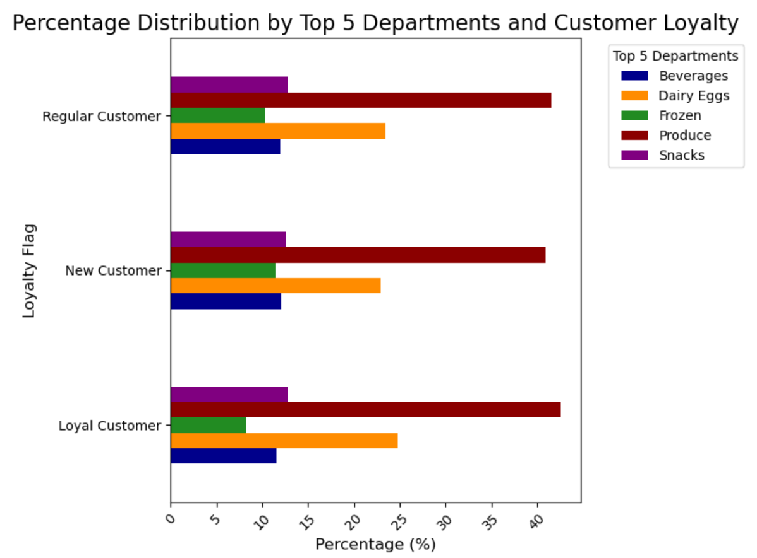

 | Top sales are in Produce, Dairy & Eggs, then Snacks, Beverages and Frozen. The lowest sales are in Other, Bulk, Missing, Pets, Alcohol. |  |  |  |  | Observation Loyal Customers High Spending on Dairy Eggs (17.80%) and Produce (30.60%): These categories have the highest percentage of purchases among loyal customers. Moderate Spending on Beverages (8.31%) and Snacks (9.17%): Popular across the board in all customer categories. Low Spending on Alcohol (0.38%) and Other Items (0.10%): These categories have the lowest spending percentages. New Customers High Spending on Dairy Eggs (15.56%) and Produce (27.81%): Similar to loyal customers, these categories are significant for new customers. Moderate Spending on Beverages (8.21%) and Snacks (8.56%): Again, these categories are commonly purchased by new customers. Low Spending on Alcohol (0.60%) and Other Items (0.12%): These categories have lower spending percentages. Regular Customers High Spending on Dairy Eggs (16.35%) and Produce (28.94%): Consistently, these categories are crucial for regular customers as well. Moderate Spending on Beverages (8.32%) and Snacks (8.88%): These categories continue to be important. Low Spending on Alcohol (0.49%) and Other Items (0.11%): These remain the least purchased categories.

 |  | Key Question 5 What’s the distribution among users in regard to their brand loyalty
 |  |  | Majority of brand loyalty is among the $50K-$100K and $100K-$150K income brackets

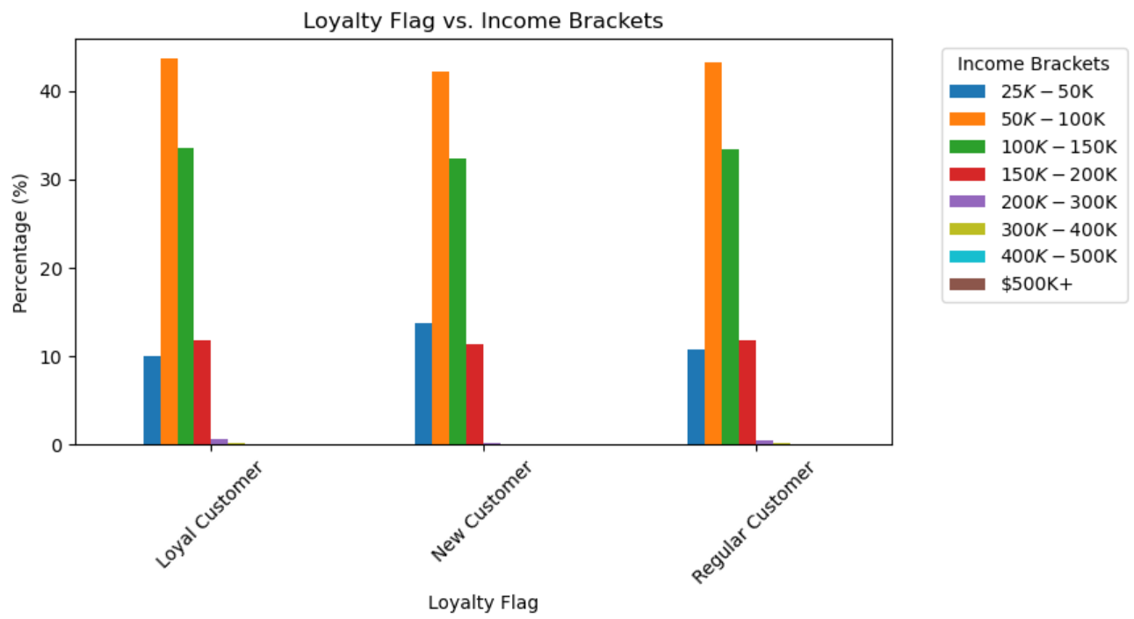

 | Observations: The line chart suggests that loyal customers are not uniquely concentrated in any specific category. Instead, all loyalty groups share a similar distribution, with the majority concentrated in the $50K–$100K and $100K–$150K income brackets. High-income and very low-income customers make up only a small fraction of the total customer base.

 |  | Key Question 6 Are there differences in ordering habits based on a customer’s region
 |  |  | The Midwest and West dominate regional spend on Sundays and Mondays. The Midwest has the highest percentage of High Spenders (2.05%),

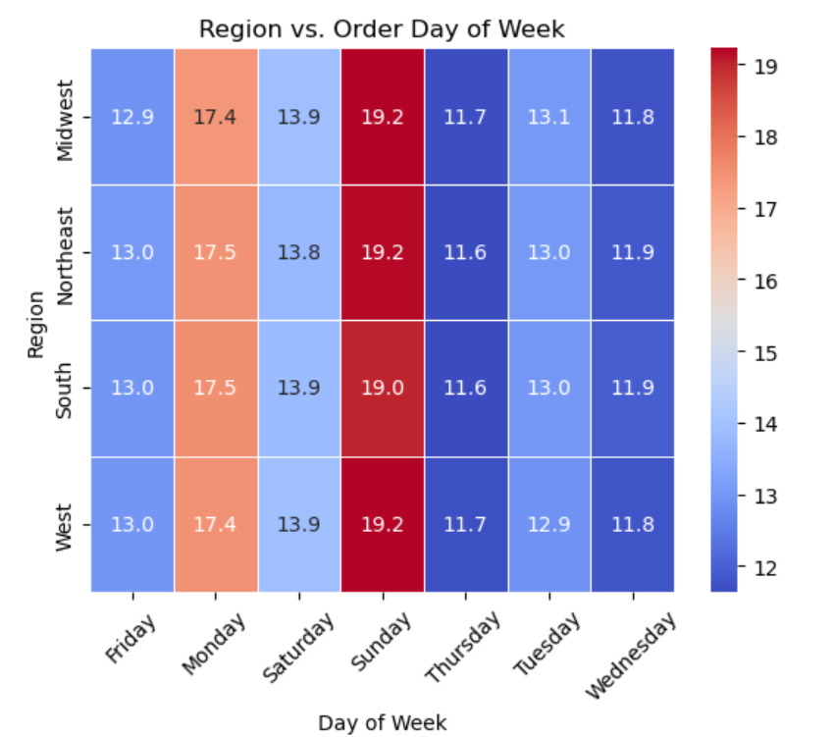
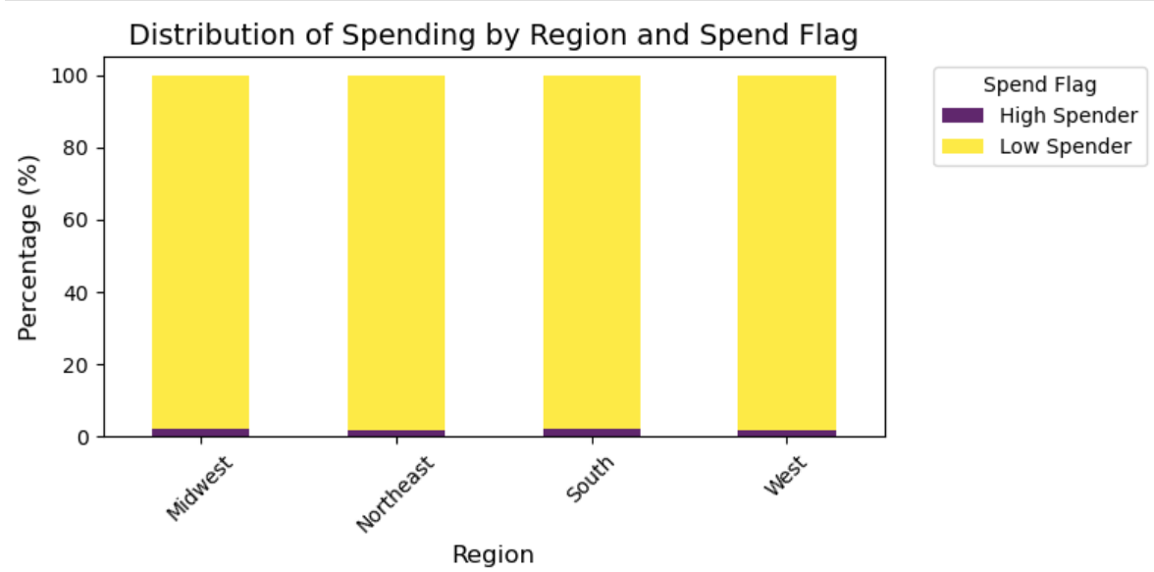

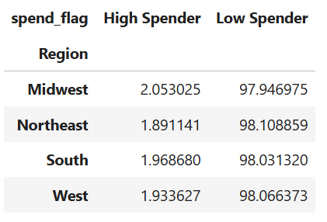

 | Observation: The Midwest and West are on top in terms of weekly spend. Sunday is the busiest spending day for all regions, followed by Monday. Tuesday and Friday are the next busiest days, followed by Wednesday and Thursday. |  |  |  | Observations: While High Spenders are a small segment, they likely contribute a disproportionate share of revenue. Special attention (e.g., loyalty programs or targeted campaigns) could help attract or retain these customers. The Midwest has the highest percentage of High Spenders (2.05%), which might make it a suitable region for piloting premium services or targeted promotions for this segment. The percentage of High Spenders is the lowest (1.89%) in the Northeast; there may be opportunities to convert some Low Spenders into High Spenders through personalized offers, marketing strategies, or incentives. Low Spenders can be targeted with offers to increase spending, such as discounts, cross-selling strategies, or bundled promotions.

 |  | Key Question 7 Is there a connection between age and family status in terms of ordering habits

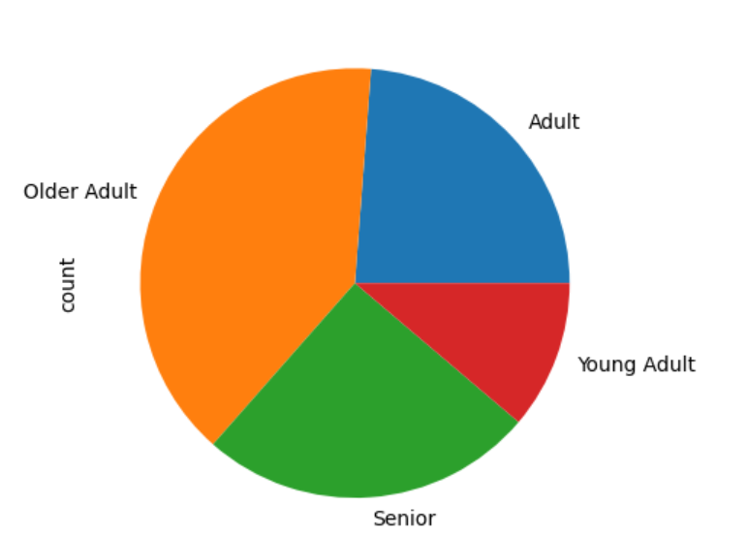
 |  |  | Older Adults (40-65) dominate customer base. Family Status "living with parents and siblings" are slightly more likely to shop more frequently
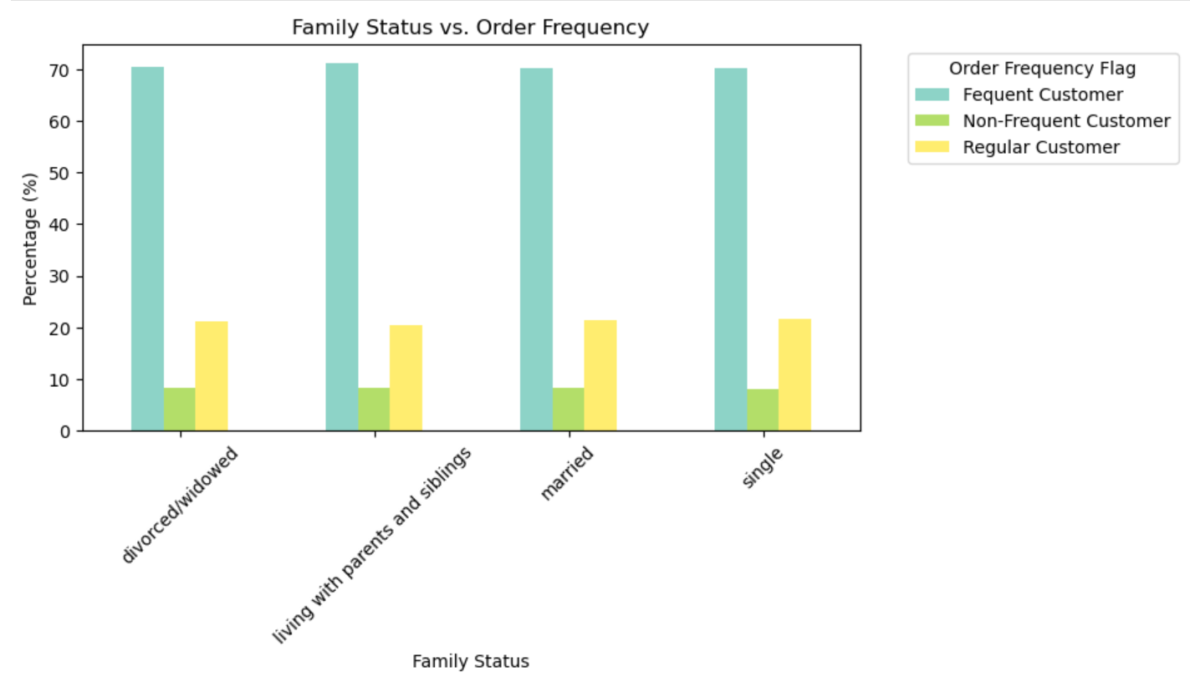

 | Observaton: Older Adults aged 40-65 dominate the customer base, while the Young Adults aged 25 or younger are the lowest group of customers in the Instacart dataframe. Additionally, even though I specified the color 'yellow', 'blue' was substituted.
 |  |  |  |  | Observations: The percentage of Frequent Customers is generally the same across all family statuses: ranging from 70% (Single) to 71% (Living w/ Parents & Siblings). This pattern suggests that family status doesn't play a significant role in impacting spending behavior. Additionally, there are slight behavioral differences in two spending categories: Regular Customers: Singles show a marginally higher porportion of spending which may indicate less structure and more diverse spending habits. Frequent Customers: Those customers in the Living w. Parents & Siblings category are slightly more likely to shop more frequently; possibly due to shared household needs.

 |  | Key Question 8 What different classifications does the demographic information suggest? Age? Income? Certain types of goods? Family status For this question, I looked at "How does the number of dependents affect spending behavior?" and "Does household size influence how often customers place orders?"

 |  |  | Low spenders consistently make up the majority of each dependent category. Household size does not significantly influence order frequency.

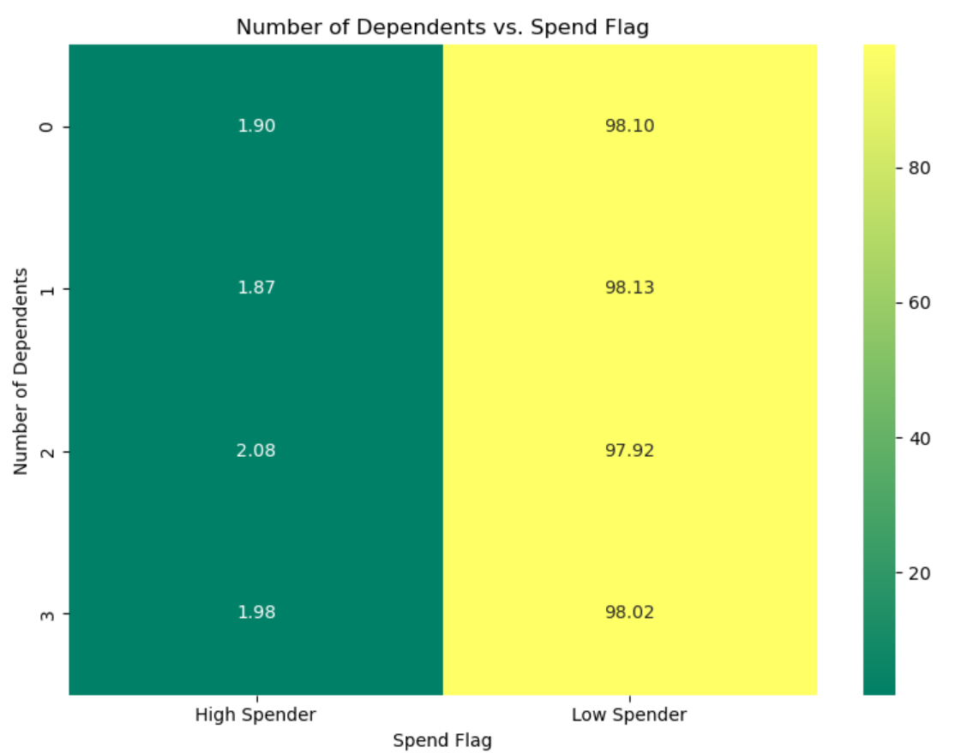
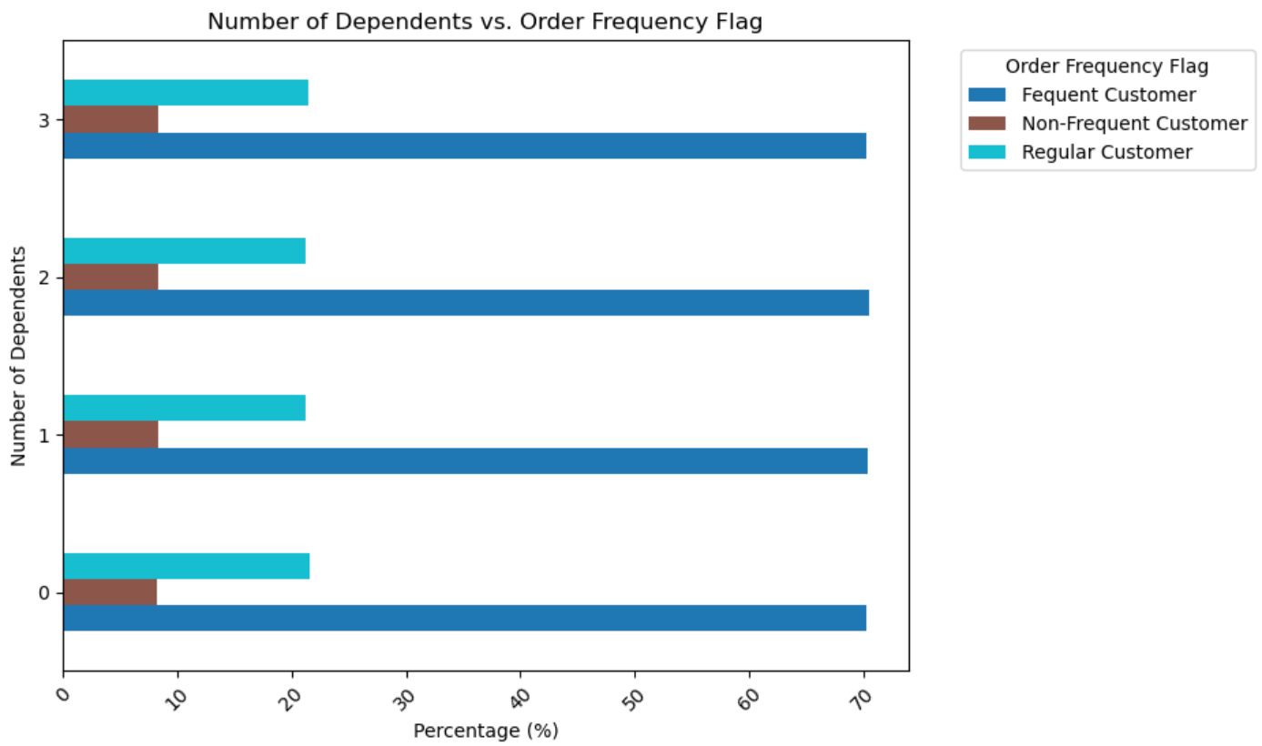

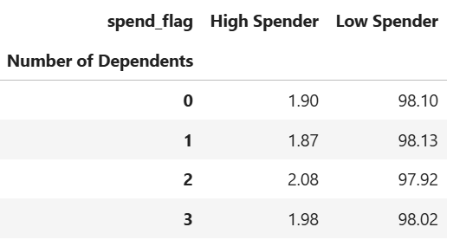

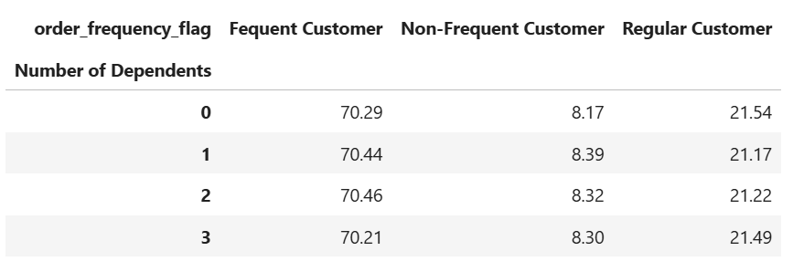

 | Observations : Low spenders consistently make up the majority of each dependent category For individuals with 0 dependents: High Spenders make up 1.9%, while Low Spenders make up 98.1%. For individuals with 1 dependent: High Spenders make up 1.87%, while Low Spenders make up 98.13%. For individuals with 2 dependents: High Spenders make up 2.08%, while Low Spenders: 97.92%. For individuals with 3 dependents: High Spenders make up 1.98%, while Low Spenders make up 98.02%. |  |  |  |  | Observation From this analysis, it appears that household size does not significantly influence order frequency. The behavior of frequent, regular, and non-frequent customers is remarkably consistent across all household sizes. This consistency might imply that order frequency is driven by other factors, such as individual customer habits, product preferences, or marketing efforts, rather than the number of dependents in a household.

 |  | Key Question 9 What differences can you find in ordering habits of different customer profiles? Consider the price of orders, the frequency of orders, the products customers are ordering, and anything else you can think of For this question, I looked at "Do male or female customers tend to shop more on certain busy days?" and "Are men or women more likely to shop during specific times during the day?"
 |  |  | Both male and female shop almost equally on busiest days (37%). Males and females are relatively uniform in the times at which they place their orders.
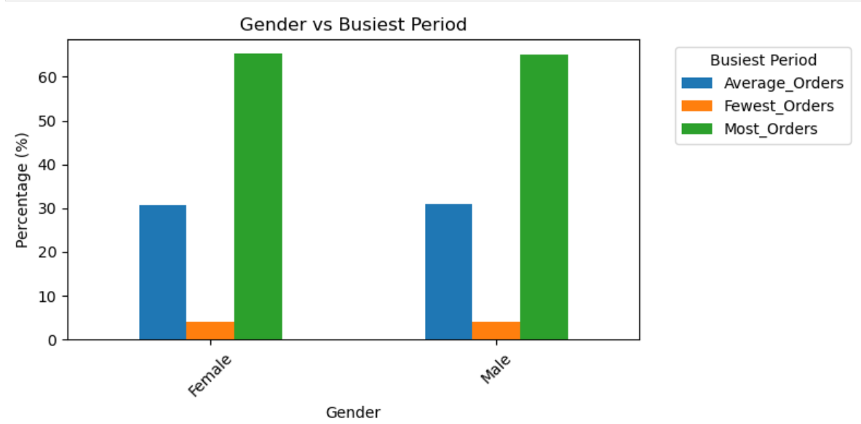
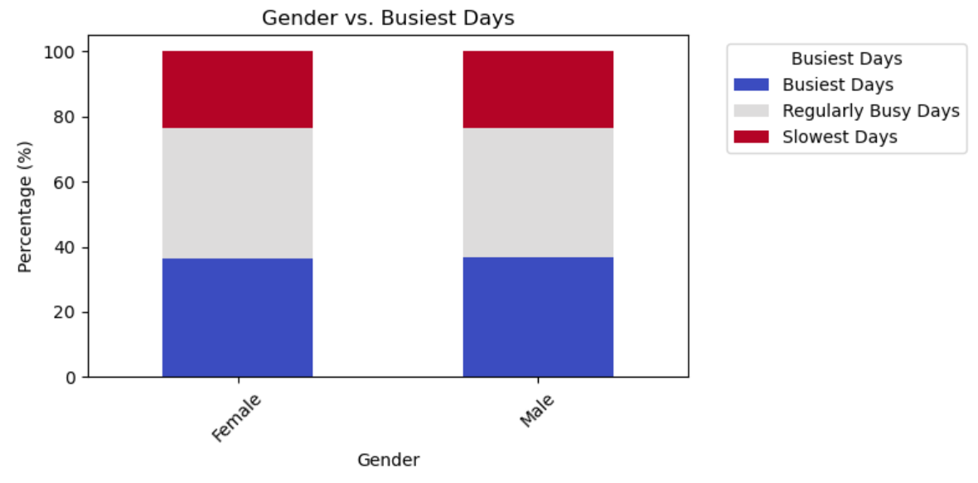




 |  |  |  |  |  | Obsdrvations: For edification, the "Busiest_Period_of_Day" categorized the busiest hours of day when orders were placed by customers. The categories are: Most Orders, which were placed during the hours of 10, 11, 14, 15, 13, 12, 16, 9. Average Orders were placed during the hours of 17, 8, 18,19, 20, 7, 21, 22. The Fewest Orders were placed during the hours of 23,6, 0, 1, 5, 2, 4, 3. From this analysis, we can see that males and females are relatively uniform in the times at which they place their orders. Sixty-five percent of the time, they place orders in the Most Orders category, 31% of the time, they place orders in the Average Orders category and 4% of the time, they place orders in the Fewest Orders category.
 | Observation: The distribution is relatively flat. Both male and female shop almost equally on busiest days (37%), on regular busy days (40%) and on the slowest days (24%). Since the busiest days account for 37% of orders, Instacart might consider prioritizing staffing and inventory on those days. For the slowest days, marketing might consider promotions or targeted campaigns to encourage more shopping activity on these days.

7. Recommendations
 |  |  |  | Title page
Recommendations

In this tab you should include any recommendations you would made to Instcart in terms of their marketing strategy based on the questions posed in the brief. Every key question has been covered in the Tasks of the Exercises - here you need to add an item - a visualisation or table/crosstable that is showing the answer in the data, acompanied by a comment from you. Please, list the questions below and add the answer underneath.

Key Question 1 What are the busiest days of the week and hours of the day (i.e., the days and times with the most orders) |  |  | Key Question 2 What times of the day do people spend the most money
Answer |  |  | Answer
1. Busiest Day of the Week: Sunday - Targeted Promotions to increase basket sizes: Offer exclusive discounts or loyalty rewards for Sunday shoppers - Inventory & Staffing Optimization: Ensure that stock levels for high-demand products are well-maintained and that customer support is fully staffed on Sundays to handle the surge in orders. 2. Busiest Hours of the Day: 10 AM - 4 PM - Flash Sales & Timed Discounts: Introduce limited-time promotions or bundle deals during these peak hours to maximize order value. - Personalized Push Notifications: Send timely text or email messages with personalized offers to frequent customers before peak hours to drive engagement and increase order volume. 3. High vs. Low Spenders Consistency - Upsell & Cross-Sell to Low Spenders: Since low spenders make up 98% of orders, recommend complementary products or offer tiered discounts (e.g., "Spend $50, get $5 off") to increase order values. - Loyalty Perks for High Spenders: Provide subscription-based perks, such as free delivery or early access to new products, to retain and encourage high-spending behavior. 4. Lower High-Spender Engagement on Weekends - Weekend Exclusive Premium Offers: Introduce high-value product bundles or limited-time premium discounts to encourage more high-spender purchases. - Targeted Advertising & Messaging: Use email campaigns and app notifications highlighting premium product recommendations for high spenders on weekends. | 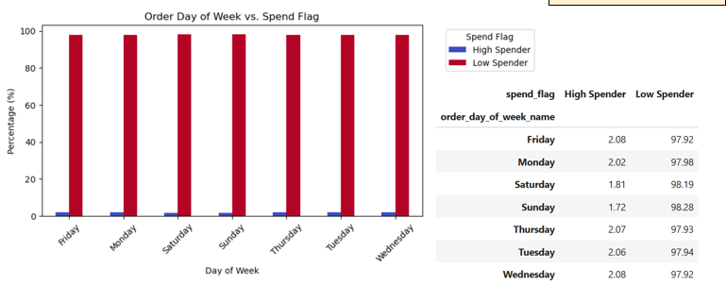 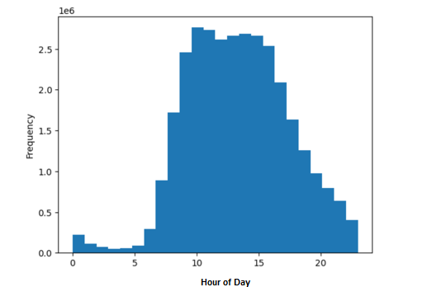 |  | 1. Peak Spending Hours: 9 AM - 5 PM - Strategic Ad Placement: Run digital ads, email campaigns, and push notifications promoting high-ticket items or bulk purchases during these peak spending hours to maximize revenue. - Exclusive Daytime Deals: Offer special promotions (e.g., "Spend $50, Get $5 Off") or free delivery incentives during peak spending hours to encourage larger purchases. 2. Morning Orders (9 AM - 12 PM) & Afternoon Orders (12 PM - 5 PM) Drive Activity - Breakfast & Lunch Bundle Promotions: Promote grocery bundles catering to meal prep for breakfast and lunch, as customers may be shopping for same-day meal needs. - Subscription or Loyalty Perks: Encourage repeat purchases by offering subscription discounts or loyalty points for weekday daytime shoppers to maintain high engagement. 3. Lower Activity in the Evening (5 PM - 10 PM) and Late Night (10 PM - 5 AM) - Evening Convenience Offers: Promote ready-to-eat items, or quick delivery options in the evening to cater to after-work shoppers. - Late-Night Flash Sales: Introduce limited-time discounts to incentivize purchases during low-activity hours. |  | 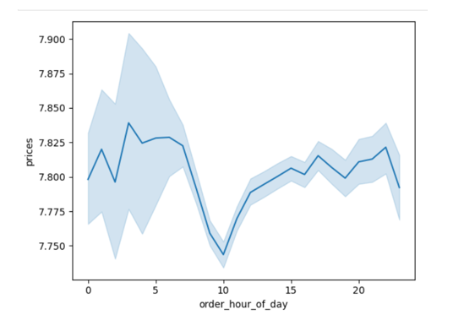 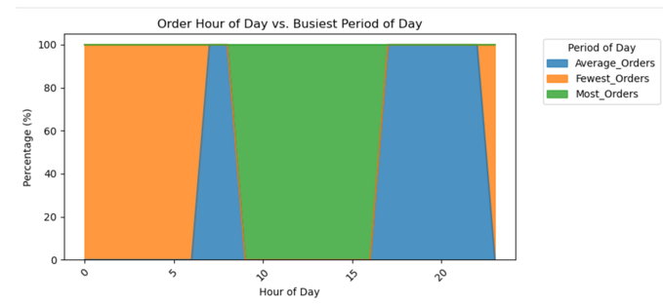

Key Question 3 What are the price range groups |  |  | Key Question 4 Which departments have the highest frequency of product orders
Answer |  |  | Answer
1. Dominance of Low-Range Products (96% of Purchases Across All Age Groups) - Budget-Friendly Product Bundles: Create promotions that bundle frequently purchased low-range products at a slight discount to encourage larger basket sizes. - Value-Based Messaging: Emphasize affordability in marketing campaigns, using slogans like “Everyday Essentials at the Best Prices” to appeal to cost-conscious consumers. 2. Slight Preference for Mid-Range Products Among Older Age Groups (65–81 Years) - Targeted Upselling: Recommend mid-range alternatives for commonly purchased low-range products, especially for customers in the 65+ age group, via personalized promotions. - Premium Loyalty Incentives: Offer discounts or exclusive deals on mid-range products for older shoppers who engage with Instacart regularly, encouraging gradual spending increases. | 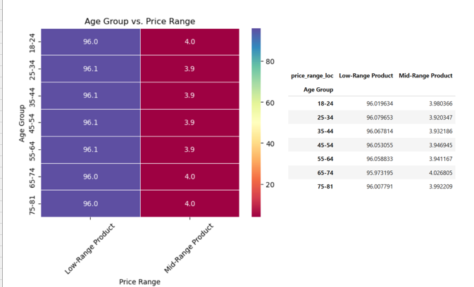 |  | Marketing Strategies for High-Frequency Departments 1. Produce & Dairy & Eggs (Highest Sales) - Loyalty Program Incentives: Reward frequent buyers with discounts or exclusive offers on fresh produce and dairy items. - Cross-Selling Bundles: Pair top-selling dairy items (milk, eggs, cheese) with produce (bananas, avocados, berries) in discounted combo packs. - Subscription-Based Offers: Introduce a weekly fresh-produce or dairy bundle subscription at a slight discount for repeat customers. 2. Snacks & Beverages (Moderate Sales) - Impulse Purchase Strategy: Highlight snack and beverage deals on checkout pages and via app notifications. - Limited-Time Promotions: Introduce “Snack & Sip” combo discounts, especially for busy professionals and families. - Seasonal Campaigns: Promote beverages around warm seasons (cold drinks) and snacks around major holidays or game-day events. 3. Strategies to Boost Low-Frequency Departments Alcohol (Lowest Sales) - Targeted Weekend & Party Promotions: Offer exclusive weekend or party packs to drive higher spending. - Pairing with Other Items: Suggest alcohol purchases alongside premium snacks, meats, and gourmet cheeses. 4. Other & Bulk Items (Lowest Engagement) - Awareness Campaigns: Highlight cost-saving benefits of bulk purchases with “Smart Shopping” banners. - Subscription & Auto-Restock Services: Encourage bulk purchases with scheduled delivery incentives for pantry staples. |  | 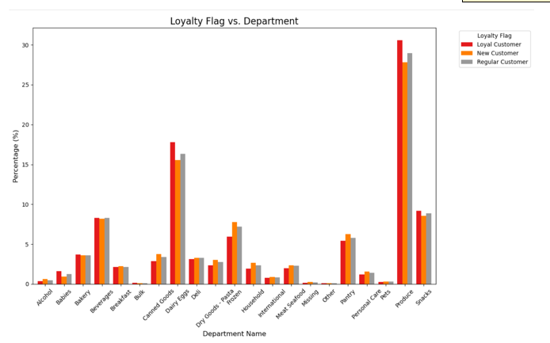 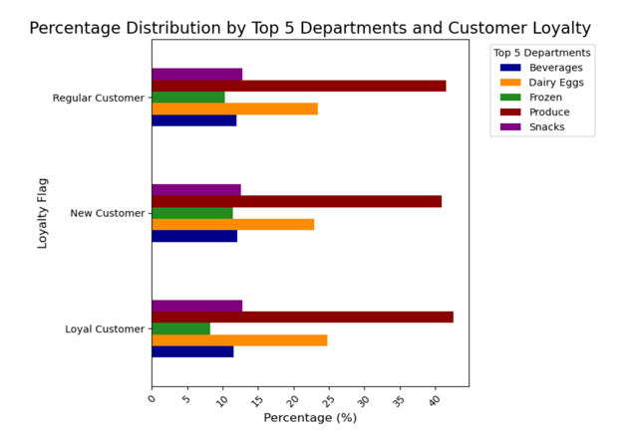

Key Question 5 What’s the distribution among users in regard to their brand loyalty |  |  | Key Question 6 Are there differences in ordering habits based on a customer’s region
Answer |  |  | Answer
Strategic Actions Based on Customer Loyalty Distribution 1. Strengthen Loyalty Across the Dominant Income Brackets ($50K–$150K) - Exclusive Member Discounts: Offer tiered discounts based on purchase history to encourage repeat buying. - Personalized Marketing: Use AI-driven recommendations for frequent shoppers within this income range. - Subscription & Bulk Purchase Incentives: Appeal to steady-income customers with auto-reorder options. 2. Targeting High-Income Customers ($150K+) - Premium & Exclusive Product Lines: Introduce high-end organic, gourmet, and specialty items. - VIP Shopping Experiences: Offer concierge-style services, early product releases, or free delivery perks. - Luxury & Lifestyle Partnerships: Collaborate with premium brands for co-branded offers. 3. Engaging Low-Income Customers (<$50K) - Budget-Friendly Promotions: Highlight cost-effective meal solutions and value-pack options. - Community Engagement Programs: Offer discounts for students, seniors, or local assistance programs. - Flexible Payment Options: Introduce Buy Now, Pay Later (BNPL) solutions for essential items. | 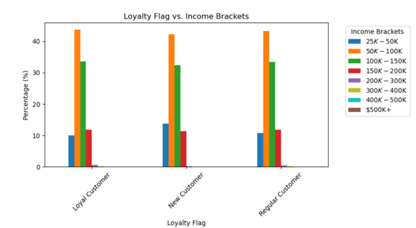 |  | 1. Boosting Spending Across Regions - Targeted Promotions on Peak Shopping Days (Sunday & Monday) - Offer limited-time discounts or exclusive deals to capitalize on high traffic. 2. Regionalized Pricing or Bundles - Tailor pricing strategies to encourage higher spending in the Northeast. - Loyalty Program Enhancements for High Spenders - Provide VIP perks, early access to deals, or premium delivery options for top shoppers. 3. Increasing Spending Among Low Spenders by using Gamification & Incentives - Introduce spend-based rewards (e.g., spend $50, get $5 off next purchase). 4. Cross-Selling & Subscription Options - Encourage bundled purchases and repeat subscriptions for essentials |  | 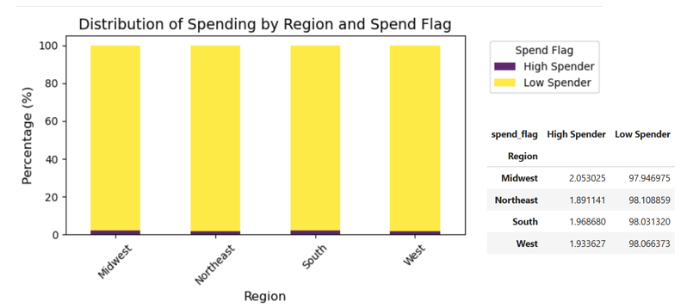 | 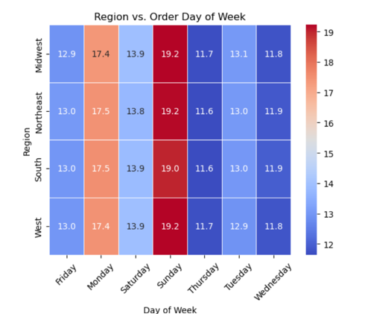

Key Question 7 Is there a connection between age and family status in terms of ordering habits |  |  | Key Question 8 For this question, I looked at "How does the number of dependents affect spending behavior?" and "Does household size influence how often customers place orders?"
Answer |  |  | Answer
Strategic Actions for Targeting Different Age and Family Groups 1. Engaging Older Adults (40–65) - Loyalty Programs for Bulk Shopping: Encourage repeat orders with discounts on staple items. - Health & Wellness Product Bundles: Feature age-specific dietary needs (organic, low-sodium, high-protein). - Simplified Reordering: Promote "one-click restock" for frequent purchases. 2. Attracting Young Adults (25 and Under) - Student & Young Professional Discounts: Offer discounts tailored for college students and first-time workers. - Convenience-Driven Options: Emphasize quick delivery and mobile-friendly shopping. - Social Media & Influencer Promotions: Target digital-first buyers through Facebook, TikTok and Instagram campaigns. 3. Addressing Household Shopping Needs - Group Purchase Incentives: Discounts for shared household accounts or multi-user subscriptions. - Customized Shopping Lists: AI-generated suggestions based on household size and past purchases. - Family Meal Planning Tools: Recipes and bundles catering to different family structures. | 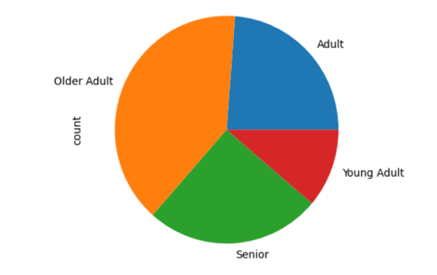 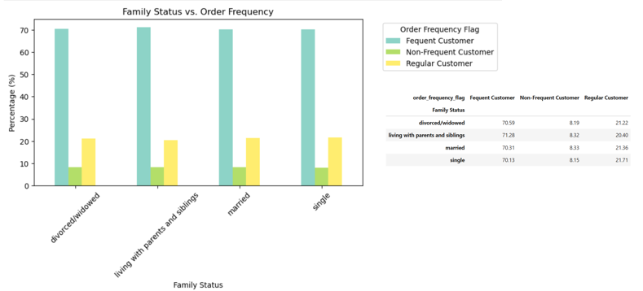 |  | 1. Encouraging Higher Spending Across All Household Sizes - Personalized Promotions Based on Purchase History - Target low spenders with tailored discounts to increase basket size. 2. Bulk Purchase Incentives - Offer family-sized discounts or subscription options for essentials. - Loyalty Rewards for Recurring Orders - Encourage frequent purchases through tiered rewards programs. 3. Enhancing Order Frequency Irrespective of Household Size - AI-Powered Order Reminders - Notify customers when they’re likely to run low on frequently purchased items. 4. Subscription-Based Replenishment - Introduce an auto-reorder option for essential groceries. - Gamification & Engagement by implementing streak-based discounts for consistent shoppers. |  | 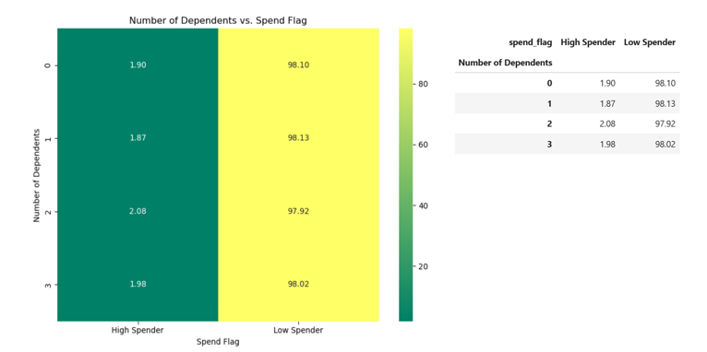 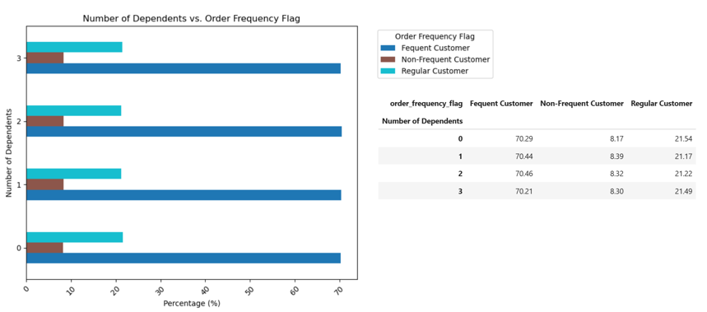

 | Key Question 9 What differences can you find in ordering habits of different customer profiles? Consider the price of orders, the frequency of orders, the products customers are ordering, and anything else you can think of For this question, I looked at "Do male or female customers tend to shop more on certain busy days?" and "Are men or women more likely to shop during specific times during the day?" | 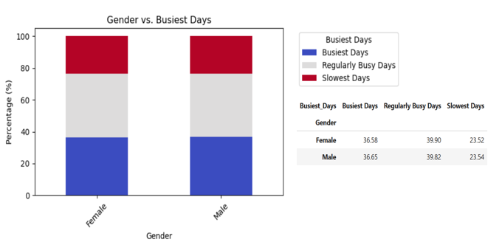
 | Answer
 | 1. Subscription-Based "Smart Cart" Discounts - Offer personalized bulk-order pricing (e.g., “Save 15% when you schedule 4 weekly Sunday orders in advance”). - Flexible delivery subscriptions: Allow customers to select a “priority delivery” window on peak shopping days to improve convenience. 2. AI-Driven Predictive Shopping & Auto-Replenishment - Auto-cart fill-ups: Create a feature where frequently purchased items are auto-added to the cart on customers’ preferred shopping days. - Introduce a “Set & Forget” feature that lets customers set monthly grocery budgets with recommended replenishments. 3. Regional Shopping Trends & Localized Flash Sales - Launch "Local Picks of the Week"—region-specific product promotions based on top-selling items in each area. - Offer city-based loyalty programs that reward customers with extra points when they shop from local businesses. - Implement AI-driven regional pricing (e.g., more attractive discounts for the Northeast to convert low spenders into high spenders). 4. AI-Powered Personalized Time-of-Day Promotions - Offer customized time-slot incentives (e.g., “Your usual shopping time is 6 PM – shop before 5 PM today and get free delivery!”). - Introduce "Midnight Madness Sales" with ultra-discounts on slow shopping hours to drive late-night orders. | 