DRC_Report
BATCH_ID | CPD_ID | fusion_area_myosin | EC_50_1 fusion_area_myosin | EC_50_2 fusion_area_myosin | Plateau1 fusion_area_myosin | Plateau2 fusion_area_myosin | Dip fusion_area_myosin | Slope1 fusion_area_myosin | Slope2 fusion_area_myosin | fusion_index_myosin | EC_50_1 fusion_index_myosin | EC_50_2 fusion_index_myosin | Plateau1 fusion_index_myosin | Plateau2 fusion_index_myosin | Dip fusion_index_myosin | Slope1 fusion_index_myosin | Slope2 fusion_index_myosin
DM1;ISOX#2.5uM;RowP | DM1;ISOX#2.5uM;RowP | 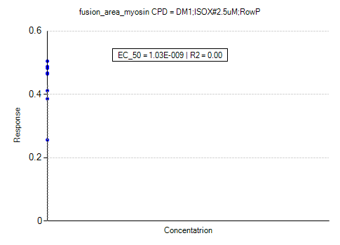 | 1.03E-09 | 1.00E-09 | 2.88E-01 | 5.74E-01 | 5.30E-01 | 1.00E+00 | -1.00E+00 | 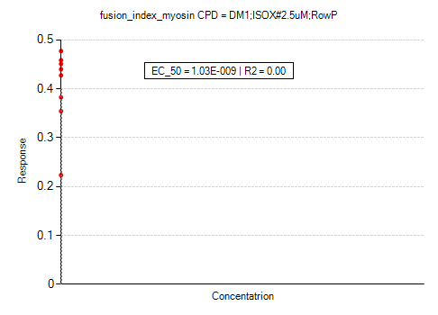 | 1.03E-09 | 1.00E-09 | 2.55E-01 | 5.44E-01 | 5.01E-01 | 1.00E+00 | -1.00E+00
DM1;ISOX#2.5uM;RowA | DM1;ISOX#2.5uM;RowA | 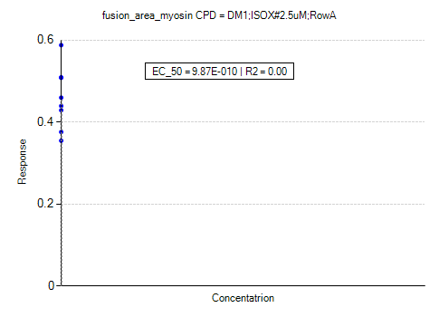 | 9.87E-10 | 1.00E-09 | 3.19E-01 | 5.99E-01 | 6.17E-01 | 1.00E+00 | -1.00E+00 | 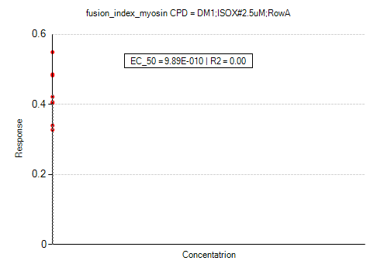 | 9.89E-10 | 1.00E-09 | 2.95E-01 | 5.60E-01 | 5.76E-01 | 1.00E+00 | -1.00E+00
DM1;ISOX#2.5uM | DM1;ISOX#2.5uM | 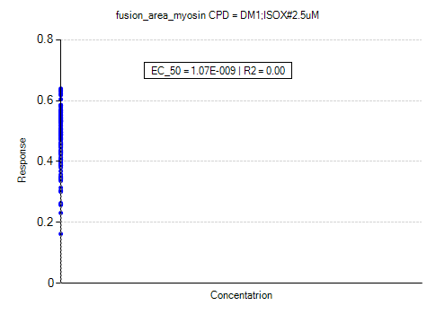 | 1.07E-09 | 1.00E-09 | 2.06E-01 | 7.22E-01 | 6.71E-01 | 1.00E+00 | -1.00E+00 | 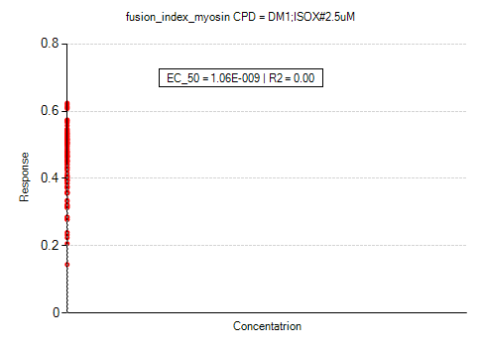 | 1.06E-09 | 1.00E-09 | 1.81E-01 | 6.98E-01 | 6.55E-01 | 1.00E+00 | -1.00E+00
DM1;ISOX#1.0uM;RowP | DM1;ISOX#1.0uM;RowP | 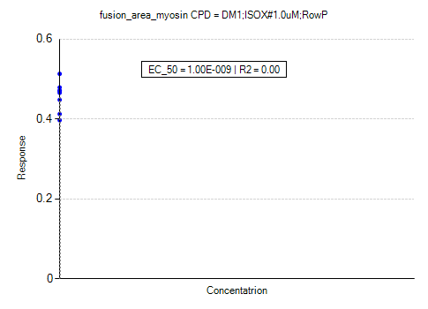 | 1.00E-09 | 1.00E-09 | 3.76E-01 | 5.38E-01 | 5.38E-01 | 1.00E+00 | -1.00E+00 | 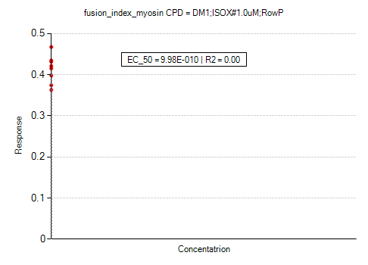 | 9.98E-10 | 1.00E-09 | 3.40E-01 | 4.86E-01 | 4.90E-01 | 1.00E+00 | -1.00E+00
DM1;ISOX#1.0uM;RowA | DM1;ISOX#1.0uM;RowA | 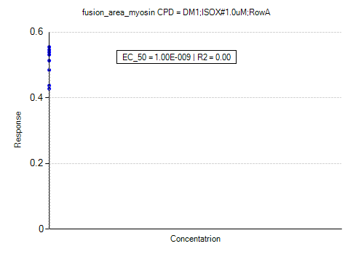 | 1.00E-09 | 1.00E-09 | 4.16E-01 | 5.92E-01 | 5.82E-01 | 1.00E+00 | -1.00E+00 | 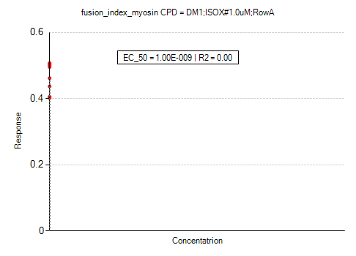 | 1.00E-09 | 1.00E-09 | 3.89E-01 | 5.39E-01 | 5.32E-01 | 1.00E+00 | -1.00E+00
DM1;ISOX#1.0uM | DM1;ISOX#1.0uM | 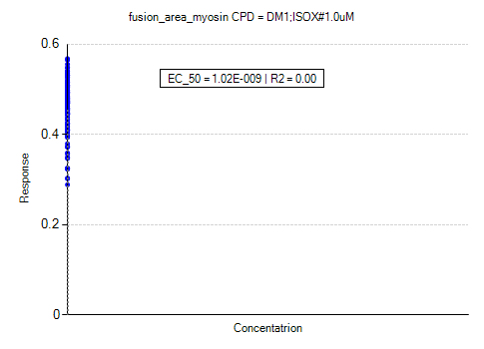 | 1.02E-09 | 1.00E-09 | 2.93E-01 | 6.15E-01 | 5.96E-01 | 1.00E+00 | -1.00E+00 | 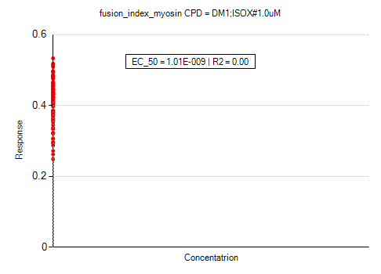 | 1.01E-09 | 1.00E-09 | 2.53E-01 | 5.76E-01 | 5.60E-01 | 1.00E+00 | -1.00E+00
S1006-01 | Saracatinib | 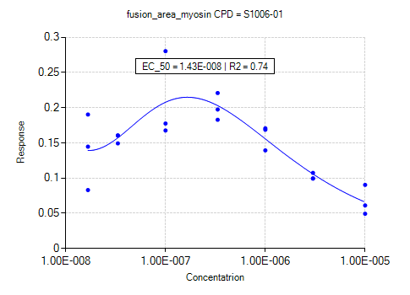 | 1.43E-08 | 2.98E-08 | -2.03E+00 | 2.94E+00 | 9.03E-01 | 5.77E-01 | -8.75E-01 | 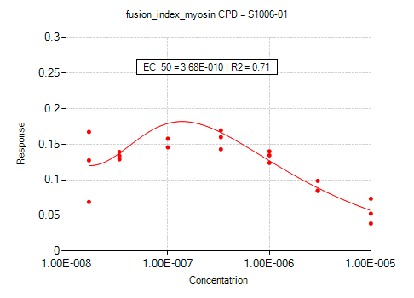 | 3.68E-10 | 3.23E-08 | -5.97E-01 | 2.64E+00 | 2.05E+00 | 3.62E-01 | -1.19E+00
S1085-01 | Belinostat | 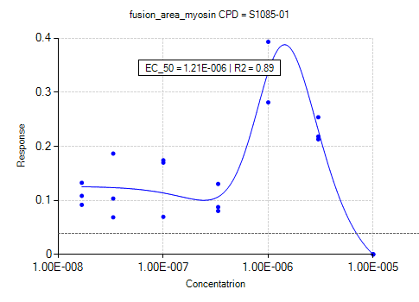 | 1.21E-06 | 1.04E-06 | -4.05E+00 | 4.13E+00 | 1.26E-01 | 1.88E+00 | -2.16E+00 | 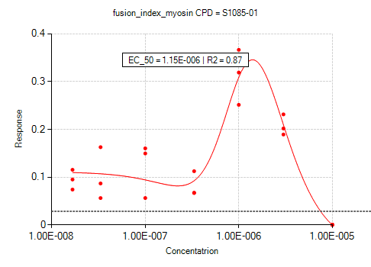 | 1.15E-06 | 9.78E-07 | -3.79E+00 | 3.84E+00 | 1.11E-01 | 1.74E+00 | -2.01E+00
S1194-01 | CUDC-101 | 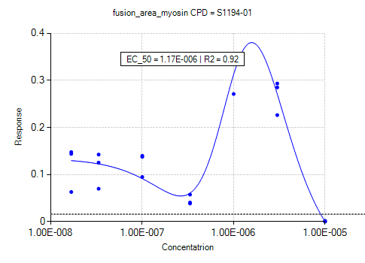 | 1.17E-06 | 9.55E-07 | -3.60E+00 | 3.63E+00 | 1.34E-01 | 1.50E+00 | -1.90E+00 | 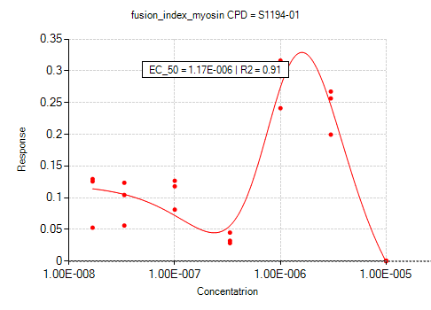 | 1.17E-06 | 9.38E-07 | -3.32E+00 | 3.32E+00 | 1.21E-01 | 1.37E+00 | -1.74E+00
S1262-01 | Avagacestat | 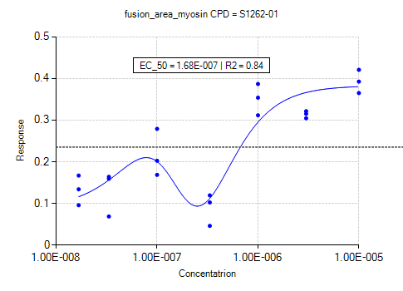 | 1.68E-07 | 1.77E-07 | -3.94E+00 | 4.42E+00 | 8.88E-02 | 2.08E+00 | -1.80E+00 | 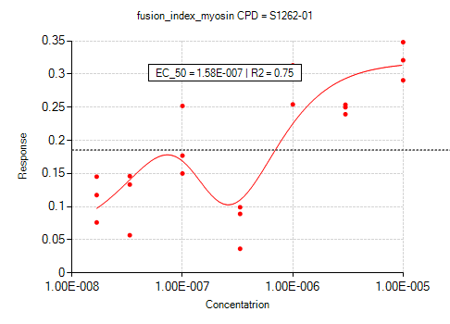 | 1.58E-07 | 1.65E-07 | -3.28E+00 | 3.65E+00 | 5.19E-02 | 1.73E+00 | -1.50E+00
S1067-01 | SB431542 | 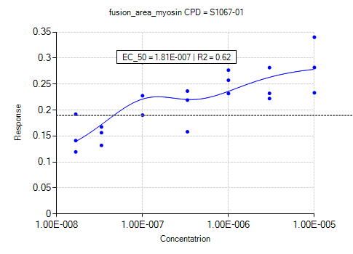 | 1.81E-07 | 1.75E-07 | -3.19E+00 | 3.57E+00 | 9.28E-02 | 1.27E+00 | -1.20E+00 | 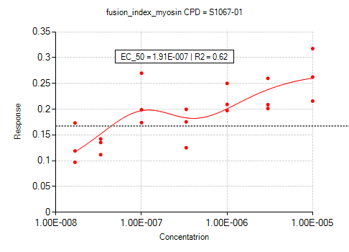 | 1.91E-07 | 1.86E-07 | -3.00E+00 | 3.33E+00 | 6.31E-02 | 1.26E+00 | -1.16E+00
S1263-01 | CHIR-99021 | 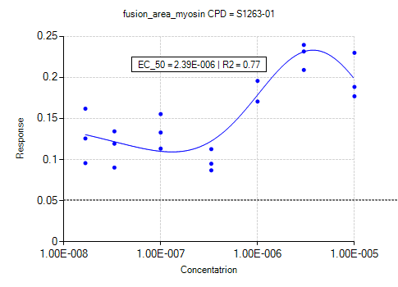 | 2.39E-06 | 1.71E-06 | -2.41E+00 | 2.51E+00 | 1.54E-01 | 7.43E-01 | -8.83E-01 | 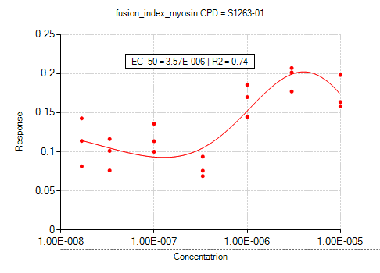 | 3.57E-06 | 1.99E-06 | -2.17E+00 | 2.12E+00 | 1.49E-01 | 6.25E-01 | -7.94E-01
S1386-01 | Nafamostat Mesylate | 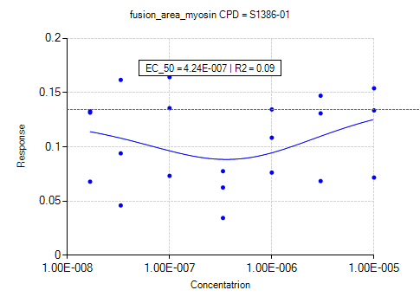 | 4.24E-07 | 4.97E-07 | -1.46E+00 | 1.72E+00 | 1.26E-01 | 7.31E-01 | -7.31E-01 | 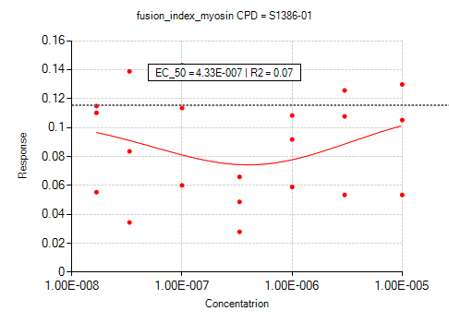 | 4.33E-07 | 5.21E-07 | -1.27E+00 | 1.50E+00 | 1.11E-01 | 6.47E-01 | -6.47E-01
S1396-01 | Resveratrol | 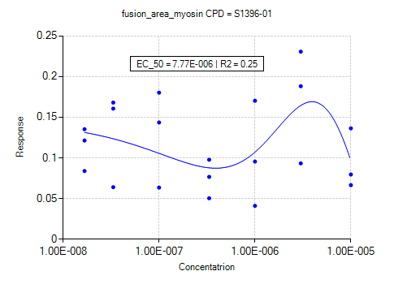 | 7.77E-06 | 3.29E-06 | -2.42E+00 | 1.92E+00 | 1.46E-01 | 7.82E-01 | -1.06E+00 | 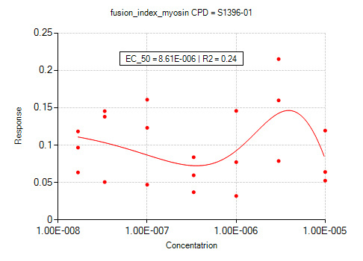 | 8.61E-06 | 3.31E-06 | -2.26E+00 | 1.73E+00 | 1.26E-01 | 7.45E-01 | -1.02E+00
S1467-01 | Doxercalciferol | 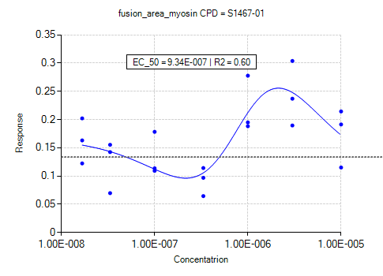 | 9.34E-07 | 8.71E-07 | -2.92E+00 | 3.19E+00 | 1.68E-01 | 1.17E+00 | -1.35E+00 | 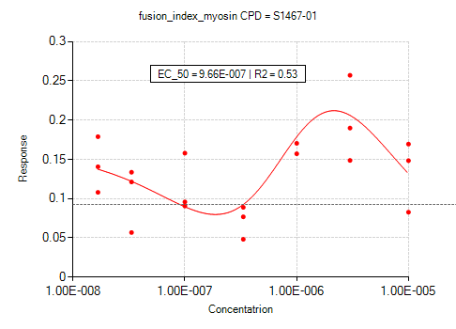 | 9.66E-07 | 8.64E-07 | -2.51E+00 | 2.70E+00 | 1.61E-01 | 9.84E-01 | -1.17E+00
S1577-01 | Tie2 kinase inhibitor | 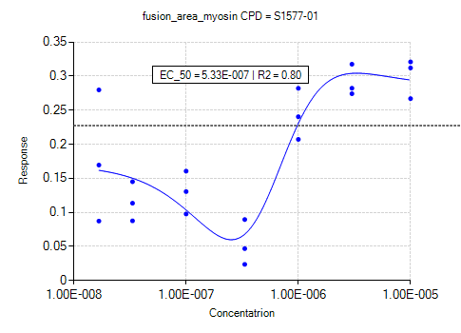 | 5.33E-07 | 5.78E-07 | -2.91E+00 | 3.37E+00 | 1.70E-01 | 1.49E+00 | -1.64E+00 | 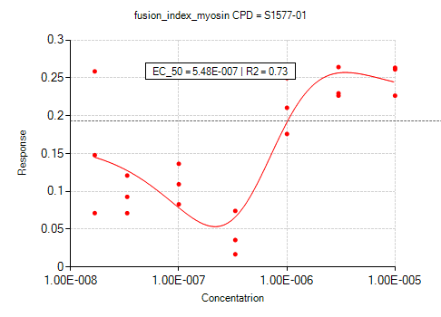 | 5.48E-07 | 5.99E-07 | -2.39E+00 | 2.77E+00 | 1.64E-01 | 1.20E+00 | -1.37E+00
S1590-01 | TWS119 | 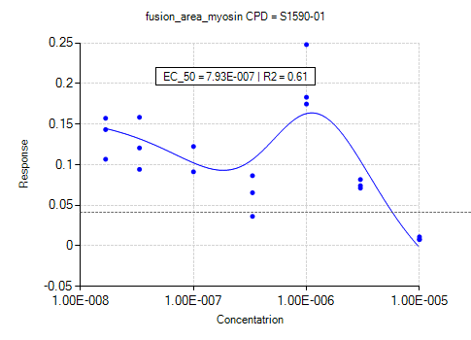 | 7.93E-07 | 6.88E-07 | -2.52E+00 | 2.60E+00 | 1.60E-01 | 1.13E+00 | -1.32E+00 | 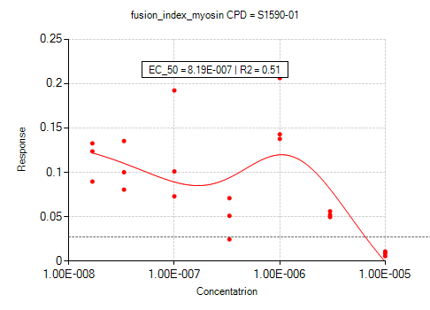 | 8.19E-07 | 6.96E-07 | -2.11E+00 | 2.16E+00 | 1.43E-01 | 9.56E-01 | -1.10E+00
S1594-01 | Semagacestat | 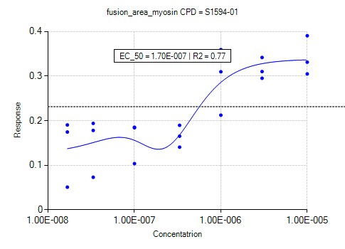 | 1.70E-07 | 1.79E-07 | -3.64E+00 | 4.10E+00 | 1.25E-01 | 1.89E+00 | -1.78E+00 | 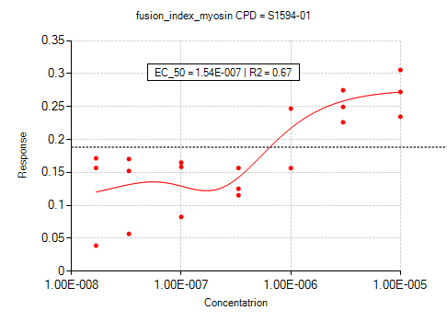 | 1.54E-07 | 1.64E-07 | -2.83E+00 | 3.21E+00 | 1.01E-01 | 1.48E+00 | -1.39E+00
S2020-01 | Formoterol Hemifumarate | 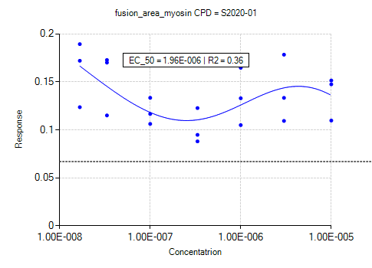 | 1.96E-06 | 1.48E-06 | -1.85E+00 | 1.99E+00 | 2.91E-01 | 4.44E-01 | -6.03E-01 | 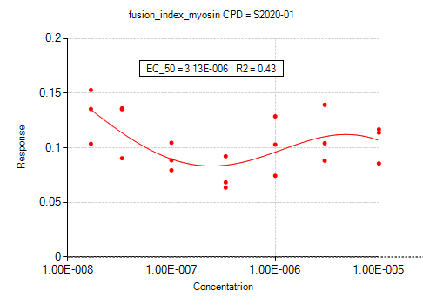 | 3.13E-06 | 1.58E-06 | -1.60E+00 | 1.60E+00 | 3.55E-01 | 3.08E-01 | -5.24E-01
S2170-01 | Givinostat | 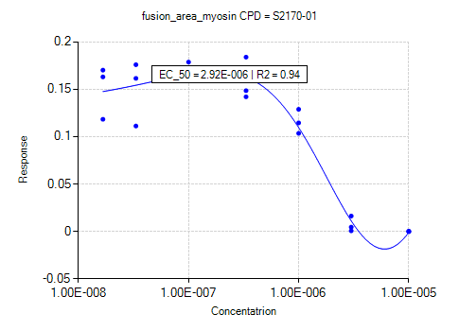 | 2.92E-06 | 9.55E-06 | -1.22E+00 | 1.93E+00 | 1.31E-01 | 1.01E+00 | -6.79E-01 | 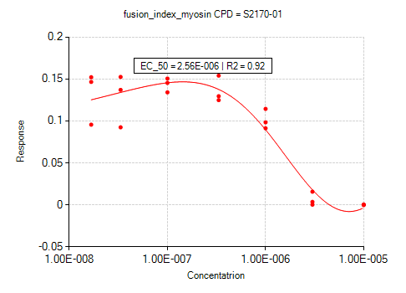 | 2.56E-06 | 8.22E-06 | -1.09E+00 | 1.62E+00 | 9.27E-02 | 8.46E-01 | -5.49E-01
S2180-01 | Ixazomib | 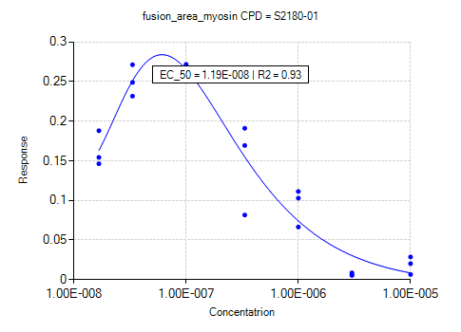 | 1.19E-08 | 1.91E-08 | -1.97E+00 | 2.85E+00 | 8.86E-01 | 7.73E-01 | -1.35E+00 | 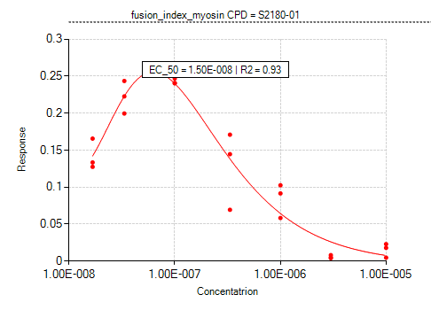 | 1.50E-08 | 2.03E-08 | -1.95E+00 | 2.59E+00 | 6.50E-01 | 8.24E-01 | -1.34E+00
S2215-01 | DAPT | 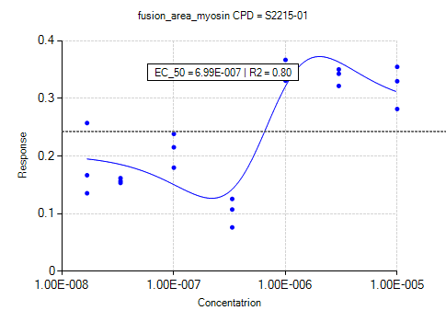 | 6.99E-07 | 6.92E-07 | -3.36E+00 | 3.85E+00 | 2.02E-01 | 1.45E+00 | -1.64E+00 | 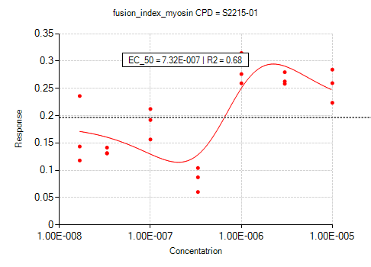 | 7.32E-07 | 7.22E-07 | -2.91E+00 | 3.30E+00 | 1.82E-01 | 1.27E+00 | -1.43E+00
S2449-01 | Forskolin | 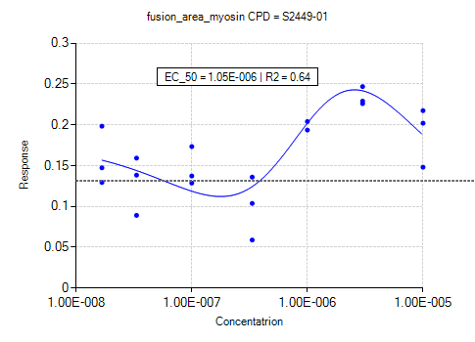 | 1.05E-06 | 9.46E-07 | -2.43E+00 | 2.70E+00 | 1.78E-01 | 9.59E-01 | -1.12E+00 | 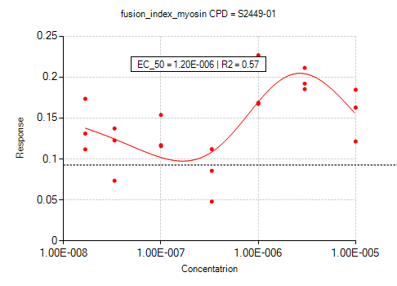 | 1.20E-06 | 1.03E-06 | -2.19E+00 | 2.38E+00 | 1.65E-01 | 8.45E-01 | -1.01E+00
S2233-01 | Esomeprazole sodium | 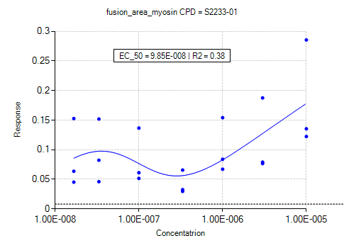 | 9.85E-08 | 2.61E-08 | -7.49E-01 | 7.65E-01 | -5.12E-01 | 1.42E+00 | -1.63E-01 | 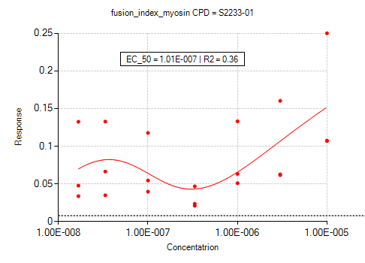 | 1.01E-07 | 3.99E-08 | -5.79E-01 | 5.95E-01 | -2.99E-01 | 1.27E+00 | -2.71E-01
S2271-01 | Berberine chloride | 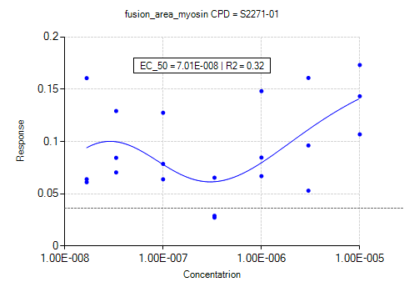 | 7.01E-08 | 5.95E-08 | -1.74E+00 | 1.82E+00 | -1.09E-01 | 8.16E-01 | -6.43E-01 | 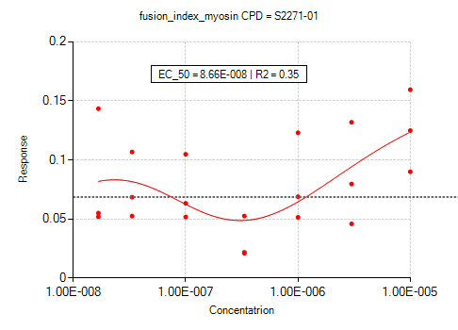 | 8.66E-08 | 8.76E-08 | -1.54E+00 | 1.67E+00 | -2.97E-02 | 7.71E-01 | -6.33E-01
S2281-01 | Chrysin |  | 8.65E-08 | 5.55E-08 | -1.65E+00 | 1.65E+00 | -2.13E-01 | 7.22E-01 | -5.24E-01 |  | 8.50E-08 | 5.21E-08 | -1.41E+00 | 1.41E+00 | -2.07E-01 | 6.31E-01 | -4.44E-01
S2521-01 | Epinephrine bitartrate |  | 1.38E-07 | 1.42E-07 | -2.36E+00 | 2.65E+00 | 5.57E-02 | 1.06E+00 | -9.62E-01 |  | 1.13E-07 | 1.15E-07 | -1.96E+00 | 2.19E+00 | 2.84E-02 | 8.84E-01 | -7.98E-01
S2522-01 | L-Adrenaline |  | 1.21E-07 | 1.15E-07 | -2.17E+00 | 2.38E+00 | -4.24E-02 | 9.76E-01 | -8.49E-01 |  | 1.02E-07 | 9.45E-08 | -1.89E+00 | 2.05E+00 | -5.40E-02 | 8.54E-01 | -7.52E-01
S2533-01 | Ritodrine HCl |  | 1.92E-06 | 1.65E-06 | -2.73E+00 | 3.02E+00 | 1.95E-01 | 8.07E-01 | -8.49E-01 |  | 2.88E-06 | 2.25E-06 | -2.39E+00 | 2.56E+00 | 1.70E-01 | 7.09E-01 | -7.63E-01
S2660-01 | MK-0752 |  | 7.73E-07 | 7.70E-07 | -3.16E+00 | 3.57E+00 | 1.69E-01 | 1.43E+00 | -1.58E+00 |  | 7.78E-07 | 7.65E-07 | -2.82E+00 | 3.14E+00 | 1.52E-01 | 1.27E+00 | -1.41E+00
S2693-01 | Resminostat |  | 1.30E-06 | 1.10E-06 | -3.50E+00 | 3.62E+00 | 1.56E-01 | 1.51E+00 | -1.76E+00 |  | 1.36E-06 | 1.11E-06 | -3.16E+00 | 3.22E+00 | 1.42E-01 | 1.32E+00 | -1.58E+00
S2711-01 | Dibenzazepine |  | 1.54E-07 | 1.52E-07 | -3.97E+00 | 4.48E+00 | 1.16E-01 | 1.74E+00 | -1.58E+00 |  | 1.35E-07 | 1.31E-07 | -3.27E+00 | 3.67E+00 | 5.80E-02 | 1.41E+00 | -1.28E+00
S2714-01 | LY411575 |  | 3.48E-07 | 3.65E-07 | -3.62E+00 | 4.37E+00 | 3.88E-01 | 9.94E-01 | -1.02E+00 |  | 4.71E-07 | 5.00E-07 | -2.98E+00 | 3.60E+00 | 3.30E-01 | 9.06E-01 | -9.46E-01
S2566-01 | Isoprenaline HCl |  | 6.39E-04 | 3.27E-10 | -2.86E+00 | 2.17E-01 | -1.68E+00 | 6.43E-01 | -9.55E-01 |  | 6.39E-04 | 2.03E-10 | -2.51E+00 | 2.61E-01 | -2.02E+00 | 2.03E-01 | -8.35E-01
S2569-01 | Phenylephrine HCl |  | 1.40E-06 | 1.18E-06 | -2.71E+00 | 2.98E+00 | 1.90E-01 | 8.36E-01 | -9.27E-01 |  | 1.50E-06 | 1.22E-06 | -2.34E+00 | 2.55E+00 | 1.72E-01 | 7.33E-01 | -8.22E-01
S2615-01 | Noradrenaline bitartrate monohydrate |  | 7.82E-07 | 8.23E-07 | -2.44E+00 | 2.81E+00 | 1.69E-01 | 9.90E-01 | -1.10E+00 |  | 1.16E-06 | 1.13E-06 | -2.03E+00 | 2.30E+00 | 1.69E-01 | 7.64E-01 | -9.14E-01
S2683-01 | CHIR-124 |  | 6.42E-07 | 6.15E-07 | -2.09E+00 | 2.24E+00 | 1.13E-01 | 1.17E+00 | -1.00E+00 |  | 7.36E-07 | 7.74E-07 | -1.61E+00 | 1.78E+00 | 8.28E-02 | 9.30E-01 | -7.50E-01
S2858-01 | StemRegenin 1 |  | 2.69E-07 | 3.06E-07 | -2.29E+00 | 2.63E+00 | 1.00E-01 | 1.20E+00 | -1.10E+00 |  | 2.22E-07 | 2.55E-07 | -2.04E+00 | 2.33E+00 | 6.85E-02 | 1.07E+00 | -9.60E-01
S3185-01 | Adrenalone HCl |  | 8.90E-07 | 7.94E-07 | -3.02E+00 | 3.30E+00 | 1.62E-01 | 1.08E+00 | -1.21E+00 |  | 8.67E-07 | 7.66E-07 | -2.70E+00 | 2.93E+00 | 1.45E-01 | 9.96E-01 | -1.13E+00
S3689-01 | Ethidium bromide |  | 1.18E-06 | 1.11E-06 | -6.17E+00 | 6.78E+00 | 1.81E-01 | 2.60E+00 | -2.95E+00 |  | 1.17E-06 | 1.09E-06 | -5.79E+00 | 6.34E+00 | 1.61E-01 | 2.48E+00 | -2.82E+00
S3083-01 | Indacaterol Maleate |  | 3.77E-07 | 4.27E-07 | -2.48E+00 | 2.87E+00 | 3.14E-01 | 9.65E-01 | -1.10E+00 |  | 4.31E-07 | 4.97E-07 | -2.03E+00 | 2.35E+00 | 2.79E-01 | 8.17E-01 | -9.52E-01
S3668-01 | Thymopentin |  | 1.29E-07 | 1.32E-07 | -2.08E+00 | 2.30E+00 | 6.89E-02 | 1.02E+00 | -9.26E-01 |  | 1.23E-07 | 1.25E-07 | -1.91E+00 | 2.09E+00 | 5.37E-02 | 9.67E-01 | -8.76E-01
S3724-01 | Velpatasvir |  | 4.17E-07 | 4.80E-07 | -2.29E+00 | 2.65E+00 | 1.05E-01 | 1.23E+00 | -1.23E+00 |  | 1.99E-06 | 1.74E-06 | -2.06E+00 | 2.24E+00 | 9.79E-02 | 9.05E-01 | -1.06E+00
S3727-01 | Vilanterol Trifenate |  | 6.60E-07 | 6.65E-07 | -1.95E+00 | 2.22E+00 | 3.08E-01 | 5.76E-01 | -7.20E-01 |  | 8.91E-07 | 8.18E-07 | -1.68E+00 | 1.85E+00 | 2.68E-01 | 5.13E-01 | -6.71E-01
S3739-01 | Calcipotriene |  | 3.23E-13 | 1.88E-08 | -1.43E+00 | 2.56E+00 | 2.28E+00 | 4.15E-02 | -1.10E+00 |  | 7.54E-09 | 1.90E-08 | -1.33E+00 | 2.21E+00 | 8.43E-01 | 6.35E-01 | -9.79E-01
S3960-01 | Higenamine hydrochloride |  | 9.99E-07 | 9.55E-07 | -2.96E+00 | 3.31E+00 | 1.84E-01 | 1.18E+00 | -1.32E+00 |  | 1.16E-06 | 1.07E-06 | -2.54E+00 | 2.81E+00 | 1.64E-01 | 1.02E+00 | -1.16E+00
S4135-01 | Clorprenaline HCl |  | 1.35E-06 | 1.27E-06 | -2.83E+00 | 3.26E+00 | 2.71E-01 | 9.05E-01 | -9.80E-01 |  | 1.32E-06 | 1.25E-06 | -2.64E+00 | 2.99E+00 | 2.47E-01 | 8.90E-01 | -9.77E-01
S4351-01 | Ractopamine HCl |  | 4.11E-12 | 6.39E-04 | 1.63E-01 | 3.32E+00 | 1.08E+00 | 2.37E-01 | -8.61E-01 |  | 3.06E-11 | 6.39E-04 | 1.62E-01 | 2.82E+00 | 1.75E+00 | 4.73E-01 | -7.87E-01
S4296-01 | Salmeterol Xinafoate |  | 1.13E-06 | 9.17E-07 | -2.49E+00 | 2.60E+00 | 2.48E-01 | 9.55E-01 | -1.19E+00 |  | 1.42E-06 | 9.89E-07 | -2.12E+00 | 2.11E+00 | 2.29E-01 | 7.63E-01 | -1.01E+00
S4335-01 | Metaproterenol Sulfate |  | 1.12E-08 | 3.56E-09 | -3.51E+00 | 1.87E+00 | -1.80E+00 | 9.49E-01 | -1.05E+00 |  | 1.05E-06 | 1.08E-06 | -2.74E+00 | 3.06E+00 | 2.50E-01 | 1.01E+00 | -1.08E+00
S4396-01 | Digoxigenin |  | 4.20E-07 | 3.78E-07 | -2.52E+00 | 2.64E+00 | 8.87E-02 | 1.38E+00 | -1.16E+00 |  | 4.00E-07 | 3.50E-07 | -2.19E+00 | 2.28E+00 | 4.72E-02 | 1.19E+00 | -9.84E-01
S5487-01 | Cefoperazone sodium |  | 6.36E-07 | 6.72E-07 | -2.51E+00 | 2.90E+00 | 1.69E-01 | 1.09E+00 | -1.19E+00 |  | 7.01E-07 | 7.28E-07 | -2.07E+00 | 2.37E+00 | 1.61E-01 | 8.63E-01 | -9.80E-01
S5217-01 | Arformoterol Tartrate |  | 7.75E-07 | 7.67E-07 | -1.85E+00 | 2.12E+00 | 2.66E-01 | 5.90E-01 | -7.13E-01 |  | 2.44E-06 | 1.43E-06 | -1.71E+00 | 1.72E+00 | 2.82E-01 | 4.08E-01 | -5.92E-01
S5440-01 | Berberine Sulfate |  | 1.35E-06 | 1.26E-06 | -1.99E+00 | 2.21E+00 | 1.71E-01 | 8.82E-01 | -1.03E+00 |  | 1.73E-06 | 1.53E-06 | -1.88E+00 | 2.04E+00 | 1.52E-01 | 8.16E-01 | -9.71E-01
S5494-01 | Salbutamol |  | 7.61E-07 | 7.83E-07 | -3.02E+00 | 3.42E+00 | 2.74E-01 | 1.32E+00 | -1.44E+00 |  | 8.97E-07 | 9.19E-07 | -2.46E+00 | 2.77E+00 | 2.42E-01 | 1.06E+00 | -1.18E+00
S5527-01 | Salmeterol |  | 1.21E-06 | 1.05E-06 | -2.61E+00 | 2.76E+00 | 2.49E-01 | 1.07E+00 | -1.30E+00 |  | 1.58E-06 | 1.21E-06 | -2.22E+00 | 2.24E+00 | 2.19E-01 | 8.43E-01 | -1.07E+00
S5669-01 | Isoxsuprine hydrochloride |  | 2.81E-06 | 2.44E-06 | -2.86E+00 | 3.18E+00 | 1.67E-01 | 1.02E+00 | -1.05E+00 |  | 2.76E-06 | 2.29E-06 | -2.51E+00 | 2.75E+00 | 1.45E-01 | 8.98E-01 | -9.52E-01
S5905-01 | Suberohydroxamic acid |  | 4.70E-07 | 5.17E-07 | -3.27E+00 | 3.72E+00 | 1.33E-01 | 1.76E+00 | -1.76E+00 |  | 4.45E-07 | 4.98E-07 | -2.79E+00 | 3.19E+00 | 1.15E-01 | 1.53E+00 | -1.53E+00
S5654-01 | Indacaterol |  | 5.07E-07 | 5.39E-07 | -2.71E+00 | 3.09E+00 | 3.00E-01 | 1.06E+00 | -1.19E+00 |  | 6.28E-07 | 6.68E-07 | -2.19E+00 | 2.48E+00 | 2.73E-01 | 8.24E-01 | -9.58E-01
S5683-01 | Isoproterenol sulfate dihydrate |  | 1.08E-07 | 8.95E-08 | -2.68E+00 | 2.88E+00 | 5.43E-02 | 9.09E-01 | -8.77E-01 |  | 1.12E-07 | 8.91E-08 | -2.42E+00 | 2.55E+00 | 1.58E-02 | 8.24E-01 | -7.80E-01
S5925-01 | Olodaterol hydrochloride |  | 5.45E-07 | 5.96E-07 | -2.46E+00 | 2.91E+00 | 2.51E-01 | 9.09E-01 | -9.97E-01 |  | 5.65E-07 | 6.20E-07 | -2.19E+00 | 2.56E+00 | 2.11E-01 | 8.49E-01 | -9.38E-01
S6407-01 | Tulobuterol hydrochloride |  | 1.30E-06 | 1.37E-06 | -2.93E+00 | 3.41E+00 | 3.07E-01 | 8.37E-01 | -8.92E-01 |  | 6.39E-04 | 4.11E-06 | -2.86E+00 | 1.07E+00 | 3.47E-01 | 3.27E-01 | -8.80E-01
S6417-01 | GK921 |  | 1.19E-06 | 1.09E-06 | -2.16E+00 | 2.24E+00 | 1.10E-01 | 1.17E+00 | -1.17E+00 |  | 1.19E-06 | 1.08E-06 | -1.89E+00 | 1.96E+00 | 9.27E-02 | 1.02E+00 | -1.02E+00
S6499-01 | PF-6260933 |  | 3.29E-06 | 2.18E-06 | -1.77E+00 | 1.77E+00 | 1.85E-01 | 5.96E-01 | -7.71E-01 |  | 6.02E-06 | 2.59E-06 | -1.55E+00 | 1.41E+00 | 1.90E-01 | 4.66E-01 | -6.76E-01
S7147-01 | LDN-212854 |  | 5.48E-07 | 5.81E-07 | -3.04E+00 | 3.50E+00 | 1.84E-01 | 1.41E+00 | -1.52E+00 |  | 5.97E-07 | 6.29E-07 | -2.70E+00 | 3.10E+00 | 1.63E-01 | 1.26E+00 | -1.38E+00
S7152-01 | C646 |  | 8.73E-07 | 7.95E-07 | -3.03E+00 | 3.35E+00 | 2.02E-01 | 1.01E+00 | -1.15E+00 |  | 1.13E-06 | 8.98E-07 | -2.48E+00 | 2.66E+00 | 2.16E-01 | 7.11E-01 | -8.81E-01
S7169-01 | Crenigacestat |  | 2.12E-08 | 9.82E-09 | -4.34E+00 | 3.70E+00 | -1.03E+00 | 9.63E-01 | -7.70E-01 |  | 2.05E-07 | 2.26E-07 | -2.97E+00 | 3.61E+00 | 3.24E-01 | 8.75E-01 | -8.75E-01
S7223-01 | RepSox |  | 2.25E-07 | 2.54E-07 | -3.22E+00 | 3.87E+00 | 3.53E-01 | 1.17E+00 | -1.17E+00 |  | 2.42E-07 | 2.79E-07 | -2.86E+00 | 3.46E+00 | 3.17E-01 | 1.03E+00 | -1.03E+00
S7292-01 | RG2833 |  | 1.55E-06 | 1.22E-06 | -2.78E+00 | 2.83E+00 | 1.81E-01 | 9.73E-01 | -1.25E+00 |  | 1.98E-06 | 1.35E-06 | -2.47E+00 | 2.41E+00 | 1.69E-01 | 8.43E-01 | -1.15E+00
S7386-01 | MG-101 |  | 2.25E-06 | 1.61E-06 | -3.04E+00 | 2.91E+00 | 1.64E-01 | 1.20E+00 | -1.54E+00 |  | 3.33E-06 | 1.94E-06 | -2.75E+00 | 2.41E+00 | 1.45E-01 | 1.04E+00 | -1.40E+00
S7146-01 | DMH1 |  | 2.00E-06 | 1.84E-06 | -3.47E+00 | 3.75E+00 | 1.57E-01 | 1.36E+00 | -1.55E+00 |  | 2.44E-06 | 2.11E-06 | -3.21E+00 | 3.37E+00 | 1.40E-01 | 1.23E+00 | -1.45E+00
S7530-01 | Vactosertib |  | 9.30E-08 | 8.43E-08 | -3.31E+00 | 3.70E+00 | 4.96E-02 | 1.05E+00 | -9.09E-01 |  | 8.27E-08 | 7.49E-08 | -3.05E+00 | 3.39E+00 | 2.85E-02 | 1.01E+00 | -8.71E-01
S7665-01 | CH5183284 |  | 2.84E-07 | 7.09E-07 | -1.49E-01 | 7.30E-01 | 1.82E-01 | 1.75E+00 | -1.43E+00 |  | 7.90E-07 | 8.42E-07 | -3.06E+00 | 3.54E+00 | 1.67E-01 | 1.38E+00 | -1.45E+00
S7944-01 | O4I2 |  | 4.14E-07 | 5.65E-07 | -1.57E+00 | 1.93E+00 | 1.64E-01 | 7.15E-01 | -7.15E-01 |  | 3.30E-07 | 4.93E-07 | -1.33E+00 | 1.67E+00 | 1.54E-01 | 6.48E-01 | -6.48E-01
S7949-01 | MRT68921 HCl |  | 4.17E-07 | 3.78E-07 | -1.95E+00 | 2.07E+00 | 1.03E-01 | 1.08E+00 | -9.57E-01 |  | 3.05E-07 | 2.71E-07 | -1.76E+00 | 1.85E+00 | 7.05E-02 | 9.67E-01 | -8.51E-01
S8001-01 | Ricolinostat |  | 4.15E-07 | 4.60E-07 | -3.20E+00 | 3.70E+00 | 1.67E-01 | 1.64E+00 | -1.64E+00 |  | 4.16E-07 | 4.70E-07 | -2.81E+00 | 3.27E+00 | 1.48E-01 | 1.46E+00 | -1.46E+00
S8018-01 | Nirogacestat |  | 1.92E-05 | 9.53E-08 | -5.07E-01 | 3.68E-01 | 1.50E-01 | 1.51E+00 | -1.51E+00 |  | 1.08E-04 | 8.29E-08 | -3.47E+00 | 3.01E-01 | 1.22E-01 | 1.31E+00 | -1.31E+00
S8043-01 | Scriptaid |  | 1.63E-06 | 1.37E-06 | -4.13E+00 | 4.24E+00 | 1.83E-01 | 1.79E+00 | -2.14E+00 |  | 1.69E-06 | 1.39E-06 | -3.84E+00 | 3.90E+00 | 1.60E-01 | 1.66E+00 | -2.00E+00
S8118-01 | RHPS 4 methosulfate |  | 1.84E-06 | 1.26E-06 | -2.17E+00 | 2.15E+00 | 1.81E-01 | 9.34E-01 | -1.09E+00 |  | 2.03E-06 | 1.23E-06 | -1.94E+00 | 1.85E+00 | 1.62E-01 | 8.13E-01 | -9.82E-01
S8464-01 | Citarinostat |  | 1.34E-06 | 1.26E-06 | -3.42E+00 | 3.77E+00 | 1.70E-01 | 1.51E+00 | -1.70E+00 |  | 1.38E-06 | 1.29E-06 | -3.10E+00 | 3.41E+00 | 1.48E-01 | 1.40E+00 | -1.58E+00
S8596-01 | Autophinib |  | 1.40E-06 | 1.24E-06 | -3.43E+00 | 3.75E+00 | 1.53E-01 | 1.60E+00 | -1.66E+00 |  | 1.29E-06 | 1.14E-06 | -3.09E+00 | 3.37E+00 | 1.34E-01 | 1.44E+00 | -1.52E+00
S8700-01 | TP0427736 HCl |  | 9.61E-08 | 5.61E-07 | -9.23E-03 | 8.24E-01 | 2.59E-01 | 2.15E+00 | -6.43E-01 |  | 9.79E-08 | 7.21E-07 | 5.25E-03 | 7.69E-01 | 2.54E-01 | 1.63E+00 | -6.92E-01
S8731-01 | IACS-010759 |  | 5.72E-07 | 6.28E-07 | -2.11E+00 | 2.47E+00 | 2.32E-01 | 8.07E-01 | -9.17E-01 |  | 6.48E-07 | 7.13E-07 | -1.84E+00 | 2.15E+00 | 2.30E-01 | 6.90E-01 | -8.21E-01
S9204-01 | Oroxylin A |  | 3.45E-07 | 4.03E-07 | -2.27E+00 | 2.69E+00 | 1.73E-01 | 1.12E+00 | -1.12E+00 |  | 3.44E-07 | 4.14E-07 | -1.99E+00 | 2.37E+00 | 1.55E-01 | 1.02E+00 | -1.02E+00
S6626-01 | Brequinar |  | 2.78E-07 | 2.87E-07 | -3.11E+00 | 3.57E+00 | 1.38E-01 | 1.44E+00 | -1.47E+00 |  | 3.41E-07 | 3.47E-07 | -2.79E+00 | 3.18E+00 | 1.19E-01 | 1.29E+00 | -1.34E+00
S8847-01 | BAY 2402234 |  | 1.32E-07 | 1.37E-07 | -3.06E+00 | 3.72E+00 | 2.74E-01 | 6.70E-01 | -6.26E-01 |  | 1.62E-07 | 1.77E-07 | -2.77E+00 | 3.39E+00 | 2.93E-01 | 6.54E-01 | -6.25E-01
S8848-01 | TAS-120 |  | 3.22E-06 | 2.26E-06 | -2.95E+00 | 2.99E+00 | 1.49E-01 | 9.42E-01 | -1.03E+00 |  | 9.40E-06 | 4.02E-06 | -2.44E+00 | 2.06E+00 | 1.22E-01 | 7.84E-01 | -8.63E-01
S2642-01 | 1-Naphthyl PP1 |  | 1.46E-07 | 1.53E-07 | -4.04E+00 | 4.55E+00 | 1.46E-01 | 1.70E+00 | -1.62E+00 |  | 1.50E-07 | 1.58E-07 | -3.64E+00 | 4.09E+00 | 1.20E-01 | 1.57E+00 | -1.50E+00
S2039-01 | IRAK inhibitor 6 |  | 3.83E-06 | 2.62E-06 | -2.42E+00 | 2.37E+00 | 2.03E-01 | 8.07E-01 | -9.91E-01 |  | 6.47E-06 | 3.22E-06 | -2.20E+00 | 1.92E+00 | 1.86E-01 | 7.05E-01 | -9.33E-01
S2132-01 | SR-4370 |  | 4.27E-06 | 1.80E-06 | -2.61E+00 | 2.21E+00 | 2.46E-01 | 6.81E-01 | -1.04E+00 |  | 4.90E-06 | 1.58E-06 | -2.19E+00 | 1.81E+00 | 2.73E-01 | 5.15E-01 | -8.61E-01
S6647-01 | Bardoxolone |  | 1.83E-06 | 1.52E-06 | -3.56E+00 | 3.66E+00 | 1.84E-01 | 1.77E+00 | -1.91E+00 |  | 1.72E-06 | 1.37E-06 | -3.12E+00 | 3.17E+00 | 1.65E-01 | 1.48E+00 | -1.66E+00
S7692-01 | A-83-01 |  | 6.54E-08 | 8.51E-09 | -4.08E+00 | 2.30E+00 | -2.19E+00 | 1.15E+00 | -5.95E-01 |  | 6.36E-08 | 7.65E-09 | -3.87E+00 | 2.11E+00 | -2.15E+00 | 1.14E+00 | -5.78E-01
S8995-01 | BAY 2416964 |  | 1.29E-07 | 1.34E-07 | -3.01E+00 | 3.35E+00 | 1.05E-01 | 1.37E+00 | -1.26E+00 |  | 3.27E-07 | 3.53E-07 | -2.65E+00 | 3.01E+00 | 1.44E-01 | 1.27E+00 | -1.27E+00
S7306-01 | Dorsomorphin 2HCl |  | 5.45E-06 | 6.13E-06 | -3.17E+00 | 3.73E+00 | 1.73E-01 | 1.73E+00 | -1.26E+00 |  | 4.88E-06 | 5.12E-06 | -2.98E+00 | 3.38E+00 | 1.53E-01 | 1.77E+00 | -1.34E+00
S7507-01 | LDN-193189 2HCl |  | 3.16E-06 | 5.90E-06 | -2.81E+00 | 4.32E+00 | 1.78E-01 | 2.26E+00 | -1.28E+00 |  | 2.75E-06 | 3.88E-06 | -2.88E+00 | 3.74E+00 | 1.50E-01 | 1.96E+00 | -1.31E+00
S2507-01 | Salbutamol Sulfate |  | 6.79E-08 | 6.25E-08 | -3.45E+00 | 3.85E+00 | 2.19E-01 | 1.32E+00 | -1.26E+00 |  | 2.85E-07 | 3.05E-07 | -2.83E+00 | 3.26E+00 | 2.80E-01 | 1.16E+00 | -1.16E+00
S4127-01 | Terbutaline Sulfate |  | 6.68E-07 | 7.09E-07 | -3.10E+00 | 3.60E+00 | 3.45E-01 | 1.09E+00 | -1.18E+00 |  | 6.56E-07 | 7.07E-07 | -2.72E+00 | 3.13E+00 | 3.03E-01 | 1.01E+00 | -1.10E+00
S5267-01 | Nylidrin Hydrochloride |  | 6.39E-08 | 5.00E-08 | -3.22E+00 | 3.50E+00 | -5.63E-02 | 7.98E-01 | -7.01E-01 |  | 8.16E-08 | 6.96E-08 | -2.69E+00 | 3.01E+00 | 3.08E-02 | 7.49E-01 | -6.61E-01
P2060-01 | WAY-226055 |  | 2.06E-06 | 1.63E-06 | -2.96E+00 | 3.23E+00 | 1.93E-01 | 8.15E-01 | -8.62E-01 |  | 2.75E-06 | 1.98E-06 | -2.61E+00 | 2.75E+00 | 1.66E-01 | 6.88E-01 | -7.29E-01
S2704-01 | LY2109761 |  | 3.05E-07 | 3.01E-07 | -5.11E+00 | 5.70E+00 | 1.49E-01 | 2.45E+00 | -2.22E+00 |  | 3.05E-07 | 3.02E-07 | -4.90E+00 | 5.44E+00 | 1.28E-01 | 2.38E+00 | -2.16E+00
S2805-01 | LY364947 |  | 8.68E-08 | 9.56E-09 | -4.20E+00 | 3.05E+00 | -1.88E+00 | 6.49E-01 | -3.31E-01 |  | 6.76E-08 | 6.80E-09 | -3.94E+00 | 2.67E+00 | -1.87E+00 | 6.87E-01 | -3.62E-01
S7840-01 | Dorsomorphin |  | 1.21E-05 | 1.03E-06 | -4.37E+00 | 2.62E+00 | 3.18E-01 | 4.76E-01 | -8.49E-01 |  | 1.06E-05 | 9.40E-07 | -4.09E+00 | 2.52E+00 | 3.13E-01 | 4.61E-01 | -8.40E-01

