ExportedFromDatGrid
CPD_ID | Nuclei | EC_50 Nuclei | R/N | EC_50 R/N | G/N | EC_50 G/N | LDA_1 | EC_50 LDA_1
EC_10645834 | 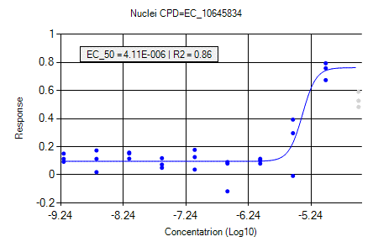 | 4.11E-06 | 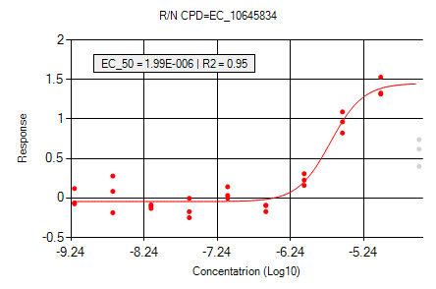 | 1.99E-06 | 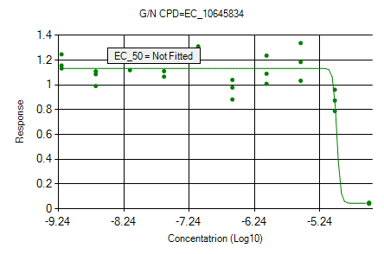 | Not Fitted | 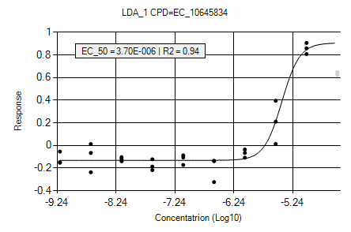 | 3.70E-06
EC_11188057 | 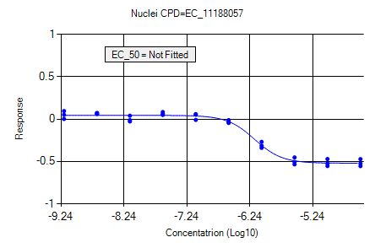 | Not Fitted | 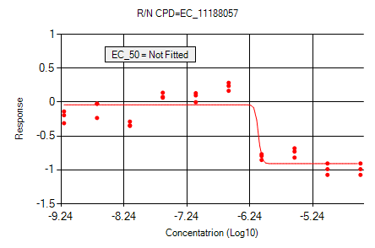 | Not Fitted | 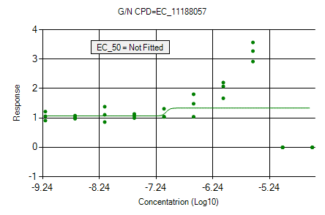 | Not Fitted | 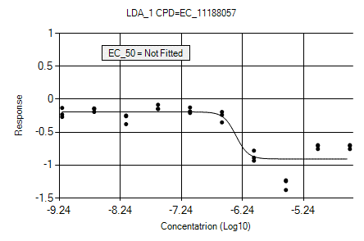 | Not Fitted
EC_11188498 | 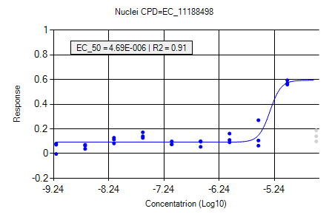 | 4.69E-06 | 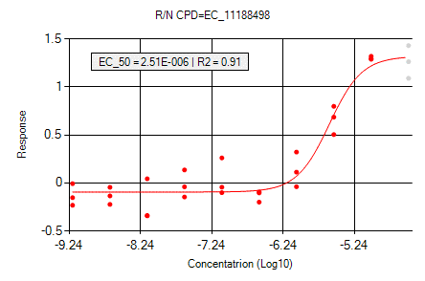 | 2.51E-06 | 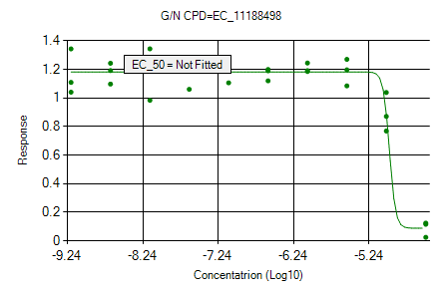 | Not Fitted | 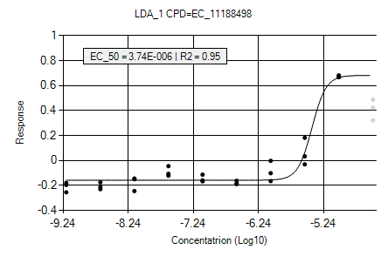 | 3.74E-06
EC_11189194 | 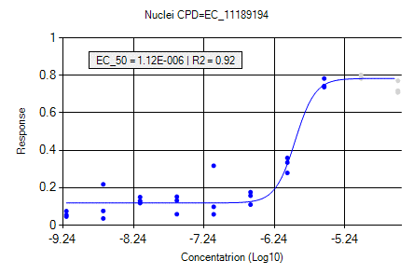 | 1.12E-06 | 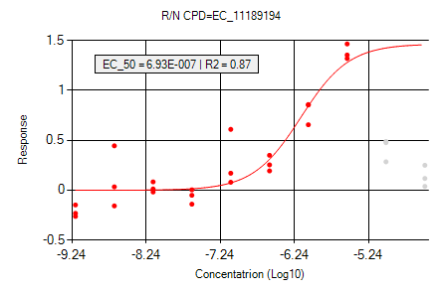 | 6.93E-07 | 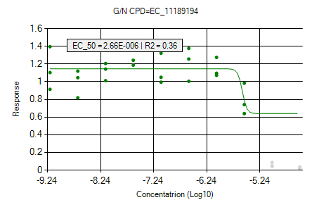 | 2.66E-06 | 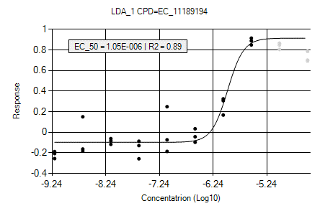 | 1.05E-06
EC_11190448 | 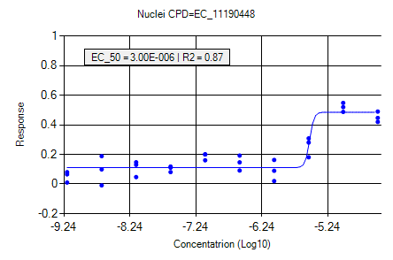 | 3.00E-06 | 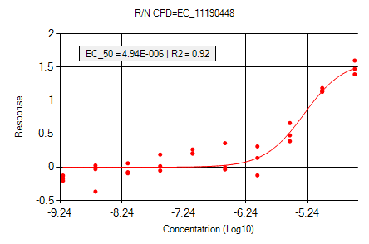 | 4.94E-06 | 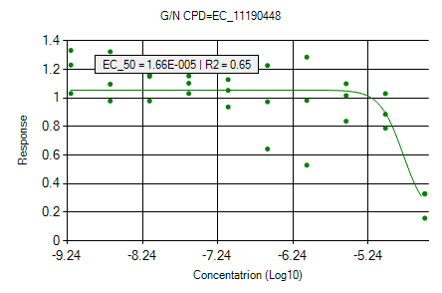 | 1.66E-05 | 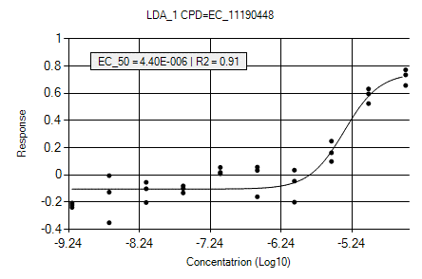 | 4.40E-06
EC_11190511 | 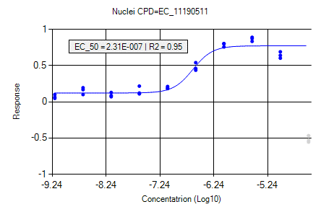 | 2.31E-07 | 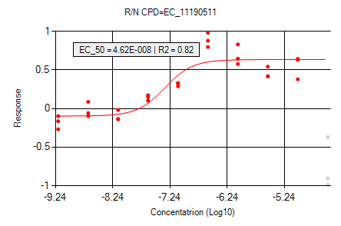 | 4.62E-08 | 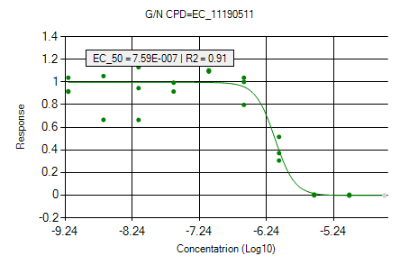 | 7.59E-07 | 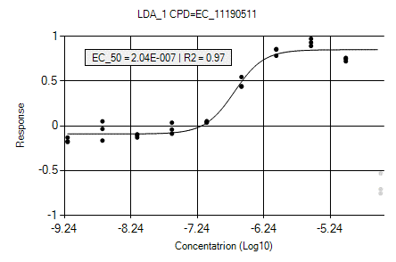 | 2.04E-07
EC_11190878 | 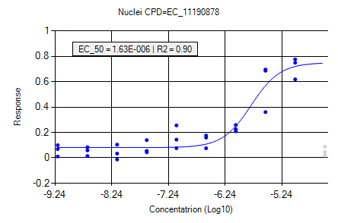 | 1.63E-06 | 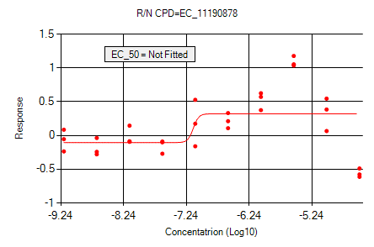 | Not Fitted | 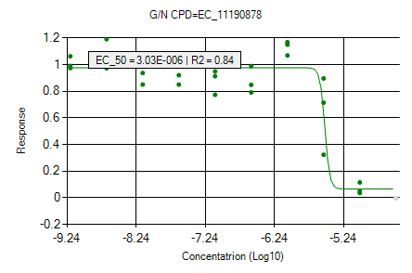 | 3.03E-06 | 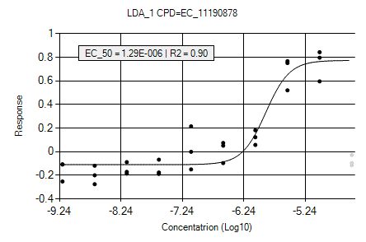 | 1.29E-06
EC_11191242 | 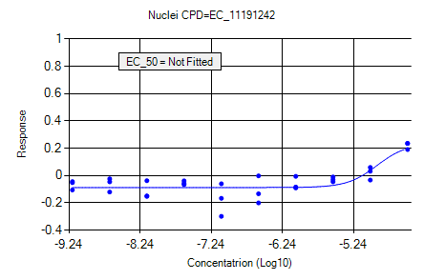 | Not Fitted | 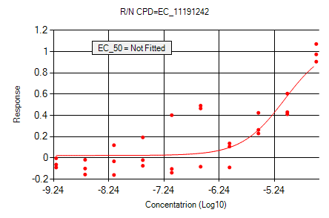 | Not Fitted | 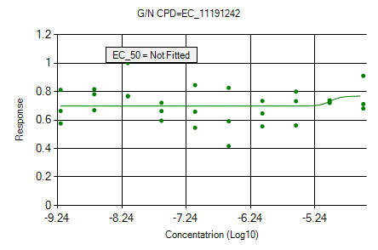 | Not Fitted | 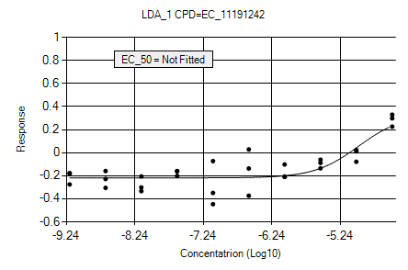 | Not Fitted
EC_11191283 | 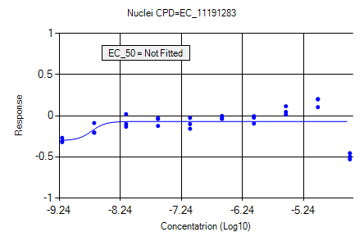 | Not Fitted | 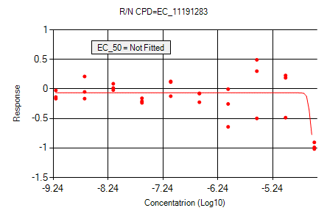 | Not Fitted | 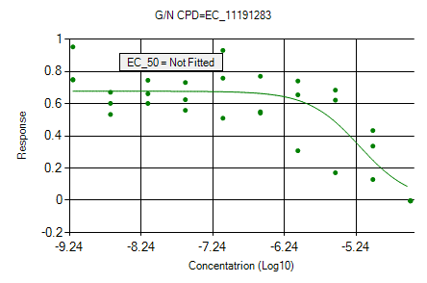 | Not Fitted | 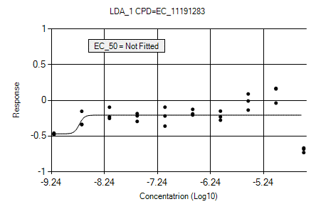 | Not Fitted
EC_11192049 | 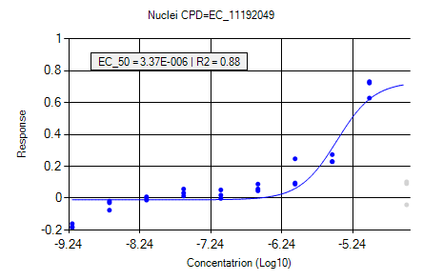 | 3.37E-06 | 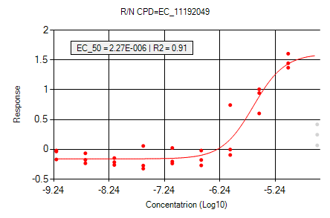 | 2.27E-06 | 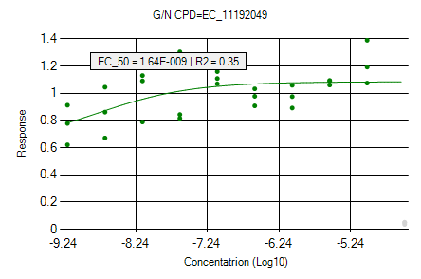 | 1.64E-09 | 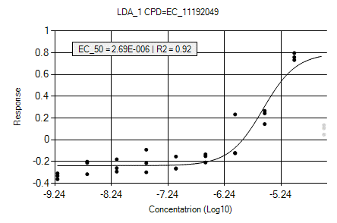 | 2.69E-06
EC_11241847 | 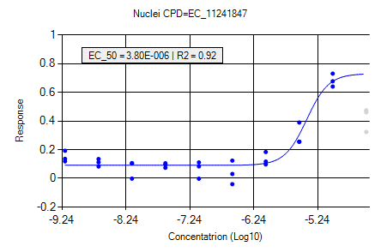 | 3.80E-06 | 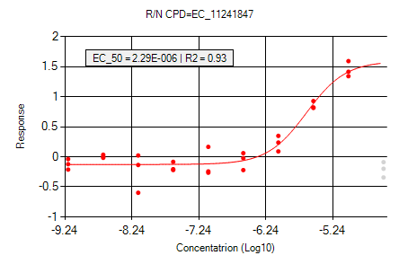 | 2.29E-06 | 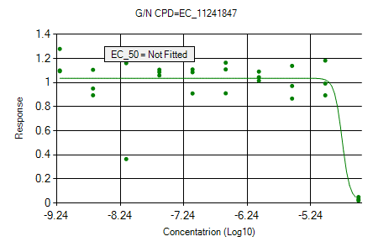 | Not Fitted | 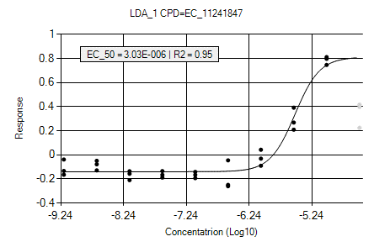 | 3.03E-06
EC_11257142 | 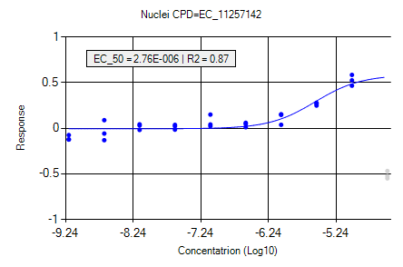 | 2.76E-06 | 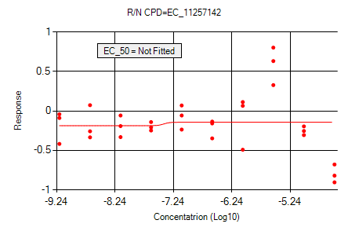 | Not Fitted | 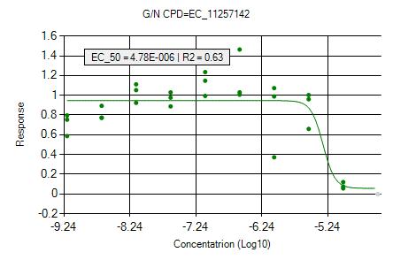 | 4.78E-06 | 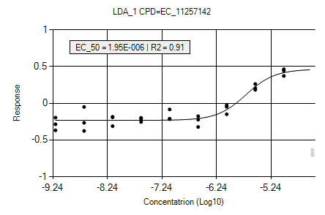 | 1.95E-06
EC_11258179 | 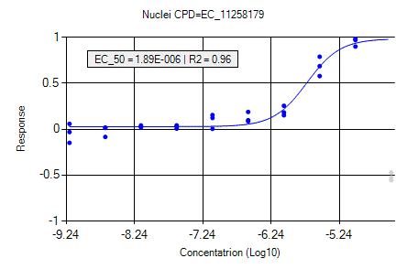 | 1.89E-06 | 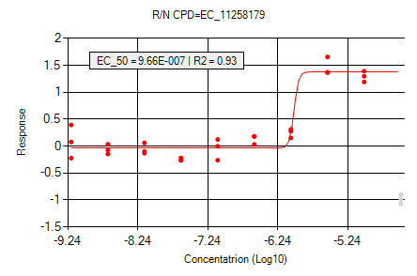 | 9.66E-07 |  | 8.16E-06 |  | 2.15E-06
EC_11259640 |  | 4.25E-06 |  | 2.86E-06 |  | 8.14E-06 |  | 3.97E-06
EC_11261479 |  | Not Fitted |  | Not Fitted |  | Not Fitted |  | Not Fitted
EC_11261582 |  | Not Fitted |  | Not Fitted |  | Not Fitted |  | Not Fitted
EC_11261632 |  | Not Fitted |  | Not Fitted |  | Not Fitted |  | Not Fitted
EC_11261900 |  | 2.24E-06 |  | 2.17E-06 |  | Not Fitted |  | 2.29E-06
EC_11262380 |  | 1.21E-06 |  | 1.47E-06 |  | Not Fitted |  | 1.33E-06
EC_11301156 |  | Not Fitted |  | Not Fitted |  | Not Fitted |  | Not Fitted
EC_11386795 |  | 4.68E-06 |  | 3.19E-06 |  | Not Fitted |  | 3.33E-06
EC_11391704 |  | 1.03E-05 |  | 6.47E-06 |  | Not Fitted |  | 8.85E-06
EC_11392057 |  | Not Fitted |  | Not Fitted |  | Not Fitted |  | Not Fitted
EC_11484996 |  | 2.53E-06 |  | 2.08E-06 |  | Not Fitted |  | 2.59E-06
EC_11494581 |  | 1.59E-07 |  | 7.50E-07 |  | Not Fitted |  | 4.75E-07
EC_11497025 |  | Not Fitted |  | Not Fitted |  | Not Fitted |  | Not Fitted
EC_11497057 |  | 2.71E-06 |  | 2.13E-06 |  | Not Fitted |  | 3.12E-06
EC_11497981 |  | 1.19E-06 |  | 8.75E-07 |  | 5.20E-06 |  | 1.51E-06
EC_11498013 |  | 1.51E-06 |  | Not Fitted |  | Not Fitted |  | 1.40E-06
EC_11501541 |  | Not Fitted |  | 5.26E-07 |  | Not Fitted |  | 1.36E-06
EC_11509470 |  | 3.06E-06 |  | 6.28E-07 |  | Not Fitted |  | 2.04E-06
EC_11509478 |  | 1.30E-06 |  | Not Fitted |  | 5.55E-06 |  | 1.59E-06
EC_11509486 |  | 3.83E-06 |  | 1.74E-06 |  | Not Fitted |  | 3.07E-06
EC_11509578 |  | Not Fitted |  | Not Fitted |  | Not Fitted |  | Not Fitted
EC_11511738 |  | 2.15E-06 |  | 2.00E-06 |  | 7.61E-06 |  | 3.23E-06
EC_11512806 |  | 1.34E-06 |  | 7.36E-07 |  | 3.08E-06 |  | 1.33E-06
EC_16097031 |  | 1.39E-05 |  | 3.08E-06 |  | Not Fitted |  | 1.01E-05
EC_1669101 |  | 3.45E-06 |  | 3.03E-06 |  | 7.04E-06 |  | 3.74E-06
EC_16997113 |  | 2.23E-06 |  | Not Fitted |  | 3.18E-06 |  | 1.40E-06
EC_2115383 |  | Not Fitted |  | Not Fitted |  | Not Fitted |  | Not Fitted
EC_2118873 |  | Not Fitted |  | 2.89E-06 |  | Not Fitted |  | 3.02E-06
EC_2153600 |  | Not Fitted |  | 2.47E-06 |  | Not Fitted |  | 2.97E-06
EC_27080206 |  | 3.58E-06 |  | 8.62E-07 |  | Not Fitted |  | 2.84E-06
EC_27082048 |  | 3.41E-06 |  | 3.04E-06 |  | Not Fitted |  | 3.88E-06
EC_27082056 |  | Not Fitted |  | 2.48E-07 |  | 3.18E-06 |  | 4.98E-07
EC_27083992 |  | 3.38E-06 |  | Not Fitted |  | Not Fitted |  | 3.27E-06
EC_27084143 |  | Not Fitted |  | Not Fitted |  | Not Fitted |  | Not Fitted
EC_3028064 |  | 8.54E-07 |  | 6.62E-07 |  | Not Fitted |  | 1.24E-06
EC_3839735 |  | 3.20E-06 |  | 1.24E-06 |  | Not Fitted |  | 2.54E-06
EC_3908975 |  | 1.98E-06 |  | Not Fitted |  | 7.96E-06 |  | 1.19E-06
EC_3941139 |  | Not Fitted |  | Not Fitted |  | Not Fitted |  | Not Fitted
EC_3960084 |  | 5.94E-07 |  | Not Fitted |  | 1.29E-06 |  | 2.81E-07
EC_3970232 |  | 1.43E-06 |  | 8.16E-07 |  | Not Fitted |  | 1.16E-06
EC_4753261 |  | 3.53E-06 |  | 1.42E-06 |  | Not Fitted |  | 3.49E-06
EC_4753381 |  | Not Fitted |  | Not Fitted |  | Not Fitted |  | Not Fitted
EC_4756168 |  | Not Fitted |  | Not Fitted |  | Not Fitted |  | Not Fitted
EC_4795178 |  | 6.24E-07 |  | 4.38E-07 |  | Not Fitted |  | 5.32E-07
EC_6772302 |  | 3.72E-06 |  | 2.62E-06 |  | Not Fitted |  | 3.61E-06
EC_9786646 |  | 1.41E-05 |  | Not Fitted |  | Not Fitted |  | 1.27E-05
X-WE52880180 |  | Not Fitted |  | 6.32E-07 |  | Not Fitted |  | 1.66E-06
X-WE53705734 |  | 2.36E-06 |  | Not Fitted |  | 5.10E-06 |  | 2.42E-06
X-WE60665001 |  | 1.61E-05 |  | Not Fitted |  | Not Fitted |  | Not Fitted
X-WE60667960 |  | Not Fitted |  | 3.12E-06 |  | Not Fitted |  | Not Fitted
X-XEW670281 |  | 3.95E-06 |  | 2.71E-06 |  | Not Fitted |  | 3.72E-06

