Sheet1
Circus Seven / Drive Ya Nuts / Spot Colour Puzzle / Thinkominos
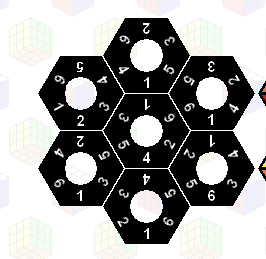

A | 123456
B | 143652
C | 146235
D | 162453
E | 164253
F | 165324
G | 165432

Y:3A5B1F5C4G2E

Cwto | 1 | 2 | 3 | 4 | 5 | 6
1 |  | A
2 |  |  | A
3 |  |  |  | A
4 |  |  |  |  | A
5 |  |  |  |  |  | A
6 | A

Cwto | 1 | 2 | 3 | 4 | 5 | 6
1 |  |  |  | B
2 | B
3 |  |  |  |  |  | B
4 |  |  | B
5 |  | B
6 |  |  |  |  | B

Cwto | 1 | 2 | 3 | 4 | 5 | 6
1 |  |  |  | C
2 |  |  | C
3 |  |  |  |  | C
4 |  |  |  |  |  | C
5 | C
6 |  | C

Cwto | 1 | 2 | 3 | 4 | 5 | 6
1 |  |  |  |  |  | D
2 |  |  |  | D
3 | D
4 |  |  |  |  | D
5 |  |  | D
6 |  | D

Cwto | 1 | 2 | 3 | 4 | 5 | 6
1 |  |  |  |  |  | E
2 |  |  |  |  | E
3 | E
4 |  | E
5 |  |  | E
6 |  |  |  | E

Cwto | 1 | 2 | 3 | 4 | 5 | 6
1 |  |  |  |  |  | F
2 |  |  |  | F
3 |  | F
4 | F
5 |  |  | F
6 |  |  |  |  | F

Cwto | 1 | 2 | 3 | 4 | 5 | 6
1 |  |  |  |  |  | G
2 | G
3 |  | G
4 |  |  | G
5 |  |  |  | G
6 |  |  |  |  | G

Sheet2
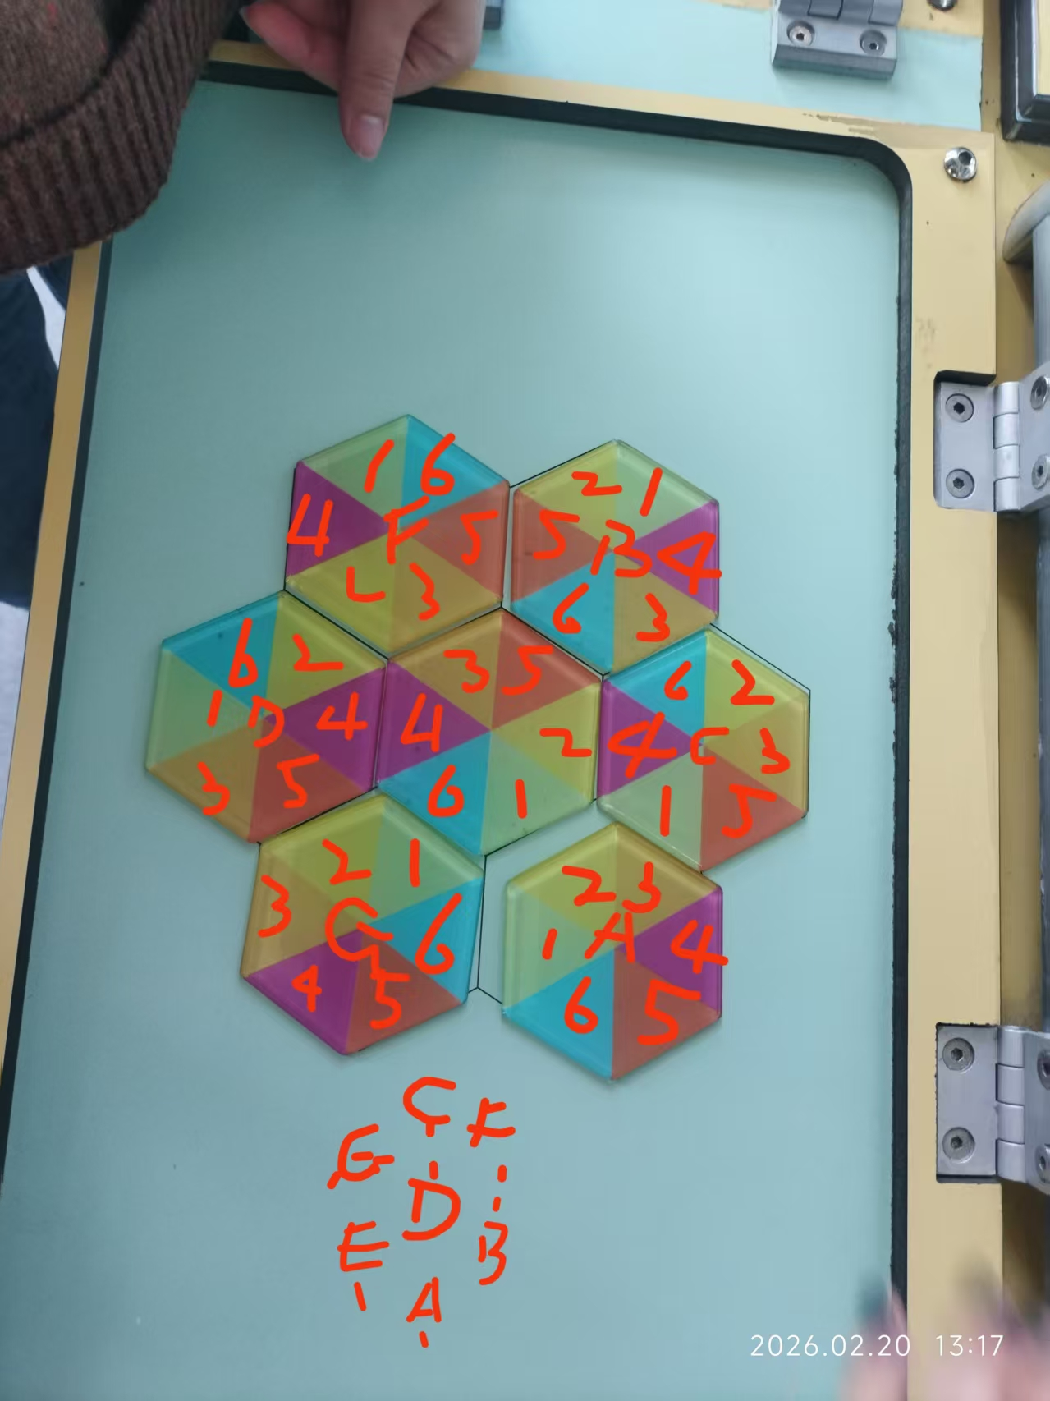

A | 123456
B | 143652
C | 146235
D | 162453
 | 164253
F | 165324
G | 165432
H | 164352

Y:3A5H1G5C4B6F

 | Cwto | 1 | 2 | 3 | 4 | 5 | 6 | Cwto2 | 1 | 2 | 3 | 4 | 5 | 6
 | 1 |  | A |  |  |  |  | 1 |  | A3
 | 2 |  |  | A |  |  |  | 2 |  |  | A4
 | 3 |  |  |  | A |  |  | 3 |  |  |  | A5
 | 4 |  |  |  |  | A |  | 4 |  |  |  |  | A6
 | 5 |  |  |  |  |  | A | 5 |  |  |  |  |  | A1
 | 6 | A |  |  |  |  |  | 6 | A2

 | Cwto | 1 | 2 | 3 | 4 | 5 | 6 | Cwto | 1 | 2 | 3 | 4 | 5 | 6
 | 1 |  |  |  | B |  |  | 1 |  |  |  | B3
 | 2 | B |  |  |  |  |  | 2 | B4
 | 3 |  |  |  |  |  | B | 3 |  |  |  |  |  | B5
 | 4 |  |  | B |  |  |  | 4 |  |  | B6
 | 5 |  | B |  |  |  |  | 5 |  | B1
 | 6 |  |  |  |  | B |  | 6 |  |  |  |  | B2

 | Cwto | 1 | 2 | 3 | 4 | 5 | 6 | Cwto | 1 | 2 | 3 | 4 | 5 | 6
 | 1 |  |  |  | C |  |  | 1 |  |  |  | C6
 | 2 |  |  | C |  |  |  | 2 |  |  | C5
 | 3 |  |  |  |  | C |  | 3 |  |  |  |  | C1
 | 4 |  |  |  |  |  | C | 4 |  |  |  |  |  | C2
 | 5 | C |  |  |  |  |  | 5 | C4
 | 6 |  | C |  |  |  |  | 6 |  | C3

 | Cwto | 1 | 2 | 3 | 4 | 5 | 6 | Cwto | 1 | 2 | 3 | 4 | 5 | 6
 | 1 |  |  |  |  |  | D | 1 |  |  |  |  |  | D2
 | 2 |  |  |  | D |  |  | 2 |  |  |  | D5
 | 3 | D |  |  |  |  |  | 3 | D6
 | 4 |  |  |  |  | D |  | 4 |  |  |  |  | D3
 | 5 |  |  | D |  |  |  | 5 |  |  | D1
 | 6 |  | D |  |  |  |  | 6 |  | D4

 | Cwto | 1 | 2 | 3 | 4 | 5 | 6 | Cwto | 1 | 2 | 3 | 4 | 5 | 6
 | 1 |  |  |  |  |  | F | 1 |  |  |  |  |  | F5
 | 2 |  |  |  | F |  |  | 2 |  |  |  | F1
 | 3 |  | F |  |  |  |  | 3 |  | F4
 | 4 | F |  |  |  |  |  | 4 | F6
 | 5 |  |  | F |  |  |  | 5 |  |  | F2
 | 6 |  |  |  |  | F |  | 6 |  |  |  |  | F3

 | Cwto | 1 | 2 | 3 | 4 | 5 | 6 | Cwto | 1 | 2 | 3 | 4 | 5 | 6
 | 1 |  |  |  |  |  | G | 1 |  |  |  |  |  | G5
 | 2 | G |  |  |  |  |  | 2 | G
 | 3 |  | G |  |  |  |  | 3 |  | G
 | 4 |  |  | G |  |  |  | 4 |  |  | G
 | 5 |  |  |  | G |  |  | 5 |  |  |  | G
 | 6 |  |  |  |  | G |  | 6 |  |  |  |  | G

 | Cwto | 1 | 2 | 3 | 4 | 5 | 6 | Cwto | 1 | 2 | 3 | 4 | 5 | 6
 | 1 |  |  |  |  |  | H | 1 |  |  |  |  |  | H
 | 2 | H |  |  |  |  |  | 2 | H
 | 3 |  |  |  |  | H |  | 3 |  |  |  |  | H
 | 4 |  |  | H |  |  |  | 4 |  |  | H
 | 5 |  | H |  |  |  |  | 5 |  | H
 | 6 |  |  |  | H |  |  | 6 |  |  |  | H

