Declaration
 | 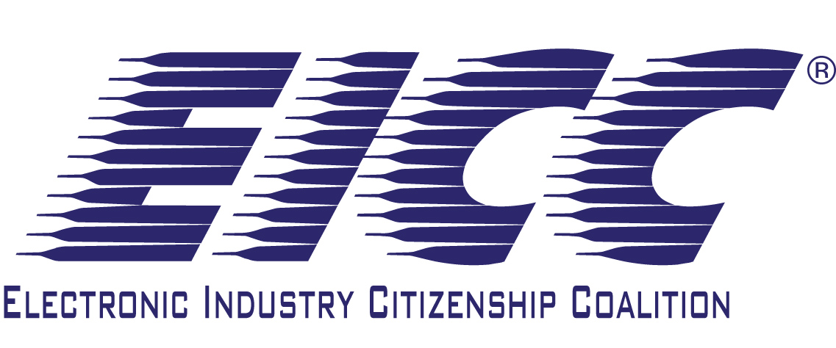 | Conflict Minerals Reporting Template
 | Select Language Preference Here: 请选择你的语言: 사용할 언어를 선택하시오: 表示言語をここから選択してください: | English |  | Revision | 1. July 18th 2011
 | The purpose of this document is to collect sourcing information on tin, tantalum, tungsten and gold used in products
 |  |  |  | tier level | 1
 | Mandatory fields are noted with an asterisk (*). The information collected in this template should be updated annually. Any changes within the annual cycle should be provided to your customers
 | Company Name (*):
 | Company Unique Identifier:
 | Address:
 | Authorized Management Representative (*):
 | Representative Title:
 | Representative Email (*):
 | Representative Phone:
 | (If different than representative named above) Contact Name (*):
 | Contact Email (*):
 | Contact Phone:
 | Date of Completion (*): | Day: (*) | Month: (*) | Year: (*)

 | 1) Are any of the following metals necessary to the functionality or production of your company's products that it manufactures or contracts to manufacture? If no for all metals, you are done with this survey. (*) | Answer | Comments
 | Tantalum (Ta) (*)
 | Tin (Sn) (*)
 | Gold (Au) (*)
 | Tungsten (W) (*)

 | 2) Do the following metals (necessary to the functionality or production of your company's products) originate from the DRC or an adjoining country? (*) | Answer | Comments
 | Tantalum (Ta) (*)
 | Tin (Sn) (*)
 | Gold (Au) (*)
 | Tungsten (W) (*)

 | 3) Do the following metals (necessary to the functionality or production of your products) come from a recycler or scrap supplier? (*) | Answer | Comments
 | Tantalum (Ta) (*)
 | Tin (Sn) (*)
 | Gold (Au) (*)
 | Tungsten (W) (*)

 | 4) Have you identified all the smelters your company and its suppliers use to supply the following metals? (*) | Answer | Comments
 | Tantalum (Ta) (*)
 | Tin (Sn) (*)
 | Gold (Au) (*)
 | Tungsten (W) (*)

 | 5) Are all of the smelters your company and its suppliers use on the EICC-GeSI Conflict-Free Smelter (CFS) list for the following metals? (*) | Answer | Comments
 | Tantalum (Ta) (*)
 | Tin (Sn) (*)
 | Gold (Au) (*)
 | Tungsten (W) (*)

 | Answer the Following Questions: | Answer | Comments and Attachments
 | A. Do you have a policy in place that includes DRC conflict-free sourcing? (*)

 | B. Is this policy publicly available on your website? (*)

 | C. Do you require your direct suppliers to be DRC conflict-free? (*)

 | D. Do you require your direct suppliers to source from smelters validated as DRC Conflict-Free using the EICC-GeSI Conflict-Free Smelter (CFS) list? (*)

 | E. Have you implemented Conflict Minerals sourcing due diligence measures? (*)

 | F. Do you have completed Conflict Minerals reporting templates from all your suppliers? (*)

 | G. Do you request your suppliers to fill out this Conflict Minerals reporting template? (*)

 | H. Do you request smelter names from your suppliers? (*)

 | I. Do you verify Conflict Mineral Responses from your suppliers? (*)

 | J. Does your verification process include corrective action management? (*)

 | K. Are you subject to the SEC disclosure requirement rule? (*)
2011 Electronic Industry Citizenship Coalition, Incorporated and Global e-Sustainability Initiative. All rights reserved.

