Instructions for use
Page selection | Select three pages on the website (including the home page) to inspect using the criteria in the grid. In the drop-down list, you will find several page options. Login -> login page Content -> article page with content Search -> page with a search function Form -> form page (other than login) Dashboard -> data table page | 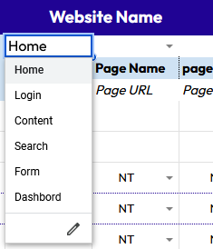
Web browsers | 2, including Firefox
Tools | Web developer / Wave / Headings Maps | 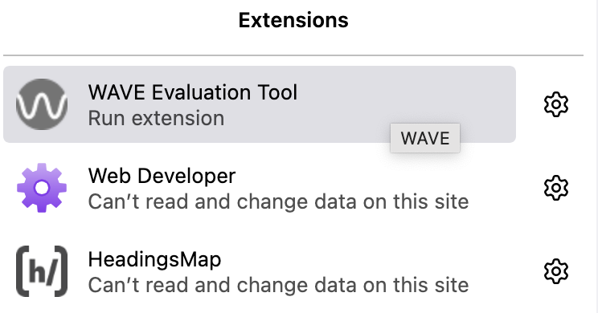
 | TO DO: Remove plugging and reload pages each time tests/actions change
Devices | Screen with the grid and another screen showing the site to be audited
Filling in the grid | For each line corresponding to a gesture, there is a drop-down list per page to show the status NT Not Tested NA Not Applicable ✅ No problem ⚠️ Non blocking issue ❌ Blocking issue | 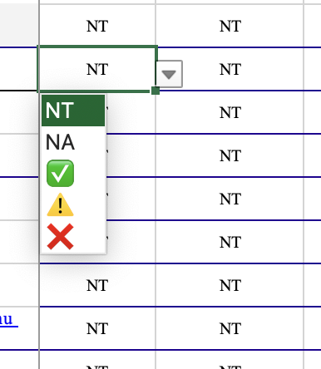

Actions | Open the 3 pages to be audited in 3 tabs
Validate HTML (Web Developer) | Go to Tool > Validate HTML -> count the number of errors tagged ‘error’ to complete the line Number of HTML errors.
 | Check for alt attribute errors if there are any (but other tools do this)
 | Check the language as well
 | Look for the page title that may be visible
Wave | Check the errors in Summary to count the number of errors and complete the Wave errors count line | 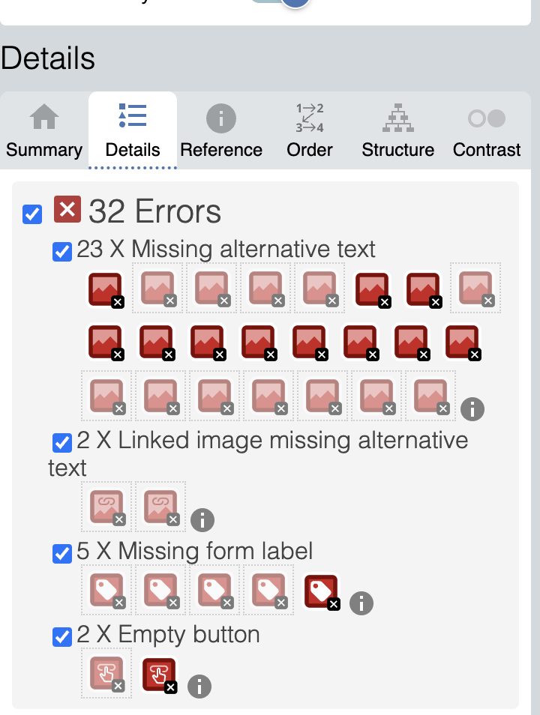 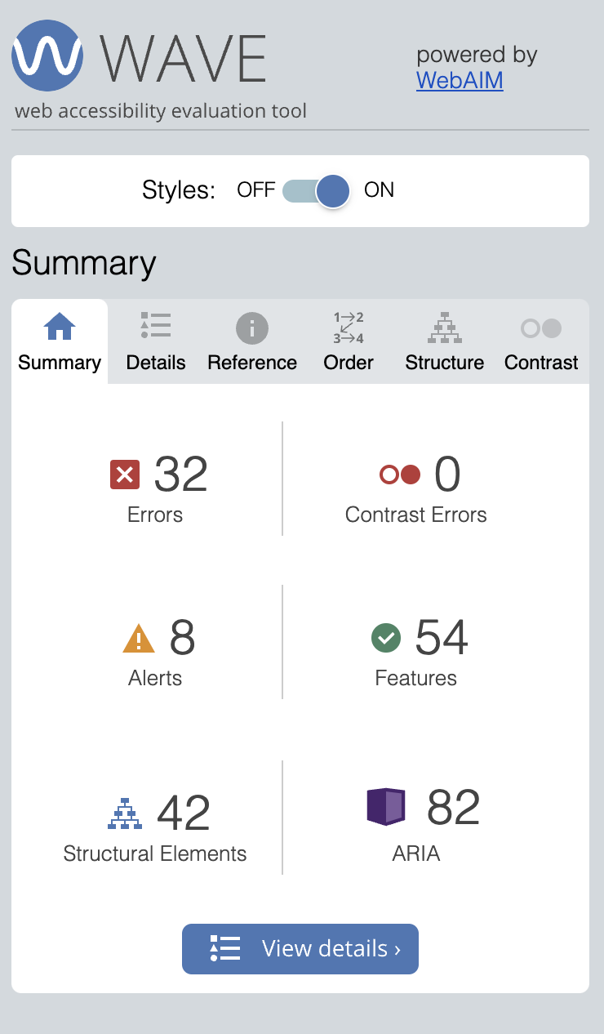
 | If there is an error missing alt in the summary -> you can fill in the line ‘provide replacement text for each image’ with a ❌

Language | View the source code with the inspector and search for the tag <html lang="xxxx"> or Wave shows it.
Page Titles | Open the three pages to be audited in three tabs and check for different and relevant titles.
Images | Open Web Developer -> Image > Outline image without alt.
 | Open Web Developer -> Image > Display alt attribute, to read the alt text.
 | Select all to see if there are any text images.
Title Hierarchy | Use the Headings Maps extension and check for consistency, with no level jumps. | 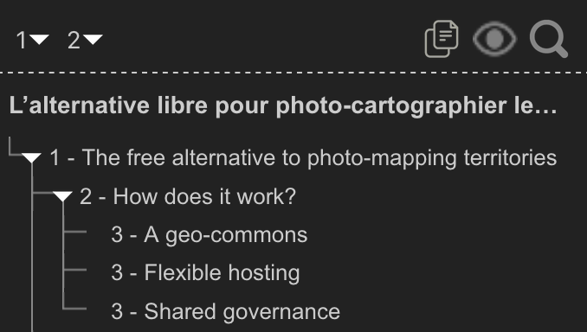
Contrast | Wave > Contrast
Texte Zoom | Firefox: View > Zoom > Zoom text only (check box) and set to 200%
 | Open the site at 100% on another screen in another browser to check
Keyboard Navigation | Consistency of tab order (reflects reading order) and check if we have the skip link, the ‘Go to content’ link | Skiplink
 | Colour focus (visibility)
Headings | With keyboard navigation, check link titles if relevant
Forms | Do a visual check to locate forms (newsletter registration, for example) then launch Web Developer > Form > View form information
 | Using the inspector, search for the <form>, <input>, <label> tags. The IDs and for attributes must be identical (see label for=""test’‘ == input id=""test’"). Input must not contain accents or spaces.
 | Button -> using the inspector

Blocking issues | The sum of ❌ (blocking issues)

