요약
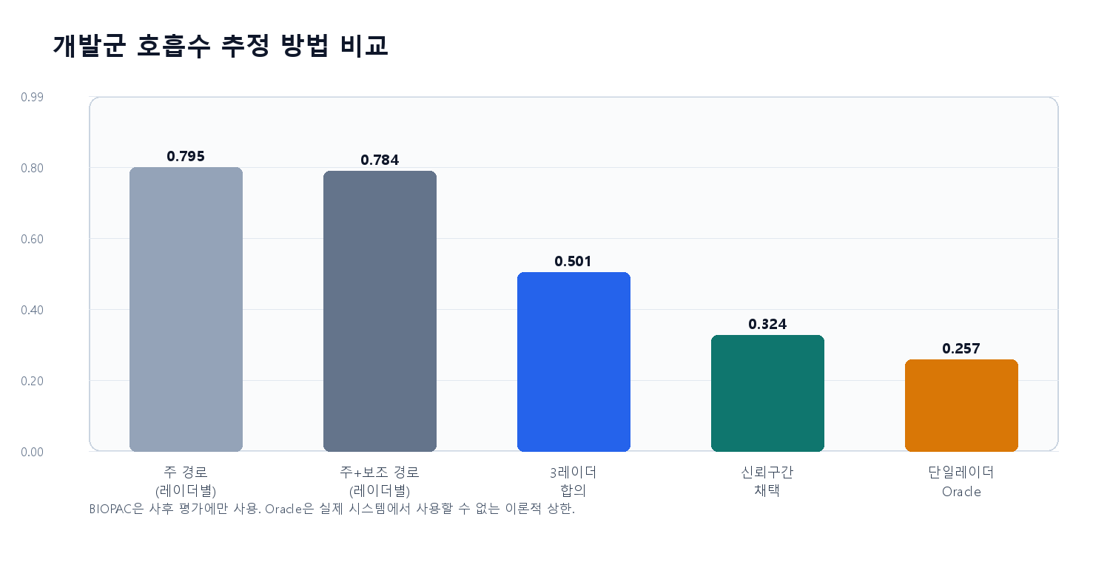
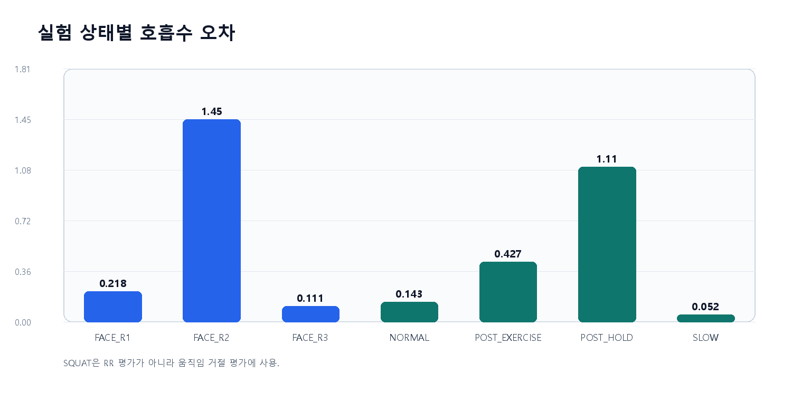
방향 적응형 3-UWB 호흡 분석 | 개발군 검증 장부
독립검증군 17명은 잠금 상태이며 이 장부의 성능 수치는 이미 분석한 개발군 10명에만 해당합니다.

연구 설계 | 값 | 개발군 결과 | 값
개발군 | 10 | 전체 RR MAE | 0.501
잠금 독립검증군 | 17 | 채택 RR MAE | 0.324
부분검토 | 2 | 채택 coverage | 98.6%
제외 | 1 | ±2회/분 이내 | 92.9%
1·2번 공통 사용 | 27 | 파형 |상관| 중앙값 | 82.8%
 |  | 스쿼트 움직임 검출 | 9/10

판정: 개발군 기준선은 개선됐지만 독립 성능은 아직 모릅니다. post-hold 실패와 S18 스쿼트 미관측을 해결하기 전 최종 ANN/SNN을 학습하지 않습니다.

실패사례
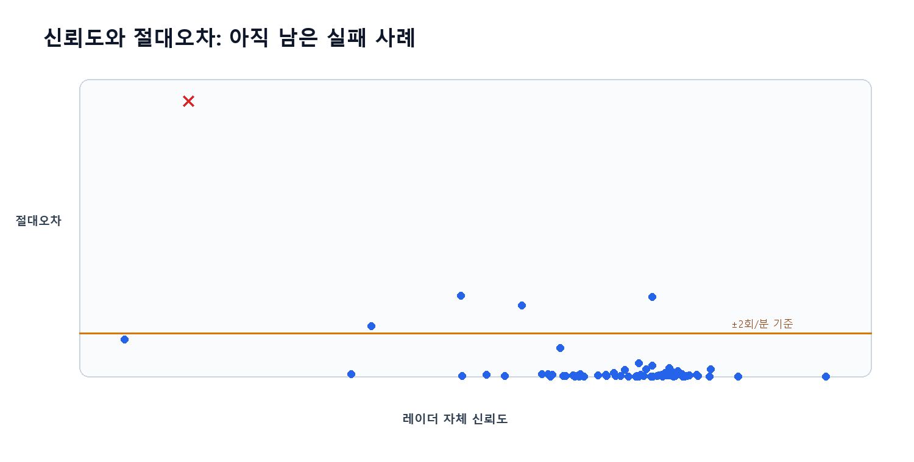
개발군 실패 사례
오차가 큰 순서로 고정했습니다. 이 목록은 독립검증 전에 알고리즘 한계를 설명하기 위한 개발 기록입니다.

subject | experiment | state | nominal_facing_radar | start_s | end_s | duration_s | rsp_rr_bpm | radar1_rr_bpm | radar2_rr_bpm | radar3_rr_bpm | radar1_primary_rr_bpm | radar2_primary_rr_bpm | radar3_primary_rr_bpm | quality_best_radar | quality_best_rr_bpm | consensus_rr_bpm | radar_rr_mad_bpm | edge_quality | motion_quality | max_motion_index | confidence | reject | rr_abs_error | oracle_abs_error | waveform_abs_corr | median_motion_index
S26_LDW | S01 | FACE_R2 | 2 | 85.4 | 136.3 | 50.9 | 21.752906402 | 21.605194167 | 9.08203125 | 9.08203125 | 21.467305573 | 9.08203125 | 9.08203125 | 2 | 9.08203125 | 9.08203125 | 0 | 0.0390625 | 1 | 0.031167552593 | 0.6557570199618958 | 1 | 12.670875152 | 0.14771223486 | 0.33318578819 | 0.02823673164
S23_KDM | S02 | POST_HOLD |  | 391.608 | 441.608 | 50 | 14.954700994 | 10.728545409 | 11.227225543 | 11.671301389 | 10.727306874 | 11.001104538 | 11.678135709 | 3 | 11.671301389 | 11.227225543 | 0.44407584689 | 0.95290692279 | 1 | 0.028216892413 | 0.7761328421837292 | 0 | 3.7274754519 | 3.283399605 | 0.38125300928 | 0.026102771018
S17_RJS | S02 | POST_HOLD |  | 393.25 | 443.63 | 50.38 | 15.953071942 | 12.322079154 | 12.271599919 | 12.146666119 | 12.390901096 | 12.278132416 | 11.995747104 | 3 | 12.146666119 | 12.271599919 | 0.050479235597 | 1 | 1 | 0.029162789776 | 0.8606799817446732 | 0 | 3.6814720233 | 3.6309927877 | 0.58739128403 | 0.026706274911
S26_LDW | S02 | POST_HOLD |  | 420.096 | 470.096 | 50 | 18.600867696 | 22.457609477 | 21.506686869 | 21.884486904 | 22.409848471 | 21.505868854 | 21.810935547 | 3 | 21.884486904 | 21.884486904 | 0.37780003514 | 1 | 1 | 0.031941188497 | 0.8031687185572721 | 0 | 3.2836192078 | 2.9058191727 | 0.61270047274 | 0.029614323335
S09_HDH | S02 | POST_EXERCISE |  | 584.862 | 634.862 | 50 | 13.804994149 | 15.999591013 | 11.483685258 | 10.71702826 | 16.000947897 | 11.598241692 | 10.502264443 | 2 | 11.483685258 | 11.483685258 | 0.76665699815 | 1 | 1 | 0.034340075779 | 0.7365092092312489 | 0 | 2.3213088909 | 2.1945968644 | 0.22611498147 | 0.03243369557
S26_LDW | S01 | FACE_R1 | 1 | 24.716 | 75.4 | 50.684 | 25.774623936 | 24.062546781 | 26.624965563 | 11.159691874 | 24.059089 | 26.573397893 | 11.660496861 | 1 | 24.062546781 | 24.062546781 | 2.5624187819 | 1 | 1 | 0.030048665067 | 0.6273739154457766 | 0 | 1.7120771547 | 0.85034162712 | 0.54577369114 | 0.025856246632
S23_KDM | S02 | POST_EXERCISE |  | 541.608 | 591.608 | 50 | 38.452148438 | 37.412439196 | 37.12949834 | 10.84006277 | 37.458325705 | 37.213070753 | 10.838904756 | 2 | 37.12949834 | 37.12949834 | 0.2829408552 | 1 | 1 | 0.032253724198 | 0.8200233397538171 | 0 | 1.322650097 | 1.0397092418 | 0.26040509039 | 0.032156650841
S07_KDM | S02 | NORMAL |  | 286.189 | 336.189 | 50 | 15.587172268 | 16.201647242 | 14.084959787 | 16.272126758 | 16.272526511 | 14.146642826 | 16.280309358 | 3 | 16.272126758 | 16.201647242 | 0.070479516736 | 1 | 1 | 0.031215165356 | 0.8547197311618137 | 0 | 0.61447497314 | 0.61447497314 | 0.67641054098 | 0.030431162668
S23_KDM | S01 | FACE_R2 | 2 | 82.5 | 134.7 | 52.2 | 12.367003513 | 11.856507536 | 11.873550961 | 11.831706663 | 11.920245013 | 11.895547257 | 11.819984674 | 3 | 11.831706663 | 11.856507536 | 0.017043424771 | 1 | 1 | 0.028441037546 | 0.860650830913897 | 0 | 0.51049597663 | 0.49345255186 | 0.71873067107 | 0.027401737647
S21_PSJ | S01 | FACE_R2 | 2 | 86.4 | 138.4 | 52 | 11.07992742 | 11.486133531 | 11.475879685 | 10.97733787 | 11.30014756 | 11.335646184 | 11.043783506 | 2 | 11.475879685 | 11.475879685 | 0.010253845882 | 1 | 1 | 0.033169637596 | 0.8681669703629916 | 0 | 0.39595226466 | 0.10258954985 | 0.7332382898 | 0.0276014287
S23_KDM | S01 | FACE_R3 | 3 | 144.7 | 207.8 | 63.1 | 10.797339775 | 10.899355599 | 11.005978882 | 11.152717841 | 10.91050239 | 10.935518558 | 11.227133561 | 3 | 11.152717841 | 11.152717841 | 0.10662328223 | 0.92167550395 | 1 | 0.033065804113 | 0.8579866493187642 | 0 | 0.35537806592 | 0.10201582415 | 0.52985321169 | 0.029165901137
S21_PSJ | S02 | POST_EXERCISE |  | 548.808 | 598.808 | 50 | 27.324089714 | 27.757629749 | 27.515833205 | 27.67173058 | 27.722172874 | 27.556164349 | 27.683629382 | 3 | 27.67173058 | 27.67173058 | 0.085899169091 | 1 | 1 | 0.031971651617 | 0.8866767068315965 | 0 | 0.34764086652 | 0.19174349114 | 0.94392895155 | 0.031876603527
S07_KDM | S01 | FACE_R2 | 2 | 89.4 | 141.3 | 51.9 | 17.278965746 | 16.952713572 | 17.043483559 | 16.871437266 | 16.982492146 | 17.216889478 | 16.790587485 | 1 | 16.952713572 | 16.952713572 | 0.081276306157 | 1 | 1 | 0.029611613501 | 0.8486230480034661 | 0 | 0.32625217355 | 0.23548218696 | 0.85616043061 | 0.028282656098
S26_LDW | S01 | FACE_R3 | 3 | 146.3 | 201.844 | 55.544 | 23.739341561 | 23.822065366 | 23.996099223 | 23.927809693 | 23.896817043 | 23.991595469 | 24.015523633 | 2 | 23.996099223 | 23.996099223 | 0.068289529905 | 1 | 1 | 0.02858374973 | 0.8721101775812391 | 0 | 0.25675766271 | 0.08272380535 | 0.64788004308 | 0.027421955368
S09_HDH | S01 | FACE_R2 | 2 | 90.9 | 141.9 | 51 | 16.802957081 | 16.761511801 | 16.592185304 | 16.532136029 | 16.929712395 | 17.165255859 | 16.601414405 | 3 | 16.532136029 | 16.592185304 | 0.060049274593 | 1 | 1 | 0.028333323845 | 0.8699417531824182 | 0 | 0.21077177719 | 0.041445279868 | 0.74034318274 | 0.027165917404

