Disclaimer

Alberta Energy Outlook ST98: 2020
Release Date: June 2020
Prices and Capital Expenditure – Statistics and Data

Copyright and Permission to Reproduce
Information on this file was produced and/or compiled by the Alberta Energy Regulator (AER) for the purpose of providing access to information regarding the energy resources of the province of Alberta.
Noncommercial or Educational Reproduction
Information on this file has been posted with the intent that it be readily available for personal and public noncommercial (educational) use. The information may be reproduced, in whole or in part and by any means, without charge or further permission from the AER. We ask only that users exercise due diligence to ensure the accuracy of the materials reproduced; the AER be identified as the source of the materials; and the reproduction not be presented as an official version of the AER material, or as having been made in affiliation with or with the endorsement of the AER.
Commercial Reproduction
Reproduction of multiple copies of materials on this file, in whole or in part, for the purposes of commercial redistribution is prohibited except with prior written permission from the AER. To obtain permission to reproduce materials on this file for commercial purposes please contact
AER Communications, Web Services:
Suite 1000, 250 – 5 Street SW
Calgary, Alberta T2P 0R4
Canada
Inquiries: 1-855-297-8311
Disclaimer
The information presented in this document is for general information purposes. It is believed to represent the best data available to the AER at this time but its accuracy is not guaranteed. The AER makes no representations, warranties, or guarantees, expressed or implied as to the accuracy, reliability, or currency of the information contained herein or that it will be suitable for any use. The AER accepts no responsibility whatsoever for any inaccuracy, error, or omissions in the information. The AER shall not be responsible for any losses or costs incurred by you or anyone else as a result of the use, conversion, publication, transmission, installation, or improvement of the information, even if such losses or costs are foreseeable. Any user intending to rely upon this information is advised to confirm both the accuracy of the information and whether a more recent version of the information is available.

Figures
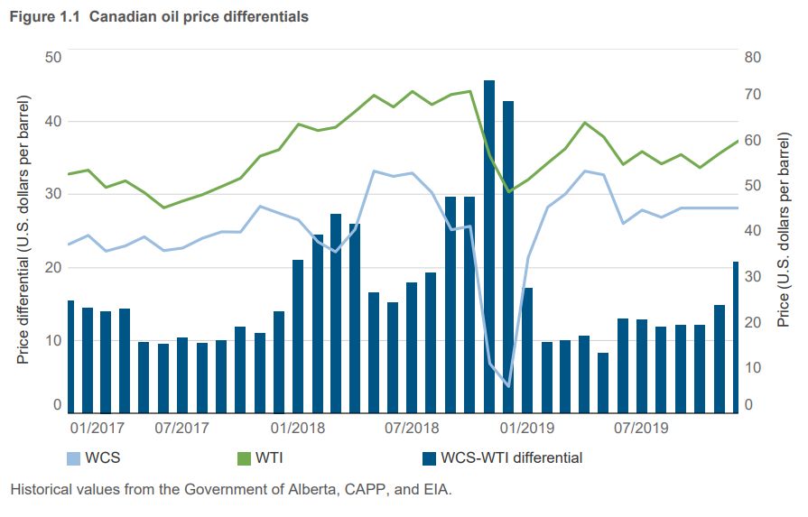
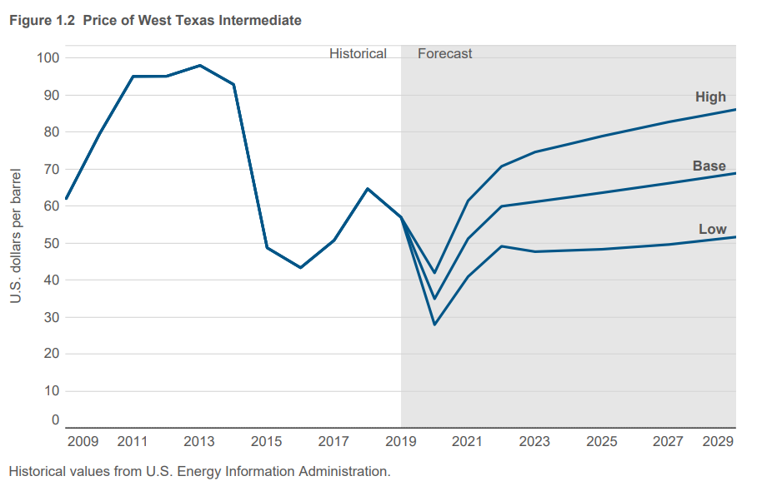
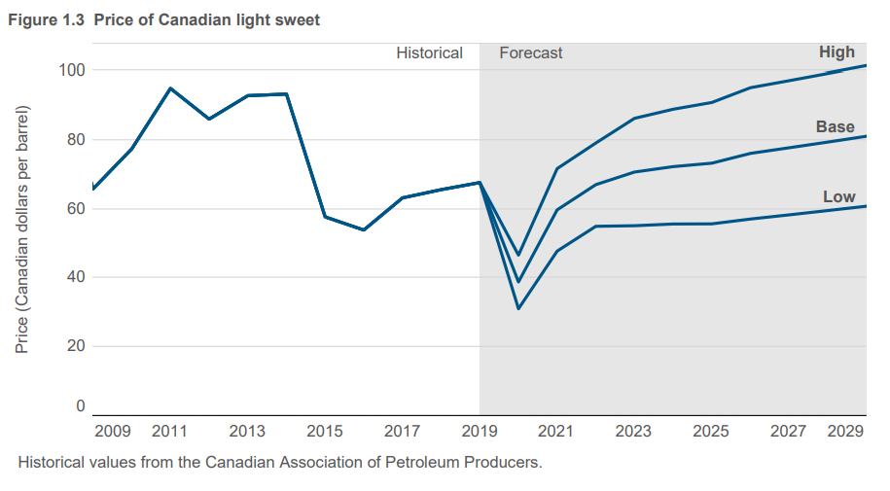
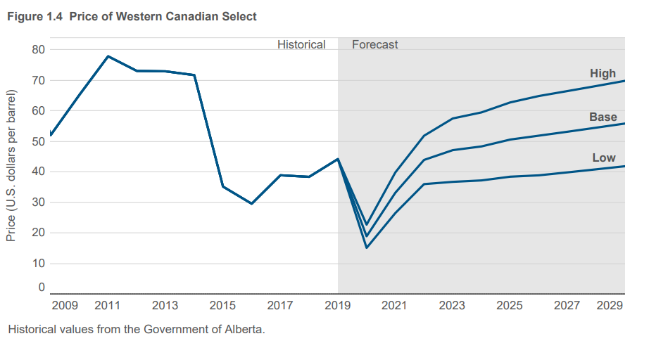
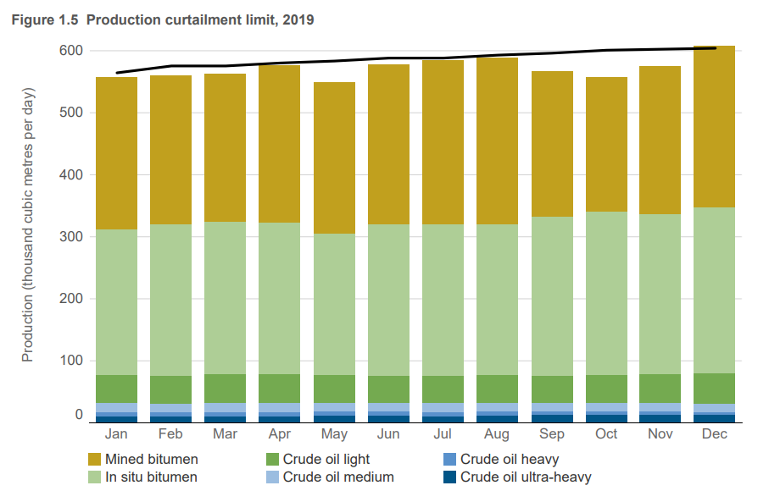
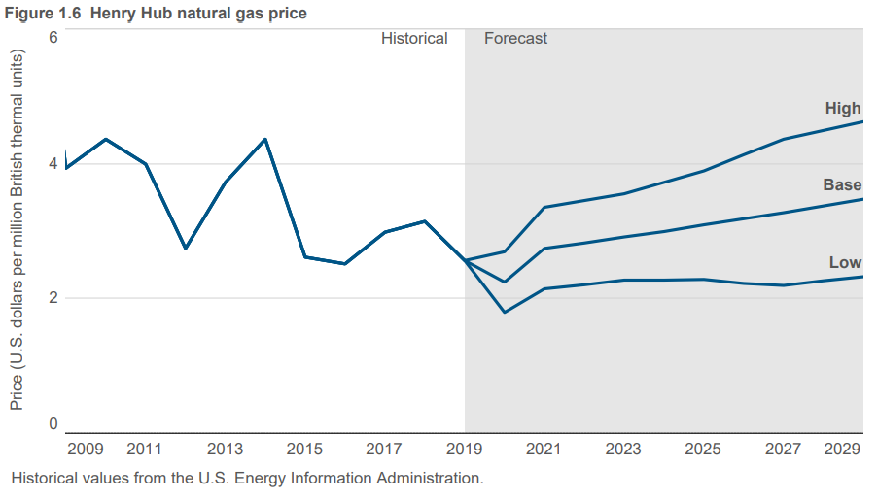
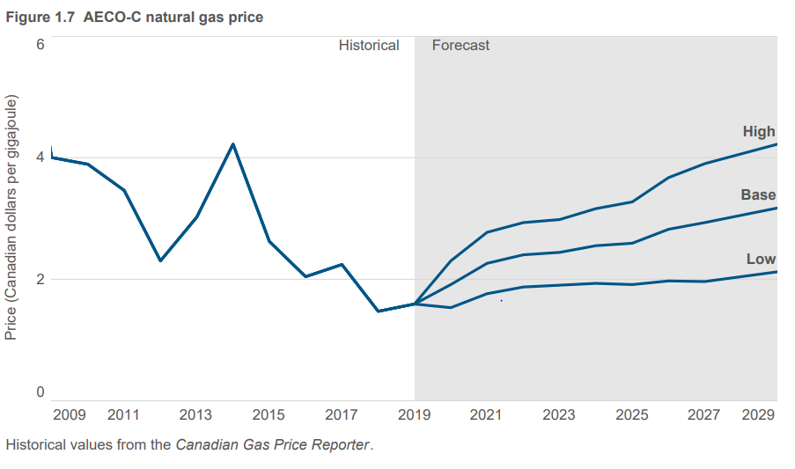
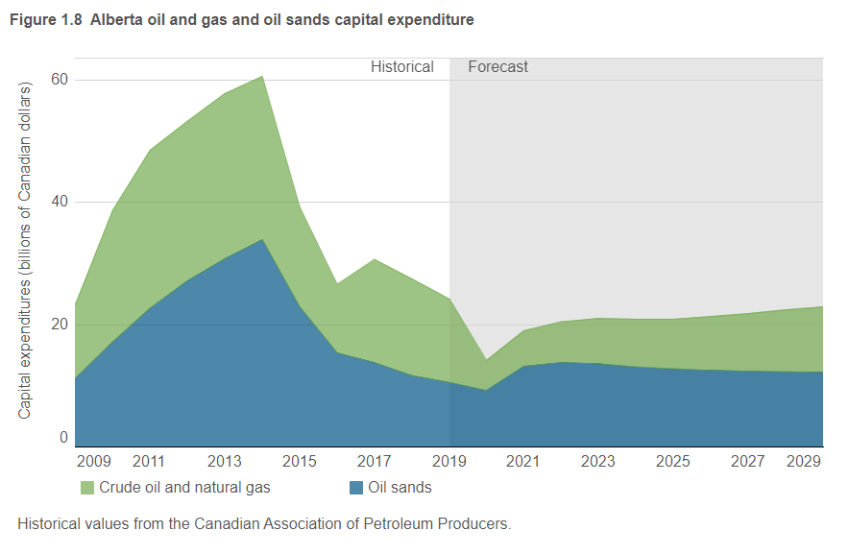
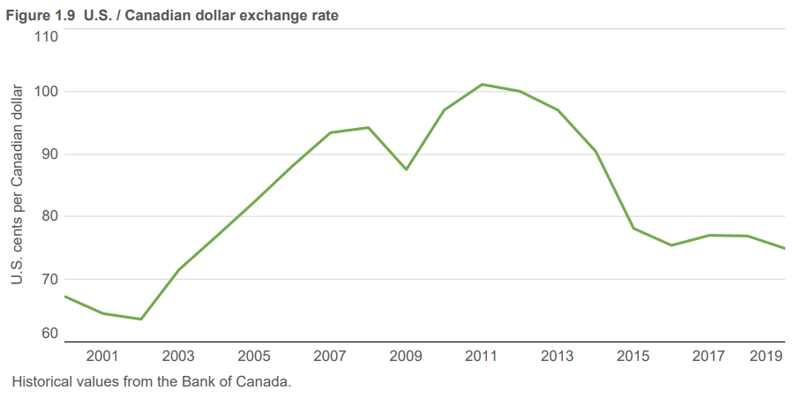
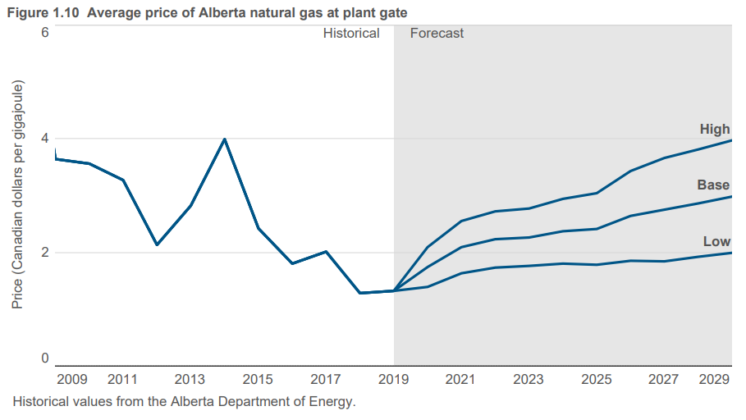
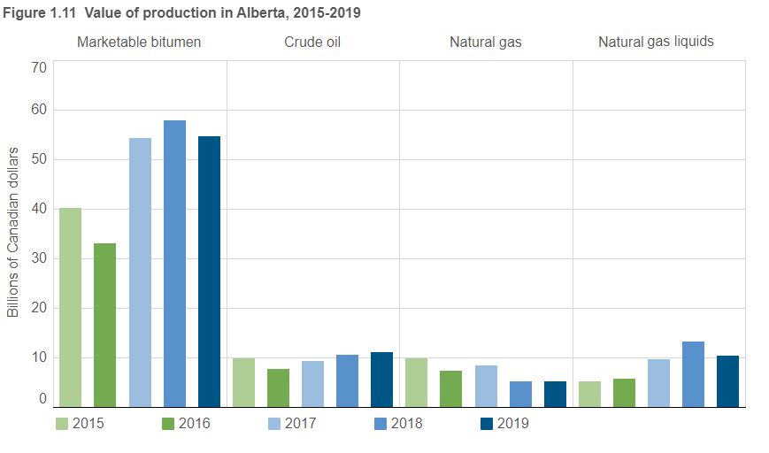

Figure 1.1 |  |  |  |  |  | Figure 1.2 |  |  |  |  |  |  | Figure 1.3 |  |  |  |  |  |  | Figure 1.4 |  |  |  |  |  |  | Figure 1.5 |  |  |  |  |  |  |  |  |  |  |  |  |  |  |  |  | Figure 1.6 |  |  |  | Figure 1.7 |  |  |  | Figure 1.8 |  |  |  |  | Figure 1.9 |  | Figure 1.10 |  |  |  | Figure 1.11
Year | WTI | WCS | CLS | WCS-WTI Differential | CLS-WTI Differential | Year | U.S. low | U.S. base | U.S. high | U.S. low | U.S. base | U.S. high | Year | Cdn low | Cdn base | Cdn high | Cdn low | Cdn base | Cdn high | Year | U.S. low | U.S. base | U.S. high | U.S. low | U.S. base | U.S. high | Month | Crude oil light | Crude oil medium | Crude oil heavy | Crude oil ultra-heavy | In situ bitumen | Mined bitumen | Total | Production limit | Crude oil light | Crude oil medium | Crude oil heavy | Crude oil ultra-heavy | In situ bitumen | Mined bitumen | Total | Production limit | Year | U.S. low | U.S. Base | U.S. high | Year | Cdn low | Cdn base | Cdn high |  | Base price |  | Low price |  | Year | Exchange rate | Year | Cdn low | Cdn base | Cdn high | Year | Marketable bitumen | Crude oil | Natural gas | Natural gas liquids
 | (US$/bbl) | (US$/bbl) | (US$/bbl) | (US$/bbl) | (US$/bbl) |  | ($/bbl) | ($/bbl) | ($/bbl) | ($/m3) | ($/m3) | ($/m3) |  | ($/bbl) | ($/bbl) | ($/bbl) | ($/m3) | ($/m3) | ($/m3) |  | ($/bbl) | ($/bbl) | ($/bbl) | ($/m3) | ($/m3) | ($/m3) |  | (103 m3/d) |  |  |  |  |  |  |  | (103 bbl/d) |  |  |  |  |  |  |  |  | ($/MMBtu) | ($/MMBtu) | ($/MMBtu) |  | ($/GJ) | ($/GJ) | ($/GJ) | Year | Oil sands | Oil and gas | Oil sands | Oil and gas |  | U.S.¢/Cdn$ |  | $/GJ | $/GJ | $/GJ |  | (billion Cdn$) | (billion Cdn$) | (billion Cdn$) | (billion Cdn$)
Jan-17 | 52.61 | 37.19 | 48.60 | 15.42 | 4.01 | 2000 | 30.26 | 30.26 | 30.26 | 190.42 | 190.42 | 190.42 | 2000 | 44.33 | 44.33 | 44.33 | 278.96 | 278.96 | 278.96 | 2005 | 36.24 | 36.24 | 36.24 | 228.05 | 228.05 | 228.05 | January | 44.6 | 15.2 | 6.0 | 11.6 | 233.9 | 245.1 | 556.4 | 565.7 | 280.7 | 95.7 | 37.8 | 73.0 | 1,471.9 | 1,542.4 | 3,501.4 | 3,560 | 2007 | 6.97 | 6.97 | 6.97 | 2002 | 3.95 | 3.95 | 3.95 |  | (billion Cdn$) | (billion Cdn$) | (billion Cdn$) | (billion Cdn$) | 2000 | 67.3 | 2000 | 4.27 | 4.27 | 4.27 | 2010 | 38.1 | 12.1 | 15.6 | 8.3
Feb-17 | 53.46 | 39.14 | 50.18 | 14.32 | 3.28 | 2001 | 25.95 | 25.95 | 25.95 | 163.30 | 163.30 | 163.30 | 2001 | 39.13 | 39.13 | 39.13 | 246.24 | 246.24 | 246.24 | 2006 | 45.06 | 45.06 | 45.06 | 283.56 | 283.56 | 283.56 | February | 44.1 | 14.6 | 5.9 | 11.4 | 244.0 | 239.8 | 559.7 | 576.8 | 277.5 | 91.9 | 37.1 | 71.7 | 1,535.5 | 1,509.0 | 3,522.1 | 3,630 | 2008 | 8.86 | 8.86 | 8.86 | 2003 | 6.16 | 6.16 | 6.16 | 2000 | 4.2 | 12.9 | 4.2 | 12.9 | 2001 | 64.6 | 2001 | 5.12 | 5.12 | 5.12 | 2011 | 50.4 | 15.8 | 13.7 | 10.0
Mar-17 | 49.67 | 35.68 | 46.69 | 13.99 | 2.98 | 2002 | 26.15 | 26.15 | 26.15 | 164.56 | 164.56 | 164.56 | 2002 | 41.06 | 41.06 | 41.06 | 258.39 | 258.39 | 258.39 | 2007 | 49.59 | 49.59 | 49.59 | 312.06 | 312.06 | 312.06 | March | 45.5 | 15.2 | 6.1 | 11.6 | 245.9 | 238.3 | 562.7 | 576.8 | 286.3 | 95.7 | 38.4 | 73.0 | 1,547.4 | 1,499.6 | 3,541.0 | 3,630 | 2009 | 3.94 | 3.94 | 3.94 | 2004 | 6.31 | 6.31 | 6.31 | 2001 | 5.9 | 14.7 | 5.9 | 14.7 | 2002 | 63.7 | 2002 | 3.65 | 3.65 | 3.65 | 2012 | 51.2 | 16.5 | 8.5 | 8.1
Apr-17 | 51.12 | 36.84 | 47.88 | 14.28 | 3.24 | 2003 | 30.99 | 30.99 | 30.99 | 195.02 | 195.02 | 195.02 | 2003 | 43.14 | 43.14 | 43.14 | 271.48 | 271.48 | 271.48 | 2008 | 79.56 | 79.56 | 79.56 | 500.66 | 500.66 | 500.66 | April | 46.4 | 15.3 | 6.1 | 11.5 | 243.0 | 253.2 | 575.4 | 581.6 | 292.0 | 96.3 | 38.4 | 72.4 | 1,529.2 | 1,593.4 | 3,620.9 | 3,660 | 2010 | 4.37 | 4.37 | 4.37 | 2005 | 8.23 | 8.23 | 8.23 | 2002 | 6.8 | 11.7 | 6.8 | 11.7 | 2003 | 71.6 | 2003 | 5.80 | 5.80 | 5.80 | 2013 | 57.6 | 18.3 | 10.9 | 9.3
May-17 | 48.54 | 38.84 | 47.00 | 9.70 | 1.54 | 2004 | 41.47 | 41.47 | 41.47 | 260.97 | 260.97 | 260.97 | 2004 | 52.54 | 52.54 | 52.54 | 330.63 | 330.63 | 330.63 | 2009 | 52.13 | 52.13 | 52.13 | 328.05 | 328.05 | 328.05 | May | 43.8 | 15.2 | 6.0 | 11.9 | 228.2 | 244.7 | 549.9 | 584.8 | 275.6 | 95.7 | 37.8 | 74.9 | 1,436.0 | 1,539.9 | 3,460.5 | 3,680 | 2011 | 4.00 | 4.00 | 4.00 | 2006 | 6.43 | 6.43 | 6.43 | 2003 | 5.0 | 15.5 | 5.0 | 15.5 | 2004 | 77.0 | 2004 | 5.98 | 5.98 | 5.98 | 2014 | 66.5 | 18.6 | 15.9 | 9.9
Jun-17 | 45.20 | 35.80 | 43.01 | 9.40 | 2.19 | 2005 | 56.70 | 56.70 | 56.70 | 356.81 | 356.81 | 356.81 | 2005 | 68.72 | 68.72 | 68.72 | 432.45 | 432.45 | 432.45 | 2010 | 65.30 | 65.30 | 65.30 | 410.93 | 410.93 | 410.93 | June | 43.2 | 14.9 | 5.9 | 12.0 | 243.1 | 257.1 | 576.2 | 589.6 | 271.9 | 93.8 | 37.1 | 75.5 | 1,529.8 | 1,617.9 | 3,626.0 | 3,710 | 2012 | 2.75 | 2.75 | 2.75 | 2007 | 6.19 | 6.19 | 6.19 | 2004 | 6.2 | 18.5 | 6.2 | 18.5 | 2005 | 82.5 | 2005 | 7.87 | 7.87 | 7.87 | 2015 | 40.2 | 9.9 | 9.9 | 5.1
Jul-17 | 46.68 | 36.37 | 43.48 | 10.31 | 3.20 | 2006 | 66.25 | 66.25 | 66.25 | 416.90 | 416.90 | 416.90 | 2006 | 72.77 | 72.77 | 72.77 | 457.93 | 457.93 | 457.93 | 2011 | 77.93 | 77.93 | 77.93 | 490.41 | 490.41 | 490.41 | July | 43.8 | 14.8 | 5.8 | 11.9 | 243.6 | 263.6 | 583.5 | 589.6 | 275.6 | 93.1 | 36.5 | 74.9 | 1,533.0 | 1,658.8 | 3,671.9 | 3,710 | 2013 | 3.73 | 3.73 | 3.73 | 2008 | 7.80 | 7.80 | 7.80 | 2005 | 10.4 | 24.9 | 10.4 | 24.9 | 2006 | 88.2 | 2006 | 6.22 | 6.22 | 6.22 | 2016 | 33.1 | 7.7 | 7.4 | 5.8
Aug-17 | 48.06 | 38.50 | 47.98 | 9.56 | 0.08 | 2007 | 72.41 | 72.41 | 72.41 | 455.67 | 455.67 | 455.67 | 2007 | 76.35 | 76.35 | 76.35 | 480.46 | 480.46 | 480.46 | 2012 | 73.14 | 73.14 | 73.14 | 460.26 | 460.26 | 460.26 | August | 43.6 | 14.8 | 6.0 | 12.1 | 243.6 | 267.7 | 587.8 | 594.3 | 274.4 | 93.1 | 37.8 | 76.1 | 1,533.0 | 1,684.6 | 3,699.0 | 3,740 | 2014 | 4.37 | 4.37 | 4.37 | 2009 | 4.01 | 4.01 | 4.01 | 2006 | 14.4 | 27.2 | 14.4 | 27.2 | 2007 | 93.5 | 2007 | 5.88 | 5.88 | 5.88 | 2017 | 54.2 | 9.2 | 8.4 | 9.6
Sep-17 | 49.88 | 39.93 | 46.68 | 9.95 | 3.20 | 2008 | 99.75 | 99.75 | 99.75 | 627.72 | 627.72 | 627.72 | 2008 | 102.16 | 102.16 | 102.16 | 642.88 | 642.88 | 642.88 | 2013 | 73.01 | 73.01 | 73.01 | 459.44 | 459.44 | 459.44 | September | 43.4 | 14.8 | 5.8 | 12.3 | 255.6 | 234.9 | 566.9 | 597.5 | 273.1 | 93.1 | 36.5 | 77.4 | 1,608.5 | 1,478.2 | 3,567.4 | 3,760 | 2015 | 2.62 | 2.62 | 2.62 | 2010 | 3.90 | 3.90 | 3.90 | 2007 | 18.1 | 21.2 | 18.1 | 21.2 | 2008 | 94.3 | 2008 | 7.47 | 7.47 | 7.47 | 2018 | 57.8 | 10.5 | 5.2 | 13.2
Oct-17 | 51.69 | 39.87 | 51.21 | 11.82 | 0.48 | 2009 | 62.09 | 62.09 | 62.09 | 390.73 | 390.73 | 390.73 | 2009 | 65.90 | 65.90 | 65.90 | 414.70 | 414.70 | 414.70 | 2014 | 71.77 | 71.77 | 71.77 | 451.64 | 451.64 | 451.64 | October | 44.8 | 14.5 | 5.6 | 12.3 | 263.5 | 215.4 | 556.2 | 602.3 | 281.9 | 91.2 | 35.2 | 77.4 | 1,658.2 | 1,355.5 | 3,500.1 | 3,790 | 2016 | 2.52 | 2.52 | 2.52 | 2011 | 3.47 | 3.47 | 3.47 | 2008 | 18.1 | 21.5 | 18.1 | 21.5 | 2009 | 87.6 | 2009 | 3.65 | 3.65 | 3.65 | 2019 | 54.7 | 11.0 | 5.2 | 10.3
Nov-17 | 56.54 | 45.52 | 56.09 | 11.02 | 0.45 | 2010 | 79.61 | 79.61 | 79.61 | 500.98 | 500.98 | 500.98 | 2010 | 77.50 | 77.50 | 77.50 | 487.70 | 487.70 | 487.70 | 2015 | 35.27 | 35.27 | 35.27 | 221.95 | 221.95 | 221.95 | November | 46.5 | 14.3 | 5.7 | 12.2 | 258.4 | 237.8 | 574.9 | 603.9 | 292.6 | 90.0 | 35.9 | 76.8 | 1,626.1 | 1,496.5 | 3,617.8 | 3,800 | 2017 | 2.99 | 2.99 | 2.99 | 2012 | 2.31 | 2.31 | 2.31 | 2009 | 11.2 | 12.0 | 11.2 | 12.0 | 2010 | 97.1 | 2010 | 3.57 | 3.57 | 3.57
Dec-17 | 57.95 | 44.02 | 56.60 | 13.93 | 1.35 | 2011 | 95.11 | 95.11 | 95.11 | 598.52 | 598.52 | 598.52 | 2011 | 95.03 | 95.03 | 95.03 | 598.01 | 598.01 | 598.01 | 2016 | 29.65 | 29.65 | 29.65 | 186.58 | 186.58 | 186.58 | December | 48.3 | 14.3 | 5.6 | 12.1 | 265.9 | 260.1 | 606.4 | 605.4 | 303.9 | 90.0 | 35.2 | 76.1 | 1,673.3 | 1,636.8 | 3,816.0 | 3,810 | 2018 | 3.15 | 3.15 | 3.15 | 2013 | 3.03 | 3.03 | 3.03 | 2010 | 17.2 | 21.5 | 17.2 | 21.5 | 2011 | 101.2 | 2011 | 3.28 | 3.28 | 3.28
Jan-18 | 63.55 | 42.53 | 53.65 | 21.02 | 9.90 | 2012 | 95.15 | 95.15 | 95.15 | 598.77 | 598.77 | 598.77 | 2012 | 86.12 | 86.12 | 86.12 | 541.94 | 541.94 | 541.94 | 2017 | 38.98 | 38.98 | 38.97 | 245.30 | 245.30 | 245.30 | (103 m3/d) = thousand cubic metres per day. |  |  |  |  |  |  |  |  |  |  |  |  |  |  |  |  | 2019 | 2.57 | 2.57 | 2.57 | 2014 | 4.23 | 4.23 | 4.23 | 2011 | 22.7 | 25.8 | 22.7 | 25.8 | 2012 | 100.1 | 2012 | 2.14 | 2.14 | 2.14
Feb-18 | 62.16 | 37.72 | 56.17 | 24.44 | 5.99 | 2013 | 98.05 | 98.05 | 98.05 | 617.02 | 617.02 | 617.02 | 2013 | 92.92 | 92.92 | 92.92 | 584.74 | 584.74 | 584.74 | 2018 | 38.46 | 38.46 | 38.46 | 242.02 | 242.02 | 242.02 | (103 bbl/d) = thousand barrels per day. |  |  |  |  |  |  |  |  |  |  |  |  |  |  |  |  | 2020 | 1.80 | 2.25 | 2.70 | 2015 | 2.63 | 2.63 | 2.63 | 2012 | 27.2 | 26.1 | 27.2 | 26.1 | 2013 | 97.1 | 2013 | 2.83 | 2.83 | 2.83
Mar-18 | 62.87 | 35.53 | 56.54 | 27.34 | 6.33 | 2014 | 92.91 | 92.91 | 92.91 | 584.67 | 584.67 | 584.67 | 2014 | 93.38 | 93.38 | 93.38 | 587.63 | 587.63 | 587.63 | 2019 | 44.28 | 44.28 | 44.28 | 278.65 | 278.65 | 278.65 |  |  |  |  |  |  |  |  |  |  |  |  |  |  |  |  |  | 2021 | 2.15 | 2.75 | 3.36 | 2016 | 2.05 | 2.05 | 2.05 | 2013 | 30.8 | 27.0 | 30.8 | 27.0 | 2014 | 90.5 | 2014 | 4.00 | 4.00 | 4.00
Apr-18 | 66.33 | 40.47 | 62.50 | 25.86 | 3.83 | 2015 | 48.79 | 48.79 | 48.79 | 307.03 | 307.03 | 307.03 | 2015 | 57.76 | 57.76 | 57.76 | 363.48 | 363.48 | 363.48 | 2020 | 15.20 | 19.00 | 22.80 | 95.65 | 119.57 | 143.48 |  |  |  |  |  |  |  |  |  |  |  |  |  |  |  |  |  | 2022 | 2.21 | 2.83 | 3.46 | 2017 | 2.25 | 2.25 | 2.25 | 2014 | 33.9 | 26.7 | 33.9 | 26.7 | 2015 | 78.2 | 2015 | 2.43 | 2.43 | 2.43
May-18 | 69.89 | 53.25 | 62.77 | 16.64 | 7.12 | 2016 | 43.40 | 43.40 | 43.40 | 273.11 | 273.11 | 273.11 | 2016 | 53.95 | 53.95 | 53.95 | 339.50 | 339.50 | 339.50 | 2021 | 26.60 | 33.25 | 39.90 | 167.39 | 209.24 | 251.09 |  |  |  |  |  |  |  |  |  |  |  |  |  |  |  |  |  | 2023 | 2.28 | 2.92 | 3.56 | 2018 | 1.48 | 1.48 | 1.48 | 2015 | 22.9 | 16.3 | 22.9 | 16.3 | 2016 | 75.5 | 2016 | 1.81 | 1.81 | 1.81
Jun-18 | 67.32 | 52.10 | 60.01 | 15.22 | 7.31 | 2017 | 50.80 | 50.80 | 50.80 | 319.68 | 319.68 | 319.68 | 2017 | 63.27 | 63.27 | 63.27 | 398.15 | 398.15 | 398.15 | 2022 | 36.08 | 44.00 | 51.92 | 227.05 | 276.89 | 326.73 |  |  |  |  |  |  |  |  |  |  |  |  |  |  |  |  |  | 2024 | 2.28 | 3.00 | 3.73 | 2019 | 1.60 | 1.60 | 1.60 | 2016 | 15.4 | 11.2 | 15.4 | 11.2 | 2017 | 77.1 | 2017 | 2.02 | 2.02 | 2.02
Jul-18 | 70.74 | 52.83 | 61.87 | 17.91 | 8.87 | 2018 | 64.74 | 64.74 | 64.74 | 407.40 | 407.40 | 407.40 | 2018 | 65.66 | 65.66 | 65.66 | 413.19 | 413.19 | 413.19 | 2023 | 36.82 | 47.20 | 57.58 | 231.70 | 297.02 | 362.35 |  |  |  |  |  |  |  |  |  |  |  |  |  |  |  |  |  | 2025 | 2.29 | 3.10 | 3.90 | 2020 | 1.54 | 1.92 | 2.31 | 2017 | 13.8 | 16.9 | 13.8 | 16.9 | 2018 | 77.0 | 2018 | 1.29 | 1.29 | 1.29
Aug-18 | 67.85 | 48.55 | 59.24 | 19.30 | 8.61 | 2019 | 57.01 | 57.01 | 57.01 | 358.76 | 358.76 | 358.76 | 2019 | 67.71 | 67.71 | 67.71 | 426.09 | 426.09 | 426.09 | 2024 | 37.29 | 48.42 | 59.56 | 234.66 | 304.70 | 374.81 |  |  |  |  |  |  |  |  |  |  |  |  |  |  |  |  |  | 2026 | 2.23 | 3.19 | 4.14 | 2021 | 1.77 | 2.27 | 2.78 | 2018 | 11.7 | 15.8 | 11.7 | 15.8 | 2019 | 75.0 | 2019 | 1.33 | 1.33 | 1.33
Sep-18 | 70.07 | 40.37 | 53.44 | 29.70 | 16.63 | 2020 | 28.00 | 35.00 | 42.00 | 176.20 | 220.25 | 264.30 | 2020 | 31.11 | 38.89 | 46.67 | 195.77 | 244.73 | 293.69 | 2025 | 38.51 | 50.67 | 62.83 | 242.34 | 318.86 | 395.38 |  |  |  |  |  |  |  |  |  |  |  |  |  |  |  |  |  | 2027 | 2.20 | 3.28 | 4.37 | 2022 | 1.88 | 2.41 | 2.94 | 2019 | 10.6 | 13.6 | 10.6 | 13.6 | Historical values from the Bank of Canada. |  | 2020 | 1.40 | 1.75 | 2.10
Oct-18 | 70.76 | 41.15 | 49.77 | 29.61 | 20.99 | 2021 | 41.00 | 51.25 | 61.50 | 258.01 | 322.51 | 387.01 | 2021 | 47.84 | 59.80 | 71.76 | 301.05 | 376.32 | 451.58 | 2026 | 38.96 | 51.95 | 64.93 | 245.17 | 326.92 | 408.60 |  |  |  |  |  |  |  |  |  |  |  |  |  |  |  |  |  | 2028 | 2.27 | 3.38 | 4.50 | 2023 | 1.91 | 2.45 | 2.99 | 2020 | 10.5 | 5.9 | 9.2 | 4.9 |  |  | 2021 | 1.64 | 2.10 | 2.56
Nov-18 | 56.60 | 11.03 | 22.14 | 45.57 | 34.46 | 2022 | 49.20 | 60.00 | 70.80 | 309.61 | 377.57 | 445.54 | 2022 | 55.03 | 67.11 | 79.18 | 346.30 | 422.32 | 498.27 | 2027 | 39.93 | 53.24 | 66.56 | 251.28 | 335.03 | 418.86 |  |  |  |  |  |  |  |  |  |  |  |  |  |  |  |  |  | 2029 | 2.33 | 3.48 | 4.63 | 2024 | 1.94 | 2.56 | 3.17 | 2021 | 13.3 | 6.6 | 13.2 | 5.8 |  |  | 2022 | 1.74 | 2.24 | 2.73
Dec-18 | 48.68 | 5.97 | 12.13 | 42.71 | 36.55 | 2023 | 47.74 | 61.20 | 74.66 | 300.42 | 385.13 | 469.83 | 2023 | 55.20 | 70.77 | 86.34 | 347.37 | 445.35 | 543.33 | 2028 | 40.93 | 54.57 | 68.21 | 257.57 | 343.40 | 429.24 |  |  |  |  |  |  |  |  |  |  |  |  |  |  |  |  |  | Historical values from the U.S. Energy Information Administration. |  |  |  | 2025 | 1.92 | 2.60 | 3.28 | 2022 | 13.3 | 7.7 | 13.8 | 6.7 |  |  | 2023 | 1.77 | 2.27 | 2.78
Jan-19 | 51.38 | 34.30 | 38.37 | 17.08 | 13.01 | 2024 | 48.07 | 62.42 | 76.78 | 302.50 | 392.80 | 483.17 | 2024 | 55.70 | 72.34 | 88.98 | 350.51 | 455.23 | 559.94 | 2029 | 41.94 | 55.92 | 69.90 | 263.92 | 351.90 | 439.87 |  |  |  |  |  |  |  |  |  |  |  |  |  |  |  |  |  | ($/MMBtu) = U.S. dollars per million British thermal units. |  |  |  | 2026 | 1.98 | 2.83 | 3.68 | 2023 | 13.1 | 8.3 | 13.6 | 7.4 |  |  | 2024 | 1.81 | 2.38 | 2.95
Feb-19 | 55.01 | 45.33 | 49.46 | 9.68 | 5.55 | 2025 | 48.39 | 63.67 | 78.95 | 304.51 | 400.67 | 496.82 | 2025 | 55.74 | 73.34 | 90.94 | 350.77 | 461.52 | 572.28 | Historical values from the Government of Alberta. |  |  |  |  |  |  |  |  |  |  |  |  |  |  |  |  |  |  |  |  |  |  |  |  |  |  |  | 2027 | 1.97 | 2.94 | 3.91 | 2024 | 13.0 | 8.9 | 13.1 | 7.8 |  |  | 2025 | 1.79 | 2.42 | 3.05
Mar-19 | 58.17 | 48.21 | 53.28 | 9.96 | 4.89 | 2026 | 48.71 | 64.95 | 81.18 | 306.53 | 408.72 | 510.86 | 2026 | 57.14 | 76.18 | 95.23 | 359.58 | 479.39 | 599.27 | ($/bbl) = U.S. dollars per barrel. |  |  |  |  |  |  |  |  |  |  |  |  |  |  |  |  |  |  |  |  |  |  |  |  |  |  |  | 2028 | 2.05 | 3.06 | 4.07 | 2025 | 13.0 | 9.2 | 12.8 | 8.1 |  |  | 2026 | 1.86 | 2.65 | 3.44
Apr-19 | 63.88 | 53.25 | 58.33 | 10.63 | 5.55 | 2027 | 49.68 | 66.24 | 82.81 | 312.63 | 416.84 | 521.12 | 2027 | 58.35 | 77.81 | 97.26 | 367.19 | 489.65 | 612.05 | ($/m3) = U.S. dollars per cubic metres. |  |  |  |  |  |  |  |  |  |  |  |  |  |  |  |  |  |  |  |  |  |  |  |  |  |  |  | 2029 | 2.13 | 3.18 | 4.23 | 2026 | 12.8 | 10.0 | 12.5 | 8.8 |  |  | 2027 | 1.85 | 2.76 | 3.67
May-19 | 60.77 | 52.44 | 55.95 | 8.33 | 4.82 | 2028 | 50.68 | 67.57 | 84.46 | 318.92 | 425.21 | 531.50 | 2028 | 59.60 | 79.46 | 99.33 | 375.06 | 500.03 | 625.07 |  |  |  |  |  |  |  |  |  |  |  |  |  |  |  |  |  |  |  |  |  |  |  |  |  |  |  |  | Historical values from the Canadian Gas Price Reporter. |  |  |  | 2027 | 12.6 | 10.5 | 12.4 | 9.4 |  |  | 2028 | 1.93 | 2.87 | 3.82
Jun-19 | 54.71 | 41.74 | 47.69 | 12.97 | 7.02 | 2029 | 51.69 | 68.92 | 86.15 | 325.28 | 433.71 | 542.13 | 2029 | 60.86 | 81.15 | 101.44 | 382.99 | 510.67 | 638.35 |  |  |  |  |  |  |  |  |  |  |  |  |  |  |  |  |  |  |  |  |  |  |  |  |  |  |  |  | ($/GJ) = Canadian dollars per gigajoule. |  |  |  | 2028 | 12.6 | 11.0 | 12.3 | 10.1 |  |  | 2029 | 2.00 | 2.99 | 3.98
Jul-19 | 57.54 | 44.70 | 53.58 | 12.84 | 3.96 | Historical values from U.S. Enegy Information Administration. |  |  |  |  |  |  | Historical values from the Canadian Association of Petroleum Producers. |  |  |  |  |  |  |  |  |  |  |  |  |  |  |  |  |  |  |  |  |  |  |  |  |  |  |  |  |  |  |  |  |  |  |  |  |  |  | 2029 | 12.2 | 11.5 | 12.2 | 10.7 |  |  | Historical values from the Alberta Department of Energy.
Aug-19 | 54.84 | 43.10 | 51.51 | 11.74 | 3.33 | ($/bbl) = U.S. dollars per barrel. |  |  |  |  |  |  | ($/bbl) = Canadian dollars per barrel. |  |  |  |  |  |  |  |  |  |  |  |  |  |  |  |  |  |  |  |  |  |  |  |  |  |  |  |  |  |  |  |  |  |  |  |  |  |  | 2019 values are estimated. |  |  |  |  |  |  | ($/GJ) = Canadian dollars per gigajoule.
Sep-19 | 56.88 | 44.84 | 51.96 | 12.04 | 4.92 | ($/m3) = U.S. dollars per cubic metres. |  |  |  |  |  |  | ($/m3) = Canadian dollars per cubic metres. |  |  |  |  |  |  |  |  |  |  |  |  |  |  |  |  |  |  |  |  |  |  |  |  |  |  |  |  |  |  |  |  |  |  |  |  |  |  | Historical values from the Canadian Association of Petroleum Producers.
Oct-19 | 54.01 | 41.96 | 49.28 | 12.05 | 4.73
Nov-19 | 57.12 | 42.32 | 49.54 | 14.80 | 7.58
Dec-19 | 59.86 | 39.11 | 53.34 | 20.75 | 6.52
Historical values from the Government of Alberta, CAPP, and EIA.
(US$/bbl) = U.S. dollars per barrel.

