Sheet2
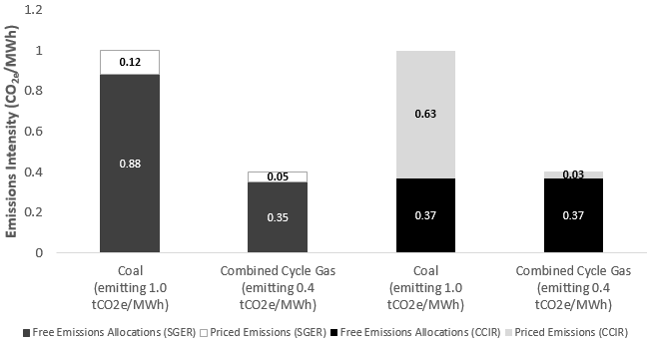
Generation | EI | policy | oba | price | ctax | net
Coal-fired power plant | 1 | SGER | 0.88 | 15 | 15 | 1.8
Combined-cycle natural gas power plant | 0.4 | SGER | 0.352 | 15 | 6 | 0.72
Coal-fired power plant | 1 | CCIR | 0.37 | 30 | 30 | 18.9
Combined-cycle natural gas power plant | 0.4 | CCIR | 0.37 | 30 | 12 | 0.9

Sheet4
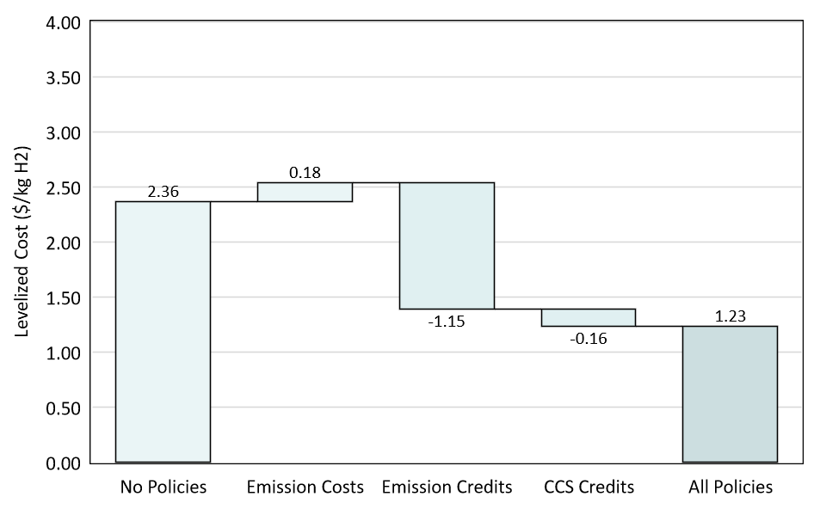
cat | val
Grey | 2.36
GHG | 0.18
OBA | -1.15
CCS Tax Credit | -0.16
net | 1.23

