Disclaimer


Alberta Energy Outlook 2025 (ST98) Release Date: June 2025
Executive Summary – Statistics and Data

Copyright and Permission to Reproduce
Information on this file was produced and/or compiled by the Alberta Energy Regulator (AER) for the purpose of providing access to information regarding the energy resources of the province of Alberta.
Noncommercial or Educational Reproduction
Information on this file has been posted with the intent that it be readily available for personal and public noncommercial (educational) use. The information may be reproduced, in whole or in part and by any means, without charge or further permission from the AER. We ask only that users exercise due diligence to ensure the accuracy of the materials reproduced; the AER be identified as the source of the materials; and the reproduction not be presented as an official version of the AER material, or as having been made in affiliation with or with the endorsement of the AER.
Commercial Reproduction
Reproduction of multiple copies of materials on this file, in whole or in part, for the purposes of commercial redistribution is prohibited except with prior written permission from the AER. To obtain permission to reproduce materials on this file for commercial purposes please contact
AER Communications, Web Services:
Suite 1000, 250 – 5 Street SW
Calgary, Alberta T2P 0R4
Canada
Inquiries: 1-855-297-8311
Inquiries@aer.ca
Disclaimer
The information presented in this document is for general information purposes. It is believed to represent the best data available to the AER at this time but its accuracy is not guaranteed. The AER makes no representations, warranties, or guarantees, expressed or implied as to the accuracy, reliability, or currency of the information contained herein or that it will be suitable for any use. The AER accepts no responsibility whatsoever for any inaccuracy, error, or omissions in the information. The AER shall not be responsible for any losses or costs incurred by you or anyone else as a result of the use, conversion, publication, transmission, installation, or improvement of the information, even if such losses or costs are foreseeable. Any user intending to rely upon this information is advised to confirm both the accuracy of the information and whether a more recent version of the information is available.

Figures
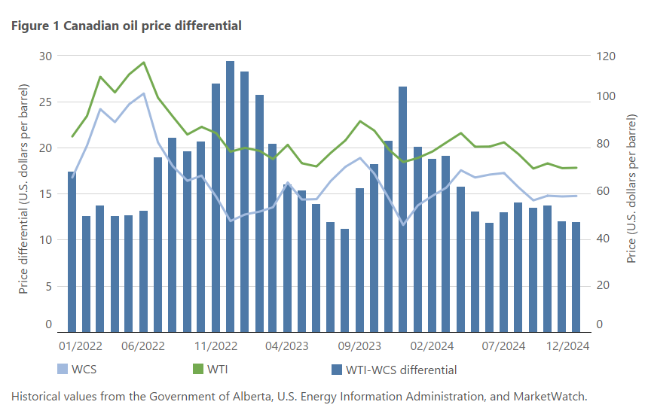
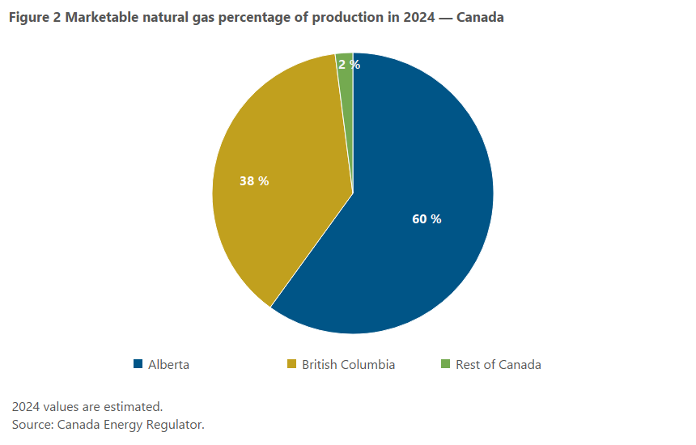
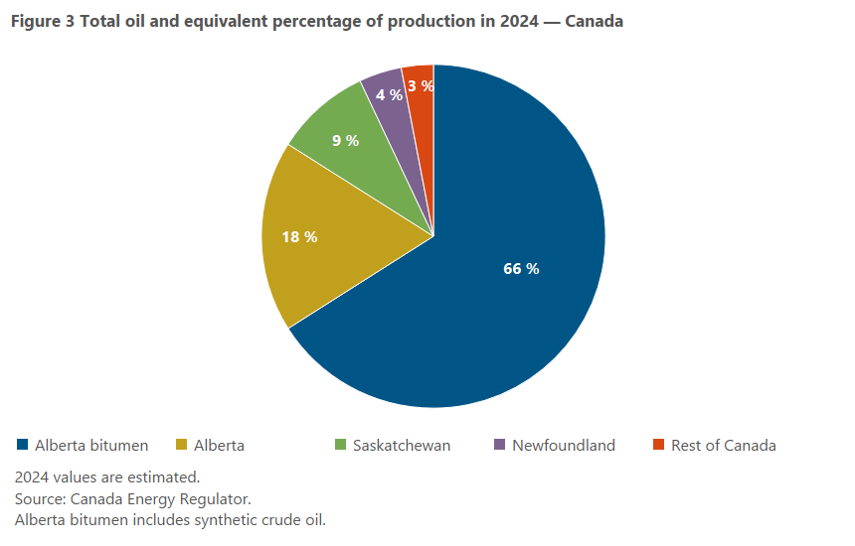
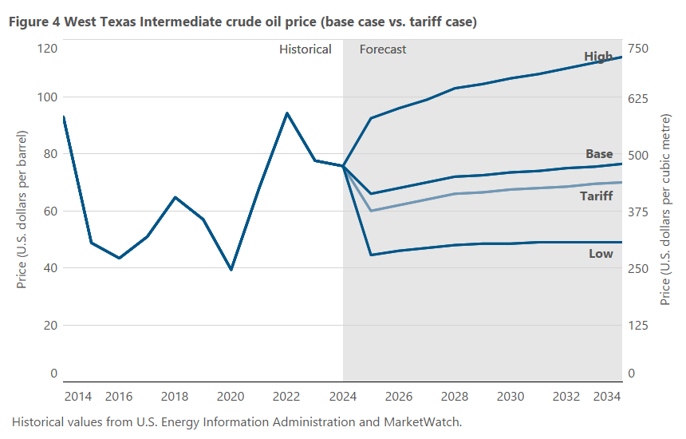
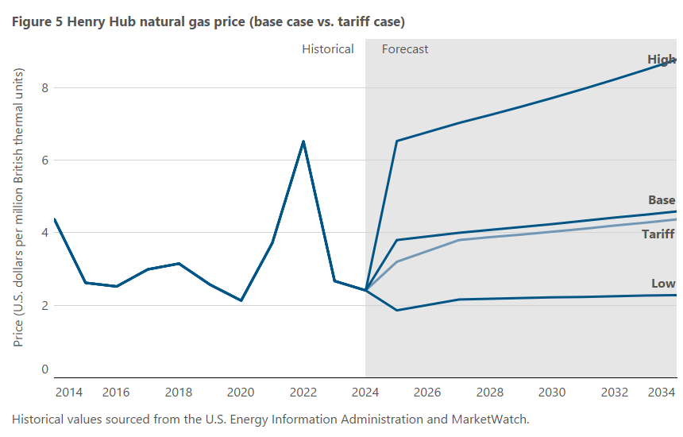
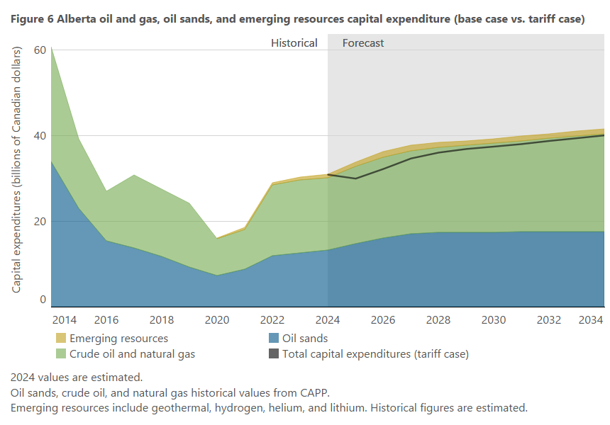
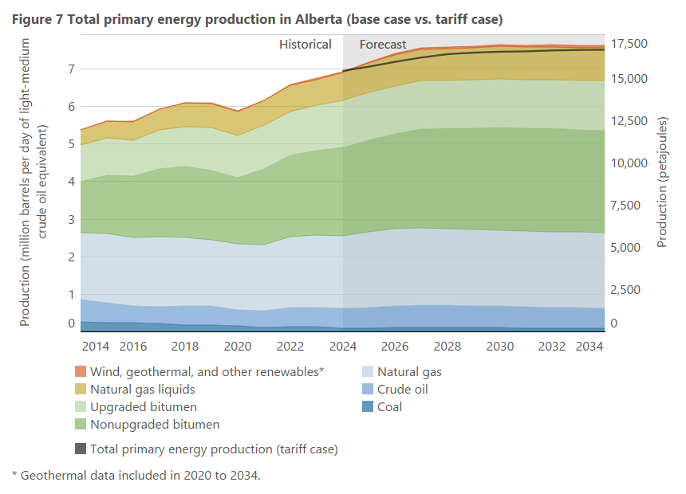
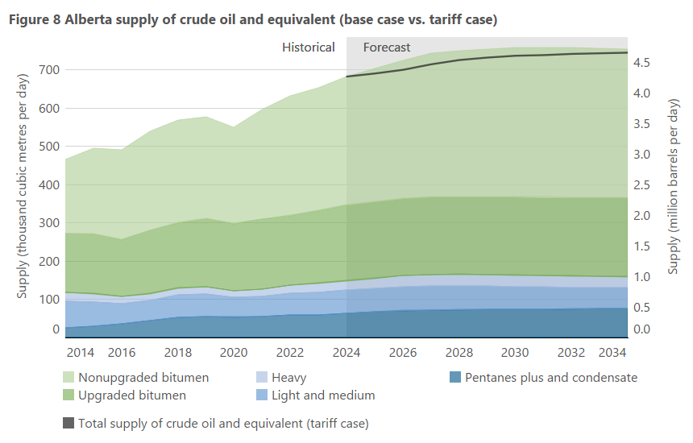
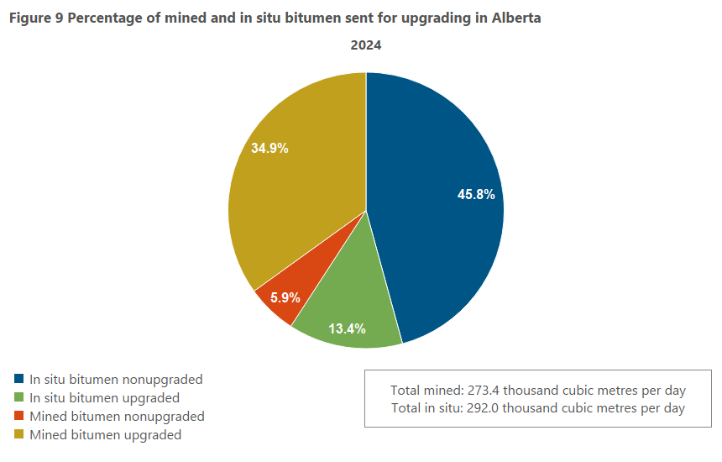
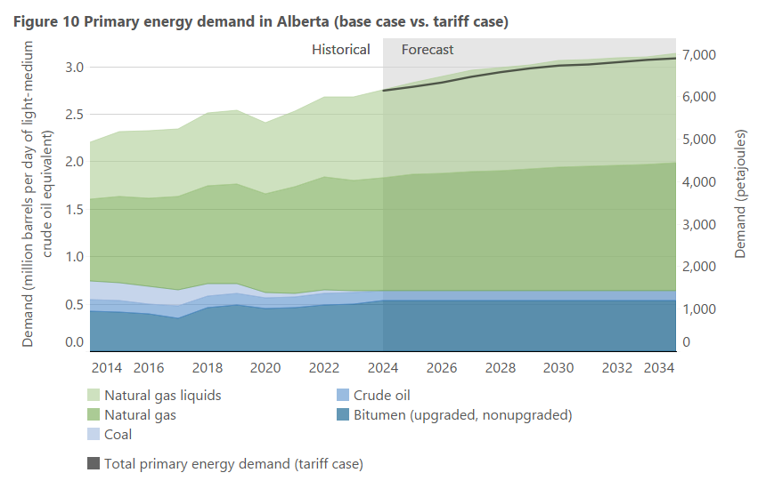
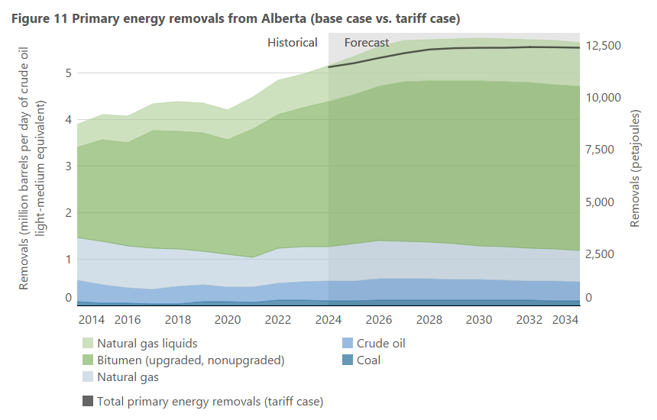
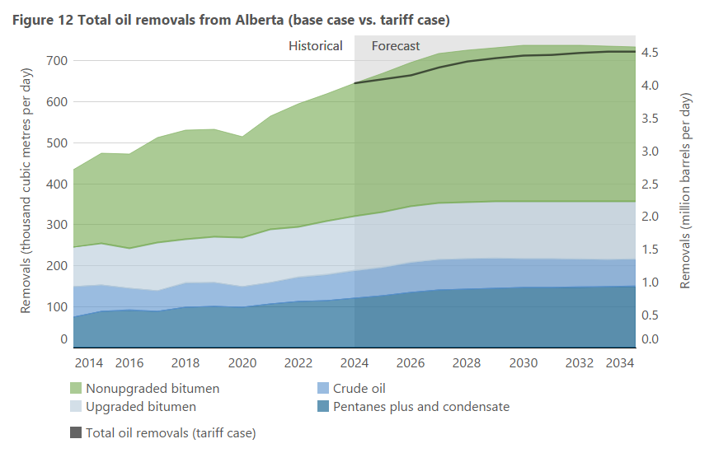
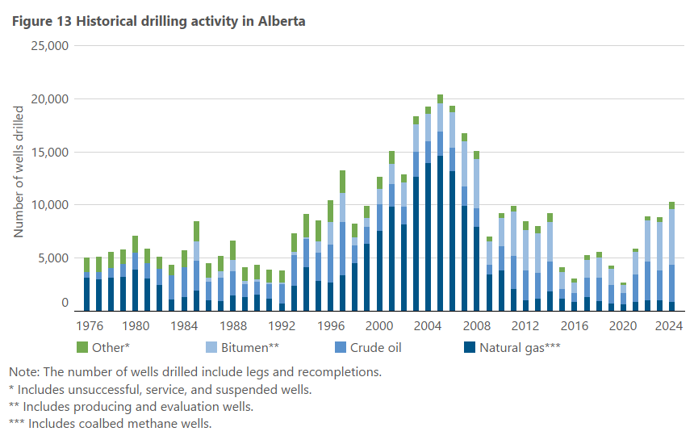

Figure 1 |  |  |  | Figure 2 |  |  |  | Figure 3 |  |  |  |  |  | Figure 4 |  |  |  |  |  |  |  |  | Figure 5 |  |  |  |  | Figure 6 |  |  |  |  | Figure 7 |  |  |  |  |  |  |  |  |  |  |  |  |  |  |  |  | Figure 8 |  |  |  |  |  |  |  |  |  |  |  |  | Figure 9 |  |  |  |  | Figure 10 |  |  |  |  |  |  |  |  |  |  |  |  | Figure 11 |  |  |  |  |  |  |  |  |  |  |  |  | Figure 12 |  |  |  |  |  |  |  |  |  |  | Figure 13
Year | WTI | WCS | WTI-WCS Differential | Year | Per cent of total (%) |  |  | Year | Per cent of total (%) |  |  |  |  | Year | U.S. low (base case) | U.S. base (base case) | U.S. base (tariff case) | U.S. high (base case) | U.S. low (base case) | U.S. base (base case) | U.S. base (tariff case) | U.S. high (base case) | Year | U.S. low (base case) | U.S. base (base case) | U.S. base (tariff case) | U.S. high (base case) | Year |  |  |  |  |  |  |  |  |  |  |  |  |  |  |  |  |  |  |  |  |  |  |  |  |  |  |  |  |  |  |  |  |  |  | Percentage of total bitumen production |  |  |  |  |  |  |  |  |  |  |  |  |  |  |  |  |  |  |  |  |  |  |  |  |  |  |  |  |  |  |  |  |  |  |  |  |  |  |  |  |  | Year | number of wells drilled
 | (US$/bbl) | (US$/bbl) | (US$/bbl) |  | British Columbia | Alberta | Rest of Canada |  | Alberta Bitumen | Alberta | Saskatchewan | Newfoundland | Rest of Canada |  | ($/bbl) | ($/bbl) | ($/bbl) | ($/bbl) | ($/m3) | ($/m3) | ($/m3) | ($/m3) |  | ($/MMBtu) | ($/MMBtu) | ($/MMBtu) | ($/MMBtu) |  | Oil sandsa (base case) | Oil and gasa (base case) | Emerging resourcesb (base case) | Total capital expenditures (tariff case) | Year | Coal (base case) | Crude oil (base case) | Natural gasa (base case) | Nonupgraded bitumen (base case) | Upgraded bitumen (base case) | Natural gas liquids (base case) | Wind, geothermal, and other renewablesb (base case) | Total primary energy production (tariff case) | Coal (base case) | Crude oil (base case) | Natural gasa (base case) | Nonupgraded bitumen (base case) | Upgraded bitumen (base case) | Natural gas liquids (base case) | Wind, geothermal, and other renewablesb (base case) | Total primary energy production (tariff case) | Year | Light and medium (base case) | Heavy (base case) | Pentanes plus and condensate (base case) | Upgraded bitumen (base case) | Nonupgraded bitumen (base case) | Total supply of crude oil and equivalent (tariff case) | Light and medium (base case) | Heavy (base case) | Pentanes plus and condensate (base case) | Upgraded bitumen (base case) | Nonupgraded bitumen (base case) | Total supply of crude oil and equivalent (tariff case) | Year | Mined bitumen nonupgraded | Mined bitumen upgraded | In situ bitumen nonupgraded | In situ bitumen upgraded | Year | Crude oil (base case) | Upgraded and nonupgraded bitumen (base case) | Coal (base case) | Natural gas (base case) | Natural gas liquids (base case) | Total primary energy demand (tariff case) | Crude oil (base case) | Upgraded and nonupgraded bitumen (base case) | Coal (base case) | Natural gas (base case) | Natural gas liquids (base case) | Total primary energy demand (tariff case) | Year | Coal (base case) | Crude oil (base case) | Natural gas (base case) | Upgraded and nonupgraded bitumen (base case) | Natural gas liquids (base case) | Total primary energy removals (tariff case) | Coal (base case) | Crude oil (base case) | Natural gas (base case) | Upgraded and nonupgraded bitumen (base case) | Natural gas liquids (base case) | Total primary energy removals (tariff case) | Year | Crude oil (base case) | Upgraded bitumen (base case) | Nonupgraded bitumen (base case) | Pentanes plus and condensate (base case) | Total oil removals (tariff case) | Crude oil (base case) | Upgraded bitumen (base case) | Nonupgraded bitumen (base case) | Pentanes plus and condensate (base case) | Total oil removals (tariff case) |  | Crude oil | Bitumen** | Natural gas*** | Other*
Jan-17 | 52.61 | 37.19 | 15.42 | 2024 | 38 | 60 | 2 | Total | 66 | 18 | 9 | 4 | 3 | 2000 | 30.26 | 30.26 | 30.26 | 30.26 | 190.42 | 190.42 | 190.42 | 190.42 | 2000 | 4.27 | 4.27 | 4.27 | 4.27 |  | (billion Cdn$) | (billion Cdn$) | (billion Cdn$) | (billion Cdn$) |  | (petajoules) |  |  |  |  |  |  |  | (million barrels per day of light-medium oil equivalent) |  |  |  |  |  |  |  |  | (thousand cubic metres per day) |  |  |  |  |  | (million barrels per day) |  |  |  |  |  | 2024 | 5.9% | 34.9% | 45.8% | 13.4% |  | (petajoules) |  |  |  |  |  | (million barrels per day of light-medium oil equivalent) |  |  |  |  |  |  | (petajoules) |  |  |  |  |  | (million barrels per day of light-medium oil equivalent) |  |  |  |  |  |  | (thousand cubic metres per day) |  |  |  |  | (million barrels per day) |  |  |  |  | 1948 | 217 |  | 22 | 135
Feb-17 | 53.46 | 39.14 | 14.32 | 2024 values are estimated. |  |  |  | 2024 values are estimated. |  |  |  |  |  | 2001 | 25.95 | 25.95 | 25.95 | 25.95 | 163.30 | 163.30 | 163.30 | 163.30 | 2001 | 5.12 | 5.12 | 5.12 | 5.12 | 2000 | 4.2 | 12.9 |  |  | 1997 | 704.1 | 2073.7 | 5176.2 | 599.9 | 661.9 | 916.4 | 12.7 |  | 0.32 | 0.93 | 2.32 | 0.27 | 0.30 | 0.41 | 0.01 |  | 1998 | 94.3 | 40.8 | 28.0 | 49.0 | 45.7 |  | 0.59 | 0.26 | 0.18 | 0.31 | 0.29 |  |  |  |  |  |  | 1999 | 489.0 | 467.1 | 450.3 | 1267.9 | 513.0 |  | 0.22 | 0.21 | 0.20 | 0.57 | 0.23 |  | 1999 | 265.3 | 1214.1 | 4188.8 | 963.7 | 546.7 |  | 0.12 | 0.54 | 1.88 | 0.43 | 0.24 |  | 1999 | 84.8 | 24.0 | 39.6 | 18.1 |  | 0.53 | 0.15 | 0.25 | 0.11 |  | 1949 | 540 |  | 35 | 218
Mar-17 | 49.67 | 35.68 | 13.99 | Source: Canada Energy Regulator. |  |  |  | Source: Canada Energy Regulator. |  |  |  |  |  | 2002 | 26.15 | 26.15 | 26.15 | 26.15 | 164.56 | 164.56 | 164.56 | 164.56 | 2002 | 3.65 | 3.65 | 3.65 | 3.65 | 2001 | 5.9 | 14.7 |  |  | 1998 | 712.4 | 1941.6 | 5333.2 | 713.9 | 704.7 | 928.4 | 13.5 |  | 0.32 | 0.87 | 2.39 | 0.32 | 0.32 | 0.42 | 0.01 |  | 1999 | 82.5 | 36.1 | 27.5 | 51.4 | 42.1 |  | 0.52 | 0.23 | 0.17 | 0.32 | 0.26 |  |  |  |  |  |  | 2000 | 498.9 | 514.3 | 447.1 | 1362.0 | 567.3 |  | 0.22 | 0.23 | 0.20 | 0.61 | 0.25 |  | 2000 | 189.5 | 1135.7 | 4127.1 | 975.1 | 552.1 |  | 0.08 | 0.51 | 1.84 | 0.44 | 0.25 |  | 2000 | 80.6 | 20.4 | 43.5 | 19.3 |  | 0.51 | 0.13 | 0.27 | 0.12 |  | 1950 | 753 |  | 40 | 219
Apr-17 | 51.12 | 36.84 | 14.28 |  |  |  |  | Alberta bitumen includes synthetic crude oil. |  |  |  |  |  | 2003 | 30.99 | 30.99 | 30.99 | 30.99 | 195.02 | 195.02 | 195.02 | 195.02 | 2003 | 5.80 | 5.80 | 5.80 | 5.80 | 2002 | 6.8 | 11.7 |  |  | 1999 | 667.7 | 1704.5 | 5456.7 | 657.7 | 739.2 | 962.6 | 14.3 |  | 0.30 | 0.76 | 2.44 | 0.29 | 0.33 | 0.43 | 0.01 |  | 2000 | 78.1 | 38.0 | 26.3 | 50.9 | 45.8 |  | 0.49 | 0.24 | 0.17 | 0.32 | 0.29 |  |  |  |  |  |  | 2001 | 441.2 | 523.5 | 456.5 | 1303.7 | 574.2 |  | 0.20 | 0.23 | 0.20 | 0.58 | 0.26 |  | 2001 | 160.6 | 1131.2 | 4252.3 | 1059.9 | 502.7 |  | 0.07 | 0.51 | 1.90 | 0.47 | 0.23 |  | 2001 | 80.5 | 24.5 | 45.3 | 20.2 |  | 0.51 | 0.15 | 0.29 | 0.13 |  | 1951 | 759 |  | 115 | 364
May-17 | 48.54 | 38.84 | 9.70 |  |  |  |  |  |  |  |  |  |  | 2004 | 41.47 | 41.47 | 41.47 | 41.47 | 260.97 | 260.97 | 260.97 | 260.97 | 2004 | 5.98 | 5.98 | 5.98 | 5.98 | 2003 | 5.0 | 15.5 |  |  | 2000 | 613.9 | 1677.0 | 5498.9 | 718.2 | 734.0 | 951.4 | 12.4 |  | 0.27 | 0.75 | 2.46 | 0.32 | 0.33 | 0.42 | 0.01 |  | 2001 | 76.7 | 35.3 | 24.0 | 55.5 | 47.8 |  | 0.48 | 0.22 | 0.15 | 0.35 | 0.30 |  |  |  |  |  |  | 2002 | 483.4 | 524.7 | 475.0 | 1366.5 | 604.8 |  | 0.22 | 0.24 | 0.21 | 0.61 | 0.27 |  | 2002 | 148.4 | 971.0 | 4069.4 | 1273.5 | 531.0 |  | 0.07 | 0.43 | 1.82 | 0.57 | 0.24 |  | 2002 | 69.1 | 39.0 | 45.7 | 20.2 |  | 0.43 | 0.25 | 0.29 | 0.13 |  | 1952 | 946 |  | 154 | 529
Jun-17 | 45.20 | 35.80 | 9.40 |  |  |  |  |  |  |  |  |  |  | 2005 | 56.70 | 56.70 | 56.70 | 56.70 | 356.81 | 356.81 | 356.81 | 356.81 | 2005 | 8.42 | 8.42 | 8.42 | 8.42 | 2004 | 6.2 | 18.5 |  |  | 2001 | 590.9 | 1612.1 | 5564.7 | 746.7 | 798.1 | 870.9 | 12.3 |  | 0.26 | 0.72 | 2.49 | 0.33 | 0.36 | 0.39 | 0.01 |  | 2002 | 71.0 | 32.6 | 23.4 | 70.1 | 48.1 |  | 0.45 | 0.21 | 0.15 | 0.44 | 0.30 |  |  |  |  |  |  | 2003 | 466.5 | 574.0 | 464.5 | 1382.8 | 640.9 |  | 0.21 | 0.26 | 0.21 | 0.62 | 0.29 |  | 2003 | 70.0 | 919.0 | 3932.9 | 1496.1 | 531.2 |  | 0.03 | 0.41 | 1.76 | 0.67 | 0.24 |  | 2003 | 65.4 | 47.8 | 51.8 | 21.6 |  | 0.41 | 0.30 | 0.33 | 0.14 |  | 1953 | 885 |  | 195 | 481
Jul-17 | 46.68 | 36.37 | 10.31 |  |  |  |  |  |  |  |  |  |  | 2006 | 66.25 | 66.25 | 66.25 | 66.25 | 416.90 | 416.90 | 416.90 | 416.90 | 2006 | 7.54 | 7.54 | 7.54 | 7.54 | 2005 | 10.4 | 24.9 |  |  | 2002 | 608.0 | 1489.8 | 5435.7 | 751.4 | 1008.1 | 916.7 | 14.1 |  | 0.27 | 0.67 | 2.43 | 0.34 | 0.45 | 0.41 | 0.01 |  | 2003 | 66.0 | 32.6 | 23.9 | 80.9 | 55.4 |  | 0.42 | 0.21 | 0.15 | 0.51 | 0.35 |  |  |  |  |  |  | 2004 | 448.1 | 638.2 | 468.2 | 1433.2 | 669.8 |  | 0.20 | 0.29 | 0.21 | 0.64 | 0.30 |  | 2004 | 49.3 | 855.3 | 3968.3 | 1727.7 | 561.1 |  | 0.02 | 0.38 | 1.77 | 0.77 | 0.25 |  | 2004 | 60.7 | 57.7 | 57.2 | 22.9 |  | 0.38 | 0.36 | 0.36 | 0.14 |  | 1954 | 673 |  | 140 | 365
Aug-17 | 48.06 | 38.50 | 9.56 |  |  |  |  |  |  |  |  |  |  | 2007 | 72.41 | 72.41 | 72.41 | 72.41 | 455.67 | 455.67 | 455.67 | 455.67 | 2007 | 6.97 | 6.97 | 6.97 | 6.97 | 2006 | 14.3 | 27.2 |  |  | 2003 | 528.8 | 1420.5 | 5315.7 | 865.5 | 1163.0 | 920.3 | 14.5 |  | 0.24 | 0.64 | 2.38 | 0.39 | 0.52 | 0.41 | 0.01 |  | 2004 | 61.3 | 31.2 | 22.1 | 95.5 | 60.6 |  | 0.39 | 0.20 | 0.14 | 0.60 | 0.38 |  |  |  |  |  |  | 2005 | 455.3 | 606.1 | 479.6 | 1445.6 | 699.5 |  | 0.20 | 0.27 | 0.22 | 0.65 | 0.31 |  | 2005 | 122.8 | 779.9 | 3926.0 | 1762.6 | 564.9 |  | 0.05 | 0.35 | 1.76 | 0.79 | 0.25 |  | 2005 | 55.5 | 51.7 | 65.2 | 24.6 |  | 0.35 | 0.33 | 0.41 | 0.15 |  | 1955 | 1145 |  | 138 | 344
Sep-17 | 49.88 | 39.93 | 9.95 |  |  |  |  |  |  |  |  |  |  | 2008 | 99.75 | 99.75 | 99.75 | 99.75 | 627.72 | 627.72 | 627.72 | 627.72 | 2008 | 8.86 | 8.86 | 8.86 | 8.86 | 2007 | 18.1 | 21.2 |  |  | 2004 | 533.1 | 1336.7 | 5401.7 | 946.2 | 1372.8 | 928.7 | 16.5 |  | 0.24 | 0.60 | 2.41 | 0.42 | 0.61 | 0.41 | 0.01 |  | 2005 | 59.0 | 28.8 | 22.1 | 86.7 | 68.6 |  | 0.37 | 0.18 | 0.14 | 0.55 | 0.43 |  |  |  |  |  |  | 2006 | 420.2 | 651.4 | 486.7 | 1516.6 | 723.7 |  | 0.19 | 0.29 | 0.22 | 0.68 | 0.32 |  | 2006 | 164.6 | 753.2 | 3949.2 | 2062.9 | 602.5 |  | 0.07 | 0.34 | 1.77 | 0.92 | 0.27 |  | 2006 | 53.6 | 66.1 | 71.2 | 26.9 |  | 0.34 | 0.42 | 0.45 | 0.17 |  | 1956 | 1368 |  | 138 | 392
Oct-17 | 51.69 | 39.87 | 11.82 |  |  |  |  |  |  |  |  |  |  | 2009 | 62.09 | 62.09 | 62.09 | 62.09 | 390.73 | 390.73 | 390.73 | 390.73 | 2009 | 3.94 | 3.94 | 3.94 | 3.94 | 2008 | 18.1 | 21.5 |  |  | 2005 | 576.0 | 1264.4 | 5371.4 | 1074.8 | 1249.7 | 919.3 | 18.6 |  | 0.26 | 0.57 | 2.41 | 0.48 | 0.56 | 0.41 | 0.01 |  | 2006 | 56.6 | 26.9 | 23.2 | 104.6 | 74.4 |  | 0.36 | 0.17 | 0.15 | 0.66 | 0.47 |  |  |  |  |  |  | 2007 | 414.5 | 688.9 | 481.9 | 1580.8 | 749.3 |  | 0.19 | 0.31 | 0.22 | 0.71 | 0.34 |  | 2007 | 184.8 | 718.1 | 3755.4 | 2186.4 | 614.2 |  | 0.08 | 0.32 | 1.68 | 0.98 | 0.28 |  | 2007 | 51.1 | 68.4 | 76.9 | 29.0 |  | 0.32 | 0.43 | 0.48 | 0.18 |  | 1957 | 874 |  | 25 | 549
Nov-17 | 56.54 | 45.52 | 11.02 |  |  |  |  |  |  |  |  |  |  | 2010 | 79.61 | 79.61 | 79.61 | 79.61 | 500.98 | 500.98 | 500.98 | 500.98 | 2010 | 4.37 | 4.37 | 4.37 | 4.37 | 2009 | 11.2 | 12.0 |  |  | 2006 | 640.4 | 1202.0 | 5465.6 | 1162.5 | 1504.3 | 943.1 | 18.0 |  | 0.29 | 0.54 | 2.45 | 0.52 | 0.67 | 0.42 | 0.01 |  | 2007 | 54.8 | 25.9 | 23.4 | 109.3 | 80.1 |  | 0.34 | 0.16 | 0.15 | 0.69 | 0.50 |  |  |  |  |  |  | 2008 | 357.9 | 612.5 | 461.0 | 1650.8 | 738.4 |  | 0.16 | 0.27 | 0.21 | 0.74 | 0.33 |  | 2008 | 181.2 | 737.0 | 3392.0 | 2300.8 | 635.0 |  | 0.08 | 0.33 | 1.51 | 1.03 | 0.28 |  | 2008 | 52.3 | 68.0 | 84.3 | 31.0 |  | 0.33 | 0.43 | 0.53 | 0.20 |  | 1958 | 959 |  | 227 | 533
Dec-17 | 57.95 | 44.02 | 13.93 |  |  |  |  |  |  |  |  |  |  | 2011 | 95.11 | 95.11 | 95.11 | 95.11 | 598.52 | 598.52 | 598.52 | 598.52 | 2011 | 4.00 | 4.00 | 4.00 | 4.00 | 2010 | 17.2 | 21.5 |  |  | 2007 | 642.9 | 1161.2 | 5336.2 | 1251.0 | 1571.8 | 930.1 | 20.3 |  | 0.29 | 0.52 | 2.39 | 0.56 | 0.70 | 0.42 | 0.01 |  | 2008 | 53.1 | 24.5 | 22.4 | 103.9 | 87.5 |  | 0.33 | 0.15 | 0.14 | 0.65 | 0.55 |  |  |  |  |  |  | 2009 | 231.9 | 693.6 | 452.5 | 1649.0 | 795.4 |  | 0.10 | 0.31 | 0.20 | 0.74 | 0.36 |  | 2009 | 180.4 | 770.1 | 2990.9 | 2522.6 | 662.9 |  | 0.08 | 0.34 | 1.34 | 1.13 | 0.30 |  | 2009 | 54.8 | 79.6 | 88.2 | 36.0 |  | 0.34 | 0.50 | 0.56 | 0.23 |  | 1959 | 877 |  | 242 | 483
Jan-18 | 63.55 | 42.53 | 21.02 |  |  |  |  |  |  |  |  |  |  | 2012 | 95.15 | 95.15 | 95.15 | 95.15 | 598.77 | 598.77 | 598.77 | 598.77 | 2012 | 2.75 | 2.75 | 2.75 | 2.75 | 2011 | 22.7 | 25.8 |  |  | 2008 | 645.5 | 1119.4 | 5043.0 | 1370.6 | 1498.3 | 877.8 | 20.3 |  | 0.29 | 0.50 | 2.25 | 0.61 | 0.67 | 0.39 | 0.01 |  | 2009 | 48.3 | 23.0 | 21.1 | 121.7 | 90.5 |  | 0.30 | 0.14 | 0.13 | 0.77 | 0.57 |  |  |  |  |  |  | 2010 | 230.5 | 793.6 | 447.9 | 1670.9 | 884.7 |  | 0.10 | 0.36 | 0.20 | 0.75 | 0.40 |  | 2010 | 209.1 | 772.9 | 2704.3 | 2770.6 | 712.7 |  | 0.09 | 0.35 | 1.21 | 1.24 | 0.32 |  | 2010 | 55.0 | 77.9 | 105.6 | 42.6 |  | 0.35 | 0.49 | 0.66 | 0.27 |  | 1960 | 985 |  | 276 | 505
Feb-18 | 62.16 | 37.72 | 24.44 |  |  |  |  |  |  |  |  |  |  | 2013 | 98.05 | 98.05 | 98.05 | 98.05 | 617.02 | 617.02 | 617.02 | 617.02 | 2013 | 3.73 | 3.73 | 3.73 | 3.73 | 2012 | 27.2 | 26.1 |  |  | 2009 | 639.9 | 1026.5 | 4639.8 | 1413.8 | 1750.2 | 832.1 | 19.2 |  | 0.29 | 0.46 | 2.08 | 0.63 | 0.78 | 0.37 | 0.01 |  | 2010 | 48.9 | 22.5 | 20.3 | 126.3 | 108.1 |  | 0.31 | 0.14 | 0.13 | 0.79 | 0.68 |  |  |  |  |  |  | 2011 | 240.3 | 846.7 | 421.5 | 1735.0 | 926.7 |  | 0.11 | 0.38 | 0.19 | 0.78 | 0.42 |  | 2011 | 195.0 | 831.9 | 2442.2 | 3081.2 | 783.8 |  | 0.09 | 0.37 | 1.09 | 1.38 | 0.35 |  | 2011 | 59.2 | 85.2 | 118.8 | 47.1 |  | 0.37 | 0.54 | 0.75 | 0.30 |  | 1961 | 783 |  | 344 | 484
Mar-18 | 62.87 | 35.53 | 27.34 |  |  |  |  |  |  |  |  |  |  | 2014 | 92.91 | 92.91 | 92.91 | 92.91 | 584.67 | 584.67 | 584.67 | 584.67 | 2014 | 4.37 | 4.37 | 4.37 | 4.37 | 2013 | 30.8 | 27.0 |  |  | 2010 | 633.3 | 1027.1 | 4375.1 | 1688.7 | 1816.3 | 800.8 | 19.5 |  | 0.28 | 0.46 | 1.96 | 0.76 | 0.81 | 0.36 | 0.01 |  | 2011 | 53.9 | 22.4 | 19.7 | 137.1 | 121.1 |  | 0.34 | 0.14 | 0.12 | 0.86 | 0.76 |  |  |  |  |  |  | 2012 | 225.5 | 864.7 | 401.5 | 1760.3 | 1051.7 |  | 0.10 | 0.39 | 0.18 | 0.79 | 0.47 |  | 2012 | 181.6 | 994.8 | 2192.9 | 3521.9 | 874.9 |  | 0.08 | 0.44 | 0.98 | 1.57 | 0.39 |  | 2012 | 70.6 | 92.8 | 139.4 | 55.6 |  | 0.44 | 0.58 | 0.88 | 0.35 |  | 1962 | 676 |  | 272 | 649
Apr-18 | 66.33 | 40.47 | 25.86 |  |  |  |  |  |  |  |  |  |  | 2015 | 48.79 | 48.79 | 48.79 | 48.79 | 307.03 | 307.03 | 307.03 | 307.03 | 2015 | 2.62 | 2.62 | 2.62 | 2.62 | 2014 | 33.9 | 26.7 |  |  | 2011 | 601.7 | 1095.9 | 4177.2 | 1891.8 | 1971.6 | 799.4 | 24.3 |  | 0.27 | 0.49 | 1.87 | 0.85 | 0.88 | 0.36 | 0.01 |  | 2012 | 63.2 | 23.4 | 19.1 | 145.2 | 141.9 |  | 0.40 | 0.15 | 0.12 | 0.91 | 0.89 |  |  |  |  |  |  | 2013 | 234.7 | 867.0 | 423.6 | 1911.1 | 1160.4 |  | 0.11 | 0.39 | 0.18 | 0.86 | 0.52 |  | 2013 | 184.0 | 1042.7 | 1927.5 | 3851.8 | 940.4 |  | 0.08 | 0.47 | 0.86 | 1.72 | 0.42 |  | 2013 | 74.2 | 96.4 | 157.8 | 61.7 |  | 0.47 | 0.61 | 0.99 | 0.39 |  | 1963 | 868 |  | 275 | 614
May-18 | 69.89 | 53.25 | 16.64 |  |  |  |  |  |  |  |  |  |  | 2016 | 43.40 | 43.40 | 43.40 | 43.40 | 273.11 | 273.11 | 273.11 | 273.11 | 2016 | 2.52 | 2.52 | 2.52 | 2.52 | 2015 | 22.9 | 16.3 |  |  | 2012 | 569.0 | 1244.9 | 3953.2 | 2223.0 | 2093.8 | 796.8 | 26.7 |  | 0.25 | 0.56 | 1.77 | 0.99 | 0.94 | 0.36 | 0.01 |  | 2013 | 67.0 | 23.8 | 20.8 | 148.8 | 160.8 |  | 0.42 | 0.15 | 0.13 | 0.94 | 1.01 |  |  |  |  |  |  | 2014 | 269.8 | 935.1 | 444.9 | 1923.4 | 1330.9 |  | 0.12 | 0.42 | 0.20 | 0.86 | 0.60 |  | 2014 | 173.3 | 1024.4 | 2046.3 | 4323.3 | 1074.1 |  | 0.08 | 0.46 | 0.92 | 1.94 | 0.48 |  | 2014 | 72.9 | 95.4 | 188.9 | 74.1 |  | 0.46 | 0.60 | 1.19 | 0.47 |  | 1964 | 861 |  | 263 | 727
Jun-18 | 67.32 | 52.10 | 15.22 |  |  |  |  |  |  |  |  |  |  | 2017 | 50.80 | 50.80 | 50.80 | 50.80 | 319.68 | 319.68 | 319.68 | 319.68 | 2017 | 2.99 | 2.99 | 2.99 | 2.99 | 2016 | 15.4 | 11.6 |  |  | 2013 | 578.7 | 1301.5 | 3838.7 | 2512.5 | 2139.9 | 845.4 | 28.1 |  | 0.26 | 0.58 | 1.72 | 1.13 | 0.96 | 0.38 | 0.01 |  | 2014 | 68.5 | 23.7 | 25.0 | 151.6 | 192.6 |  | 0.43 | 0.15 | 0.16 | 0.95 | 1.21 |  |  |  |  |  |  | 2015 | 268.4 | 915.4 | 432.2 | 2021.7 | 1511.4 |  | 0.12 | 0.41 | 0.19 | 0.91 | 0.68 |  | 2015 | 122.1 | 900.8 | 2054.5 | 4857.1 | 1212.3 |  | 0.05 | 0.40 | 0.92 | 2.18 | 0.54 |  | 2015 | 64.1 | 100.5 | 218.4 | 87.1 |  | 0.40 | 0.63 | 1.37 | 0.55 |  | 1965 | 919 |  | 240 | 912
Jul-18 | 70.74 | 52.83 | 17.91 |  |  |  |  |  |  |  |  |  |  | 2018 | 64.74 | 64.74 | 64.74 | 64.74 | 407.40 | 407.40 | 407.40 | 407.40 | 2018 | 3.15 | 3.15 | 3.15 | 3.15 | 2017 | 13.8 | 16.9 |  |  | 2014 | 582.4 | 1320.6 | 3969.6 | 3009.5 | 2180.2 | 898.6 | 28.0 |  | 0.26 | 0.59 | 1.78 | 1.35 | 0.98 | 0.40 | 0.01 |  | 2015 | 61.4 | 21.8 | 29.9 | 155.2 | 222.3 |  | 0.39 | 0.14 | 0.19 | 0.98 | 1.40 |  |  |  |  |  |  | 2016 | 249.4 | 866.3 | 413.1 | 2093.0 | 1579.8 |  | 0.11 | 0.39 | 0.18 | 0.93 | 0.71 |  | 2016 | 109.0 | 738.4 | 1997.1 | 4979.4 | 1291.1 |  | 0.05 | 0.33 | 0.89 | 2.22 | 0.58 |  | 2016 | 52.4 | 96.0 | 229.5 | 90.4 |  | 0.33 | 0.60 | 1.44 | 0.57 |  | 1966 | 614 |  | 257 | 766
Aug-18 | 67.85 | 48.55 | 19.30 |  |  |  |  |  |  |  |  |  |  | 2019 | 57.01 | 57.01 | 57.01 | 57.01 | 358.76 | 358.76 | 358.76 | 358.76 | 2019 | 2.57 | 2.57 | 2.57 | 2.57 | 2018 | 11.7 | 15.8 |  |  | 2015 | 529.7 | 1192.3 | 4076.2 | 3472.5 | 2231.9 | 960.8 | 28.9 |  | 0.24 | 0.53 | 1.83 | 1.56 | 1.00 | 0.43 | 0.01 |  | 2016 | 51.4 | 18.7 | 35.9 | 147.7 | 233.0 |  | 0.32 | 0.12 | 0.23 | 0.93 | 1.47 |  |  |  |  |  |  | 2017 | 292.3 | 790.5 | 388.5 | 2180.1 | 1593.2 |  | 0.13 | 0.35 | 0.17 | 0.98 | 0.71 |  | 2017 | 76.9 | 695.6 | 1980.8 | 5643.1 | 1241.5 |  | 0.03 | 0.31 | 0.89 | 2.53 | 0.56 |  | 2017 | 49.5 | 115.5 | 254.9 | 88.2 |  | 0.31 | 0.73 | 1.60 | 0.56 |  | 1967 | 641 |  | 274 | 731
Sep-18 | 70.07 | 40.37 | 29.70 |  |  |  |  |  |  |  |  |  |  | 2020 | 39.38 | 39.38 | 39.38 | 39.38 | 247.81 | 247.81 | 247.81 | 247.81 | 2020 | 2.13 | 2.13 | 2.13 | 2.13 | 2019 | 9.3 | 14.8 |  |  | 2016 | 511.4 | 1007.4 | 4090.1 | 3649.9 | 2129.9 | 1095.5 | 30.2 |  | 0.23 | 0.45 | 1.83 | 1.63 | 0.95 | 0.49 | 0.01 |  | 2017 | 52.2 | 18.1 | 43.5 | 163.4 | 257.5 |  | 0.33 | 0.11 | 0.27 | 1.03 | 1.62 |  |  |  |  |  |  | 2018 | 269.8 | 1032.2 | 294.6 | 2307.0 | 1727.7 |  | 0.12 | 0.46 | 0.13 | 1.03 | 0.77 |  | 2018 | 95.7 | 816.5 | 1795.1 | 5649.3 | 1409.2 |  | 0.04 | 0.37 | 0.80 | 2.53 | 0.63 |  | 2018 | 58.1 | 105.8 | 264.2 | 97.8 |  | 0.37 | 0.67 | 1.66 | 0.62 |  | 1968 | 549 |  | 387 | 970
Oct-18 | 70.76 | 41.15 | 29.61 |  |  |  |  |  |  |  |  |  |  | 2021 | 67.96 | 67.96 | 67.96 | 67.96 | 427.67 | 427.67 | 427.67 | 427.67 | 2021 | 3.72 | 3.72 | 3.72 | 3.72 | 2020 | 7.3 | 8.5 | 0.23 |  | 2017 | 467.2 | 1007.4 | 4160.8 | 4023.4 | 2349.9 | 1211.1 | 30.3 |  | 0.21 | 0.45 | 1.86 | 1.80 | 1.05 | 0.54 | 0.01 |  | 2018 | 58.6 | 18.7 | 51.3 | 168.3 | 268.0 |  | 0.37 | 0.12 | 0.32 | 1.06 | 1.69 |  |  |  |  |  |  | 2019 | 261.4 | 1087.9 | 234.4 | 2342.5 | 1739.9 |  | 0.12 | 0.49 | 0.10 | 1.05 | 0.78 |  | 2019 | 185.3 | 819.3 | 1589.0 | 5674.8 | 1441.4 |  | 0.08 | 0.37 | 0.71 | 2.54 | 0.65 |  | 2019 | 58.3 | 110.7 | 261.4 | 98.7 |  | 0.37 | 0.70 | 1.64 | 0.62 |  | 1969 | 462 |  | 433 | 978
Nov-18 | 56.60 | 11.03 | 45.57 |  |  |  |  |  |  |  |  |  |  | 2022 | 94.23 | 94.23 | 94.23 | 94.23 | 592.98 | 592.98 | 592.98 | 592.98 | 2022 | 6.52 | 6.52 | 6.52 | 6.52 | 2021 | 9.0 | 9.2 | 0.58 |  | 2018 | 382.0 | 1105.4 | 4103.5 | 4186.4 | 2420.3 | 1376.8 | 29.3 |  | 0.17 | 0.50 | 1.84 | 1.87 | 1.08 | 0.62 | 0.01 |  | 2019 | 59.1 | 17.8 | 54.2 | 177.2 | 264.5 |  | 0.37 | 0.11 | 0.34 | 1.11 | 1.66 |  |  |  |  |  |  | 2020 | 244.0 | 999.2 | 144.3 | 2332.0 | 1684.6 |  | 0.11 | 0.45 | 0.06 | 1.04 | 0.75 |  | 2020 | 188.9 | 705.4 | 1538.3 | 5537.4 | 1443.0 |  | 0.08 | 0.32 | 0.69 | 2.47 | 0.64 |  | 2020 | 50.1 | 119.1 | 243.9 | 96.9 |  | 0.32 | 0.75 | 1.53 | 0.61 |  | 1970 | 301 |  | 608 | 938
Dec-18 | 48.68 | 5.97 | 42.71 |  |  |  |  |  |  |  |  |  |  | 2023 | 77.62 | 77.62 | 77.62 | 77.62 | 488.45 | 488.45 | 488.45 | 488.45 | 2023 | 2.67 | 2.67 | 2.67 | 2.67 | 2022 | 11.9 | 16.5 | 0.58 |  | 2019 | 394.2 | 1100.7 | 3931.5 | 4132.7 | 2547.6 | 1451.7 | 29.8 |  | 0.18 | 0.49 | 1.76 | 1.85 | 1.14 | 0.65 | 0.01 |  | 2020 | 51.5 | 15.9 | 53.1 | 174.8 | 251.4 |  | 0.32 | 0.10 | 0.33 | 1.10 | 1.58 |  |  |  |  |  |  | 2021 | 251.7 | 1023.6 | 91.4 | 2501.4 | 1794.1 |  | 0.11 | 0.46 | 0.04 | 1.12 | 0.80 |  | 2021 | 147.7 | 725.7 | 1453.6 | 6122.1 | 1550.1 |  | 0.07 | 0.32 | 0.65 | 2.74 | 0.69 |  | 2021 | 51.6 | 127.3 | 274.7 | 105.7 |  | 0.32 | 0.80 | 1.73 | 0.67 |  | 1971 | 362 |  | 691 | 972
Jan-19 | 51.38 | 34.30 | 17.08 |  |  |  |  |  |  |  |  |  |  | 2024 | 75.72 | 75.72 | 75.72 | 75.72 | 476.50 | 476.50 | 476.50 | 476.50 | 2024 | 2.41 | 2.41 | 2.41 | 2.41 | 2023 | 12.5 | 17.1 | 0.64 |  | 2020 | 307.1 | 963.9 | 3933.0 | 3938.3 | 2520.8 | 1424.1 | 36.8 |  | 0.14 | 0.43 | 1.76 | 1.76 | 1.13 | 0.64 | 0.02 |  | 2021 | 52.0 | 17.5 | 54.9 | 182.1 | 285.5 |  | 0.33 | 0.11 | 0.35 | 1.15 | 1.80 |  |  |  |  |  |  | 2022 | 271.1 | 1099.3 | 87.7 | 2657.6 | 1882.0 |  | 0.12 | 0.49 | 0.04 | 1.19 | 0.84 |  | 2022 | 241.6 | 815.1 | 1679.2 | 6421.9 | 1645.4 |  | 0.11 | 0.36 | 0.75 | 2.88 | 0.74 |  | 2022 | 58.0 | 120.3 | 300.3 | 111.8 |  | 0.36 | 0.76 | 1.89 | 0.70 |  | 1972 | 507 |  | 990 | 1179
Feb-19 | 55.01 | 45.33 | 9.68 |  |  |  |  |  |  |  |  |  |  | 2025 | 44.50 | 66.00 | 60.00 | 92.50 | 280.03 | 415.33 | 377.57 | 582.09 | 2025 | 1.86 | 3.80 | 3.20 | 6.53 | 2024 | 13.3 | 16.8 | 0.79 | 30.89 | 2021 | 219.0 | 995.7 | 3954.7 | 4459.5 | 2618.0 | 1452.7 | 37.4 |  | 0.10 | 0.45 | 1.77 | 2.00 | 1.17 | 0.65 | 0.02 |  | 2022 | 56.3 | 21.0 | 58.3 | 181.0 | 310.0 |  | 0.35 | 0.13 | 0.37 | 1.14 | 1.95 |  |  |  |  |  |  | 2023 | 264.8 | 1108.4 | 54.2 | 2599.0 | 1961.0 |  | 0.12 | 0.50 | 0.02 | 1.16 | 0.88 |  | 2023 | 236.1 | 879.3 | 1701.5 | 6678.1 | 1610.5 |  | 0.11 | 0.39 | 0.76 | 2.99 | 0.72 |  | 2023 | 62.6 | 128.9 | 308.8 | 113.5 |  | 0.39 | 0.81 | 1.94 | 0.71 |  | 1973 | 581 |  | 1374 | 1558
Mar-19 | 58.17 | 48.21 | 9.96 |  |  |  |  |  |  |  |  |  |  | 2026 | 46.00 | 68.00 | 62.00 | 96.00 | 289.47 | 427.92 | 390.16 | 604.12 | 2026 | 2.01 | 3.90 | 3.50 | 6.78 | 2025 | 14.6 | 18.0 | 1.01 | 29.97 | 2022 | 295.9 | 1108.3 | 4219.1 | 4842.9 | 2603.1 | 1530.6 | 45.2 |  | 0.13 | 0.50 | 1.89 | 2.17 | 1.17 | 0.69 | 0.02 |  | 2023 | 58.3 | 23.1 | 58.9 | 188.2 | 320.4 |  | 0.37 | 0.15 | 0.37 | 1.18 | 2.02 |  |  |  |  |  |  | 2024 | 250.7 | 1191.7 | 0.4 | 2652.9 | 2050.3 | 6145.9 | 0.11 | 0.53 | 0.00 | 1.19 | 0.92 | 2.75 | 2024 | 219.2 | 932.7 | 1656.7 | 6941.3 | 1712.1 | 11462.0 | 0.10 | 0.42 | 0.74 | 3.11 | 0.77 | 5.14 | 2024 | 66.4 | 131.7 | 119.4 | 119.4 | 640.5 | 0.42 | 0.83 | 2.03 | 0.75 | 4.03 | 1974 | 635 |  | 1668 | 1186
Apr-19 | 63.88 | 53.25 | 10.63 |  |  |  |  |  |  |  |  |  |  | 2027 | 47.00 | 70.00 | 64.00 | 99.00 | 295.77 | 440.50 | 402.75 | 623.00 | 2027 | 2.16 | 4.00 | 3.80 | 7.03 | 2026 | 16.0 | 18.9 | 1.25 | 32.22 | 2023 | 257.7 | 1168.7 | 4300.3 | 5005.9 | 2706.5 | 1539.7 | 50.0 |  | 0.12 | 0.52 | 1.93 | 2.24 | 1.21 | 0.69 | 0.02 |  | 2024 | 59.5 | 24.7 | 63.0 | 196.6 | 334.5 | 678.3 | 0.37 | 0.16 | 0.40 | 1.24 | 2.10 | 4.27 |  |  |  |  |  | 2025 | 250.7 | 1192.4 | 0.4 | 2714.8 | 2159.7 | 6236.4 | 0.11 | 0.53 | 0.00 | 1.22 | 0.97 | 2.80 | 2025 | 227.4 | 958.7 | 1773.8 | 7164.3 | 1805.9 | 11649.2 | 0.10 | 0.43 | 0.79 | 3.21 | 0.81 | 5.21 | 2025 | 68.2 | 133.5 | 125.2 | 125.2 | 649.3 | 0.43 | 0.84 | 2.11 | 0.79 | 4.09 | 1975 | 664 |  | 1871 | 1111
May-19 | 60.77 | 52.44 | 8.33 |  |  |  |  |  |  |  |  |  |  | 2028 | 48.00 | 72.00 | 66.00 | 103.00 | 302.06 | 453.09 | 415.33 | 648.17 | 2028 | 2.18 | 4.08 | 3.88 | 7.25 | 2027 | 17.0 | 19.4 | 1.23 | 34.67 | 2024 | 189.4 | 1209.7 | 4309.6 | 5225.1 | 2827.3 | 1639.1 | 69.8 | 15470.0 | 0.08 | 0.54 | 1.93 | 2.34 | 1.27 | 0.73 | 0.03 | 6.92 | 2025 | 59.8 | 26.2 | 67.3 | 198.5 | 347.0 | 685.9 | 0.38 | 0.17 | 0.42 | 1.25 | 2.18 | 4.32 |  |  |  |  |  | 2026 | 250.7 | 1193.1 | 0.4 | 2743.0 | 2280.8 | 6337.4 | 0.11 | 0.53 | 0.00 | 1.23 | 1.02 | 2.83 | 2026 | 247.1 | 1019.9 | 1836.9 | 7383.5 | 1911.3 | 11899.7 | 0.11 | 0.46 | 0.82 | 3.31 | 0.86 | 5.32 | 2026 | 72.6 | 134.6 | 132.9 | 132.9 | 660.1 | 0.46 | 0.85 | 2.19 | 0.84 | 4.15 | 1976 | 552 |  | 3101 | 1388
Jun-19 | 54.71 | 41.74 | 12.97 |  |  |  |  |  |  |  |  |  |  | 2029 | 48.50 | 72.50 | 66.50 | 104.50 | 305.21 | 456.24 | 418.48 | 657.61 | 2029 | 2.20 | 4.16 | 3.95 | 7.48 | 2028 | 17.3 | 19.8 | 1.10 | 36.04 | 2025 | 196.4 | 1237.0 | 4488.4 | 5421.3 | 2854.9 | 1751.9 | 77.8 | 15720.7 | 0.09 | 0.55 | 2.01 | 2.43 | 1.28 | 0.78 | 0.03 | 7.04 | 2026 | 62.2 | 28.3 | 69.9 | 199.6 | 360.1 | 696.2 | 0.39 | 0.18 | 0.44 | 1.26 | 2.27 | 4.38 |  |  |  |  |  | 2027 | 250.7 | 1193.2 | 0.4 | 2786.4 | 2389.5 | 6472.6 | 0.11 | 0.53 | 0.00 | 1.25 | 1.07 | 2.89 | 2027 | 247.1 | 1036.1 | 1807.5 | 7632.0 | 1977.5 | 12129.8 | 0.11 | 0.46 | 0.81 | 3.42 | 0.89 | 5.44 | 2027 | 73.7 | 135.2 | 139.2 | 139.2 | 678.4 | 0.46 | 0.85 | 2.29 | 0.88 | 4.27 | 1977 | 702 |  | 2952 | 1476
Jul-19 | 57.54 | 44.70 | 12.84 |  |  |  |  |  |  |  |  |  |  | 2030 | 48.50 | 73.50 | 67.50 | 106.50 | 305.21 | 462.53 | 424.77 | 670.19 | 2030 | 2.22 | 4.24 | 4.03 | 7.72 | 2029 | 17.3 | 20.3 | 1.06 | 36.88 | 2026 | 213.4 | 1300.8 | 4579.6 | 5624.9 | 2871.0 | 1824.7 | 81.5 | 16007.3 | 0.10 | 0.58 | 2.05 | 2.52 | 1.29 | 0.82 | 0.04 | 7.17 | 2027 | 62.4 | 29.2 | 71.1 | 200.2 | 375.4 | 710.4 | 0.39 | 0.18 | 0.45 | 1.26 | 2.36 | 4.47 |  |  |  |  |  | 2028 | 250.7 | 1193.5 | 0.4 | 2815.8 | 2428.9 | 6581.6 | 0.11 | 0.53 | 0.00 | 1.26 | 1.09 | 2.94 | 2028 | 247.1 | 1029.6 | 1764.3 | 7715.1 | 2007.0 | 12305.4 | 0.11 | 0.46 | 0.79 | 3.45 | 0.90 | 5.51 | 2028 | 73.3 | 135.8 | 141.5 | 141.5 | 693.3 | 0.46 | 0.85 | 2.32 | 0.89 | 4.36 | 1978 | 944 |  | 3090 | 1539
Aug-19 | 54.84 | 43.10 | 11.74 |  |  |  |  |  |  |  |  |  |  | 2031 | 49.00 | 74.00 | 68.00 | 108.00 | 308.35 | 465.67 | 427.92 | 679.63 | 2031 | 2.23 | 4.33 | 4.11 | 7.97 | 2030 | 17.4 | 20.8 | 1.06 | 37.44 | 2027 | 213.4 | 1317.9 | 4593.8 | 5865.0 | 2879.7 | 1862.4 | 82.9 | 16261.4 | 0.10 | 0.59 | 2.06 | 2.63 | 1.29 | 0.83 | 0.04 | 7.28 | 2028 | 61.7 | 29.4 | 71.8 | 200.8 | 380.2 | 722.0 | 0.39 | 0.19 | 0.45 | 1.26 | 2.39 | 4.54 |  |  |  |  |  | 2029 | 250.7 | 1193.7 | 0.4 | 2853.3 | 2467.9 | 6670.4 | 0.11 | 0.53 | 0.00 | 1.28 | 1.11 | 2.98 | 2029 | 247.1 | 1011.4 | 1706.4 | 7791.4 | 2031.4 | 12368.5 | 0.11 | 0.45 | 0.76 | 3.49 | 0.91 | 5.54 | 2029 | 72.0 | 136.4 | 143.4 | 143.4 | 701.3 | 0.45 | 0.86 | 2.35 | 0.90 | 4.41 | 1979 | 1250 |  | 3177 | 1353
Sep-19 | 56.88 | 44.84 | 12.04 |  |  |  |  |  |  |  |  |  |  | 2032 | 49.00 | 75.00 | 68.50 | 110.00 | 308.35 | 471.97 | 431.06 | 692.22 | 2032 | 2.25 | 4.42 | 4.20 | 8.23 | 2031 | 17.5 | 21.2 | 1.09 | 38.03 | 2028 | 213.4 | 1311.7 | 4580.0 | 5939.7 | 2888.3 | 1885.1 | 91.9 | 16460.8 | 0.10 | 0.59 | 2.05 | 2.66 | 1.29 | 0.84 | 0.04 | 7.37 | 2029 | 60.5 | 29.4 | 72.4 | 201.4 | 384.6 | 727.7 | 0.38 | 0.18 | 0.46 | 1.27 | 2.42 | 4.58 |  |  |  |  |  | 2030 | 250.7 | 1193.8 | 0.4 | 2901.4 | 2493.2 | 6736.7 | 0.11 | 0.53 | 0.00 | 1.30 | 1.12 | 3.01 | 2030 | 247.1 | 988.6 | 1640.2 | 7879.9 | 2051.4 | 12386.7 | 0.11 | 0.44 | 0.73 | 3.53 | 0.92 | 5.55 | 2030 | 70.4 | 137.0 | 144.9 | 144.9 | 706.6 | 0.44 | 0.86 | 2.38 | 0.91 | 4.45 | 1980 | 1606 |  | 3895 | 1547
Oct-19 | 54.01 | 41.96 | 12.05 |  |  |  |  |  |  |  |  |  |  | 2033 | 49.00 | 75.50 | 69.50 | 112.00 | 308.35 | 475.11 | 437.36 | 704.80 | 2033 | 2.27 | 4.50 | 4.28 | 8.50 | 2032 | 17.5 | 21.7 | 1.12 | 38.76 | 2029 | 213.4 | 1293.1 | 4559.8 | 6007.5 | 2896.9 | 1908.3 | 91.9 | 16549.5 | 0.10 | 0.58 | 2.04 | 2.69 | 1.30 | 0.85 | 0.04 | 7.41 | 2030 | 59.1 | 29.1 | 72.9 | 202.0 | 389.7 | 732.0 | 0.37 | 0.18 | 0.46 | 1.27 | 2.45 | 4.61 |  |  |  |  |  | 2031 | 250.7 | 1194.0 | 0.4 | 2914.5 | 2505.8 | 6762.2 | 0.11 | 0.53 | 0.00 | 1.31 | 1.12 | 3.02 | 2031 | 244.8 | 965.7 | 1607.3 | 7902.1 | 2061.9 | 12389.1 | 0.11 | 0.43 | 0.72 | 3.54 | 0.92 | 5.55 | 2031 | 68.7 | 137.6 | 145.6 | 145.6 | 708.9 | 0.43 | 0.87 | 2.39 | 0.92 | 4.46 | 1981 | 1425 |  | 3056 | 1360
Nov-19 | 57.12 | 42.32 | 14.80 |  |  |  |  |  |  |  |  |  |  | 2034 | 49.00 | 76.50 | 70.00 | 114.00 | 308.35 | 481.41 | 440.50 | 717.39 | 2034 | 2.28 | 4.59 | 4.37 | 8.78 | 2033 | 17.5 | 22.2 | 1.17 | 39.40 | 2030 | 213.4 | 1270.1 | 4541.5 | 6087.4 | 2905.5 | 1923.4 | 93.1 | 16603.9 | 0.10 | 0.57 | 2.03 | 2.73 | 1.30 | 0.86 | 0.04 | 7.44 | 2031 | 57.8 | 28.8 | 73.4 | 202.7 | 390.5 | 734.0 | 0.36 | 0.18 | 0.46 | 1.28 | 2.46 | 4.62 |  |  |  |  |  | 2032 | 250.7 | 1194.2 | 0.4 | 2942.5 | 2520.8 | 6816.2 | 0.11 | 0.53 | 0.00 | 1.32 | 1.13 | 3.05 | 2032 | 240.4 | 945.0 | 1571.5 | 7924.0 | 2074.8 | 12421.1 | 0.11 | 0.42 | 0.70 | 3.55 | 0.93 | 5.57 | 2032 | 67.3 | 138.2 | 146.4 | 146.4 | 713.8 | 0.42 | 0.87 | 2.39 | 0.92 | 4.49 | 1982 | 1563 |  | 2411 | 1152
Dec-19 | 59.86 | 39.11 | 20.75 |  |  |  |  |  |  |  |  |  |  | Any discrepancies are due to rounding. |  |  |  |  |  |  |  |  | Any discrepancies are due to rounding. |  |  |  |  | 2034 | 17.5 | 22.7 | 1.21 | 40.06 | 2031 | 211.4 | 1247.1 | 4521.7 | 6101.0 | 2914.3 | 1937.3 | 98.9 | 16623.8 | 0.09 | 0.56 | 2.02 | 2.73 | 1.31 | 0.87 | 0.04 | 7.44 | 2032 | 56.6 | 28.5 | 74.0 | 203.3 | 391.4 | 737.9 | 0.36 | 0.18 | 0.47 | 1.28 | 2.46 | 4.64 |  |  |  |  |  | 2033 | 250.7 | 1194.3 | 0.4 | 2977.3 | 2536.8 | 6870.9 | 0.11 | 0.53 | 0.00 | 1.33 | 1.14 | 3.07 | 2033 | 233.7 | 927.5 | 1531.4 | 7892.7 | 2088.7 | 12411.4 | 0.10 | 0.42 | 0.69 | 3.53 | 0.94 | 5.55 | 2033 | 66.0 | 138.8 | 147.2 | 147.2 | 716.2 | 0.42 | 0.87 | 2.38 | 0.93 | 4.51 | 1983 | 2242 |  | 1091 | 1033
Jan-20 | 57.53 | 36.82 | 20.71 |  |  |  |  |  |  |  |  |  |  | Historical values from U.S. Energy Information Administration and MarketWatch. |  |  |  |  |  |  |  |  | Historical values from the U.S. Energy Information Administration and MarketWatch. |  |  |  |  | Any discrepancies are due to rounding. |  |  |  |  | 2032 | 207.6 | 1226.0 | 4513.8 | 6114.3 | 2923.1 | 1953.0 | 101.9 | 16680.2 | 0.09 | 0.55 | 2.02 | 2.74 | 1.31 | 0.87 | 0.05 | 7.47 | 2033 | 55.6 | 28.3 | 74.5 | 203.9 | 388.8 | 739.4 | 0.35 | 0.18 | 0.47 | 1.28 | 2.45 | 4.65 |  |  |  |  |  | 2034 | 250.7 | 1194.6 | 0.4 | 3004.6 | 2556.2 | 6907.4 | 0.11 | 0.53 | 0.00 | 1.35 | 1.14 | 3.09 | 2034 | 225.3 | 913.1 | 1501.5 | 7868.3 | 2106.1 | 12390.9 | 0.10 | 0.41 | 0.67 | 3.52 | 0.94 | 5.55 | 2034 | 65.0 | 139.4 | 148.4 | 148.4 | 717.1 | 0.41 | 0.88 | 2.36 | 0.93 | 4.51 | 1984 | 2837 |  | 1272 | 1566
Feb-20 | 50.54 | 27.28 | 23.26 |  |  |  |  |  |  |  |  |  |  | ($/bbl ) = U.S. dollars per barrel. |  |  |  |  |  |  |  |  | ($/MMBtu ) = U.S. dollars per million British thermal units. |  |  |  |  | 2024 values are estimated. |  |  |  |  | 2033 | 201.9 | 1208.0 | 4508.9 | 6074.5 | 2931.9 | 1967.6 | 107.9 | 16706.5 | 0.09 | 0.54 | 2.02 | 2.72 | 1.31 | 0.88 | 0.05 | 7.48 | 2034 | 54.8 | 28.0 | 74.9 | 204.5 | 386.7 | 740.6 | 0.34 | 0.18 | 0.47 | 1.29 | 2.43 | 4.66 |  |  |  |  |  | Any discrepancies are due to rounding. |  |  |  |  |  |  |  |  |  |  |  |  | Any discrepancies are due to rounding. |  |  |  |  |  |  |  |  |  |  |  |  | Any discrepancies are due to rounding. |  |  |  |  |  |  |  |  |  |  | 1985 | 2810 | 1797 | 1932 | 1937
Mar-20 | 30.45 | 12.84 | 17.61 |  |  |  |  |  |  |  |  |  |  | ($/m3) = U.S. dollars per cubic metre. |  |  |  |  |  |  |  |  |  |  |  |  |  | a Oil sands, crude oil, and natural gas historical values from CAPP. |  |  |  |  | 2034 | 194.6 | 1193.5 | 4506.0 | 6041.4 | 2940.6 | 1982.6 | 109.8 | 16722.9 | 0.09 | 0.53 | 2.02 | 2.71 | 1.32 | 0.89 | 0.05 | 7.49 | Any discrepancies are due to rounding. |  |  |  |  |  |  |  |  |  |  |  |  |  |  |  |  |  |  |  |  |  |  |  |  |  |  |  |  |  |  |  |  |  |  |  |  |  |  |  |  |  |  |  |  |  |  |  |  |  |  |  |  |  |  | 1986 | 1746 | 437 | 971 | 1355
Apr-20 | 16.70 | 3.50 | 13.20 |  |  |  |  |  |  |  |  |  |  |  |  |  |  |  |  |  |  |  |  |  |  |  |  | b Emerging resources include geothermal, hydrogen, helium, and lithium. Historical figures are estimated. |  |  |  |  | Any discrepancies are due to rounding. |  |  |  |  |  |  |  |  |  |  |  |  |  |  |  |  |  |  |  |  |  |  |  |  |  |  |  |  |  |  |  |  |  |  |  |  |  |  |  |  |  |  |  |  |  |  |  |  |  |  |  |  |  |  |  |  |  |  |  |  |  |  |  |  |  |  |  |  |  |  |  | 1987 | 2176 | 614 | 929 | 1463
May-20 | 28.53 | 11.67 | 16.86 |  |  |  |  |  |  |  |  |  |  |  |  |  |  |  |  |  |  |  |  |  |  |  |  |  |  |  |  |  | a Includes coalbed methane and shale gas. |  |  |  |  |  |  |  |  |  |  |  |  |  |  |  |  |  |  |  |  |  |  |  |  |  |  |  |  |  |  |  |  |  |  |  |  |  |  |  |  |  |  |  |  |  |  |  |  |  |  |  |  |  |  |  |  |  |  |  |  |  |  |  |  |  |  |  |  |  |  |  | 1988 | 2281 | 990 | 1481 | 1865
Jun-20 | 38.31 | 33.97 | 4.34 |  |  |  |  |  |  |  |  |  |  |  |  |  |  |  |  |  |  |  |  |  |  |  |  |  |  |  |  |  | b Geothermal data included in 2020 to 2034. |  |  |  |  |  |  |  |  |  |  |  |  |  |  |  |  |  |  |  |  |  |  |  |  |  |  |  |  |  |  |  |  |  |  |  |  |  |  |  |  |  |  |  |  |  |  |  |  |  |  |  |  |  |  |  |  |  |  |  |  |  |  |  |  |  |  |  |  |  |  |  | 1989 | 1251 | 307 | 1262 | 1322
Jul-20 | 40.77 | 32.50 | 8.27 |  |  |  |  |  |  |  |  |  |  |  |  |  |  |  |  |  |  |  |  |  |  |  |  |  |  |  |  |  |  |  |  |  |  |  |  |  |  |  |  |  |  |  |  |  |  |  |  |  |  |  |  |  |  |  |  |  |  |  |  |  |  |  |  |  |  |  |  |  |  |  |  |  |  |  |  |  |  |  |  |  |  |  |  |  |  |  |  |  |  |  |  |  |  |  |  |  |  |  |  |  | 1990 | 1205 | 221 | 1552 | 1329
Aug-20 | 42.39 | 34.60 | 7.79 |  |  |  |  |  |  |  |  |  |  |  |  |  |  |  |  |  |  |  |  |  |  |  |  |  |  |  |  |  |  |  |  |  |  |  |  |  |  |  |  |  |  |  |  |  |  |  |  |  |  |  |  |  |  |  |  |  |  |  |  |  |  |  |  |  |  |  |  |  |  |  |  |  |  |  |  |  |  |  |  |  |  |  |  |  |  |  |  |  |  |  |  |  |  |  |  |  |  |  |  |  | 1991 | 1378 | 155 | 1110 | 1254
Sep-20 | 39.63 | 28.43 | 11.20 |  |  |  |  |  |  |  |  |  |  |  |  |  |  |  |  |  |  |  |  |  |  |  |  |  |  |  |  |  |  |  |  |  |  |  |  |  |  |  |  |  |  |  |  |  |  |  |  |  |  |  |  |  |  |  |  |  |  |  |  |  |  |  |  |  |  |  |  |  |  |  |  |  |  |  |  |  |  |  |  |  |  |  |  |  |  |  |  |  |  |  |  |  |  |  |  |  |  |  |  |  | 1992 | 1796 | 116 | 722 | 1169
Oct-20 | 39.56 | 31.17 | 8.39 |  |  |  |  |  |  |  |  |  |  |  |  |  |  |  |  |  |  |  |  |  |  |  |  |  |  |  |  |  |  |  |  |  |  |  |  |  |  |  |  |  |  |  |  |  |  |  |  |  |  |  |  |  |  |  |  |  |  |  |  |  |  |  |  |  |  |  |  |  |  |  |  |  |  |  |  |  |  |  |  |  |  |  |  |  |  |  |  |  |  |  |  |  |  |  |  |  |  |  |  |  | 1993 | 2951 | 301 | 2328 | 1689
Nov-20 | 41.13 | 31.57 | 9.56 |  |  |  |  |  |  |  |  |  |  |  |  |  |  |  |  |  |  |  |  |  |  |  |  |  |  |  |  |  |  |  |  |  |  |  |  |  |  |  |  |  |  |  |  |  |  |  |  |  |  |  |  |  |  |  |  |  |  |  |  |  |  |  |  |  |  |  |  |  |  |  |  |  |  |  |  |  |  |  |  |  |  |  |  |  |  |  |  |  |  |  |  |  |  |  |  |  |  |  |  |  | 1994 | 2649 | 196 | 4103 | 2178
Dec-20 | 47.07 | 37.32 | 9.75 |  |  |  |  |  |  |  |  |  |  |  |  |  |  |  |  |  |  |  |  |  |  |  |  |  |  |  |  |  |  |  |  |  |  |  |  |  |  |  |  |  |  |  |  |  |  |  |  |  |  |  |  |  |  |  |  |  |  |  |  |  |  |  |  |  |  |  |  |  |  |  |  |  |  |  |  |  |  |  |  |  |  |  |  |  |  |  |  |  |  |  |  |  |  |  |  |  |  |  |  |  | 1995 | 2707 | 1051 | 2782 | 1941
Jan-21 | 52.12 | 40.04 | 12.08 |  |  |  |  |  |  |  |  |  |  |  |  |  |  |  |  |  |  |  |  |  |  |  |  |  |  |  |  |  |  |  |  |  |  |  |  |  |  |  |  |  |  |  |  |  |  |  |  |  |  |  |  |  |  |  |  |  |  |  |  |  |  |  |  |  |  |  |  |  |  |  |  |  |  |  |  |  |  |  |  |  |  |  |  |  |  |  |  |  |  |  |  |  |  |  |  |  |  |  |  |  | 1996 | 3570 | 2149 | 2664 | 2013
Feb-21 | 59.06 | 45.13 | 13.93 |  |  |  |  |  |  |  |  |  |  |  |  |  |  |  |  |  |  |  |  |  |  |  |  |  |  |  |  |  |  |  |  |  |  |  |  |  |  |  |  |  |  |  |  |  |  |  |  |  |  |  |  |  |  |  |  |  |  |  |  |  |  |  |  |  |  |  |  |  |  |  |  |  |  |  |  |  |  |  |  |  |  |  |  |  |  |  |  |  |  |  |  |  |  |  |  |  |  |  |  |  | 1997 | 5047 | 2698 | 3318 | 2149
Mar-21 | 62.36 | 50.94 | 11.42 |  |  |  |  |  |  |  |  |  |  |  |  |  |  |  |  |  |  |  |  |  |  |  |  |  |  |  |  |  |  |  |  |  |  |  |  |  |  |  |  |  |  |  |  |  |  |  |  |  |  |  |  |  |  |  |  |  |  |  |  |  |  |  |  |  |  |  |  |  |  |  |  |  |  |  |  |  |  |  |  |  |  |  |  |  |  |  |  |  |  |  |  |  |  |  |  |  |  |  |  |  | 1998 | 1663 | 776 | 4513 | 1221
Apr-21 | 61.70 | 50.51 | 11.19 |  |  |  |  |  |  |  |  |  |  |  |  |  |  |  |  |  |  |  |  |  |  |  |  |  |  |  |  |  |  |  |  |  |  |  |  |  |  |  |  |  |  |  |  |  |  |  |  |  |  |  |  |  |  |  |  |  |  |  |  |  |  |  |  |  |  |  |  |  |  |  |  |  |  |  |  |  |  |  |  |  |  |  |  |  |  |  |  |  |  |  |  |  |  |  |  |  |  |  |  |  | 1999 | 1596 | 853 | 6299 | 1145
May-21 | 65.16 | 54.78 | 10.38 |  |  |  |  |  |  |  |  |  |  |  |  |  |  |  |  |  |  |  |  |  |  |  |  |  |  |  |  |  |  |  |  |  |  |  |  |  |  |  |  |  |  |  |  |  |  |  |  |  |  |  |  |  |  |  |  |  |  |  |  |  |  |  |  |  |  |  |  |  |  |  |  |  |  |  |  |  |  |  |  |  |  |  |  |  |  |  |  |  |  |  |  |  |  |  |  |  |  |  |  |  | 2000 | 2518 | 1468 | 7506 | 1153
Jun-21 | 71.35 | 58.46 | 12.89 |  |  |  |  |  |  |  |  |  |  |  |  |  |  |  |  |  |  |  |  |  |  |  |  |  |  |  |  |  |  |  |  |  |  |  |  |  |  |  |  |  |  |  |  |  |  |  |  |  |  |  |  |  |  |  |  |  |  |  |  |  |  |  |  |  |  |  |  |  |  |  |  |  |  |  |  |  |  |  |  |  |  |  |  |  |  |  |  |  |  |  |  |  |  |  |  |  |  |  |  |  | 2001 | 2121 | 1937 | 9816 | 1180
Jul-21 | 72.43 | 58.80 | 13.63 |  |  |  |  |  |  |  |  |  |  |  |  |  |  |  |  |  |  |  |  |  |  |  |  |  |  |  |  |  |  |  |  |  |  |  |  |  |  |  |  |  |  |  |  |  |  |  |  |  |  |  |  |  |  |  |  |  |  |  |  |  |  |  |  |  |  |  |  |  |  |  |  |  |  |  |  |  |  |  |  |  |  |  |  |  |  |  |  |  |  |  |  |  |  |  |  |  |  |  |  |  | 2002 | 1662 | 2286 | 8167 | 702
Aug-21 | 67.71 | 54.47 | 13.24 |  |  |  |  |  |  |  |  |  |  |  |  |  |  |  |  |  |  |  |  |  |  |  |  |  |  |  |  |  |  |  |  |  |  |  |  |  |  |  |  |  |  |  |  |  |  |  |  |  |  |  |  |  |  |  |  |  |  |  |  |  |  |  |  |  |  |  |  |  |  |  |  |  |  |  |  |  |  |  |  |  |  |  |  |  |  |  |  |  |  |  |  |  |  |  |  |  |  |  |  |  | 2003 | 2363 | 2610 | 12582 | 755
Sep-21 | 71.54 | 58.02 | 13.52 |  |  |  |  |  |  |  |  |  |  |  |  |  |  |  |  |  |  |  |  |  |  |  |  |  |  |  |  |  |  |  |  |  |  |  |  |  |  |  |  |  |  |  |  |  |  |  |  |  |  |  |  |  |  |  |  |  |  |  |  |  |  |  |  |  |  |  |  |  |  |  |  |  |  |  |  |  |  |  |  |  |  |  |  |  |  |  |  |  |  |  |  |  |  |  |  |  |  |  |  |  | 2004 | 2002 | 2598 | 13947 | 697
Oct-21 | 81.22 | 69.30 | 11.92 |  |  |  |  |  |  |  |  |  |  |  |  |  |  |  |  |  |  |  |  |  |  |  |  |  |  |  |  |  |  |  |  |  |  |  |  |  |  |  |  |  |  |  |  |  |  |  |  |  |  |  |  |  |  |  |  |  |  |  |  |  |  |  |  |  |  |  |  |  |  |  |  |  |  |  |  |  |  |  |  |  |  |  |  |  |  |  |  |  |  |  |  |  |  |  |  |  |  |  |  |  | 2005 | 2302 | 2656 | 14611 | 815
Nov-21 | 79.18 | 65.25 | 13.93 |  |  |  |  |  |  |  |  |  |  |  |  |  |  |  |  |  |  |  |  |  |  |  |  |  |  |  |  |  |  |  |  |  |  |  |  |  |  |  |  |  |  |  |  |  |  |  |  |  |  |  |  |  |  |  |  |  |  |  |  |  |  |  |  |  |  |  |  |  |  |  |  |  |  |  |  |  |  |  |  |  |  |  |  |  |  |  |  |  |  |  |  |  |  |  |  |  |  |  |  |  | 2006 | 2184 | 3342 | 13141 | 631
Dec-21 | 71.69 | 53.10 | 18.59 |  |  |  |  |  |  |  |  |  |  |  |  |  |  |  |  |  |  |  |  |  |  |  |  |  |  |  |  |  |  |  |  |  |  |  |  |  |  |  |  |  |  |  |  |  |  |  |  |  |  |  |  |  |  |  |  |  |  |  |  |  |  |  |  |  |  |  |  |  |  |  |  |  |  |  |  |  |  |  |  |  |  |  |  |  |  |  |  |  |  |  |  |  |  |  |  |  |  |  |  |  | 2007 | 1769 | 4295 | 9912 | 726
Jan-22 | 82.98 | 65.60 | 17.38 |  |  |  |  |  |  |  |  |  |  |  |  |  |  |  |  |  |  |  |  |  |  |  |  |  |  |  |  |  |  |  |  |  |  |  |  |  |  |  |  |  |  |  |  |  |  |  |  |  |  |  |  |  |  |  |  |  |  |  |  |  |  |  |  |  |  |  |  |  |  |  |  |  |  |  |  |  |  |  |  |  |  |  |  |  |  |  |  |  |  |  |  |  |  |  |  |  |  |  |  |  | 2008 | 1720 | 4637 | 7937 | 727
Feb-22 | 91.63 | 79.10 | 12.53 |  |  |  |  |  |  |  |  |  |  |  |  |  |  |  |  |  |  |  |  |  |  |  |  |  |  |  |  |  |  |  |  |  |  |  |  |  |  |  |  |  |  |  |  |  |  |  |  |  |  |  |  |  |  |  |  |  |  |  |  |  |  |  |  |  |  |  |  |  |  |  |  |  |  |  |  |  |  |  |  |  |  |  |  |  |  |  |  |  |  |  |  |  |  |  |  |  |  |  |  |  | 2009 | 911 | 2211 | 3398 | 460
Mar-22 | 108.26 | 94.57 | 13.69 |  |  |  |  |  |  |  |  |  |  |  |  |  |  |  |  |  |  |  |  |  |  |  |  |  |  |  |  |  |  |  |  |  |  |  |  |  |  |  |  |  |  |  |  |  |  |  |  |  |  |  |  |  |  |  |  |  |  |  |  |  |  |  |  |  |  |  |  |  |  |  |  |  |  |  |  |  |  |  |  |  |  |  |  |  |  |  |  |  |  |  |  |  |  |  |  |  |  |  |  |  | 2010 | 2259 | 2697 | 3799 | 478
Apr-22 | 101.64 | 89.06 | 12.58 |  |  |  |  |  |  |  |  |  |  |  |  |  |  |  |  |  |  |  |  |  |  |  |  |  |  |  |  |  |  |  |  |  |  |  |  |  |  |  |  |  |  |  |  |  |  |  |  |  |  |  |  |  |  |  |  |  |  |  |  |  |  |  |  |  |  |  |  |  |  |  |  |  |  |  |  |  |  |  |  |  |  |  |  |  |  |  |  |  |  |  |  |  |  |  |  |  |  |  |  |  | 2011 | 3115 | 4121 | 2085 | 573
May-22 | 109.26 | 96.60 | 12.66 |  |  |  |  |  |  |  |  |  |  |  |  |  |  |  |  |  |  |  |  |  |  |  |  |  |  |  |  |  |  |  |  |  |  |  |  |  |  |  |  |  |  |  |  |  |  |  |  |  |  |  |  |  |  |  |  |  |  |  |  |  |  |  |  |  |  |  |  |  |  |  |  |  |  |  |  |  |  |  |  |  |  |  |  |  |  |  |  |  |  |  |  |  |  |  |  |  |  |  |  |  | 2012 | 2817 | 3837 | 983 | 785
Jun-22 | 114.34 | 101.17 | 13.17 |  |  |  |  |  |  |  |  |  |  |  |  |  |  |  |  |  |  |  |  |  |  |  |  |  |  |  |  |  |  |  |  |  |  |  |  |  |  |  |  |  |  |  |  |  |  |  |  |  |  |  |  |  |  |  |  |  |  |  |  |  |  |  |  |  |  |  |  |  |  |  |  |  |  |  |  |  |  |  |  |  |  |  |  |  |  |  |  |  |  |  |  |  |  |  |  |  |  |  |  |  | 2013 | 2493 | 3697 | 1109 | 672
Jul-22 | 99.39 | 80.44 | 18.95 |  |  |  |  |  |  |  |  |  |  |  |  |  |  |  |  |  |  |  |  |  |  |  |  |  |  |  |  |  |  |  |  |  |  |  |  |  |  |  |  |  |  |  |  |  |  |  |  |  |  |  |  |  |  |  |  |  |  |  |  |  |  |  |  |  |  |  |  |  |  |  |  |  |  |  |  |  |  |  |  |  |  |  |  |  |  |  |  |  |  |  |  |  |  |  |  |  |  |  |  |  | 2014 | 2808 | 3722 | 1860 | 839
Aug-22 | 91.48 | 70.45 | 21.03 |  |  |  |  |  |  |  |  |  |  |  |  |  |  |  |  |  |  |  |  |  |  |  |  |  |  |  |  |  |  |  |  |  |  |  |  |  |  |  |  |  |  |  |  |  |  |  |  |  |  |  |  |  |  |  |  |  |  |  |  |  |  |  |  |  |  |  |  |  |  |  |  |  |  |  |  |  |  |  |  |  |  |  |  |  |  |  |  |  |  |  |  |  |  |  |  |  |  |  |  |  | 2015 | 912 | 1572 | 1145 | 471
Sep-22 | 83.80 | 64.18 | 19.62 |  |  |  |  |  |  |  |  |  |  |  |  |  |  |  |  |  |  |  |  |  |  |  |  |  |  |  |  |  |  |  |  |  |  |  |  |  |  |  |  |  |  |  |  |  |  |  |  |  |  |  |  |  |  |  |  |  |  |  |  |  |  |  |  |  |  |  |  |  |  |  |  |  |  |  |  |  |  |  |  |  |  |  |  |  |  |  |  |  |  |  |  |  |  |  |  |  |  |  |  |  | 2016 | 836 | 997 | 811 | 381
Oct-22 | 87.03 | 66.38 | 20.65 |  |  |  |  |  |  |  |  |  |  |  |  |  |  |  |  |  |  |  |  |  |  |  |  |  |  |  |  |  |  |  |  |  |  |  |  |  |  |  |  |  |  |  |  |  |  |  |  |  |  |  |  |  |  |  |  |  |  |  |  |  |  |  |  |  |  |  |  |  |  |  |  |  |  |  |  |  |  |  |  |  |  |  |  |  |  |  |  |  |  |  |  |  |  |  |  |  |  |  |  |  | 2017 | 1804 | 1725 | 1280 | 457
Nov-22 | 84.39 | 57.44 | 26.95 |  |  |  |  |  |  |  |  |  |  |  |  |  |  |  |  |  |  |  |  |  |  |  |  |  |  |  |  |  |  |  |  |  |  |  |  |  |  |  |  |  |  |  |  |  |  |  |  |  |  |  |  |  |  |  |  |  |  |  |  |  |  |  |  |  |  |  |  |  |  |  |  |  |  |  |  |  |  |  |  |  |  |  |  |  |  |  |  |  |  |  |  |  |  |  |  |  |  |  |  |  | 2018 | 2194 | 1922 | 937 | 460
Dec-22 | 76.52 | 47.14 | 29.38 |  |  |  |  |  |  |  |  |  |  |  |  |  |  |  |  |  |  |  |  |  |  |  |  |  |  |  |  |  |  |  |  |  |  |  |  |  |  |  |  |  |  |  |  |  |  |  |  |  |  |  |  |  |  |  |  |  |  |  |  |  |  |  |  |  |  |  |  |  |  |  |  |  |  |  |  |  |  |  |  |  |  |  |  |  |  |  |  |  |  |  |  |  |  |  |  |  |  |  |  |  | 2019 | 1755 | 1476 | 687 | 339
Jan-23 | 78.16 | 49.94 | 28.22 |  |  |  |  |  |  |  |  |  |  |  |  |  |  |  |  |  |  |  |  |  |  |  |  |  |  |  |  |  |  |  |  |  |  |  |  |  |  |  |  |  |  |  |  |  |  |  |  |  |  |  |  |  |  |  |  |  |  |  |  |  |  |  |  |  |  |  |  |  |  |  |  |  |  |  |  |  |  |  |  |  |  |  |  |  |  |  |  |  |  |  |  |  |  |  |  |  |  |  |  |  | 2020 | 1071 | 746 | 601 | 226
Feb-23 | 76.86 | 51.16 | 25.70 |  |  |  |  |  |  |  |  |  |  |  |  |  |  |  |  |  |  |  |  |  |  |  |  |  |  |  |  |  |  |  |  |  |  |  |  |  |  |  |  |  |  |  |  |  |  |  |  |  |  |  |  |  |  |  |  |  |  |  |  |  |  |  |  |  |  |  |  |  |  |  |  |  |  |  |  |  |  |  |  |  |  |  |  |  |  |  |  |  |  |  |  |  |  |  |  |  |  |  |  |  | 2021 | 2642 | 2081 | 815 | 299
Mar-23 | 73.37 | 52.99 | 20.38 |  |  |  |  |  |  |  |  |  |  |  |  |  |  |  |  |  |  |  |  |  |  |  |  |  |  |  |  |  |  |  |  |  |  |  |  |  |  |  |  |  |  |  |  |  |  |  |  |  |  |  |  |  |  |  |  |  |  |  |  |  |  |  |  |  |  |  |  |  |  |  |  |  |  |  |  |  |  |  |  |  |  |  |  |  |  |  |  |  |  |  |  |  |  |  |  |  |  |  |  |  | 2022 | 3661 | 3863 | 956 | 393
Apr-23 | 79.44 | 63.48 | 15.96 |  |  |  |  |  |  |  |  |  |  |  |  |  |  |  |  |  |  |  |  |  |  |  |  |  |  |  |  |  |  |  |  |  |  |  |  |  |  |  |  |  |  |  |  |  |  |  |  |  |  |  |  |  |  |  |  |  |  |  |  |  |  |  |  |  |  |  |  |  |  |  |  |  |  |  |  |  |  |  |  |  |  |  |  |  |  |  |  |  |  |  |  |  |  |  |  |  |  |  |  |  | 2023 | 2869 | 4488 | 969 | 503
May-23 | 71.62 | 56.24 | 15.38 |  |  |  |  |  |  |  |  |  |  |  |  |  |  |  |  |  |  |  |  |  |  |  |  |  |  |  |  |  |  |  |  |  |  |  |  |  |  |  |  |  |  |  |  |  |  |  |  |  |  |  |  |  |  |  |  |  |  |  |  |  |  |  |  |  |  |  |  |  |  |  |  |  |  |  |  |  |  |  |  |  |  |  |  |  |  |  |  |  |  |  |  |  |  |  |  |  |  |  |  |  | 2024 | 3495 | 5211 | 868 | 661
Jun-23 | 70.27 | 56.42 | 13.85 |  |  |  |  |  |  |  |  |  |  |  |  |  |  |  |  |  |  |  |  |  |  |  |  |  |  |  |  |  |  |  |  |  |  |  |  |  |  |  |  |  |  |  |  |  |  |  |  |  |  |  |  |  |  |  |  |  |  |  |  |  |  |  |  |  |  |  |  |  |  |  |  |  |  |  |  |  |  |  |  |  |  |  |  |  |  |  |  |  |  |  |  |  |  |  |  |  |  |  |  |  | Note: The number of wells drilled include legs and recompletions.
Jul-23 | 76.03 | 64.12 | 11.91 |  |  |  |  |  |  |  |  |  |  |  |  |  |  |  |  |  |  |  |  |  |  |  |  |  |  |  |  |  |  |  |  |  |  |  |  |  |  |  |  |  |  |  |  |  |  |  |  |  |  |  |  |  |  |  |  |  |  |  |  |  |  |  |  |  |  |  |  |  |  |  |  |  |  |  |  |  |  |  |  |  |  |  |  |  |  |  |  |  |  |  |  |  |  |  |  |  |  |  |  |  | Other* - includes unsuccessful, service, and suspended wells.
Aug-23 | 81.32 | 70.13 | 11.19 |  |  |  |  |  |  |  |  |  |  |  |  |  |  |  |  |  |  |  |  |  |  |  |  |  |  |  |  |  |  |  |  |  |  |  |  |  |  |  |  |  |  |  |  |  |  |  |  |  |  |  |  |  |  |  |  |  |  |  |  |  |  |  |  |  |  |  |  |  |  |  |  |  |  |  |  |  |  |  |  |  |  |  |  |  |  |  |  |  |  |  |  |  |  |  |  |  |  |  |  |  | Bitumen** - includes producing and evaluation wells.
Sep-23 | 89.43 | 73.85 | 15.58 |  |  |  |  |  |  |  |  |  |  |  |  |  |  |  |  |  |  |  |  |  |  |  |  |  |  |  |  |  |  |  |  |  |  |  |  |  |  |  |  |  |  |  |  |  |  |  |  |  |  |  |  |  |  |  |  |  |  |  |  |  |  |  |  |  |  |  |  |  |  |  |  |  |  |  |  |  |  |  |  |  |  |  |  |  |  |  |  |  |  |  |  |  |  |  |  |  |  |  |  |  | Natural gas*** - includes coalbed methane wells.
Oct-23 | 85.47 | 67.23 | 18.24
Nov-23 | 77.38 | 56.61 | 20.77
Dec-23 | 72.12 | 45.48 | 26.64
Jan-24 | 73.86 | 53.77 | 20.09
Feb-24 | 76.61 | 57.83 | 18.78
Mar-24 | 80.41 | 61.28 | 19.13
Apr-24 | 84.39 | 68.65 | 15.74
May-24 | 78.62 | 65.59 | 13.03
Jun-24 | 78.70 | 66.83 | 11.87
Jul-24 | 80.48 | 67.49 | 12.99
Aug-24 | 75.43 | 61.37 | 14.06
Sep-24 | 69.37 | 55.90 | 13.47
Oct-24 | 71.56 | 57.86 | 13.70
Nov-24 | 69.54 | 57.56 | 11.98
Dec-24 | 69.70 | 57.76 | 11.94
Any discrepancies are due to rounding.
Historical values from the Government of Alberta, U.S. Energy Information Administration, and MarketWatch.
(US$/bbl) = U.S. dollars per barrel.

