Model Results
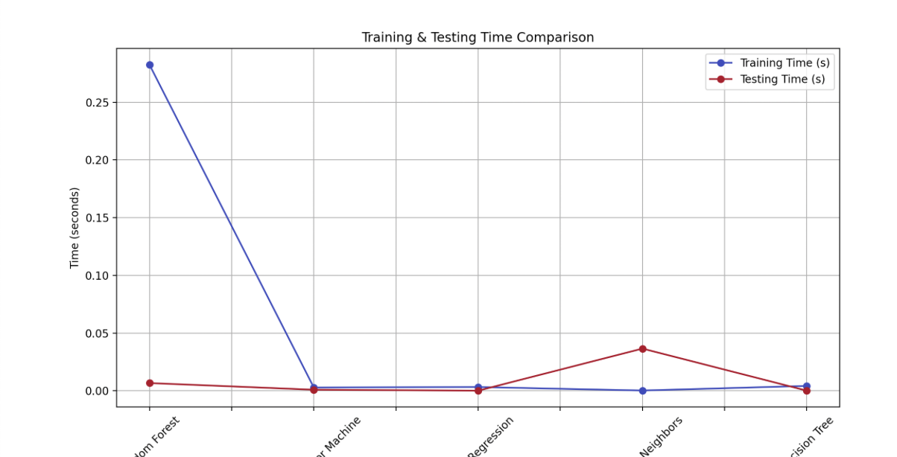
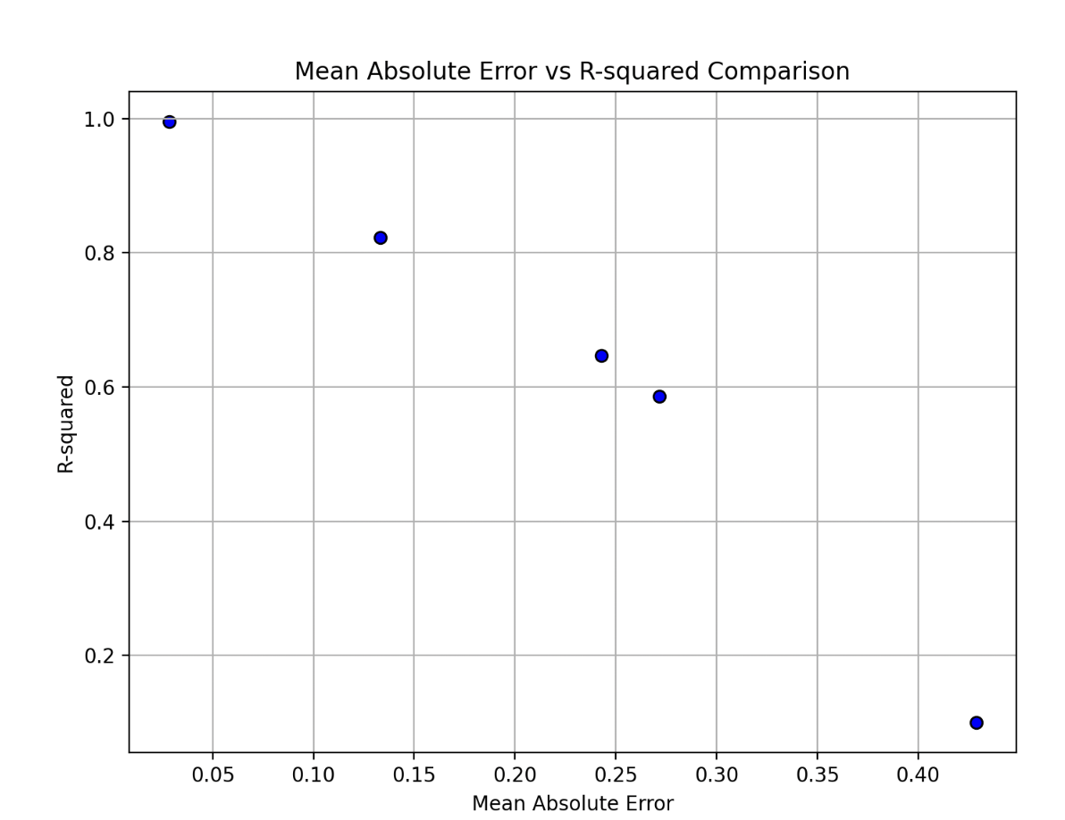
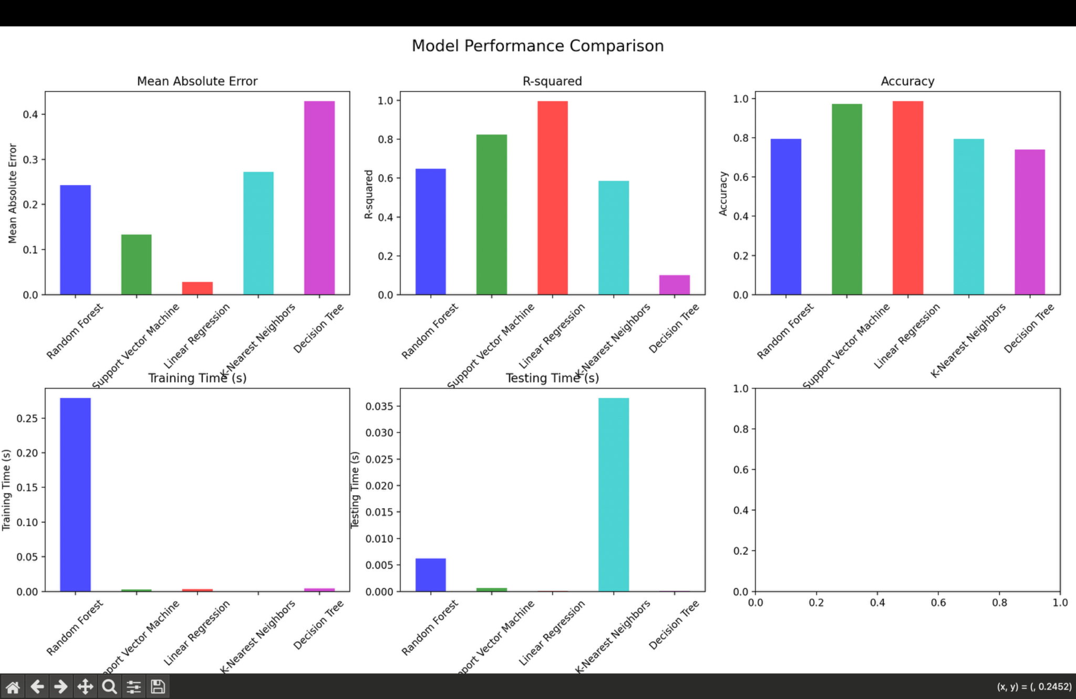
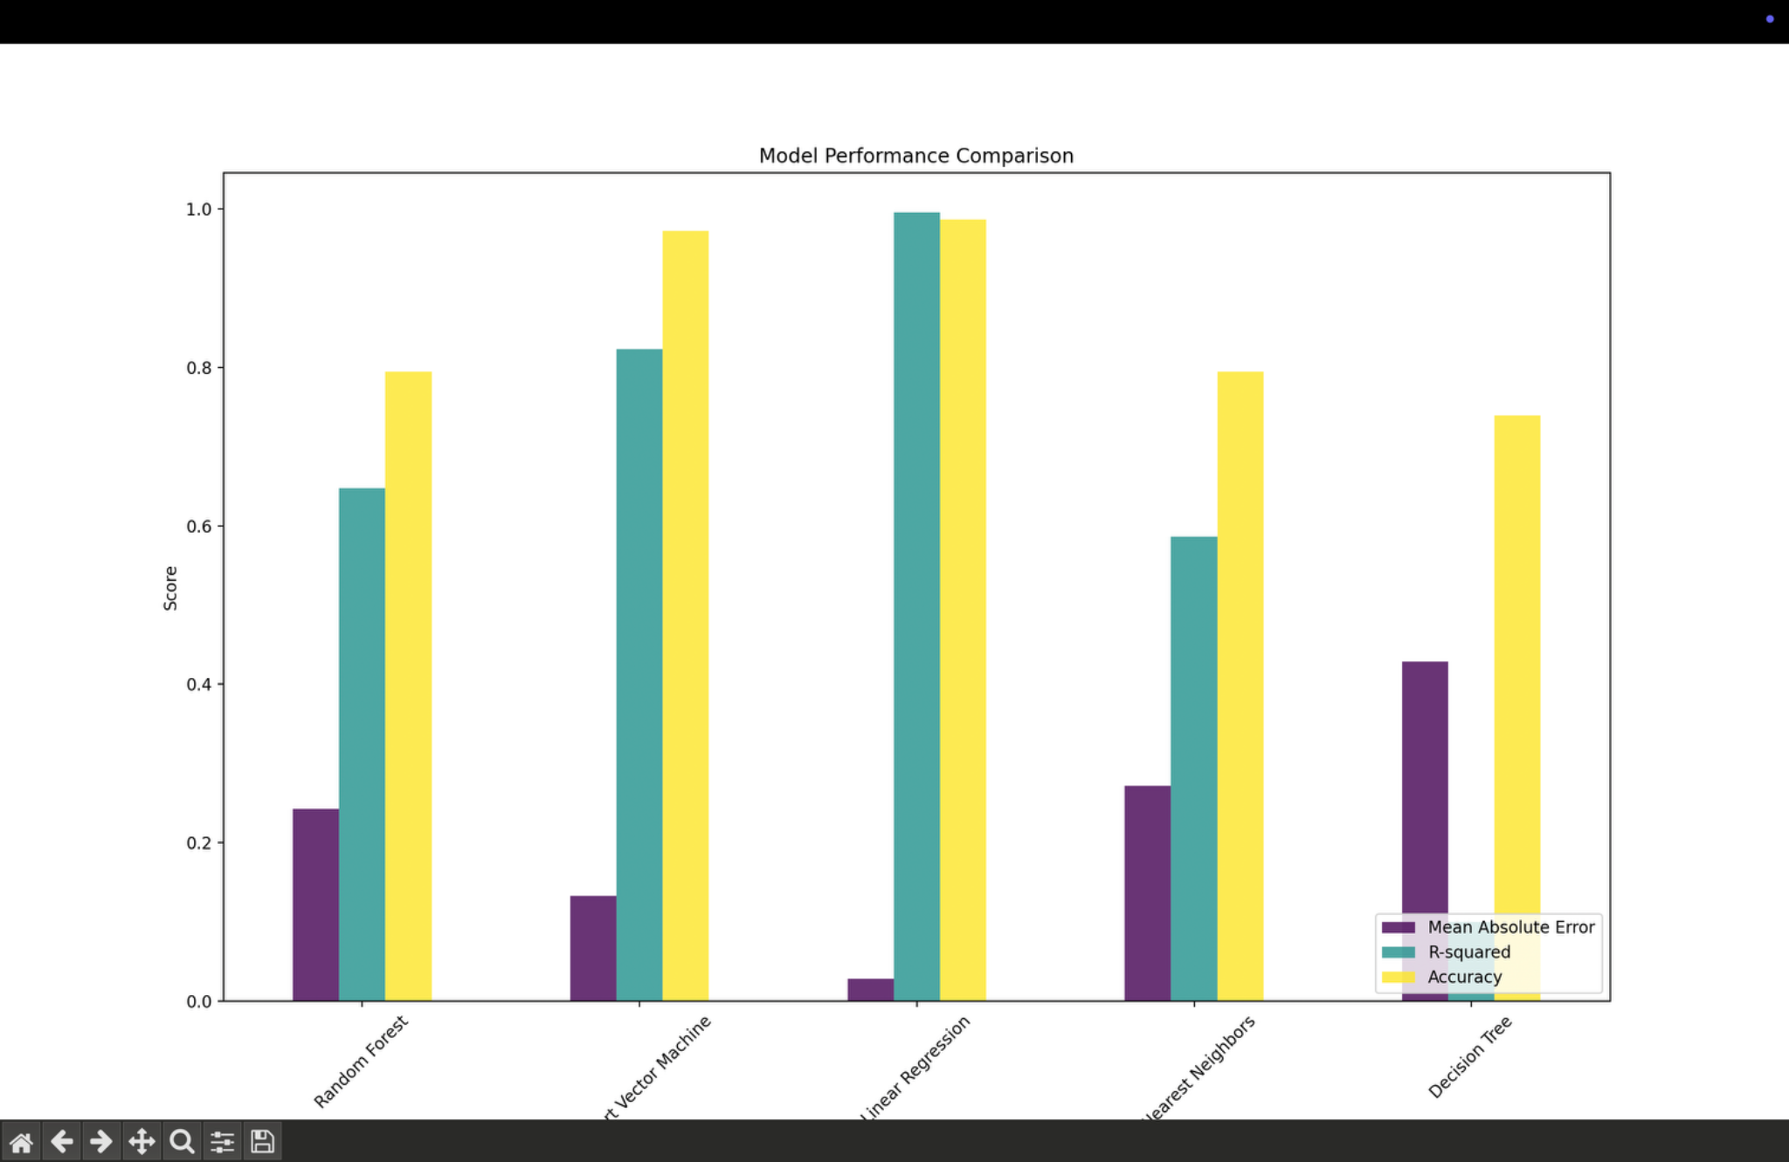
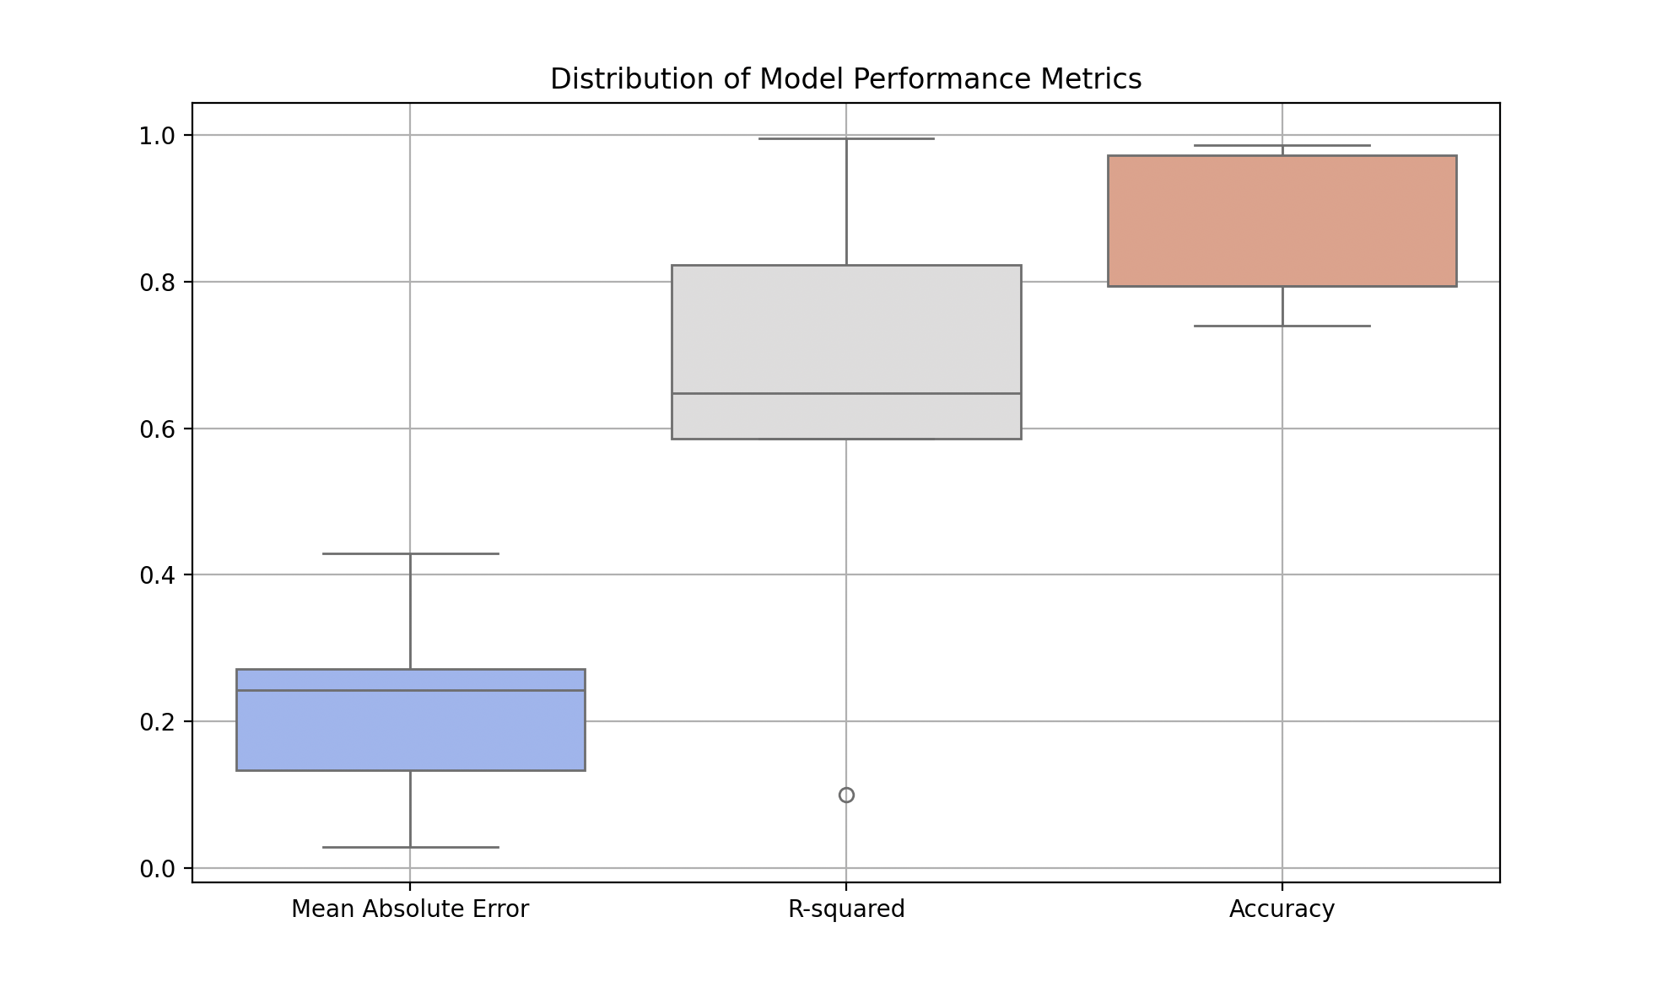
Model | Mean Absolute Error | R-squared | Accuracy | Training Time (s) | Testing Time (s)
Random Forest | 0.24295 | 0.647498 | 0.794521 | 0.274712 | 0.006102
Support Vector Machine | 0.133264 | 0.823276 | 0.972603 | 0.002433 | 0.000579
Linear Regression | 0.028553 | 0.995672 | 0.986301 | 0.002901 | 0.000115
K-Nearest Neighbors | 0.27179 | 0.586372 | 0.794521 | 0.000265 | 0.03729
Decision Tree | 0.428767 | 0.099914 | 0.739726 | 0.00426 | 0.000128

