Sheet1
Fast Fuels tests

# | Test id | Description | Expected Result | Pre-Condition | Comments
1 | fast fuel operation successful | 1. choose the fuel pump 2.put the pump handle to the chamber 3. use an NFC sensor witch has the following data: 3.a. NFC id = 223344 4. wait for pump to be ready 5. start fueling | 1.the pumps works and the car gets fuel 2.the system shows the client his rate by his current business conditions 3.system sends the payment to an external system 4.the system recalculate current fuel capacity in storage | 1.the NFC id= 223344 belong to a client that is registered to the system 2. there is enough fuel in the required fuel type in the pump | 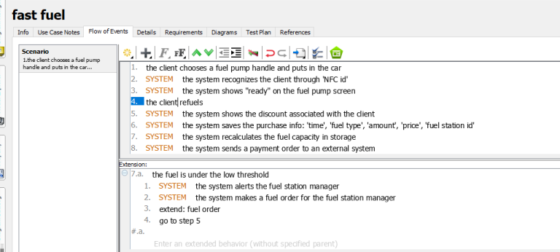 the NFC id is correct
2 | operation, wrong id | 1. choose the fuel pump 2.put the pump handle to the chamber 3. use an NFC sensor witch has the following data: 3.a. NFC id = 111111 | 1.the operation will stop and the car wont get refuled 2.the system will print: "no such client exists, please register to the system via marketing representative" | 1. the NFC id=111111 does not belong to any client in the DB | the NFC id is not recognizable
3 | operation, no NFC | 1. choose the fuel pump 2.put the pump handle to the chamber | 1.the operation will stop and the car wont get refuled | 1. the car does not have NFC sensor | operation does not continue without NFC sensor
4 | operation, no fuel | 1. choose the fuel pump 2.put the pump handle to the chamber 3. use an NFC sensor witch has the following data: 3.a. NFC id = 223344 | 1.the operation will stop and the car wont get refuled 2.system will print "there is no fuel in this pump, please change to other pump" | 1.the NFC id= 223344 belong to a client that is registered to the system 2.the NFC fuel type is recognized in the system 3. there is no fuel in the required fuel type in the pump | operation stops becuase there is no fuel in the pump
5 | operation , fuel is under the threshold | 1. choose the fuel pump 2.put the pump handle to the chamber 3. use an NFC sensor witch has the following data: 3.a. NFC id = 223344 4. wait for pump to be ready 5. fuel the car until the fuel in the pump is lower than the "low threshold" | 1.the pumps works and the car gets fuel 2.the system shows the client his rate by his current business conditions 3.system sends the payment to an external system 4.the system recalculate current fuel capacity in storage 5. system alerts the fuel station manager 6. system creates an order | 1.the NFC id= 223344 belong to a client that is registered to the system 2. there is enough fuel in the required fuel type in the pump 3. the pump has higher fuel capacity than the threshold | fueling operation completed succssefuly
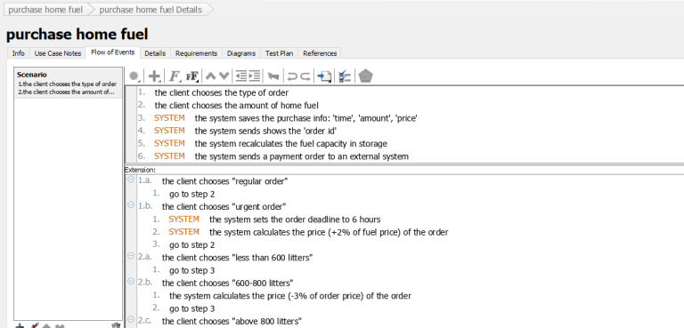
6 | operation, not enough fuel | 1. choose the fuel pump 2.put the pump handle to the chamber 3. use an NFC sensor witch has the following data: 3.a. NFC id = 223344 4. wait for pump to be ready 5. start fueling | 1.the pumps works and the car gets fuel until the pump is empty 2.system prints "the pump is now empty" 3.the system shows the client his rate by his current business conditions 4.system sends the payment to an external system 5.the system recalculate current fuel capacity in storage 6. system creates an order | 1.the NFC id= 223344 belong to a client that is registered to the system 2. there is not enough fuel in the required capacity in the pump 3. the pump has lower fuel capacity than the threshold | fueling operation has been done but not in the required capacity

home fuel tests

# | Test id | Description | Expected Result | Pre-Condition | Comments
1 | home fuel purchase successful | 1. user choose "home fuel purchas" 2.choose shipment method from combo box 3.set in field "fuel amount" = 500 4.press button "Confrim Purchase" | 1.system saves the purchase info after finishing refuling 2.the system recalculate current fuel capacity in storage 3.system prints "purchase approved" 4. system sends the payment order to an external system | 1. user is logged into the system 2. there is enough fuel | client fills a purchase request in the correct way and the system create such order
2 | home fuel purchase wrong fuel amount- negative number | 1. user choose "home fuel purchas" 2.choose shipment method from combo box 3.set in field "fuel amount" = -5 4.press button "Confrim Purchase" | 1.system prints: "amount cant be negative please fill again" 2.system clears the amount field | 1. user is logged into the system | client fills a negative amount of fuel
3 | home fuel purchase wrong fuel amount- characters | 1. user choose "home fuel purchas" 2.choose shipment method from combo box 3.set in field "fuel amount" = aaa 4.press button "Confrim Purchase" | 1.system prints: "amount cant be with charcters please fill again" 2.system clears the amount field | 1. user is logged into the system | client fills a negative amount of fuel
4 | home fuel purchase wrong shipment | 1. user choose "home fuel purchas" 2.dont choose shipment method from combo box 3.set in field "fuel amount" = 500 4.press button "Confrim Purchase" | 1.system prints: "please select a shipment method" 2.system highlights the combo box of shipment method | 1. user is logged into the system 2. there is enough fuel | client does not choose any shipment method

