CORREL
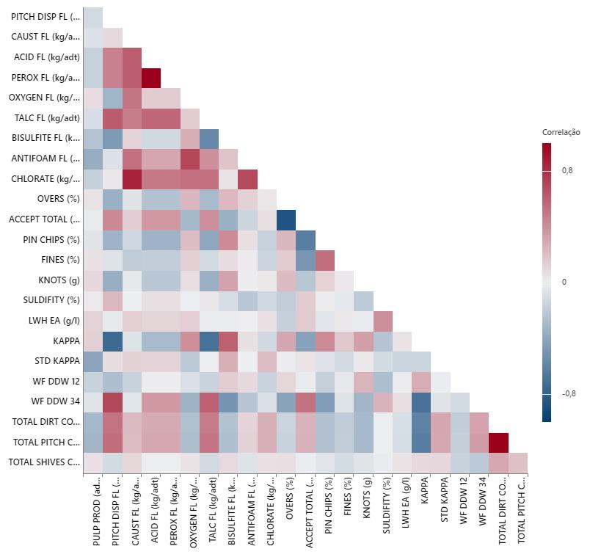

X

X

X

X
X

X

X
X

X
X
X

X
X

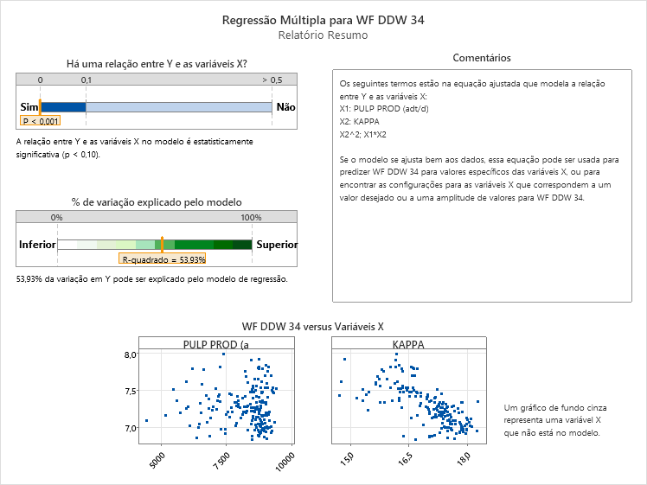
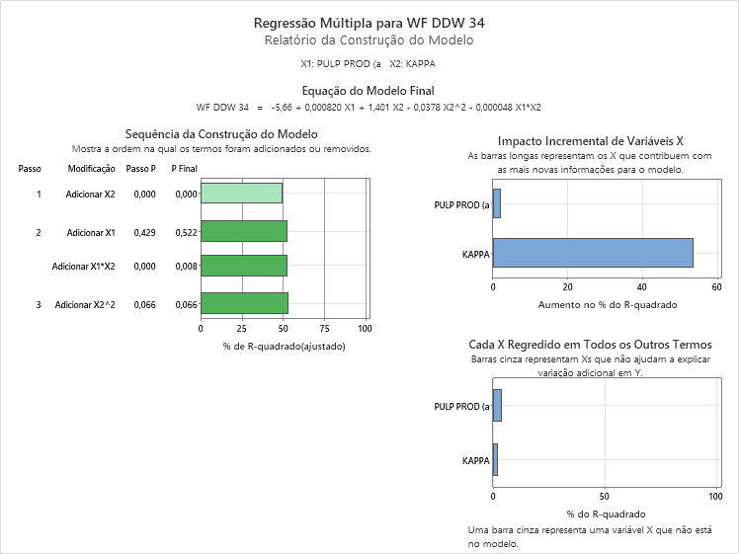
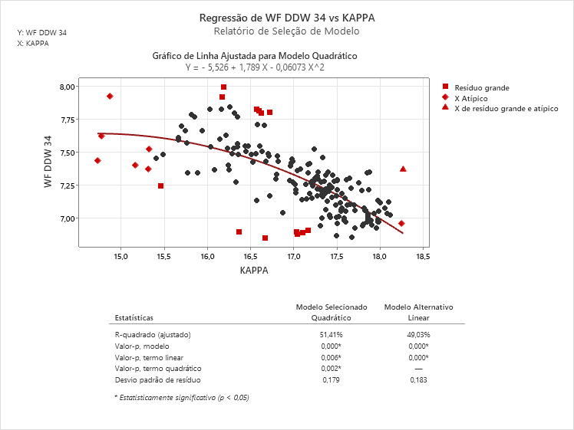
WF DDW #3/4
 |  |  | WF (m3/adt) | CST (%) | DF (m3/adt)
KAPPA = | 17.2 | ---> | 8.2 | 13.0 | 2.5
PROD = | 8,600

15.00 | 7.71 | 7.71
15.50 | 7.63 | 7.79 | 0.08 | 0.13
16.00 | 7.53 | 7.89 | 0.10
16.50 | 7.41 | 8.01 | 0.12
17.00 | 7.27 | 8.15 | 0.14
17.50 | 7.11 | 8.31 | 0.16
18.00 | 6.93 | 8.49 | 0.18

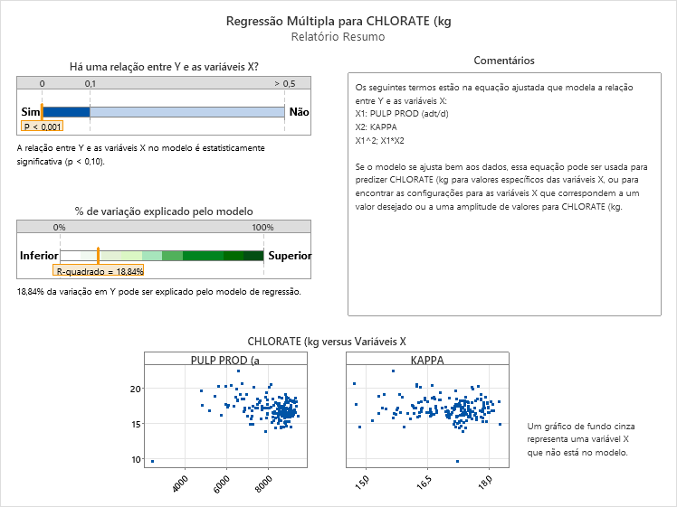
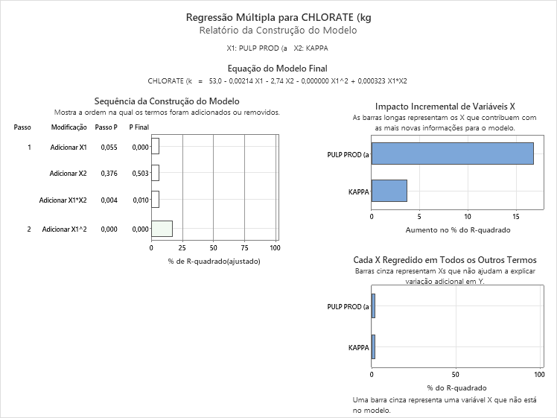
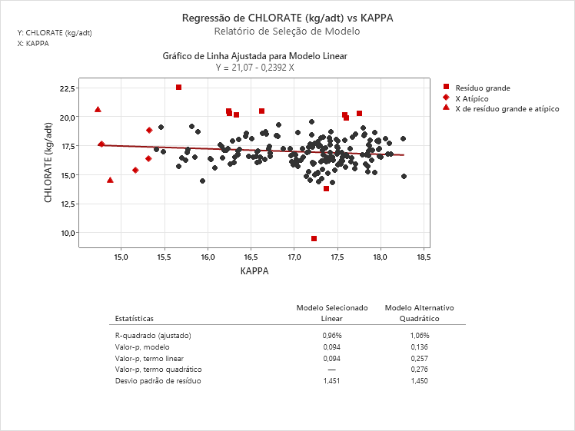
 |  |  | 1.023255814 | 1.0113574905
CHLORATE |  |  | 0.98837209302
KAPPA = | 17.2
PROD = | 8,600
 |  |  | CHLORATE (kg/adt) | DIOX (kg/adt)
 |  | ---> | 17.4 | 10.6

15.00 | 17.48 | 17.12 | -0.72 | 16.76 | 10.22
15.50 | 17.36 | 17.12 | -0.48 | 16.88 | 10.30
16.00 | 17.24 | 17.12 | -0.24 | 17.00 | 10.37
16.50 | 17.12 | 17.12 | - | 17.12 | 10.44
17.00 | 17.00 | 17.12 | 0.24 | 17.24 | 10.51
17.50 | 16.88 | 17.12 | 0.48 | 17.36 | 10.59
18.00 | 16.76 | 17.12 | 0.72 | 17.48 | 10.66

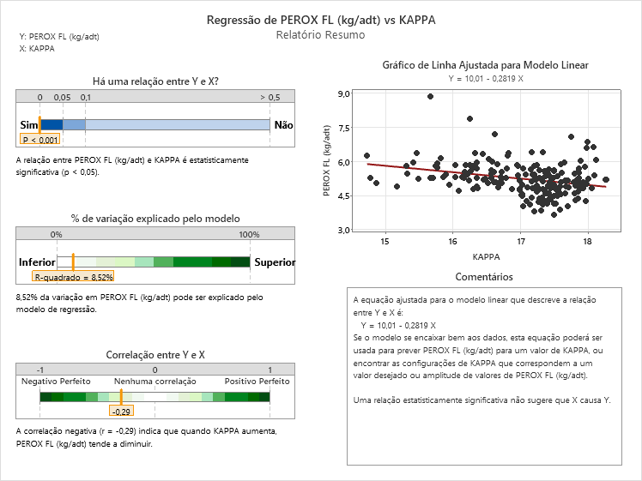
PEROXIDE
KAPPA = | 17.2 |  | PEROXIDE |  | PEROX (kg/adt)
PROD = | 8,600 |  | 5.7 |  | 2.9

15.00 | 5.8 | 5.4 | -0.4 | 4.9 | 2.47
15.50 | 5.6 | 5.4 | -0.3 | 5.1 | 2.54
16.00 | 5.5 | 5.4 | -0.1 | 5.2 | 2.61
16.50 | 5.4 | 5.4 | - | 5.4 | 2.68
17.00 | 5.2 | 5.4 | 0.1 | 5.5 | 2.75
17.50 | 5.1 | 5.4 | 0.3 | 5.6 | 2.82
18.00 | 4.9 | 5.4 | 0.4 | 5.8 | 2.89

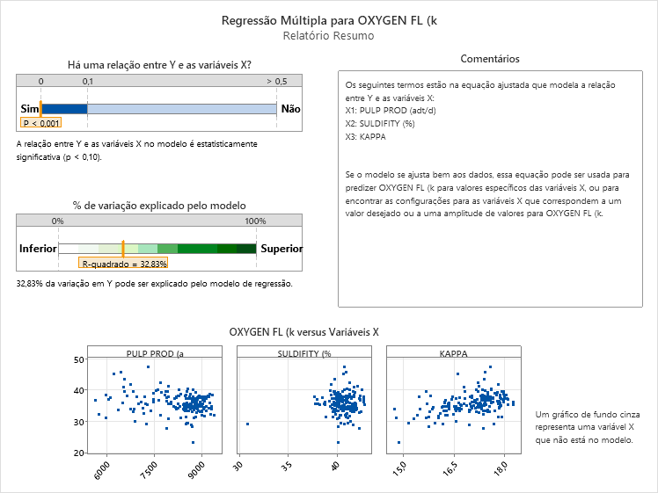
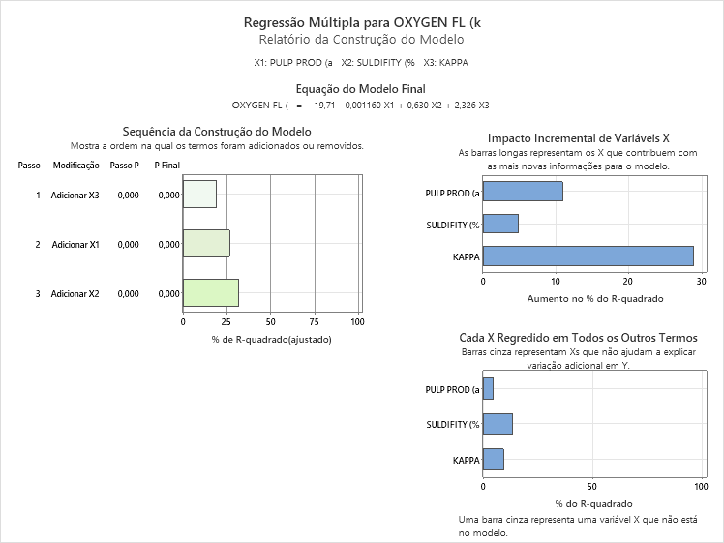
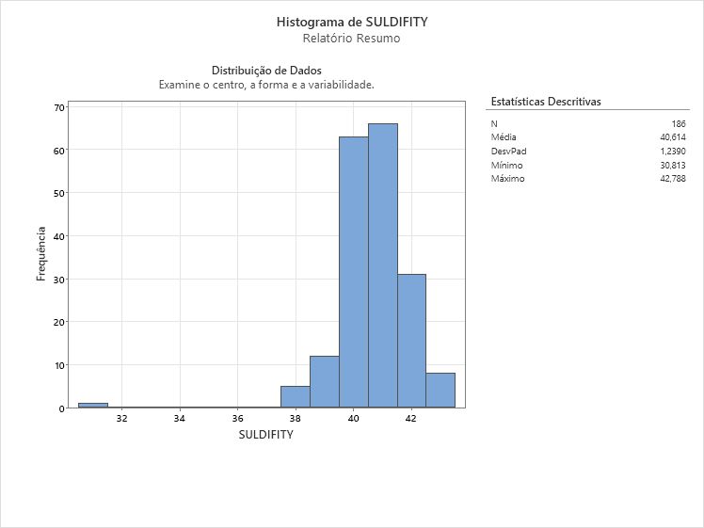
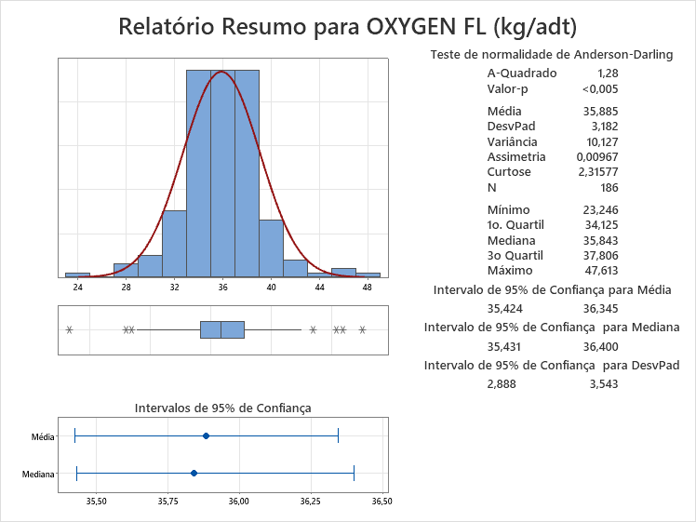
OXYGEN
KAPPA = | 17.2 |  |  |  | OXYGEN (kg/adt)
PROD = | 8,600 |  | 36.2 |  | 36.2
SULF = | 41.0

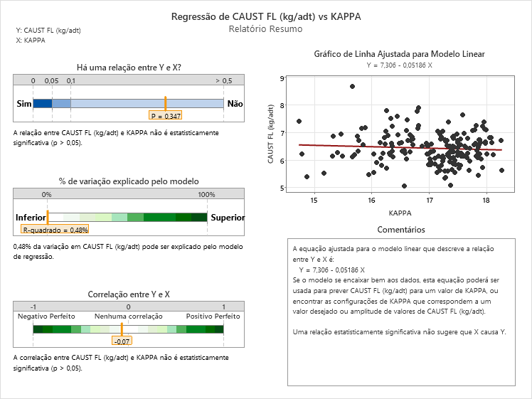
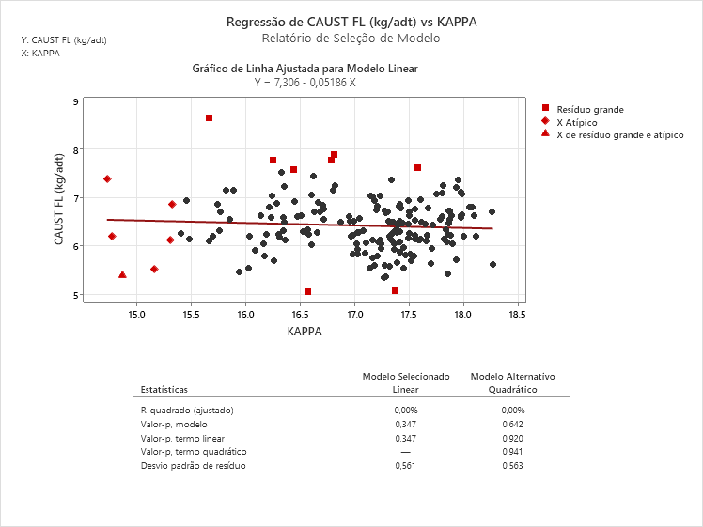
CAUSTIC
KAPPA = | 17.2 |  |  |  | CAUSTIC (kg/adt)
PROD = | 8,600 |  | 6.5 |  | 6.5

15.00 | 6.53 | 6.45031 | -0.08 | 6.37
15.50 | 6.50 | 6.45031 | -0.05 | 6.40
16.00 | 6.48 | 6.45031 | -0.03 | 6.42
16.50 | 6.45 | 6.45031 | - | 6.45
17.00 | 6.42 | 6.45031 | 0.03 | 6.48
17.50 | 6.40 | 6.45031 | 0.05 | 6.50
18.00 | 6.37 | 6.45031 | 0.08 | 6.53

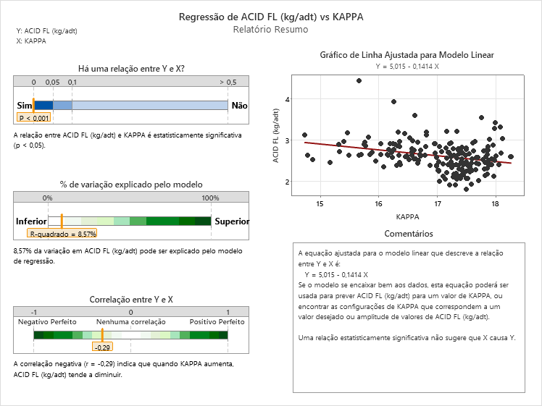
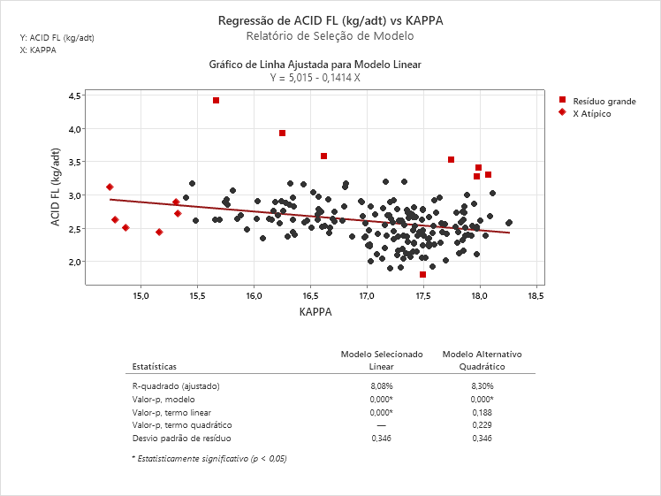
ACID
KAPPA = | 17.2 |  |  |  | ACID (kg/adt)
PROD = | 8,600 |  | 2.7 |  | 2.7

15.00 | 2.89 | 2.6819 | -0.21 | 2.47
15.50 | 2.82 | 2.6819 | -0.14 | 2.54
16.00 | 2.75 | 2.6819 | -0.07 | 2.61
16.50 | 2.68 | 2.6819 | - | 2.68
17.00 | 2.61 | 2.6819 | 0.07 | 2.75
17.50 | 2.54 | 2.6819 | 0.14 | 2.82
18.00 | 2.47 | 2.6819 | 0.21 | 2.89

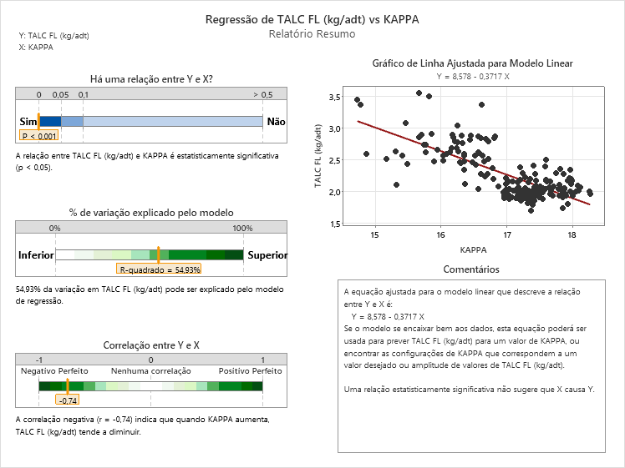
MAGNESITE
KAPPA = | 17.2 |  |  |  | MAGNESITE (kg/adt)
PROD = | 8,600 |  |  |  | 2.7

15.00 | 3.0 | 2.44495 | -0.6 | 1.9
15.50 | 2.8 | 2.44495 | -0.4 | 2.1
16.00 | 2.6 | 2.44495 | -0.2 | 2.3
16.50 | 2.4 | 2.44495 | - | 2.4
17.00 | 2.3 | 2.44495 | 0.2 | 2.6
17.50 | 2.1 | 2.44495 | 0.4 | 2.8
18.00 | 1.9 | 2.44495 | 0.6 | 3.0

PPT
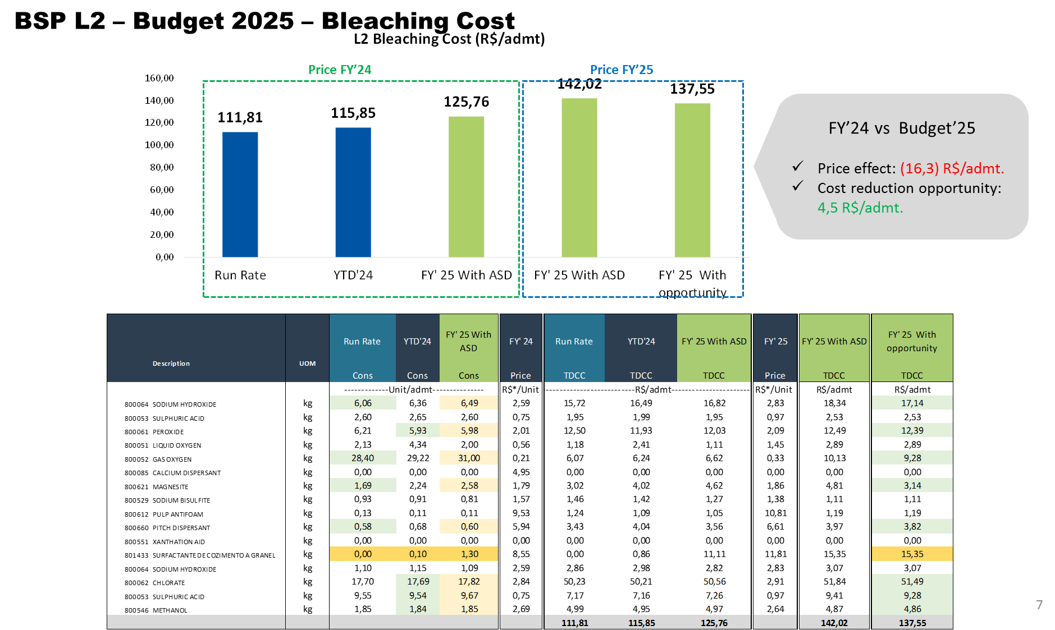

KAPPA = | 17.2
PROD = | 8,600
SULF = | 41.0

 |  |  | Chemicals | Run Rate | YTD'24 | FY'25 | Curve
 |  | Fiberline | SODIUM HYDROXIDE | 6.06 | 6.36 | 6.49 | 6.49
 |  |  | SULPHURIC ACID | 2.60 | 2.65 | 2.60 | 2.65
 |  |  | PEROXIDE | 6.21 | 5.93 | 5.98 | 5.71
 |  |  | OXYGEN | 30.53 | 33.56 | 33.00 | 36.15
 |  |  | MAGNESITE | 1.69 | 2.24 | 2.58 | 2.71
 |  |  | SODIUM BISULFITE | 0.93 | 0.91 | 0.81 | 0.81
 |  |  | PULP ANTIFOAM | 0.13 | 0.11 | 0.11 | 0.11
 |  |  | PITCH DISPERSANT | 0.58 | 0.68 | 0.60 | 0.60
 |  |  | COOKING AID | - | - | 1.30 | 1.30
 |  | Chemical Plant | CHLORATE | 17.70 | 17.69 | 17.82 | 17.41
 |  |  | SODIUM HYDROXIDE | 1.10 | 1.15 | 1.09 | 1.09
 |  |  | SULPHURIC ACID | 9.55 | 9.54 | 9.67 | 9.67
 |  |  | METHANOL | 1.85 | 1.84 | 1.85 | 1.85

