Self-Check by DetailDesign
 |  | Project name |  |  | Hotel Management |  |  |  | Author | Anhl
 |  | Document |  |  |  |  |  |  | Executor | Anhl
 |  | Screen ID |  |  |  |  |  |  | Create date | 19/02/2025
 |  | Screen name |  |  | List Hotel
 |  | Overview

 |  |  |  |  |  |  |  |  |  |  |  |  | Status
 |  |  |  |  |  |  |  |  |  |  |  |  | Pass
 |  |  |  |  |  |  |  |  |  |  |  |  | Fail
Summary |  | Pass | Fail | Pending |  | Uncheck | Total |  |  |  |  |  | Pending
 |  | 24 | 0 | 0 |  | 0 | 24 |  |  |  |  |  | Uncheck
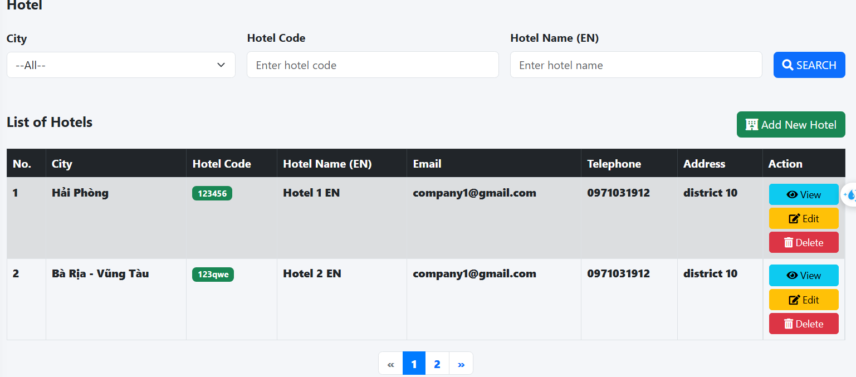
No. | Check content |  |  |  |  |  |  |  |  |  |  | Member check |  | Date check | Check result | Note
 | I. 項目定義
 | 1. Search section |  |  |  |  |  |  |  |  |  | プロパティ名
1 | Check display City combobox |  |  |  |  |  |  |  |  |  |  | Anhl |  | 19/02/2025 | Pass
2 | Check display Hotel Code field |  |  |  |  |  |  |  |  |  |  | Anhl |  | 19/02/2025 | Pass
3 | Check display Hotel Name (EN) field |  |  |  |  |  |  |  |  |  |  | Anhl |  | 19/02/2025 | Pass
4 | Check display Search Button |  |  |  |  |  |  |  |  |  |  | Anhl |  | 19/02/2025 | Pass
5 | Check Add New Hotel button |  |  |  |  |  |  |  |  |  |  | Anhl |  | 19/02/2025 | Pass
 | 2. List section
1 | Check display No |  |  |  |  |  |  |  |  |  |  | Anhl |  | 19/02/2025 | Pass
1 | Check display City |  |  |  |  |  |  |  |  |  |  | Anhl |  | 19/02/2025 | Pass
2 | Check display Hotel Code |  |  |  |  |  |  |  |  |  |  | Anhl |  | 19/02/2025 | Pass
3 | Check display Hotel Name (EN) |  |  |  |  |  |  |  |  |  |  | Anhl |  | 19/02/2025 | Pass
4 | Check display Email |  |  |  |  |  |  |  |  |  |  | Anhl |  | 19/02/2025 | Pass
6 | Check display Telephone |  |  |  |  |  |  |  |  |  |  | Anhl |  | 19/02/2025 | Pass
7 | Check display Address |  |  |  |  |  |  |  |  |  |  | Anhl |  | 19/02/2025 | Pass
8 | Check dissplay View button |  |  |  |  |  |  |  |  |  |  | Anhl |  | 19/02/2025 | Pass
9 | Check display Edit button |  |  |  |  |  |  |  |  |  |  | Anhl |  | 19/02/2025 | Pass
10 | Check display Delete button |  |  |  |  |  |  |  |  |  |  | Anhl |  | 19/02/2025 | Pass
 | 3. Check switch screen
1 | Check switch to Create Hotel Screen |  |  |  |  |  |  |  |  |  |  | Anhl |  | 19/02/2025 | Pass
2 | Check switch to View Hotel Screen |  |  |  |  |  |  |  |  |  |  | Anhl |  | 19/02/2025 | Pass
3 | Check switch to Edit Hotel Screen |  |  |  |  |  |  |  |  |  |  | Anhl |  | 19/02/2025 | Pass
4 | Check Delete Hotel message |  |  |  |  |  |  |  |  |  |  | Anhl |  | 19/02/2025 | Pass
 | 4. Check the search function
1 | Check if the search condition is only City |  |  |  |  |  |  |  |  |  |  | Anhl |  | 19/02/2025 | Pass
2 | Check if the search condition have City and Hotel Code |  |  |  |  |  |  |  |  |  |  | Anhl |  | 19/02/2025 | Pass
3 | Check if the search condition have City and Hotel Name (EN) |  |  |  |  |  |  |  |  |  |  | Anhl |  | 19/02/2025 | Pass
4 | Check if the search condition have Hotel Code and Hotel Name (EN) |  |  |  |  |  |  |  |  |  |  | Anhl |  | 19/02/2025 | Pass
5 | Check if the search condition have City, Hotel Code and Hotel Name (EN) in param |  |  |  |  |  |  |  |  |  |  | Anhl |  | 19/02/2025 | Pass

 |  |  |  |  |  |  |  | s

