Self-Check by DetailDesign
 |  | Project name |  |  | Hotel Management |  |  | Author | Ngoctbt
 |  | Document |  |  | https://drive.google.com/drive/folders/1th8Vw9IH3Gj6b86UtLjPlXiUNInQPUgG |  |  | Executor | Ngoctbt
 |  | Screen ID |  |  |  |  |  | Create date | 2025-02-17
 |  | Screen name |  |  | Create Hotel
 |  | Overview

 |  |  |  |  |  |  |  |  |  |  |  | Status
 |  |  |  |  |  |  |  |  |  |  |  | Pass
 |  |  |  |  |  |  |  |  |  |  |  | Fail
Summary |  | Pass | Fail | Pending |  | UnCheck if | Total |  |  |  |  | Pending
 |  | 44 | 0 | 0 |  | 0 | 44 |  |  |  |  | UnCheck if

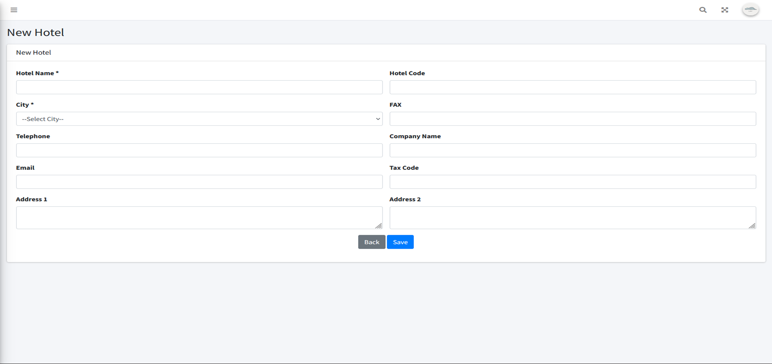
No. | Check if content |  |  |  |  |  |  |  |  |  | Member Check if |  | Date Check if | Check if result | Note
 | I. 項目定義
 | 1. Check if display Create Hotel screen |  |  |  |  |  |  |  |  | プロパティ名
1 | Check if display Name (EN) field |  |  |  |  |  |  |  |  |  | Anhl |  | 2025-02-19 | Pass
2 | Check if display Name (JP) field |  |  |  |  |  |  |  |  |  | Anhl |  | 2025-02-19 | Pass
3 | Check if display City combobox |  |  |  |  |  |  |  |  |  | Anhl |  | 2025-02-19 | Pass
4 | Check if display Hotel Code |  |  |  |  |  |  |  |  |  | Anhl |  | 2025-02-19 | Pass
5 | Check if display Company Name field |  |  |  |  |  |  |  |  |  | Anhl |  | 2025-02-19 | Pass
6 | Check if display Email field |  |  |  |  |  |  |  |  |  | Anhl |  | 2025-02-19 | Pass
7 | Check if display Telephone field |  |  |  |  |  |  |  |  |  | Anhl |  | 2025-02-19 | Pass
8 | Check if display Fax field |  |  |  |  |  |  |  |  |  | Anhl |  | 2025-02-19 | Pass
9 | Check if display Tax Code field |  |  |  |  |  |  |  |  |  | Anhl |  | 2025-02-19 | Pass
10 | Check if display Address1 textarea |  |  |  |  |  |  |  |  |  | Anhl |  | 2025-02-19 | Pass
11 | Check if display Address2 textarea |  |  |  |  |  |  |  |  |  | Anhl |  | 2025-02-19 | Pass
 | 2. Check if the URL and API screen |  |  |  |  |  |  |  |  |  | Anhl
1 | http://127.0.0.1:8000/hotels/create |  |  |  |  |  |  |  |  |  | Anhl |  | 2025-02-19 | Pass
 | 3. Validate Required Fields and Existing Validation |  |  |  |  |  |  |  |  |  | Anhl
1 | Check if Name (EN) is blank |  |  |  |  |  |  |  |  |  | Anhl |  | 2025-02-19 | Pass
2 | Check if Name (EN) is over 255 character |  |  |  |  |  |  |  |  |  | Anhl |  | 2025-02-19 | Pass
3 | Check if Name (EN) is already exist |  |  |  |  |  |  |  |  |  | Anhl |  | 2025-02-19 | Pass
4 | Check if Name (EN) contains characters other than numbers, letters and spaces |  |  |  |  |  |  |  |  |  | Anhl |  | 2025-02-19 | Pass
5 | Check if Name (EN) is blank |  |  |  |  |  |  |  |  |  | Anhl |  | 2025-02-19 | Pass
6 | Check if Name (JP) is over 255 character |  |  |  |  |  |  |  |  |  | Anhl |  | 2025-02-19 | Pass
7 | Check if Name (JP) is already exist |  |  |  |  |  |  |  |  |  | Anhl |  | 2025-02-19 | Pass
8 | Check if Name (JP) contains characters other than numbers, letters and spaces |  |  |  |  |  |  |  |  |  | Anhl |  | 2025-02-19 | Pass
9 | Check if City is not selected |  |  |  |  |  |  |  |  |  | Anhl |  | 2025-02-19 | Pass
10 | Check if City does not exists in database |  |  |  |  |  |  |  |  |  | Anhl |  | 2025-02-19 | Pass
11 | Check if City is not a number |  |  |  |  |  |  |  |  |  | Anhl |  | 2025-02-19 | Pass
12 | Check if Hotel Code is blank |  |  |  |  |  |  |  |  |  | Anhl |  | 2025-02-19 | Pass
13 | Check if Hotel Code is over 255 character |  |  |  |  |  |  |  |  |  | Anhl |  | 2025-02-19 | Pass
14 | Check if Hotel Code is already exist |  |  |  |  |  |  |  |  |  | Anhl |  | 2025-02-19 | Pass
15 | Check if Hotel Code contains characters other than numbers and letters |  |  |  |  |  |  |  |  |  | Anhl |  | 2025-02-19 | Pass
16 | Check if Company Name is blank |  |  |  |  |  |  |  |  |  | Anhl |  | 2025-02-19 | Pass
17 | Check if Conpany name is over 255 characters |  |  |  |  |  |  |  |  |  | Anhl |  | 2025-02-19 | Pass
18 | Check if email format is not valid |  |  |  |  |  |  |  |  |  | Anhl |  | 2025-02-19 | Pass
19 | Check if email is blank |  |  |  |  |  |  |  |  |  | Anhl |  | 2025-02-19 | Pass
20 | Check if email is over 100 character |  |  |  |  |  |  |  |  |  | Anhl |  | 2025-02-19 | Pass
21 | Check if Telephone is blank |  |  |  |  |  |  |  |  |  | Anhl |  | 2025-02-19 | Pass
22 | Check if Telephone is over size 10 characters |  |  |  |  |  |  |  |  |  | Anhl |  | 2025-02-19 | Pass
23 | Check if Telephone have letter characters |  |  |  |  |  |  |  |  |  | Anhl |  | 2025-02-19 | Pass
24 | Check if Fax has less than 255 characters |  |  |  |  |  |  |  |  |  | Anhl |  | 2025-02-19 | Pass
25 | Check if Fax contains characters other than numbers, spaces and '-' |  |  |  |  |  |  |  |  |  | Anhl |  | 2025-02-19 | Pass
26 | Check if Tax code is blank |  |  |  |  |  |  |  |  |  | Anhl |  | 2025-02-19 | Pass
27 | Check if Tax Code is over 13 characters |  |  |  |  |  |  |  |  |  | Anhl |  | 2025-02-19 | Pass
28 | Check if Tax Code has less than 10 characters |  |  |  |  |  |  |  |  |  | Anhl |  | 2025-02-19 | Pass
29 | Check if Tax Code contains characters other than numbers |  |  |  |  |  |  |  |  |  | Anhl |  | 2025-02-19 | Pass
30 | Check if address 1 is blank |  |  |  |  |  |  |  |  |  | Anhl |  | 2025-02-19 | Pass
31 | Check if address 1 is over 255 characters |  |  |  |  |  |  |  |  |  | Anhl |  | 2025-02-19 | Pass
32 | Check if address 2 is over 255 characters |  |  |  |  |  |  |  |  |  | Anhl |  | 2025-02-19 | Pass

