Self-Check by DetailDesign
 |  | Project name |  |  | Hotel Management |  |  | Author | Anhl
 |  | Document |  |  | https://drive.google.com/drive/folders/1th8Vw9IH3Gj6b86UtLjPlXiUNInQPUgG |  |  | Executor | Anhl
 |  | Screen ID |  |  |  |  |  | Create date | 19/02/2025
 |  | Screen name |  |  | Delete User
 |  | Overview

 |  |  |  |  |  |  |  |  |  |  |  | Status
 |  |  |  |  |  |  |  |  |  |  |  | Pass
 |  |  |  |  |  |  |  |  |  |  |  | Fail
Summary |  | Pass | Fail | Pending |  | Uncheck | Total |  |  |  |  | Pending
 |  | 10 | 0 | 0 |  | 0 | 10 |  |  |  |  | Uncheck

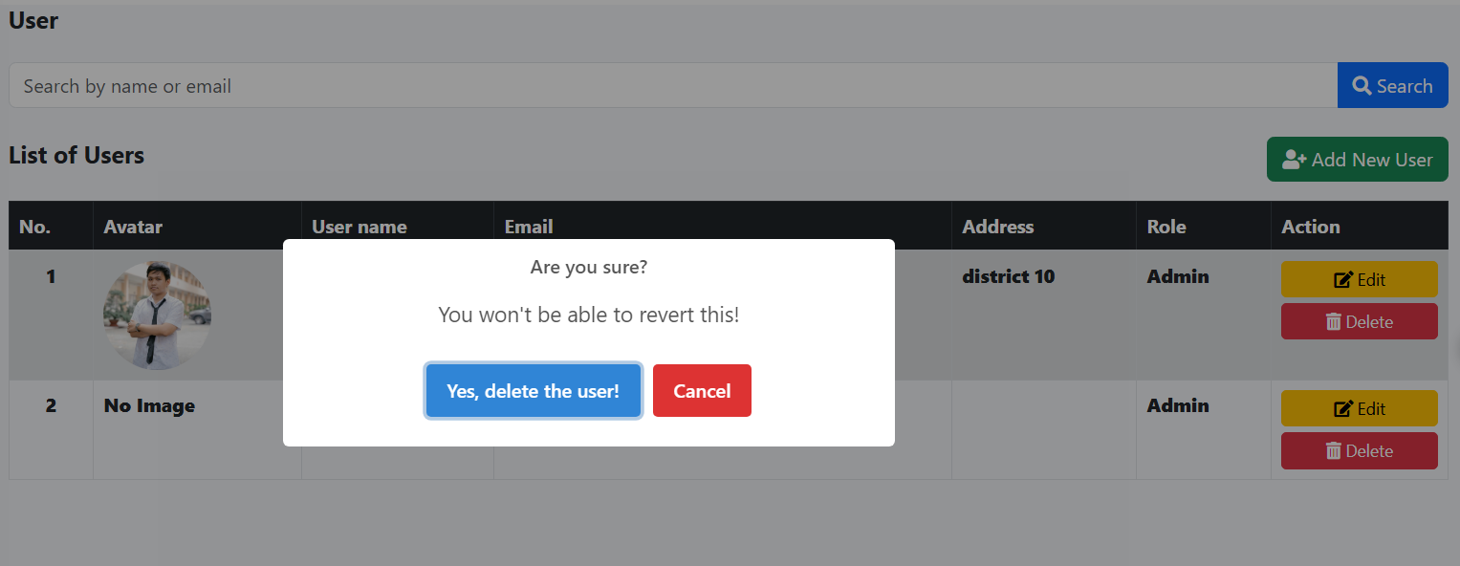
No. | Check content |  |  |  |  |  |  |  |  |  | Member check |  | Date check | Check result | Note
 | I. 項目定義
 | 1. Check display Delete User message confirm |  |  |  |  |  |  |  |  | プロパティ名
1 | Check display Delete button |  |  |  |  |  |  |  |  |  | Anhl |  | 19/02/2025 | Pass
2 | Check message confirm |  |  |  |  |  |  |  |  |  | Anhl |  | 19/02/2025 | Pass
3 | Check Delete button in message confirm |  |  |  |  |  |  |  |  |  | Anhl |  | 19/02/2025 | Pass
4 | Check Cancel button in message confirm |  |  |  |  |  |  |  |  |  | Anhl |  | 19/02/2025 | Pass
 | 2. Check the URL and API screen
1 | Check delete user successfully |  |  |  |  |  |  |  |  |  | Anhl |  | 19/02/2025 | Pass
2 | Check Cancel delete user |  |  |  |  |  |  |  |  |  | Anhl |  | 19/02/2025 | Pass
 | 3. Validate Required Fields and Existing Validation
1 | Check delete user successfully |  |  |  |  |  |  |  |  |  | Anhl |  | 19/02/2025 | Pass
2 | Check Cancel delete user |  |  |  |  |  |  |  |  |  | Anhl |  | 19/02/2025 | Pass
3 | Check delete user successfully |  |  |  |  |  |  |  |  |  | Anhl |  | 19/02/2025 | Pass
4 | Check if user owns one or more existing hotels |  |  |  |  |  |  |  |  |  | Anhl |  | 19/02/2025 | Pass

