Self-Check by DetailDesign
 |  | Project name |  |  | Hotel Management |  |  | Author | Anhl
 |  | Document |  |  | https://drive.google.com/drive/folders/1th8Vw9IH3Gj6b86UtLjPlXiUNInQPUgG |  |  | Executor | Anhl
 |  | Screen ID |  |  |  |  |  | Create date | 19/02/2025
 |  | Screen name |  |  | Edit User
 |  | Overview

 |  |  |  |  |  |  |  |  |  |  |  | Status
 |  |  |  |  |  |  |  |  |  |  |  | Pass
 |  |  |  |  |  |  |  |  |  |  |  | Fail
Summary |  | Pass | Fail | Pending |  | Uncheck | Total |  |  |  |  | Pending
 |  | 32 | 0 | 0 |  | 0 | 32 |  |  |  |  | Uncheck
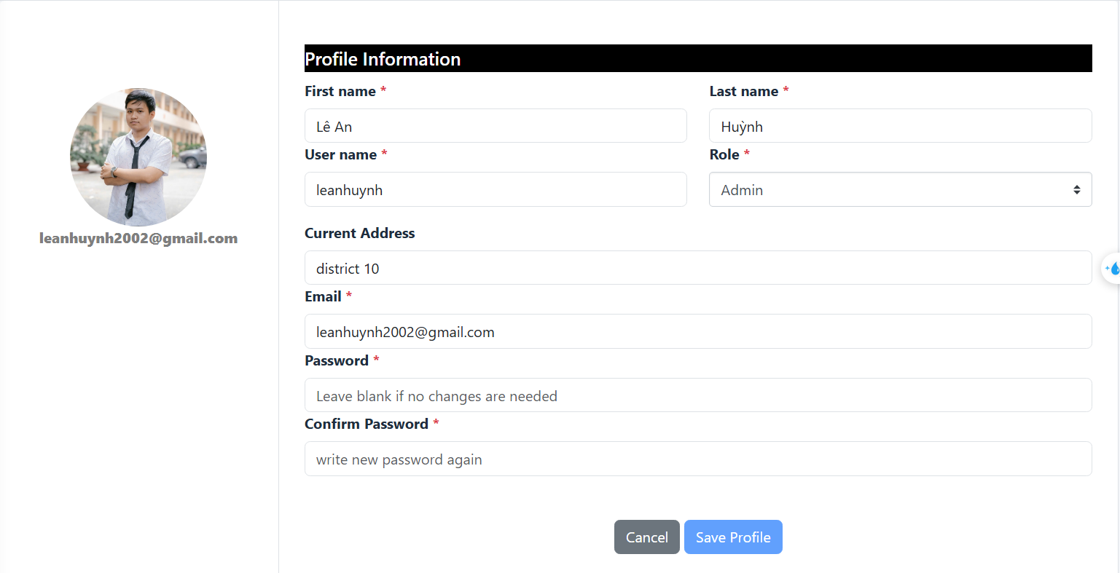
No. | Check content |  |  |  |  |  |  |  |  |  | Member check |  | Date check | Check result | Note
 | I. 項目定義
 | 1. Check display Create User screen |  |  |  |  |  |  |  |  | プロパティ名
1 | Check display First Name field |  |  |  |  |  |  |  |  |  | Anhl |  | 19/02/2025 | Pass
2 | Check display Last Name field |  |  |  |  |  |  |  |  |  | Anhl |  | 19/02/2025 | Pass
3 | Check display Username field |  |  |  |  |  |  |  |  |  | Anhl |  | 19/02/2025 | Pass
4 | Check display Email field |  |  |  |  |  |  |  |  |  | Anhl |  | 19/02/2025 | Pass
5 | Check display Address field |  |  |  |  |  |  |  |  |  | Anhl |  | 19/02/2025 | Pass
6 | Check display Role combobox |  |  |  |  |  |  |  |  |  | Anhl |  | 19/02/2025 | Pass
7 | Check display Password field |  |  |  |  |  |  |  |  |  | Anhl |  | 19/02/2025 | Pass
8 | Check display Confirm Password field |  |  |  |  |  |  |  |  |  | Anhl |  | 19/02/2025 | Pass
9 | Check display Avatar field |  |  |  |  |  |  |  |  |  | Anhl |  | 19/02/2025 | Pass
10 | Check display Back button |  |  |  |  |  |  |  |  |  | Anhl |  | 19/02/2025 | Pass
11 | Check display Save button |  |  |  |  |  |  |  |  |  | Anhl |  | 19/02/2025 | Pass
 | 2. Check the URL and API screen
1 | http://127.0.0.1:8000/users/create |  |  |  |  |  |  |  |  |  | Anhl |  | 19/02/2025 | Pass
 | 3. Validate Required Fields and Existing Validation
1 | Check if First Name is blank |  |  |  |  |  |  |  |  |  | Anhl |  | 19/02/2025 | Pass
2 | Check If First Name is over than 255 characters |  |  |  |  |  |  |  |  |  | Anhl |  | 19/02/2025 | Pass
3 | Check if Last Name is blank |  |  |  |  |  |  |  |  |  | Anhl |  | 19/02/2025 | Pass
4 | Check if Last Name is over than 255 characters |  |  |  |  |  |  |  |  |  | Anhl |  | 19/02/2025 | Pass
5 | Check if User Name is blank |  |  |  |  |  |  |  |  |  | Anhl |  | 19/02/2025 | Pass
6 | Check if Username already exist |  |  |  |  |  |  |  |  |  | Anhl |  | 19/02/2025 | Pass
7 | Check if User Name is over then 50 characters |  |  |  |  |  |  |  |  |  | Anhl |  | 19/02/2025 | Pass
8 | Check if User Name contains characters other than letters and numbers |  |  |  |  |  |  |  |  |  | Anhl |  | 19/02/2025 | Pass
9 | Check if Email is blank |  |  |  |  |  |  |  |  |  | Anhl |  | 19/02/2025 | Pass
10 | Check if Email is not valid |  |  |  |  |  |  |  |  |  | Anhl |  | 19/02/2025 | Pass
11 | Check if Email already exist |  |  |  |  |  |  |  |  |  | Anhl |  | 19/02/2025 | Pass
12 | Check if Address is over then 255 characters |  |  |  |  |  |  |  |  |  | Anhl |  | 19/02/2025 | Pass
13 | Check if Role contains characters other than numbers |  |  |  |  |  |  |  |  |  | Anhl |  | 19/02/2025 | Pass
14 | Check if Role does not exists in database |  |  |  |  |  |  |  |  |  | Anhl |  | 19/02/2025 | Pass
15 | Check if Password is blank |  |  |  |  |  |  |  |  |  | Anhl |  | 19/02/2025 | Pass
16 | Check if Password format is not valid |  |  |  |  |  |  |  |  |  | Anhl |  | 19/02/2025 | Pass
17 | Check if Password has less than 8 characters |  |  |  |  |  |  |  |  |  | Anhl |  | 19/02/2025 | Pass
18 | Check if Password is over than 16 characters |  |  |  |  |  |  |  |  |  | Anhl |  | 19/02/2025 | Pass
19 | Check if Confirmation Password is not match with Password |  |  |  |  |  |  |  |  |  | Anhl |  | 19/02/2025 | Pass
20 | Check if the upload file is not an image |  |  |  |  |  |  |  |  |  | Anhl |  | 19/02/2025 | Pass
20 | Check if the avatar's size is over than 2048 kilobytes |  |  |  |  |  |  |  |  |  | Anhl |  | 19/02/2025 | Pass

