ER(System)
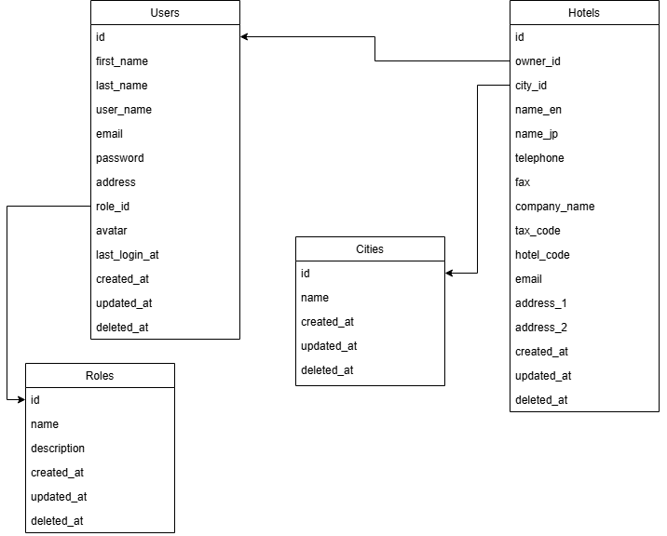
カメラ管理システム | Common |  | Created | 2025-06-02 | By | IDS
 | Entity Relationship |  | Updated | #N/A | By | #N/A
ID | SheetName | ER(System)

