Self-Check by DetailDesign
 |  | Project name |  |  | Hotel Management |  |  | Author | Anhl
 |  | Document |  |  | https://drive.google.com/drive/folders/1th8Vw9IH3Gj6b86UtLjPlXiUNInQPUgG |  |  | Executor | Anhl
 |  | Screen ID |  |  |  |  |  | Create date | 19/02/2025
 |  | Screen name |  |  | Create Role
 |  | Overview

 |  |  |  |  |  |  |  |  |  |  |  | Status
 |  |  |  |  |  |  |  |  |  |  |  | Pass
 |  |  |  |  |  |  |  |  |  |  |  | Fail
Summary |  | Pass | Fail | Pending |  | UnCheck if | Total |  |  |  |  | Pending
 |  | 11 | 0 | 0 |  | 0 | 11 |  |  |  |  | UnCheck if

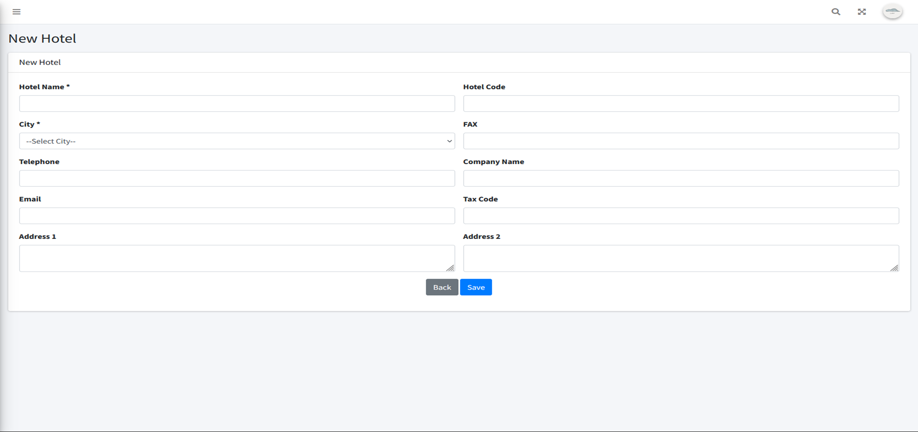
No. | Check if content |  |  |  |  |  |  |  |  |  | Member Check if |  | Date Check if | Check if result | Note
 | I. 項目定義
 | 1. Check if display Create Hotel screen |  |  |  |  |  |  |  |  | プロパティ名
1 | Check if display Role Name combobox |  |  |  |  |  |  |  |  |  | Anhl |  | 19/02/2025 | Pass
2 | Check if display Description field |  |  |  |  |  |  |  |  |  | Anhl |  | 19/02/2025 | Pass
3 | Check if display Cancel button |  |  |  |  |  |  |  |  |  | Anhl |  | 19/02/2025 | Pass
4 | Check if display Save button |  |  |  |  |  |  |  |  |  | Anhl |  | 19/02/2025 | Pass
 | 2. Check if the URL and API screen |  |  |  |  |  |  |  |  |  | Anhl
1 | http://127.0.0.1:8000/roles/create |  |  |  |  |  |  |  |  |  | Anhl |  | 19/02/2025 | Pass
 | 3. Validate Required Fields and Existing Validation |  |  |  |  |  |  |  |  |  | Anhl
1 | Check if Role Name is not selected |  |  |  |  |  |  |  |  |  | Anhl |  | 19/02/2025 | Pass
2 | Check if Role Name is over than 255 characters |  |  |  |  |  |  |  |  |  | Anhl |  | 19/02/2025 | Pass
3 | Check if Role Name already exists in database |  |  |  |  |  |  |  |  |  | Anhl |  | 19/02/2025 | Pass
4 | Check if Role Name contains characters other than numbers and letters |  |  |  |  |  |  |  |  |  | Anhl |  | 19/02/2025 | Pass
5 | Check if Description is blank |  |  |  |  |  |  |  |  |  | Anhl |  | 19/02/2025 | Pass
6 | Check if Description is over than 255 characters |  |  |  |  |  |  |  |  |  | Anhl |  | 19/02/2025 | Pass

