Sheet3
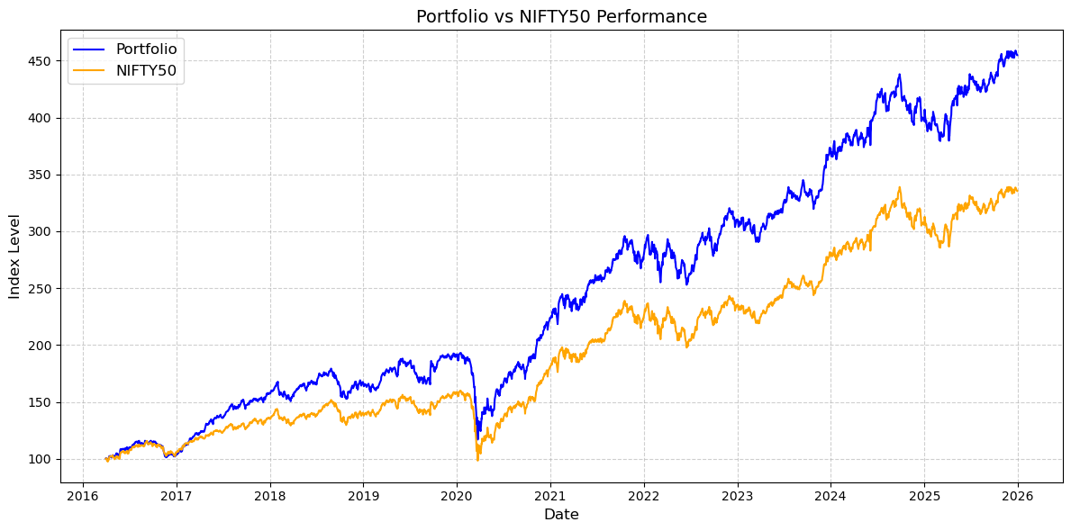
Month End Date | NIFTY50 | Portfolio | Nifty_Monthly_Return | Port_Monthly_Return | Monthly_Return_Outperformance | Nifty_Cumulative_Return | Port_Cumulative_Return | Nifty_Yearly_Return | Port_Yearly_Return | Yearly_Outperformance | Nifty_Monthly_Drawdown | Port_Monthly_Drawdown | Monthly_Drawdown_Outperformance | Nifty_Yearly_Drawdown | Port_Yearly_Drawdown
2016-03-31 | 100.04136554 | 100.29143957 |  |  |  | 0.0% | 0.0% |  |  |  | 0.0% | 0.0% | 0.0%
2016-04-30 | 101.48153385 | 102.85122285 | 1.4% | 2.6% | 1.1% | 1.4% | 2.6% |  |  |  | 0.0% | 0.0% | 0.0%
2016-05-31 | 105.49306924 | 108.01887184 | 4.0% | 5.0% | 1.1% | 5.4% | 7.7% |  |  |  | 0.0% | 0.0% | 0.0%
2016-06-30 | 107.14331615 | 109.95090454 | 1.6% | 1.8% | 0.2% | 7.1% | 9.6% |  |  |  | 0.0% | 0.0% | 0.0%
2016-07-31 | 111.67778185 | 115.06102259 | 4.2% | 4.6% | 0.4% | 11.6% | 14.7% |  |  |  | 0.0% | 0.0% | 0.0%
2016-08-31 | 113.58723722 | 115.91119727 | 1.7% | 0.7% | -1.0% | 13.5% | 15.6% |  |  |  | 0.0% | 0.0% | 0.0%
2016-09-30 | 111.32420847 | 113.35857607 | -2.0% | -2.2% | -0.2% | 11.3% | 13.0% |  |  |  | -2.0% | -2.2% | -0.2%
2016-10-31 | 111.6713179 | 112.04802149 | 0.3% | -1.2% | -1.5% | 11.6% | 11.7% |  |  |  | -1.7% | -3.3% | -1.6%
2016-11-30 | 106.32562561 | 104.22613635 | -4.8% | -7.0% | -2.2% | 6.3% | 3.9% |  |  |  | -6.4% | -10.1% | -3.7%
2016-12-31 | 105.82531283 | 104.7985744 | -0.5% | 0.5% | 1.0% | 5.8% | 4.5% | 5.8% | 4.5% | -1.3% | -6.8% | -9.6% | -2.8% | -11.7% | -12.6%
2017-01-31 | 110.6797444 | 110.72417549 | 4.6% | 5.7% | 1.1% | 4.6% | 5.7% |  |  |  | -2.6% | -4.5% | -1.9%
2017-02-28 | 114.79469678 | 117.39364752 | 3.7% | 6.0% | 2.3% | 8.5% | 12.0% |  |  |  | 0.0% | 0.0% | 0.0%
2017-03-31 | 118.59744762 | 122.70758508 | 3.3% | 4.5% | 1.2% | 12.1% | 17.1% |  |  |  | 0.0% | 0.0% | 0.0%
2017-04-30 | 120.28195224 | 130.06673984 | 1.4% | 6.0% | 4.6% | 13.7% | 24.1% |  |  |  | 0.0% | 0.0% | 0.0%
2017-05-31 | 124.38268897 | 136.15996192 | 3.4% | 4.7% | 1.3% | 17.5% | 29.9% |  |  |  | 0.0% | 0.0% | 0.0%
2017-06-30 | 123.08537789 | 135.83516694 | -1.0% | -0.2% | 0.8% | 16.3% | 29.6% |  |  |  | -1.0% | -0.2% | 0.8%
2017-07-31 | 130.27587334 | 145.98879761 | 5.8% | 7.5% | 1.6% | 23.1% | 39.3% |  |  |  | 0.0% | 0.0% | 0.0%
2017-08-31 | 128.2177596 | 146.23722218 | -1.6% | 0.2% | 1.7% | 21.2% | 39.5% |  |  |  | -1.6% | 0.0% | 1.6%
2017-09-30 | 126.54617026 | 146.97739381 | -1.3% | 0.5% | 1.8% | 19.6% | 40.2% |  |  |  | -2.9% | 0.0% | 2.9%
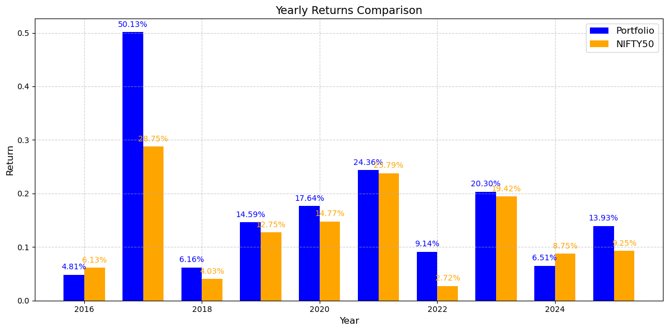
2017-10-31 | 133.61386317 | 152.16909556 | 5.6% | 3.5% | -2.1% | 26.3% | 45.2% |  |  |  | 0.0% | 0.0% | 0.0%
2017-11-30 | 132.20795256 | 152.63563686 | -1.1% | 0.3% | 1.4% | 24.9% | 45.6% |  |  |  | -1.1% | 0.0% | 1.1%
2017-12-31 | 136.13998254 | 157.41132908 | 3.0% | 3.1% | 0.2% | 28.6% | 50.2% | 28.7% | 50.1% | 21.4% | 0.0% | 0.0% | 0.0% | -4.1% | -5.4%
2018-01-31 | 142.56515561 | 166.46843315 | 4.7% | 5.8% | 1.0% | 4.7% | 5.8% |  |  |  | 0.0% | 0.0% | 0.0%
2018-02-28 | 135.65065343 | 156.95113595 | -4.9% | -5.7% | -0.9% | -0.4% | -0.3% |  |  |  | -4.9% | -5.7% | -0.9%
2018-03-31 | 130.74904256 | 153.80394285 | -3.6% | -2.0% | 1.6% | -4.0% | -2.3% |  |  |  | -8.3% | -7.6% | 0.7%
2018-04-30 | 138.83738414 | 164.79473539 | 6.2% | 7.1% | 1.0% | 2.0% | 4.7% |  |  |  | -2.6% | -1.0% | 1.6%
2018-05-31 | 138.79602492 | 167.05605898 | 0.0% | 1.4% | 1.4% | 2.0% | 6.1% |  |  |  | -2.6% | 0.0% | 2.6%
2018-06-30 | 138.51354243 | 166.88274187 | -0.2% | -0.1% | 0.1% | 1.7% | 6.0% |  |  |  | -2.8% | -0.1% | 2.7%
2018-07-31 | 146.81585109 | 176.14002029 | 6.0% | 5.5% | -0.4% | 7.8% | 11.9% |  |  |  | 0.0% | 0.0% | 0.0%
2018-08-31 | 151.0044951 | 177.29312967 | 2.9% | 0.7% | -2.2% | 10.9% | 12.6% |  |  |  | 0.0% | 0.0% | 0.0%
2018-09-30 | 141.30791601 | 165.0225853 | -6.4% | -6.9% | -0.5% | 3.8% | 4.8% |  |  |  | -6.4% | -6.9% | -0.5%
2018-10-31 | 134.27706261 | 154.30473525 | -5.0% | -6.5% | -1.5% | -1.4% | -2.0% |  |  |  | -11.1% | -13.0% | -1.9%
2018-11-30 | 140.61368452 | 167.42048465 | 4.7% | 8.5% | 3.8% | 3.3% | 6.4% |  |  |  | -6.9% | -5.6% | 1.3%
2018-12-31 | 140.43010563 | 167.34445859 | -0.1% | 0.0% | 0.1% | 3.2% | 6.3% | 4.0% | 6.2% | 2.1% | -7.0% | -5.6% | 1.4% | -14.6% | -14.9%
2019-01-31 | 140.02158861 | 161.67412082 | -0.3% | -3.4% | -3.1% | -0.3% | -3.4% |  |  |  | -7.3% | -8.8% | -1.5%
2019-02-28 | 139.5245078 | 162.48896096 | -0.4% | 0.5% | 0.9% | -0.6% | -2.9% |  |  |  | -7.6% | -8.4% | -0.7%
2019-03-31 | 149.57596065 | 176.36870655 | 7.2% | 8.5% | 1.3% | 6.5% | 5.4% |  |  |  | -0.9% | -0.5% | 0.4%
2019-04-30 | 151.87907351 | 179.04728239 | 1.5% | 1.5% | 0.0% | 8.2% | 7.0% |  |  |  | 0.0% | 0.0% | 0.0%
2019-05-31 | 154.13692605 | 185.86419796 | 1.5% | 3.8% | 2.3% | 9.8% | 11.1% |  |  |  | 0.0% | 0.0% | 0.0%
2019-06-30 | 152.40522949 | 183.86833964 | -1.1% | -1.1% | 0.0% | 8.5% | 9.9% |  |  |  | -1.1% | -1.1% | 0.0%
2019-07-31 | 143.73254369 | 172.3468026 | -5.7% | -6.3% | -0.6% | 2.4% | 3.0% |  |  |  | -6.8% | -7.3% | -0.5%
2019-08-31 | 142.50762387 | 169.14967962 | -0.9% | -1.9% | -1.0% | 1.5% | 1.1% |  |  |  | -7.5% | -9.0% | -1.4%
2019-09-30 | 148.34070102 | 182.79433656 | 4.1% | 8.1% | 4.0% | 5.6% | 9.2% |  |  |  | -3.8% | -1.7% | 2.1%
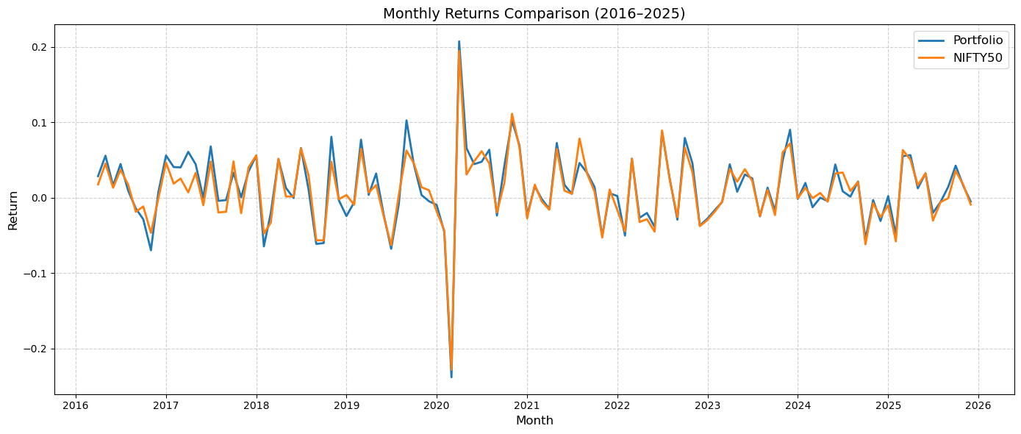
2019-10-31 | 153.55065021 | 189.63557546 | 3.5% | 3.7% | 0.2% | 9.3% | 13.3% |  |  |  | -0.4% | 0.0% | 0.4%
2019-11-30 | 155.85957054 | 190.47949328 | 1.5% | 0.4% | -1.1% | 11.0% | 13.8% |  |  |  | 0.0% | 0.0% | 0.0%
2019-12-31 | 157.31267308 | 189.8596952 | 0.9% | -0.3% | -1.3% | 12.0% | 13.5% | 12.7% | 14.6% | 1.8% | 0.0% | -0.3% | -0.3% | -11.4% | -12.1%
2020-01-31 | 154.64499053 | 188.21096853 | -1.7% | -0.9% | 0.8% | -1.7% | -0.9% |  |  |  | -1.7% | -1.2% | 0.5%
2020-02-29 | 144.81525645 | 175.19765565 | -6.4% | -6.9% | -0.6% | -7.9% | -7.7% |  |  |  | -7.9% | -8.0% | -0.1%
2020-03-31 | 111.15096937 | 132.24503736 | -23.2% | -24.5% | -1.3% | -29.3% | -30.3% |  |  |  | -29.3% | -30.6% | -1.2%
2020-04-30 | 127.4679406 | 153.04458156 | 14.7% | 15.7% | 1.0% | -19.0% | -19.4% |  |  |  | -19.0% | -19.7% | -0.7%
2020-05-31 | 123.85328838 | 153.22185444 | -2.8% | 0.1% | 3.0% | -21.3% | -19.3% |  |  |  | -21.3% | -19.6% | 1.7%
2020-06-30 | 133.18465391 | 163.58757797 | 7.5% | 6.8% | -0.8% | -15.3% | -13.8% |  |  |  | -15.3% | -14.1% | 1.2%
2020-07-31 | 143.15660766 | 173.0751104 | 7.5% | 5.8% | -1.7% | -9.0% | -8.8% |  |  |  | -9.0% | -9.1% | -0.1%
2020-08-31 | 147.21661641 | 181.04579157 | 2.8% | 4.6% | 1.8% | -6.4% | -4.6% |  |  |  | -6.4% | -5.0% | 1.5%
2020-09-30 | 145.40735237 | 177.79787593 | -1.2% | -1.8% | -0.6% | -7.6% | -6.4% |  |  |  | -7.6% | -6.7% | 0.9%
2020-10-31 | 150.51194664 | 188.43845444 | 3.5% | 6.0% | 2.5% | -4.3% | -0.7% |  |  |  | -4.3% | -1.1% | 3.3%
2020-11-30 | 167.66146794 | 207.44474517 | 11.4% | 10.1% | -1.3% | 6.6% | 9.3% |  |  |  | 0.0% | 0.0% | 0.0%
2020-12-31 | 180.75485633 | 223.53721911 | 7.8% | 7.8% | -0.1% | 14.9% | 17.7% | 14.8% | 17.6% | 2.9% | 0.0% | 0.0% | 0.0% | -38.4% | -39.4%
2021-01-31 | 176.26692607 | 218.36469025 | -2.5% | -2.3% | 0.2% | -2.5% | -2.3% |  |  |  | -2.5% | -2.3% | 0.2%
2021-02-28 | 187.8316013 | 232.26332408 | 6.6% | 6.4% | -0.2% | 3.9% | 3.9% |  |  |  | 0.0% | 0.0% | 0.0%
2021-03-31 | 189.92010322 | 236.47037492 | 1.1% | 1.8% | 0.7% | 5.1% | 5.8% |  |  |  | 0.0% | 0.0% | 0.0%
2021-04-30 | 189.14959199 | 236.23358649 | -0.4% | -0.1% | 0.3% | 4.6% | 5.7% |  |  |  | -0.4% | -0.1% | 0.3%
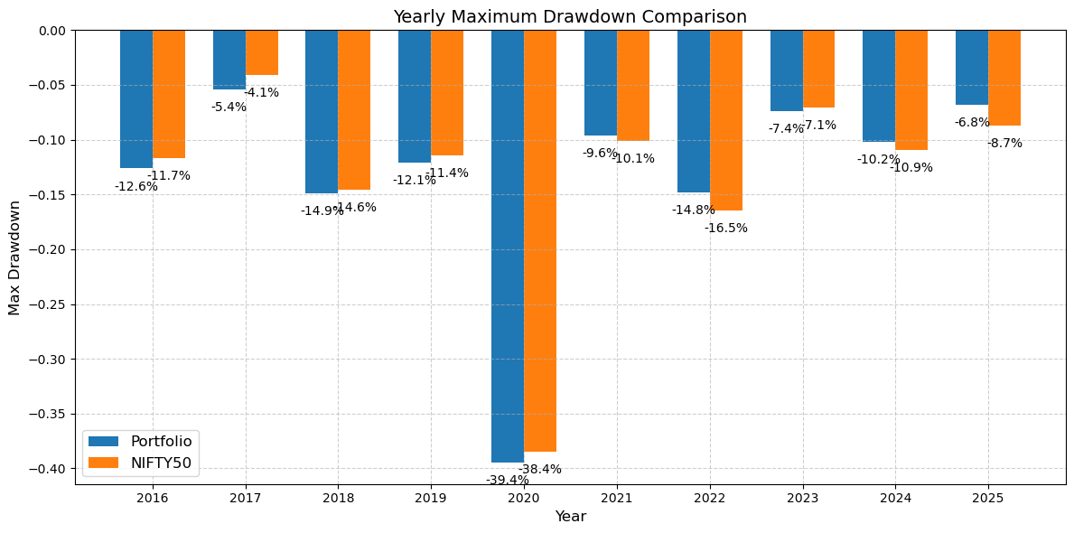
2021-05-31 | 201.45308992 | 253.99842388 | 6.5% | 7.5% | 1.0% | 11.5% | 13.6% |  |  |  | 0.0% | 0.0% | 0.0%
2021-06-30 | 203.24619406 | 257.49426826 | 0.9% | 1.4% | 0.5% | 12.4% | 15.2% |  |  |  | 0.0% | 0.0% | 0.0%
2021-07-31 | 203.78334635 | 258.26104856 | 0.3% | 0.3% | 0.0% | 12.7% | 15.5% |  |  |  | 0.0% | 0.0% | 0.0%
2021-08-31 | 221.48359171 | 272.67841066 | 8.7% | 5.6% | -3.1% | 22.5% | 22.0% |  |  |  | 0.0% | 0.0% | 0.0%
2021-09-30 | 227.76592649 | 280.6280463 | 2.8% | 2.9% | 0.1% | 26.0% | 25.5% |  |  |  | 0.0% | 0.0% | 0.0%
2021-10-31 | 228.45756987 | 283.69012456 | 0.3% | 1.1% | 0.8% | 26.4% | 26.9% |  |  |  | 0.0% | 0.0% | 0.0%
2021-11-30 | 219.55733258 | 273.24155537 | -3.9% | -3.7% | 0.2% | 21.5% | 22.2% |  |  |  | -3.9% | -3.7% | 0.2%
2021-12-31 | 224.35166955 | 278.06131612 | 2.2% | 1.8% | -0.4% | 24.1% | 24.4% | 23.8% | 24.4% | 0.6% | -1.8% | -2.0% | -0.2% | -10.1% | -9.6%
2022-01-31 | 224.16807803 | 283.40032559 | -0.1% | 1.9% | 2.0% | -0.1% | 1.9% |  |  |  | -1.9% | -0.1% | 1.8%
2022-02-28 | 217.11009368 | 273.25724875 | -3.1% | -3.6% | -0.4% | -3.2% | -1.7% |  |  |  | -5.0% | -3.7% | 1.3%
2022-03-31 | 225.78277949 | 283.4221023 | 4.0% | 3.7% | -0.3% | 0.6% | 1.9% |  |  |  | -1.2% | -0.1% | 1.1%
2022-04-30 | 221.10029927 | 279.31657739 | -2.1% | -1.4% | 0.6% | -1.4% | 0.5% |  |  |  | -3.2% | -1.5% | 1.7%
2022-05-31 | 214.40364002 | 273.12421212 | -3.0% | -2.2% | 0.8% | -4.4% | -1.8% |  |  |  | -6.2% | -3.7% | 2.4%
2022-06-30 | 204.00570899 | 261.8899764 | -4.8% | -4.1% | 0.7% | -9.1% | -5.8% |  |  |  | -10.7% | -7.7% | 3.0%
2022-07-31 | 221.82037396 | 285.32263972 | 8.7% | 8.9% | 0.2% | -1.1% | 2.6% |  |  |  | -2.9% | 0.0% | 2.9%
2022-08-31 | 229.59070655 | 295.32950612 | 3.5% | 3.5% | 0.0% | 2.3% | 6.2% |  |  |  | 0.0% | 0.0% | 0.0%
2022-09-30 | 220.99427523 | 283.56214053 | -3.7% | -4.0% | -0.2% | -1.5% | 2.0% |  |  |  | -3.7% | -4.0% | -0.2%
2022-10-31 | 232.8601557 | 302.87715233 | 5.4% | 6.8% | 1.4% | 3.8% | 8.9% |  |  |  | 0.0% | 0.0% | 0.0%
2022-11-30 | 242.5063235 | 318.83026192 | 4.1% | 5.3% | 1.1% | 8.1% | 14.7% |  |  |  | 0.0% | 0.0% | 0.0%
2022-12-31 | 234.06376466 | 308.57289064 | -3.5% | -3.2% | 0.3% | 4.3% | 11.0% | 2.7% | 9.1% | 6.4% | -3.5% | -3.2% | 0.3% | -16.5% | -14.8%
2023-01-31 | 228.33475469 | 301.24038696 | -2.4% | -2.4% | 0.1% | -2.4% | -2.4% |  |  |  | -5.8% | -5.5% | 0.3%
2023-02-28 | 223.70396088 | 298.02586671 | -2.0% | -1.1% | 1.0% | -4.4% | -3.4% |  |  |  | -7.8% | -6.5% | 1.2%
2023-03-31 | 224.42534856 | 298.70922992 | 0.3% | 0.2% | -0.1% | -4.1% | -3.2% |  |  |  | -7.5% | -6.3% | 1.1%
2023-04-30 | 233.54275964 | 312.74764828 | 4.1% | 4.7% | 0.6% | -0.2% | 1.4% |  |  |  | -3.7% | -1.9% | 1.8%
2023-05-31 | 239.61112735 | 316.60431527 | 2.6% | 1.2% | -1.4% | 2.4% | 2.6% |  |  |  | -1.2% | -0.7% | 0.5%
2023-06-30 | 248.07439105 | 324.40620722 | 3.5% | 2.5% | -1.1% | 6.0% | 5.1% |  |  |  | 0.0% | 0.0% | 0.0%
2023-07-31 | 255.37543027 | 335.20959161 | 2.9% | 3.3% | 0.4% | 9.1% | 8.6% |  |  |  | 0.0% | 0.0% | 0.0%
2023-08-31 | 248.91147346 | 326.5423035 | -2.5% | -2.6% | -0.1% | 6.3% | 5.8% |  |  |  | -2.5% | -2.6% | -0.1%
2023-09-30 | 253.88225625 | 333.05415223 | 2.0% | 2.0% | 0.0% | 8.5% | 7.9% |  |  |  | -0.6% | -0.6% | -0.1%
2023-10-31 | 246.65941576 | 325.80329727 | -2.8% | -2.2% | 0.7% | 5.4% | 5.6% |  |  |  | -3.4% | -2.8% | 0.6%
2023-11-30 | 260.27962926 | 340.26494074 | 5.5% | 4.4% | -1.1% | 11.2% | 10.3% |  |  |  | 0.0% | 0.0% | 0.0%
2023-12-31 | 280.94166721 | 372.64885772 | 7.9% | 9.5% | 1.6% | 20.0% | 20.8% | 19.4% | 20.3% | 0.9% | 0.0% | 0.0% | 0.0% | -7.1% | -7.4%
2024-01-31 | 280.86796295 | 372.21270101 | 0.0% | -0.1% | -0.1% | 0.0% | -0.1% |  |  |  | 0.0% | -0.1% | -0.1%
2024-02-29 | 284.19174974 | 378.61328763 | 1.2% | 1.7% | 0.5% | 1.2% | 1.6% |  |  |  | 0.0% | 0.0% | 0.0%
2024-03-31 | 288.64023977 | 380.70705671 | 1.6% | 0.6% | -1.0% | 2.7% | 2.2% |  |  |  | 0.0% | 0.0% | 0.0%
2024-04-30 | 292.23354326 | 384.86733897 | 1.2% | 1.1% | -0.2% | 4.0% | 3.3% |  |  |  | 0.0% | 0.0% | 0.0%
2024-05-31 | 291.27493342 | 383.64512689 | -0.3% | -0.3% | 0.0% | 3.7% | 3.0% |  |  |  | -0.3% | -0.3% | 0.0%
2024-06-30 | 310.40695784 | 413.9949309 | 6.6% | 7.9% | 1.3% | 10.5% | 11.1% |  |  |  | 0.0% | 0.0% | 0.0%
2024-07-31 | 322.5663171 | 420.76956518 | 3.9% | 1.6% | -2.3% | 14.8% | 12.9% |  |  |  | 0.0% | 0.0% | 0.0%
2024-08-31 | 326.24754051 | 422.16017379 | 1.1% | 0.3% | -0.8% | 16.1% | 13.3% |  |  |  | 0.0% | 0.0% | 0.0%
2024-09-30 | 333.68043435 | 431.08853088 | 2.3% | 2.1% | -0.2% | 18.8% | 15.7% |  |  |  | 0.0% | 0.0% | 0.0%
2024-10-31 | 312.92466902 | 407.04899725 | -6.2% | -5.6% | 0.6% | 11.4% | 9.2% |  |  |  | -6.2% | -5.6% | 0.6%
2024-11-30 | 311.96477144 | 407.11048006 | -0.3% | 0.0% | 0.3% | 11.0% | 9.2% |  |  |  | -6.5% | -5.6% | 0.9%
2024-12-31 | 305.67794219 | 397.06053585 | -2.0% | -2.5% | -0.5% | 8.8% | 6.6% | 8.8% | 6.5% | -2.2% | -8.4% | -7.9% | 0.5% | -10.9% | -10.2%
2025-01-31 | 303.91456972 | 400.03473459 | -0.6% | 0.7% | 1.3% | -0.6% | 0.7% |  |  |  | -8.9% | -7.2% | 1.7%
2025-02-28 | 286.02620049 | 380.15990106 | -5.9% | -5.0% | 0.9% | -6.4% | -4.3% |  |  |  | -14.3% | -11.8% | 2.5%
2025-03-31 | 304.05612028 | 400.76163099 | 6.3% | 5.4% | -0.9% | -0.5% | 0.9% |  |  |  | -8.9% | -7.0% | 1.8%
2025-04-30 | 314.59042564 | 416.27553294 | 3.5% | 3.9% | 0.4% | 2.9% | 4.8% |  |  |  | -5.7% | -3.4% | 2.3%
2025-05-31 | 319.97490167 | 422.00548057 | 1.7% | 1.4% | -0.3% | 4.7% | 6.3% |  |  |  | -4.1% | -2.1% | 2.0%
2025-06-30 | 329.88222847 | 434.67710853 | 3.1% | 3.0% | -0.1% | 7.9% | 9.5% |  |  |  | -1.1% | 0.0% | 1.1%
2025-07-31 | 320.20308439 | 427.0209555 | -2.9% | -1.8% | 1.2% | 4.8% | 7.5% |  |  |  | -4.0% | -1.8% | 2.3%
2025-08-31 | 315.78820189 | 422.39016295 | -1.4% | -1.1% | 0.3% | 3.3% | 6.4% |  |  |  | -5.4% | -2.8% | 2.5%
2025-09-30 | 318.17016998 | 430.07390372 | 0.8% | 1.8% | 1.1% | 4.1% | 8.3% |  |  |  | -4.6% | -1.1% | 3.6%
2025-10-31 | 332.53308201 | 451.59830393 | 4.5% | 5.0% | 0.5% | 8.8% | 13.7% |  |  |  | -0.3% | 0.0% | 0.3%
2025-11-30 | 338.74946423 | 457.50166821 | 1.9% | 1.3% | -0.6% | 10.8% | 15.2% |  |  |  | 0.0% | 0.0% | 0.0%
2025-12-31 | 335.33520729 | 454.74284599 | -1.0% | -0.6% | 0.4% | 9.7% | 14.5% | 9.2% | 13.9% | 4.7% | -1.0% | -0.6% | 0.4% | -8.7% | -6.8%

