Hoja1
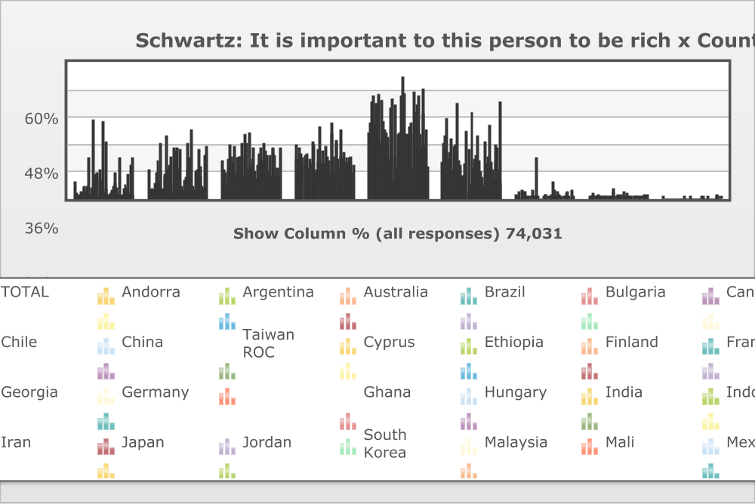
 | World Values Survey Wave 5: 2005-2009
 | Schwartz: It is important to this person to be rich

 | TOTAL | Country/region
 |  | Andorra | Argentina | Australia | Brazil | Bulgaria | Canada | Chile | China | Taiwan ROC | Cyprus | Ethiopia | Finland | France | Georgia | Germany | Ghana | Hungary | India | Indonesia | Iran | Japan | Jordan | South Korea | Malaysia | Mali | Mexico | Moldova | Morocco | Netherlands | Norway | Peru | Poland | Romania | Russia | Rwanda | Serbia | Vietnam | Slovenia | South Africa | Spain | Sweden | Switzerland | Thailand | Trinidad and Tobago | Turkey | Ukraine | Egypt | United Kingdom | United States | Burkina Faso | Uruguay | Zambia
Very much like me | 7.3% (5,441) | 2 | 0.9 | 1.4 | 0.6 | 2.8 | 2.5 | 4.8 | 5.2 | 2.3 | 5.2 | 17.7 | 0.9 | 1.9 | 5.1 | 2.2 | 34.6 | 2.6 | 10.7 | 8.6 | 11.4 | 0.1 | 12.4 | 3.3 | 8 | 34 | 2.3 | 3.9 | 25 | 1.7 | 0.4 | 1.5 | 2.2 | 3.8 | 5.8 | 11.4 | 6.5 | 4.7 | 1.4 | 17.9 | 1.1 | 0.9 | 1.4 | 1.7 | 4.5 | 6 | 4.7 | 10.4 | 2 | 1.7 | 14.2 | 1.5 | 17.5
Like me | 12.3% (9,085) | 3.6 | 3.1 | 4.4 | 3.4 | 6.7 | 4.8 | 11.4 | 16.3 | 7.7 | 11.7 | 24.4 | 4.5 | 3.5 | 10.5 | 9.6 | 27.4 | 12.5 | 14.7 | 11.7 | 18.3 | 2.1 | 22.4 | 6.7 | 21.1 | 22.5 | 4.6 | 13.3 | 21.4 | 5.4 | 2.4 | 3.3 | 8.1 | 9.1 | 12.3 | 24.2 | 9.8 | 17.7 | 5.1 | 30.3 | 5.4 | 3.4 | 2.8 | 11.9 | 12.3 | 21.9 | 14 | 9.1 | 5.5 | 4.1 | 19.1 | 4.2 | 23.1
Somewhat like me | 16.5% (12,178) | 12.9 | 5.9 | 11 | 5.7 | 17.1 | 12 | 23.5 | 18.4 | 12.7 | 15.6 | 23.1 | 10.5 | 6.1 | 17.5 | 18.4 | 18.4 | 23.9 | 18.4 | 10.1 | 28.2 | 5.2 | 23.9 | 12.4 | 28.9 | 14 | 8.9 | 17 | 22.3 | 12.2 | 7.8 | 8.7 | 14.6 | 19.1 | 19.5 | 22.2 | 16.2 | 24.5 | 15.8 | 21 | 18.9 | 11.7 | 8.8 | 18.9 | 10.1 | 21.6 | 22.5 | 18.9 | 9.9 | 13.4 | 13.4 | 9.7 | 22.3
A little like me | 17.2% (12,735) | 23.8 | 17.2 | 22.3 | 10 | 19.6 | 17.9 | 0 | 14.4 | 19.2 | 20 | 13.4 | 17.3 | 12.8 | 15.1 | 24.8 | 9.1 | 23.8 | 11 | 12.8 | 21.7 | 15.5 | 31.6 | 15.1 | 20.8 | 8.6 | 14.9 | 22.8 | 14.2 | 18.3 | 16.6 | 10.6 | 33.1 | 28 | 18.5 | 11.6 | 24.3 | 25.3 | 17.1 | 12.5 | 29.8 | 18.7 | 17.1 | 20.2 | 12.6 | 15.6 | 18 | 15.9 | 17.8 | 18.2 | 11.5 | 11.3 | 14.3
Not like me | 28.6% (21,184) | 33.2 | 42 | 40.7 | 44.9 | 32.9 | 41.5 | 31 | 36.2 | 45.2 | 24.2 | 14.1 | 42.9 | 33.7 | 30.1 | 28.6 | 7.6 | 26.7 | 17.2 | 39.4 | 10.7 | 43.4 | 7.1 | 40.8 | 18.5 | 13.3 | 27.8 | 28.4 | 10.1 | 44.8 | 53.1 | 46.2 | 28 | 14.2 | 27.9 | 23 | 31.5 | 17 | 33.5 | 13.5 | 28.1 | 46.9 | 37.5 | 40.7 | 44.8 | 20.3 | 27.8 | 22 | 48.2 | 37.4 | 23.5 | 30.3 | 13.7
Not at all like me | 15.7% (11,655) | 24.3 | 27.7 | 17.8 | 35.2 | 16.9 | 20.5 | 26.3 | 5.6 | 12.6 | 22.8 | 5.9 | 23.5 | 41.8 | 16.6 | 14.7 | 2.5 | 10 | 10.1 | 15.4 | 9.4 | 29.5 | 0 | 21.6 | 2.7 | 6.1 | 37.9 | 13.1 | 5.1 | 17.4 | 19.3 | 27.1 | 12.6 | 16.7 | 12 | 5.9 | 9.4 | 5.7 | 24.8 | 4.2 | 15.3 | 18.3 | 32 | 6.3 | 15.5 | 12.4 | 8.8 | 23.3 | 16.2 | 22.3 | 12.9 | 42.1 | 6.5
Don´t know | 1.6% (1,164) | 0.1 | 2.6 | 0 | 0 | 3.8 | 0.4 | 2.8 | 2.7 | 0.2 | 0 | 0.7 | 0.3 | 0.2 | 3.8 | 0.9 | 0.4 | 0.5 | 17.6 | 1 | 0.1 | 0 | 0 | 0 | 0 | 0.4 | 1.9 | 1.4 | 0 | 0.1 | 0.1 | 0 | 1.3 | 7.1 | 3.4 | 1.1 | 1.2 | 3.1 | 1.8 | 0.7 | 1 | 0 | 0.1 | 0 | 0.1 | 2.1 | 3 | 0.3 | 0.1 | 0 | 3.5 | 0 | 1
No answer | 0.7% (534) | 0.1 | 0.6 | 2.3 | 0.2 | 0.1 | 0.3 | 0.1 | 1.3 | 0.2 | 0.5 | 0.7 | 0.1 | 0.1 | 1.2 | 0.8 | 0.1 | 0 | 0.1 | 0.9 | 0.1 | 4.2 | 2.6 | 0 | 0.1 | 1.2 | 1.7 | 0.1 | 1.9 | 0.1 | 0.3 | 2.6 | 0.1 | 2 | 0.6 | 0.4 | 1.1 | 1.1 | 0.5 | 0 | 0.1 | 0.1 | 0.4 | 0.3 | 0.1 | 0 | 1.1 | 0.1 | 0.2 | 1.2 | 1.6 | 0.9 | 1.5
Missing; Unknown | 0.1% (54) | 0 | 0 | 0 | 0 | 0 | 0 | 0 | 0 | 0 | 0 | 0 | 0 | 0 | 0 | 0 | 0 | 0 | 0 | 0.1 | 0 | 0 | 0 | 0 | 0 | 0.1 | 0 | 0 | 0 | 0 | 0 | 0 | 0 | 0 | 0 | 0.1 | 0 | 0.9 | 0 | 0 | 0.4 | 0 | 0 | 0 | 0 | 0 | 0 | 0 | 0.2 | 1.7 | 0.2 | 0 | 0.1
(N) | 74031 | 1003 | 1002 | 1421 | 1500 | 1001 | 2164 | 1000 | 1991 | 1227 | 1050 | 1500 | 1014 | 1001 | 1500 | 2064 | 1534 | 1007 | 2001 | 2015 | 2667 | 1096 | 1200 | 1200 | 1201 | 1534 | 1560 | 1046 | 1200 | 1050 | 1025 | 1500 | 1000 | 1776 | 2033 | 1507 | 1220 | 1495 | 1037 | 2988 | 1200 | 1003 | 1241 | 1534 | 1002 | 1346 | 1000 | 3051 | 1041 | 1249 | 1534 | 1000 | 1500
Mean | 3.97 | 4.56 | 4.85 | 4.53 | 5.01 | 4.29 | 4.54 | 4.24 | 3.8 | 4.36 | 4.15 | 3 | 4.68 | 4.99 | 4.1 | 4.14 | 2.35 | 3.9 | 3.48 | 4.11 | 3.3 | 4.97 | 2.98 | 4.48 | 3.29 | 2.62 | 4.82 | 3.99 | 2.78 | 4.52 | 4.78 | 4.83 | 4.16 | 3.99 | 3.9 | 3.29 | 3.95 | 3.52 | 4.54 | 2.86 | 4.26 | 4.62 | 4.83 | 4.05 | 4.28 | 3.61 | 3.8 | 4 | 4.54 | 4.57 | 3.53 | 4.93 | 3.03
Std Dev. | 1.51 | 1.2 | 1.06 | 1.13 | 1.05 | 1.3 | 1.23 | 1.58 | 1.39 | 1.21 | 1.49 | 1.49 | 1.13 | 1.19 | 1.46 | 1.29 | 1.37 | 1.28 | 1.6 | 1.55 | 1.43 | 0.95 | 1.16 | 1.32 | 1.28 | 1.63 | 1.3 | 1.38 | 1.49 | 1.17 | 0.95 | 1.13 | 1.2 | 1.37 | 1.43 | 1.49 | 1.37 | 1.28 | 1.25 | 1.43 | 1.16 | 1.08 | 1.14 | 1.22 | 1.41 | 1.49 | 1.37 | 1.63 | 1.16 | 1.2 | 1.69 | 1.25 | 1.51
Base mean | 72279 | 1001 | 970 | 1389 | 1498 | 962 | 2150 | 970 | 1913 | 1222 | 1044 | 1480 | 1010 | 998 | 1425 | 2028 | 1527 | 1002 | 1646 | 1973 | 2659 | 1050 | 1169 | 1200 | 1200 | 1509 | 1505 | 1030 | 1177 | 1048 | 1021 | 1461 | 986 | 1615 | 1950 | 1483 | 1191 | 1419 | 1013 | 2968 | 1182 | 1002 | 1235 | 1529 | 1000 | 1317 | 959 | 3038 | 1036 | 1213 | 1453 | 991 | 1462

