Hoja1
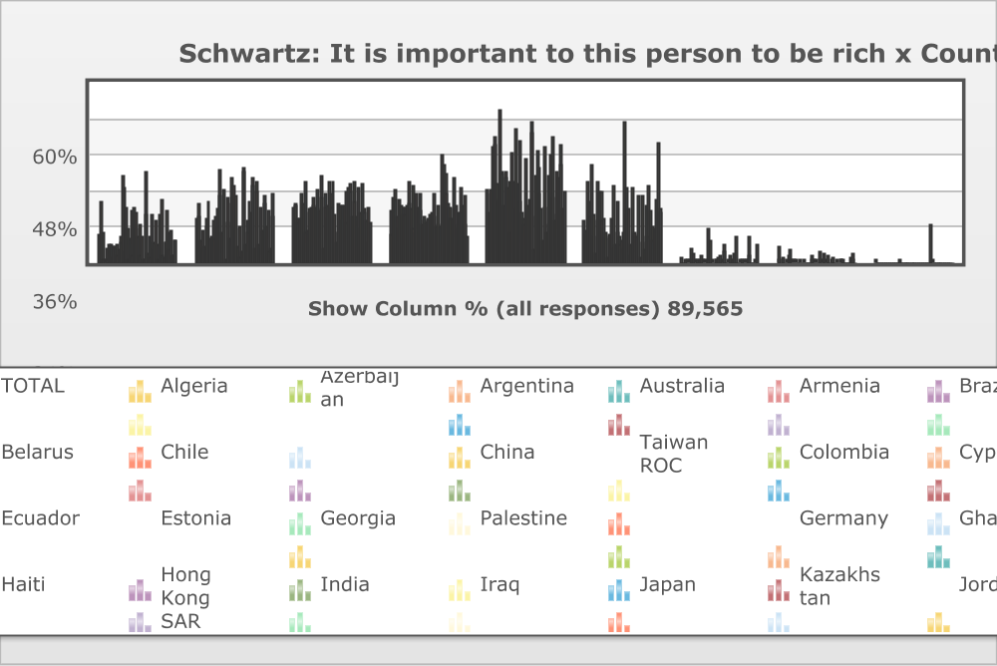
 | World Values Survey Wave 6: 2010-2014
 | Schwartz: It is important to this person to be rich

 | TOTAL | Country/region
 |  | Algeria | Azerbaijan | Argentina | Australia | Armenia | Brazil | Belarus | Chile | China | Taiwan ROC | Colombia | Cyprus | Ecuador | Estonia | Georgia | Palestine | Germany | Ghana | Haiti | Hong Kong SAR | India | Iraq | Japan | Kazakhstan | Jordan | South Korea | Kuwait | Kyrgyzstan | Lebanon | Libya | Malaysia | Mexico | Morocco | Netherlands | New Zealand | Nigeria | Pakistan | Peru | Philippines | Poland | Qatar | Romania | Russia | Rwanda | Singapore | Slovenia | South Africa | Zimbabwe | Spain | Sweden | Thailand | Trinidad and Tobago | Tunisia | Turkey | Ukraine | Egypt | United States | Uruguay | Uzbekistan | Yemen
Very much like me | 9.1% (8,161) | 20.4 | 10.1 | 1.2 | 0.5 | 5 | 1.2 | 6.2 | 5.8 | 5.9 | 1.3 | 5.8 | 5.7 | 6 | 2.1 | 4.2 | 8.6 | 6.6 | 28.5 | 24.8 | 3.8 | 18.3 | 11.3 | 0.4 | 8.2 | 17.4 | 2.4 | 18.6 | 11.3 | 16.4 | 8.8 | 12.8 | 2.5 | 8.8 | 0.6 | 0.8 | 29.8 | 15.7 | 2.6 | 8.5 | 1.6 | 15.8 | 4.5 | 7 | 13.9 | 6 | 0.4 | 16.1 | 20.9 | 2.5 | 1.9 | 6.5 | 6.5 | 17.3 | 9.7 | 4.5 | 10.4 | 2.2 | 2.4 | 7.3 | 7.5
Like me | 14.3% (12,766) | 20 | 15.2 | 7.4 | 4.9 | 10.6 | 5.3 | 14.3 | 12.1 | 20.5 | 4.7 | 7.9 | 8.7 | 14.1 | 7.8 | 14.9 | 17.7 | 12.2 | 30.5 | 22.4 | 10.1 | 0 | 24.1 | 1.2 | 13.5 | 21.7 | 8.1 | 19.4 | 28.1 | 25.2 | 11.4 | 22.3 | 5.6 | 11.8 | 1.5 | 3.3 | 31.6 | 30.1 | 6.4 | 14 | 9.8 | 20.5 | 6.3 | 16.4 | 28.2 | 25.5 | 5.1 | 26.7 | 23.3 | 5.9 | 4.8 | 18.4 | 10.9 | 19.6 | 22.5 | 12.1 | 16.8 | 3.5 | 4.8 | 14.9 | 23.2
Somewhat like me | 18.6% (16,616) | 19.4 | 19.3 | 14.5 | 13 | 14.4 | 7.3 | 23.1 | 19.6 | 26.8 | 10.3 | 10.8 | 16.4 | 17.6 | 18.3 | 19 | 21.3 | 18.5 | 18 | 23.9 | 17.1 | 28.6 | 21.9 | 4.8 | 23.1 | 18.2 | 14.2 | 18.9 | 26.5 | 22.8 | 18.2 | 27 | 10.2 | 16 | 6.7 | 10 | 20 | 19.1 | 13.6 | 19.2 | 18.9 | 23.8 | 13.1 | 24.6 | 26.4 | 23.3 | 15 | 26.8 | 20.2 | 15.2 | 13.6 | 24.9 | 11.2 | 16.6 | 26.2 | 17.8 | 16.6 | 13.6 | 6.7 | 18.6 | 13.4
A little like me | 16.9% (15,179) | 9.2 | 21.6 | 24.3 | 20.8 | 15.3 | 11.6 | 21 | 19 | 18.5 | 16 | 18.3 | 15.6 | 19.1 | 26.8 | 19.4 | 17.7 | 25.7 | 11.2 | 10.3 | 23 | 0 | 18.7 | 16.8 | 22.6 | 12.6 | 13.7 | 15.4 | 13.5 | 13.6 | 14.4 | 15.9 | 15.6 | 16.4 | 15.4 | 22.8 | 12 | 12.6 | 19.2 | 11.7 | 35.9 | 0 | 32.4 | 29.2 | 22.7 | 19.4 | 18.1 | 14.7 | 14.8 | 27.8 | 17.7 | 18.8 | 11.3 | 12.5 | 16.2 | 24.6 | 16.4 | 18.8 | 12.8 | 22.1 | 8.5
Not like me | 24.5% (21,964) | 16.4 | 23.2 | 24.2 | 38.7 | 39.3 | 41.4 | 26.2 | 20.1 | 20.7 | 50.8 | 30 | 29.2 | 19.3 | 30.2 | 27.9 | 24.7 | 26.7 | 10.2 | 9.1 | 36.4 | 27 | 17.8 | 44.3 | 26.4 | 20.1 | 40.1 | 16.2 | 14.5 | 12.8 | 34.2 | 17.3 | 19.1 | 20.9 | 46.8 | 42.8 | 4.3 | 15.4 | 28.5 | 37.4 | 23.1 | 31.2 | 17.7 | 0 | 7.3 | 18.7 | 38.6 | 10.2 | 12.4 | 28.5 | 35.8 | 21.9 | 41.8 | 13.7 | 15.7 | 29.7 | 28 | 39 | 32.5 | 17.7 | 23.6
Not at all like me | 13.8% (12,354) | 9.2 | 10.7 | 26.8 | 20.2 | 15.1 | 32.7 | 8.8 | 15.8 | 3.2 | 14 | 27 | 23.6 | 23.8 | 13.8 | 14.4 | 7.9 | 9.7 | 1.7 | 8.5 | 9.4 | 14.4 | 5.1 | 25.3 | 6.2 | 9.9 | 20.5 | 8.4 | 5.9 | 7.3 | 10.2 | 4.6 | 46.8 | 16.1 | 24.7 | 17.5 | 2.2 | 6.2 | 25 | 9.2 | 9.7 | 8.4 | 22.5 | 0 | 1.4 | 7 | 22.2 | 4.4 | 8.4 | 19.2 | 25.8 | 8.9 | 17.3 | 11.8 | 7.6 | 11.3 | 11.8 | 21.2 | 40 | 16.5 | 17.5
Don´t know | 1.8% (1,636) | 0 | 0 | 1 | 0 | 0.2 | 0.4 | 0.3 | 5.1 | 0.1 | 2.7 | 0.1 | 0.7 | 0 | 1.1 | 0.3 | 2.1 | 0.2 | 0 | 0.1 | 0 | 11.6 | 1.2 | 7.2 | 0 | 0.2 | 0 | 1.1 | 0.1 | 1.8 | 2.2 | 0 | 0.1 | 6.1 | 3.8 | 0 | 0 | 0.4 | 2.5 | 0 | 1.1 | 0.2 | 2.9 | 8.5 | 0 | 0 | 0.4 | 1.2 | 0 | 0.5 | 0.4 | 0 | 0.9 | 8.5 | 2.2 | 0 | 0 | 0 | 0.6 | 0 | 6.3
No answer | 0.6% (560) | 5.2 | 0 | 0.6 | 1.9 | 0 | 0.1 | 0 | 2.5 | 4.4 | 0.3 | 0.1 | 0 | 0.1 | 0.1 | 0 | 0 | 0.4 | 0 | 0 | 0.2 | 0 | 0 | 0 | 0 | 0 | 0.9 | 2 | 0.1 | 0 | 0.6 | 0 | 0.1 | 3.8 | 0.4 | 2.7 | 0 | 0.5 | 2.2 | 0 | 0 | 0 | 0.6 | 1.9 | 0 | 0 | 0.4 | 0 | 0 | 0.4 | 0.1 | 0.7 | 0 | 0 | 0 | 0 | 0 | 1.6 | 0.2 | 3 | 0
Missing; Unknown | 0.4% (328) | 0 | 0 | 0 | 0 | 0 | 0 | 0 | 0 | 0 | 0 | 0 | 0 | 0 | 0 | 0 | 0 | 0 | 0 | 0.9 | 0 | 0 | 0 | 0 | 0 | 0 | 0 | 0 | 0 | 0 | 0 | 0 | 0 | 0 | 0 | 0 | 0 | 0 | 0 | 0 | 0 | 0 | 0 | 12.3 | 0 | 0.1 | 0 | 0 | 0 | 0 | 0 | 0 | 0 | 0 | 0 | 0 | 0 | 0 | 0 | 0 | 0
(N) | 89565 | 1200 | 1002 | 1030 | 1477 | 1100 | 1486 | 1535 | 1000 | 2300 | 1238 | 1512 | 1000 | 1202 | 1533 | 1202 | 1000 | 2046 | 1552 | 1996 | 1000 | 4078 | 1200 | 2443 | 1500 | 1200 | 1200 | 1303 | 1500 | 1200 | 2131 | 1300 | 2000 | 1200 | 1902 | 841 | 1759 | 1200 | 1210 | 1200 | 966 | 1060 | 1503 | 2500 | 1527 | 1972 | 1069 | 3531 | 1499 | 1189 | 1206 | 1200 | 999 | 1205 | 1605 | 1500 | 1523 | 2232 | 1000 | 1500 | 1000
Mean | 3.77 | 3.09 | 3.65 | 4.46 | 4.56 | 4.19 | 4.86 | 3.73 | 3.9 | 3.39 | 4.57 | 4.4 | 4.26 | 4.03 | 4.18 | 3.95 | 3.57 | 3.83 | 2.49 | 2.82 | 4.07 | 3.69 | 3.23 | 4.93 | 3.64 | 3.26 | 4.44 | 3.17 | 3.1 | 3.03 | 3.87 | 3.16 | 4.84 | 3.85 | 4.88 | 4.6 | 2.36 | 3 | 4.46 | 3.83 | 3.99 | 3.36 | 4.24 | 2.98 | 2.86 | 3.41 | 4.57 | 2.89 | 2.99 | 4.33 | 4.59 | 3.58 | 4.24 | 3.23 | 3.29 | 3.97 | 3.7 | 4.55 | 4.9 | 3.8 | 3.75
Std Dev. | 1.55 | 1.65 | 1.5 | 1.3 | 1.14 | 1.41 | 1.18 | 1.38 | 1.48 | 1.29 | 1.1 | 1.47 | 1.49 | 1.56 | 1.23 | 1.42 | 1.46 | 1.38 | 1.36 | 1.56 | 1.29 | 1.75 | 1.42 | 0.92 | 1.38 | 1.64 | 1.31 | 1.6 | 1.41 | 1.5 | 1.49 | 1.41 | 1.39 | 1.59 | 0.97 | 1.06 | 1.26 | 1.5 | 1.34 | 1.49 | 1.17 | 1.65 | 1.37 | 0.98 | 1.21 | 1.38 | 1.16 | 1.37 | 1.57 | 1.25 | 1.25 | 1.41 | 1.49 | 1.68 | 1.43 | 1.35 | 1.56 | 1.2 | 1.27 | 1.52 | 1.67
Base mean | 87040 | 1137 | 1002 | 1014 | 1449 | 1098 | 1478 | 1531 | 924 | 2196 | 1201 | 1510 | 994 | 1201 | 1516 | 1198 | 979 | 2034 | 1552 | 1977 | 998 | 3604 | 1186 | 2268 | 1500 | 1198 | 1189 | 1263 | 1497 | 1179 | 2072 | 1300 | 1996 | 1081 | 1822 | 818 | 1759 | 1189 | 1154 | 1200 | 955 | 1058 | 1451 | 1931 | 1527 | 1970 | 1061 | 3489 | 1499 | 1178 | 1200 | 1192 | 990 | 1102 | 1570 | 1500 | 1523 | 2196 | 992 | 1455 | 937

