Star Schema
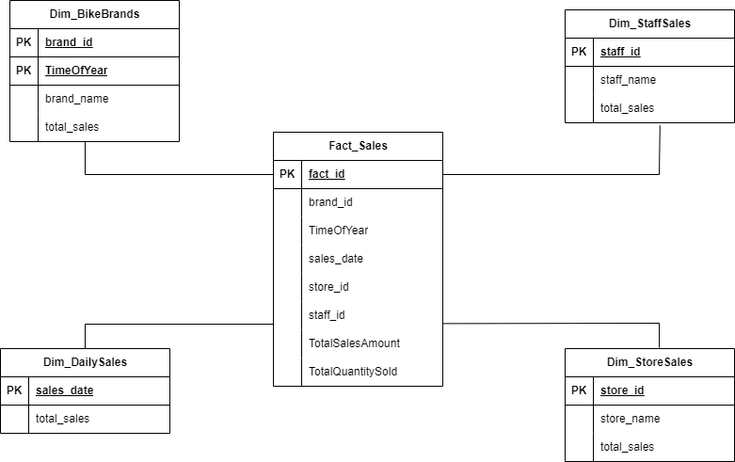

Dim_BikeBrands
Table name | Dim_BikeBrands
Table type | Dimension
View name | Dim_BikeBrands
Description | Indicates the most popular bike brands at specific times of the day
Used in Schemas | Sales
Generate script | No

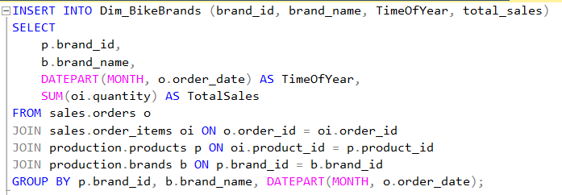

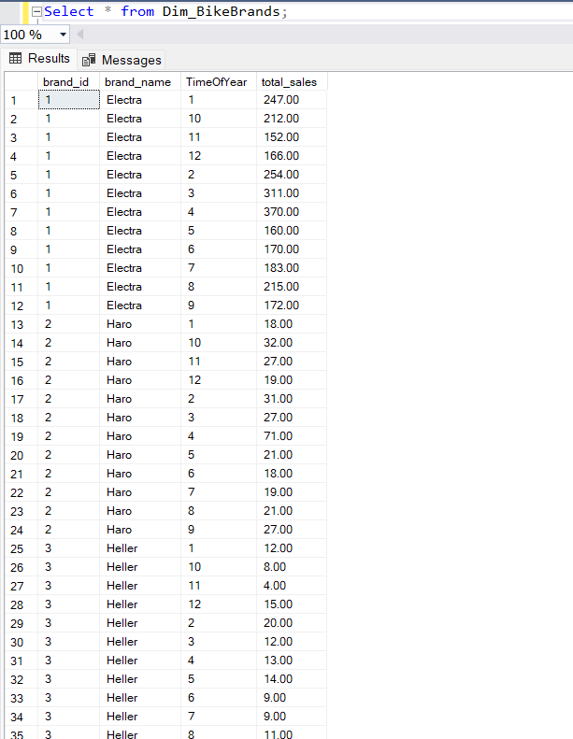

 | Target |  |  |  |  |  |  |  |  |  | Source
Column Name | Description | Datatype | Size | Key? | FK To | NULL? | Default Value | Unknown Member | Example Values | SCD Type | Source System | Source Schema | Source Table | Source Field Name | Source Datatype | ETL Rules | Comments
Brandkey | Surrogate primary key | int |  | PK |  | No |  |  | 1, 2, 3, … |  | ETL Process
brand_id | Natural key from source system | int |  | NK |  |  |  | -1 | 1, 2, 3, … |  | BikeStores | production | brands | brand_id | int | No conversion needed
brand_name | Name of the the brand of the bike | varchar | 255 |  |  |  |  |  | Trek | 1 | BikeStores | production | brands | brand_name | varchar | Lookup the brand_id from the products.brands table and return the matching brand_name
TimeOfYear | The time of the sale in a year | varchar | 50 |  |  |  |  | Unknown | 1,2,3 | 1 | BikeStores | production | brands | TimeOfYear | varchar | No conversion needed
total_sales | The total sales of each bike brand | decimal | 10.2 |  |  |  |  | -1 | 110 | 1 | BikeStores |  |  | total_sales | int | No conversion needed

Dim_DailySales
Table name | Dim_DailySales
Table type | Dimension
View name | Dim_DailySales
Description | Contains the total daily sales
Used in Schemas | Fact
Generate script | No

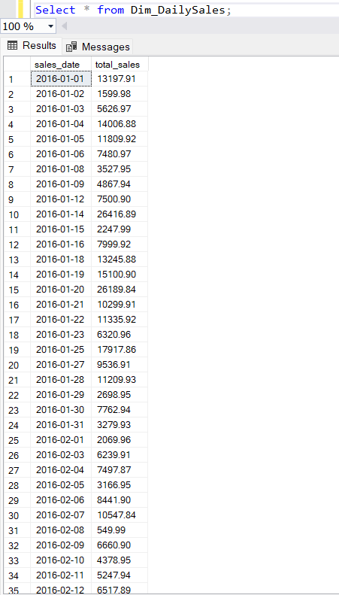

 | Target |  |  |  |  |  |  |  |  |  | Source
Column Name | Description | Datatype | Size | Key? | FK To | NULL? | Default Value | Unknown Member | Example Values | SCD Type | Source System | Source Schema | Source Table | Source Field Name | Source Datatype | ETL Rules | Comments
Timekey | Surrogate primary key | int |  | PK |  | No |  |  | 1, 2, 3, … |  | ETL Process
sales_date | Natural key from source system | date |  |  |  |  |  | -1 | 2016-01-12 | 1 | BikeStores | sales | orders | sales_date | date | No conversion needed
total_sales | The total sales of each bike brand | decimal | 10.2 |  |  |  |  | -1 | 30457.79 | 1 | BikeStores | sales | orders | total_sales | decimal | No conversion needed

Dim_StaffSales
Table name | Dim_StaffSales
Table type | Dimension
View name | Dim_StaffSales
Description | Contains information of the staff responsible for higher profits
Used in Schemas | Sales
Generate script | No

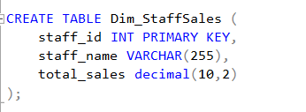

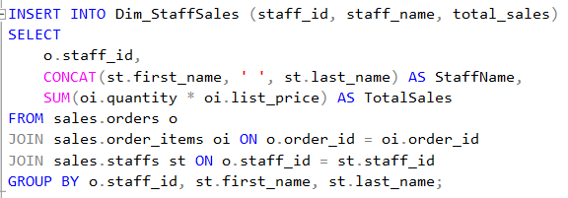

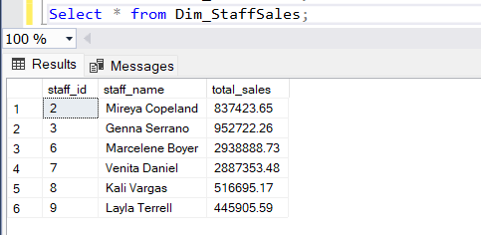

 | Target |  |  |  |  |  |  |  |  |  | Source
Column Name | Description | Datatype | Size | Key? | FK To | NULL? | Default Value | Unknown Member | Example Values | SCD Type | Source System | Source Schema | Source Table | Source Field Name | Source Datatype | ETL Rules | Comments
Staffkey | Surrogate primary key | int |  | PK |  | No |  |  | 1, 2, 3, … |  | ETL Process
staff_id | Natural key from source system | int |  |  |  |  |  |  | 1,2,3,… | 1 | BikeStores | sales | staff | staff_id | int | No conversion needed
staff_name | Name of the employee or staff selling the bikes | varchar | 255 |  |  |  |  |  | Layla Terrell | 2 | BikeStores | sales | staff | staff_name | varchar | Lookup the staff_id from the sales.staffs table and return the matching staff_name
total_sales | The total sales of each bike brand | decimal | 10.2 |  |  |  |  |  | 445905.59 | 1 | BikeStores | sales | staff | total_sales | decimal | No conversion needed

Dim_StoreSales
Table name | Dim_StoreSales
Table type | Dimension
View name | Dim_StoreSales
Description | Contains information about the store with most sales
Used in Schemas | Sales
Generate script | No

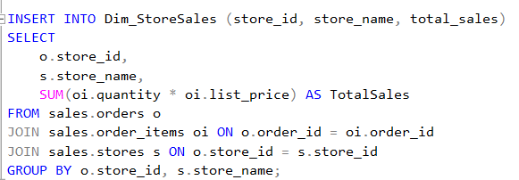

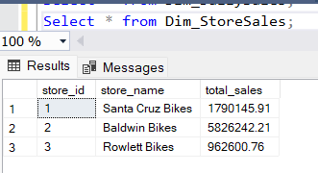

 | Target |  |  |  |  |  |  |  |  |  | Source
Column Name | Description | Datatype | Size | Key? | FK To | NULL? | Default Value | Unknown Member | Example Values | SCD Type | Source System | Source Schema | Source Table | Source Field Name | Source Datatype | ETL Rules | Comments
Storekey | Surrogate primary key | int |  | PK |  | No |  |  | 1, 2, 3, … |  | ETL Process
store_id | Natural key from source system | int |  |  |  |  |  |  | 1,2,3,… | 1 | BikeStores | sales | stores | store_id | int | No conversion needed
store_name | Name of the employee or staff selling the bikes | varchar | 255 |  |  |  |  |  | Rowlett Bikes | 2 | BikeStores | sales | stores | store_name | varchar | Lookup the store_id from the sales.stores table and return the matching store_name
total_sales | The total sales of each bike brand | decimal | 10.2 |  |  |  |  |  | 9962600.76 | 1 | BikeStores | sales | stores | total_sales | decimal | No conversion needed

Fact_Sales
Table name | Fact_Sales
Table type | Fact
View name | Fact_Sales
Description
Used in Schemas | Sales
Generate script | Yes

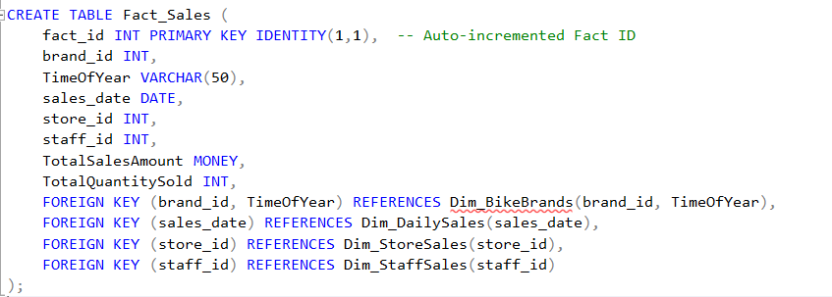
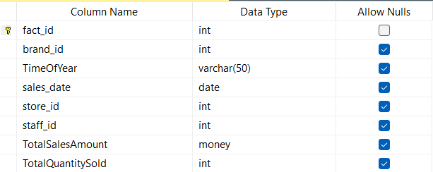

 | Target |  |  |  |  |  |  |  |  |  | Source
Column Name | Description | Datatype | Size | Key? | FK To | NULL? | Default Value | Unknown Member | Example Values | SCD Type | Source System | Source Schema | Source Table | Source Field Name | Source Datatype | ETL Rules | Comments
Brandkey | Key from the Dim_BikeBrands to indicate the name of the brand for a bike | int |  | PK FK | Dim_BikeBrands | No |  | -1 | 1, 2, 3, … |  | ETL Process |  |  |  |  | retrieve appropriate key from the FK reference table
TimeKey | Key from the Dim_DailySales to indicate the time of the sale of a bike | int |  | PK FK | Dim_DailySales | No |  | -1 | 1, 2, 3, … |  | ETL Process |  |  |  |  | retrieve appropriate key from the FK reference table
StaffKey | Key from the Dim_StaffSales to indicate the name of the staff responsible for a transaction | int |  | PK FK | Dim_StaffSales | No |  | -1 | 1, 2, 3, … |  | ETL Process |  |  |  |  | retrieve appropriate key from the FK reference table
StoreKey | Key from the Dim_StoreSales to indicate the name of thethe store the transaction took place | int |  | PK FK | Dim_StoreSales | No |  | -1 | 1, 2, 3, … |  | ETL Process |  |  |  |  | retrieve appropriate key from the FK reference table
BIKESALES | Sum of the sales for each bike brand | decimal | 10.2 |  |  |  |  | -1 | 9962600.76 | 1 | BikeStores | sales | orders | BIKESALES | decimal | Sum up all the sales and group them by the brand_name
STAFFSALES | Sum of the sales for each staff member | decimal | 10.2 |  |  |  |  | -1 | 9962600.76 | 1 | BikeStores | sales | orders | STAFFSALES | decimal | Sum up all the sales and group them by the staff_name
STORESALES | Sum of the sales for each bike store | decimal | 10.2 |  |  |  |  | -1 | 9962600.76 | 1 | BikeStores | sales | orders | STORESALES | decimal | Sum up all the sales and group them by the store_name
total_sales | The total sales of each bike brand every day | decimal | 10.2 |  |  |  |  | -1 | 9962600.76 | 1 | BikeStores | sales | orders | total_sales | decimal | No conversion needed

