Main
https://www.codeproject.com/Articles/1216796/ASP-NET-Core-Identity-Setting-up-a-web-project-and-the
https://www.codeproject.com/Articles/1235077/Getting-Started-With-ASP-NET-Core-Identity-And-Rol
https://www.codeproject.com/Articles/1237650/ASP-NET-Core-User-Role-Base-Dynamic-Menu-Managemen
https://www.c-sharp.vn/dot-net-core/dot-net-core-bearer-token-with-jwt-e477ff
 | Create a Database

 | USE MASTER
 | GO

 | -- 1) Check for the Database Exists .If the database is exist then drop and create new DB
 | IF EXISTS (SELECT [name] FROM sys.databases WHERE [name] = 'InventoryDB' )
 | DROP DATABASE InventoryDB
 | GO

 | CREATE DATABASE InventoryDB
 | GO

 | USE InventoryDB
 | GO

 | Preparing the Models
 | To do this, let's add a Models folder to the solution. Add a class named ApplicationUser which inherits from IdentityUser.

 | public class ApplicationUser : IdentityUser
 | {
 | public string FirstName { get; set; }
 | public string LastName { get; set; }
 | }

 | Preparing Entity Framework

 | Before starting the next step, we will add an appsettings.json file to the solution. By default, it should add a connection string which looks like this:

 | Hide Copy Code
 | {
 | "ConnectionStrings": {
 | "DefaultConnection": "Server=(localdb)\\MSSQLLocalDB;
 | Database=_CHANGE_ME;Trusted_Connection=True;MultipleActiveResultSets=true"
 | }
 | }

 | Preparing Entity Framework

 | Let's add a folder named Data to the solution and add ApplicationDbContext class to this folder.

 | public class ApplicationDbContext : IdentityDbContext<applicationuser>
 | {
 | public ApplicationDbContext(DbContextOptions<applicationdbcontext> options)
 | : base(options)
 | {
 | }

 | protected override void OnModelCreating(ModelBuilder builder)
 | {
 | base.OnModelCreating(builder);
 | }
 | }

 | Preparing Service and Middleware

 | In the previous step, it looks like we didn't use any connection string in ApplicationDbContext class. Rather, we injected DbContextOptions using Dependency Injection. Remember we have to configure this in the ConfigureServices method of Startup class.

 | Another important thing that we have to do is Configure the services related to ASP.NET Core Identity for the dependency injection. The final ConfigureServices method will look like this:

 | public void ConfigureServices(IServiceCollection services)
 | {
 |  | services.AddDbContext<applicationdbcontext>(options =>
 |  |  | options.UseSqlServer(Configuration.GetConnectionString("DefaultConnection")));

 |  | services.AddIdentity<applicationuser, identityrole>()
 |  |  | .AddEntityFrameworkStores<applicationdbcontext>()
 |  |  | .AddDefaultTokenProviders();
 | }

 | Finally, we have to add identity to request pipeline. To do this, we have to add the following line at the end of the Configure method.

 | app.UseAuthentication();

 | This line adds authentication middleware to the request pipeline.

 | Add required NuGet packages

 | Run the following .NET Core CLI command to add SQLite and CodeGeneration.Design to the project:

 | console

 | dotnet add package Microsoft.EntityFrameworkCore.SQLite
 | dotnet add package Microsoft.VisualStudio.Web.CodeGeneration.Design

 | The Microsoft.VisualStudio.Web.CodeGeneration.Design package is required for scaffolding.

 | console

 | dotnet add package Npgsql.EntityFrameworkCore.PostgreSQL
 | dotnet add package Npgsql.EntityFrameworkCore.PostgreSQL.Design

 | Preparing Migration and Database

 | dotnet ef migrations add InitialCreate
 | dotnet ef database update

 | if more than one DbContext was found. Specify which one to use. Use the '-Context' parameter for PowerShell commands and the '--context' parameter for dotnet commands.

 | Add Identity Service in Startup.cs file

 | /Password Strength Setting
 | services.Configure<IdentityOptions>(options =>
 | {
 | // Password settings
 | options.Password.RequireDigit = true;
 | options.Password.RequiredLength = 8;
 | options.Password.RequireNonAlphanumeric = false;
 | options.Password.RequireUppercase = true;
 | options.Password.RequireLowercase = false;
 | options.Password.RequiredUniqueChars = 6;

 | // Lockout settings
 | options.Lockout.DefaultLockoutTimeSpan = TimeSpan.FromMinutes(30);
 | options.Lockout.MaxFailedAccessAttempts = 10;
 | options.Lockout.AllowedForNewUsers = true;

 | // User settings
 | options.User.RequireUniqueEmail = true;
 | });

 | //Setting the Account Login page
 | services.ConfigureApplicationCookie(options =>
 | {
 | // Cookie settings
 | options.Cookie.HttpOnly = true;
 | options.ExpireTimeSpan = TimeSpan.FromMinutes(30);
 | options.LoginPath = "/Account/Login"; // If the LoginPath is not set here,
 | // ASP.NET Core will default to /Account/Login
 | options.LogoutPath = "/Account/Logout"; // If the LogoutPath is not set here,
 | // ASP.NET Core will default to /Account/Logout
 | options.AccessDeniedPath = "/Account/AccessDenied"; // If the AccessDeniedPath is
 | // not set here, ASP.NET Core
 | // will default to
 | // /Account/AccessDenied
 | options.SlidingExpiration = true;
 | });

 | Register and Create your First User

 | Create Role and Assign User for Role

 | Create MenuMaster Database

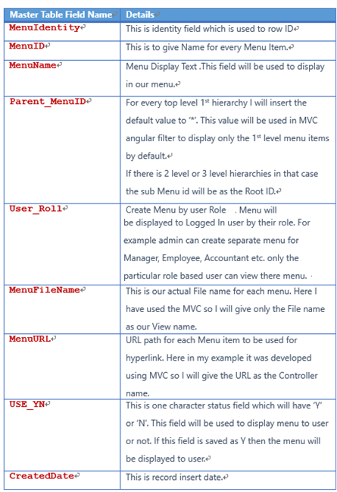
 | CREATE TABLE MenuMaster
 | (
 | MenuIdentity int identity(1,1),
 | MenuID VARCHAR(30) NOT NULL,
 | MenuName NVARCHAR(100) NOT NULL,
 | ParentMenuID VARCHAR(30) NOT NULL,
 | UserRole [varchar](256) NOT NULL,
 | MenuFileName VARCHAR(100) NOT NULL,
 | MenuURL VARCHAR(500) NOT NULL,
 | USE_YN Char(1) DEFAULT 'Y',
 | CreatedDate datetime
 | CONSTRAINT [PK_MenuMaster] PRIMARY KEY CLUSTERED
 | (
 | [MenuIdentity] ASC ,
 | [MenuID] ASC,
 | [MenuName] ASC
 | )WITH (PAD_INDEX = OFF, STATISTICS_NORECOMPUTE = OFF, IGNORE_DUP_KEY = OFF, ALLOW_ROW_LOCKS = ON, ALLOW_PAGE_LOCKS = ON) ON [PRIMARY]
 | ) ON [PRIMARY]

 | Insert into MenuMaster(MenuID ,MenuName,ParentMenuID,UserRole,MenuFileName,MenuURL,USE_YN,CreatedDate)
 | Values('AUSER','ADMIN Dashboard','*','ADMIN','INDEX','ADMINC','Y',getDate())

 | Here, we can see the format we are using in our Menu Master table to insert our records for display menu based on user role.

 | MenuID = 'AUSER' (We will give unique menu ID).
 | MenuName = 'ADMIN Dashboard' (We will give menu display text),
 | ParentMenuID = '*’ (If this is main menu, then we will give here as “*”, else we will give the MenuID of previous records to display this record to show as submenu).
 | UserRole = 'ADMIN' (Here, we will give the User Role, if same menu needs to be used for multiple roles based users like Admin, Manager, Accountant, etc., then we will insert the same menu details with different user roles. In our sample, we have added the same menu details as 'Manager Dashboard' for both Admin and Manager User as both can view the menu and page.).
 | MenuFileName = 'INDEX' (Here, we give our View name to be displayed when the menu is clicked).
 | MenuURL = 'ADMINC' (Here, we give our Controller name to be displayed when the menu is clicked).
 | USE_YN = 'Y' (This is an optional field as we can use this to display menu or not).
 | CreatedDate = getDate() (This is also optional as to input the Create date).

 | Working with Dependency Inject for Menu Display

 | Creating Model Class

 | First, we will start with creating a class in our Model folder. We give the class name as MenuMaster as same as our table name in our database. In MenuMaster class, we need to create properties same like our Table fields like below:

 | public class MenuMaster
 | {
 | [Key]
 | public int MenuIdentity { get; set; }
 | public string MenuID { get; set; }
 | public string MenuName { get; set; }
 | public string ParentMenuID { get; set; }
 | public string UserRole { get; set; }
 | public string MenuFileName { get; set; }
 | public string MenuURL { get; set; }
 | public string USE_YN { get; set; }
 | public DateTime CreatedDate { get; set; }
 | }

 | Creating Interface Class

 | Now, it’s time for us to create an interface with method named GetMenuMaster(), GetMenuMaster(String UserRole) and we will be implementing this interface in our Service to get all the Menu details from the table and also another method to get menu by user role. For creating the Interface, add a new class to your model folder and name the class as “IMenuMasterService”.

 | We will change the class to an interface as we are going to create an interface to implement in our service.

 | public interface IMenuMasterService
 | {
 | IEnumerable<MenuMaster> GetMenuMaster();
 | IEnumerable<MenuMaster> GetMenuMaster(String UserRole);
 | }

 | Creating Service

 | Now, let’s add a new class Services folder and name the class as “MenuMasterService”. In this class, we will be implementing our interface IMenuMasterService. We know that if we implement the interface, then we should declare the interface method in our class. In this service, we use the interface method and we return the list with Menu details and also return the Menu details by user role. We will be directly Injecting this on our View page.

 | public class MenuMasterService:IMenuMasterService
 | {
 | private readonly ApplicationDbContext _dbContext;

 | public MenuMasterService(ApplicationDbContext dbContext)
 | {
 | _dbContext = dbContext;
 | }

 | public IEnumerable<MenuMaster> GetMenuMaster()
 | {
 | return _dbContext.MenuMaster.AsEnumerable();

 | }

 | public IEnumerable<MenuMaster> GetMenuMaster(string UserRole)
 | {
 | var result = _dbContext.MenuMaster.Where(m => m.User_Roll == UserRole).ToList();
 | return result;
 | }
 | }

 | Register the Service

 | We need to register our created service to the container. Open the Startup.cs from your project to add the service to the container.

 | In the Startup.cs class, find the method named as ConfigureServices and add your service “MenuMasterService” like below:

 | services.AddTransient<MenuMasterService, MenuMasterService>();

Repository & UnitOfWork
https://www.programmingwithwolfgang.com/repository-and-unit-of-work-pattern/

 | Implementation of the Repository and Unit of Work Pattern
 | For this example, I created a console project (RepositoryAndUnitOfWork) and a class library (RepositoryAndUnitOfWork.DataAccess). In the class library, I generate a database with a customer table.
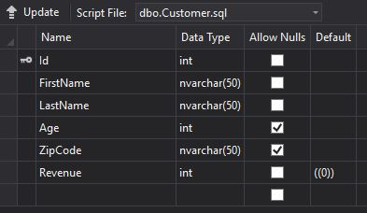

 | Implementing Repositories
 | After setting up the database, it’s time to implement the repository. To do that, I create a new folder, Repositories, in the class library project and add a new interface IRepositry. In this Interface, I add all generic methods I want to use later in my applications. These methods are, GetById, Add, AddRange, Remove or Find. To make the Interface usable for all classes I use the generic type parameter T, where T is a class.

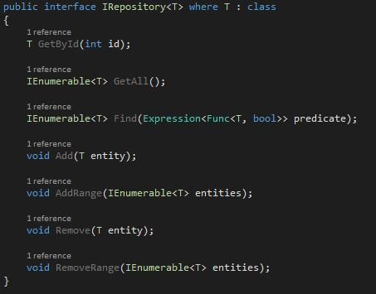

 | After the generic repository, I also implement a specific repository for the customer. The ICustomerRepository inherits from IRepository and only implements one method.

 | After implementing all interfaces it’s time to implement concrete repository classes. First, I create a class Repository which inherits from IRepository. In this class, I implement all methods from the interface. Additionally to the methods, I have a constructor which takes a DbContext as Parameter. This DbContext instantiates a DbSet which will be used to get or add data.

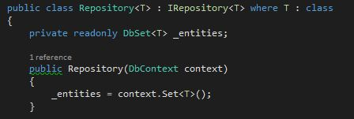

 | The implementations of the methods are pretty straight Forward. The only interesting one might be the Find method which takes an expression as parameter. In the implementation, I use Where to find all entries which fit the Expression of the parameter.

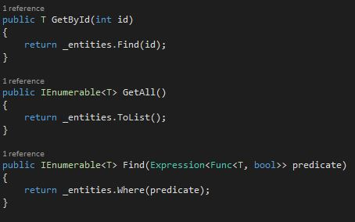

 | The final step for the Repository pattern is to implement the CustomerReposiotry. This class derives from Repository and ICustomerRepository and implements the method from the interface. The constructor takes a CustomerDbEntities object as Parameter which is derived from DbContext and generated by Entity Framework.

 | Implementing Unit of Work
 | All repositories are created now, but I need a class which writes my data to the database, the unit of work. To implement this class, I first implement the IUnitOfWork interface in the repositories folder in the library project. This interface derives from IDisposable and has an ICustomerRepository property and the method Complete. This method is responsible for saving changes. The Name of the method could be Save, Finish or whatever you like best.
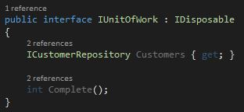

 | Like before, I add the concrete implementation of IUnitOfWork to the repositories folder in the console application project. The constructor takes a CustomerDbEnties object as parameter and also initializes the ICustomerRepository. The Complete Method saves the context with SaveChanges and the Dispose method disposes changes.
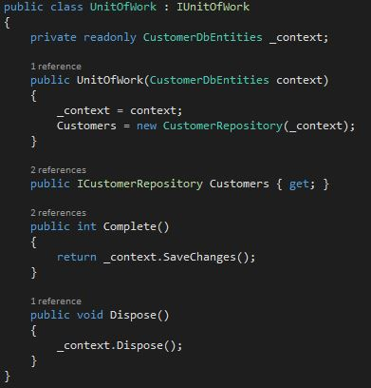

 | Using the Repository and Unit of Work
 | The usage of the unit of work differs between a web application and a console application. In an MVC application, the unit of work gets injected into the constructor. In the console application, I have to use a using statement. I can use with unitOfWork.Customer.Method(), for example unitOfWork.GetBestCustomers(3). To save the changes use unitOfWork.Complete().

 | Note: In this example, I always talked about writing and reading data from the database. The storage location could also be a web service or file drive. If you want to try my example, you have to change the connection string for the database in the App.config file to the Location of the database on your computer.
 | Conclusion
 | In this post, I showed how to implement the Repository and Unit of Work pattern. Implementing both patterns results in more classes but the advantages of abstraction increased testability and increased maintainability outweigh the disadvantages. I also talked about entity framework and that although it looks like an out of the box Repository and Unit of Work pattern, it comes at the cost of tight coupling to the framework and should not be used to replace the patterns.

