1
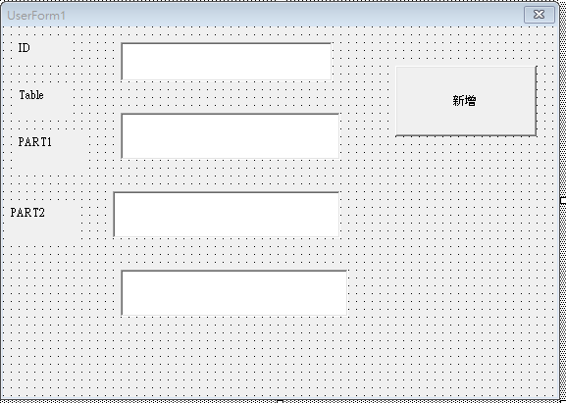
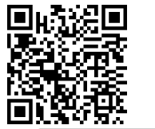
ID | Table | 料號1 | 料號2 | TIME
SENSE | Table2-5-L | 1A3002BV600#004000#000000WG2214A65#220226#03938#202261E84684 | 1A3002BV600#004000#000000WG2214A65#220226#03938#202261E84684 | 2/12/23 | 人ID
SENSE | Table2-5-1014-00L9100#004000#000000WG2214A65#220226#03938#202261E84684
5465
54

確認
VBA 記得設密碼 |  |  |  | Table1確認完寫入紀錄自動帶出時間

 | 人ID | Table | 料號1 | ID | Table | 跳過站位紀錄 | 確認 | TIME
 |  |  |  | SENSE | Table1 | PASS | 確認完成 | 0
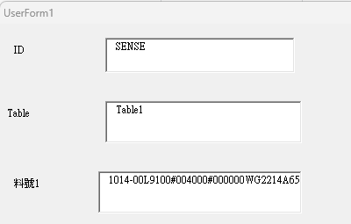

第1刷入人

由上至下順序比對完。(注意例:Table1-5-L有5組料號，當下只會使用其中一組
第2刷入模組

第3刷入目前料號
不用
此位置開始比對
新視窗顯示下個站位
站位 Table1-5-L
料號

第4確認完成，跳下個站位，在輸入料號
站位 Table1-5-R
料號
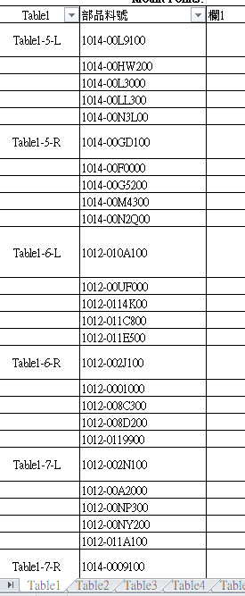

第5確認完成由上至下，資料存檔

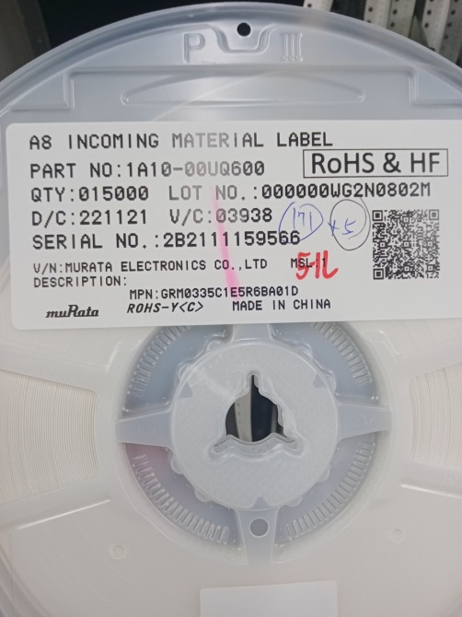
正確

1014-00L9100

正確 聲音提示 OK

錯誤
錯誤聲音提示 NG
0903-03L0T00

錯誤3次，出現警告視窗，鎖定

出現新輸入框，輸入PASS代碼解除鎖定

跳過此站位，再依序輸入
向下確認入

更換
 | Table2-5-L可使用料號範圍 | 正在使用舊料捲料號 | 欲更換新料捲料號(需相同) | 自動帶出時間 | 人ID | Table(Table2-5-L) | 料號1 | 料號2
 | 如料號是0903-03L0T00則錯誤 | 只需比對前12碼 | 只需比對前12碼

ID | Table | 料號1 | 料號2 | TIME
SENSE | Table2-5-L | 1014-00L9100#004000#000000WG2214A65#220226#03938#202261E84684 | 1014-00L9100#004000#000000WG2214A65#220226#03938#202261E84684 | 0

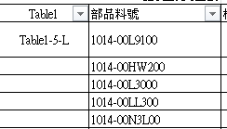
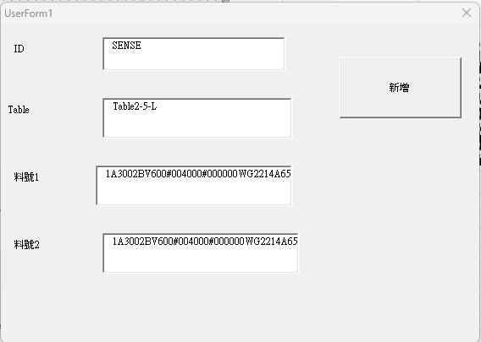
正確
正確

1014-00L9100
1014-00L9100
第1刷入人

第2刷入模組位置

正確
錯誤
第3刷入舊料號
1014-00L9100
0903-03L0T00
正確 聲音提示 OK

第4刷入新料號
錯誤聲音提示 NG

第5步_比對完第3和第4會存檔帶時間
錯誤
正確

0903-03L0T00
1014-00L9100
第6步_自動再回到輸入畫面


比對位置

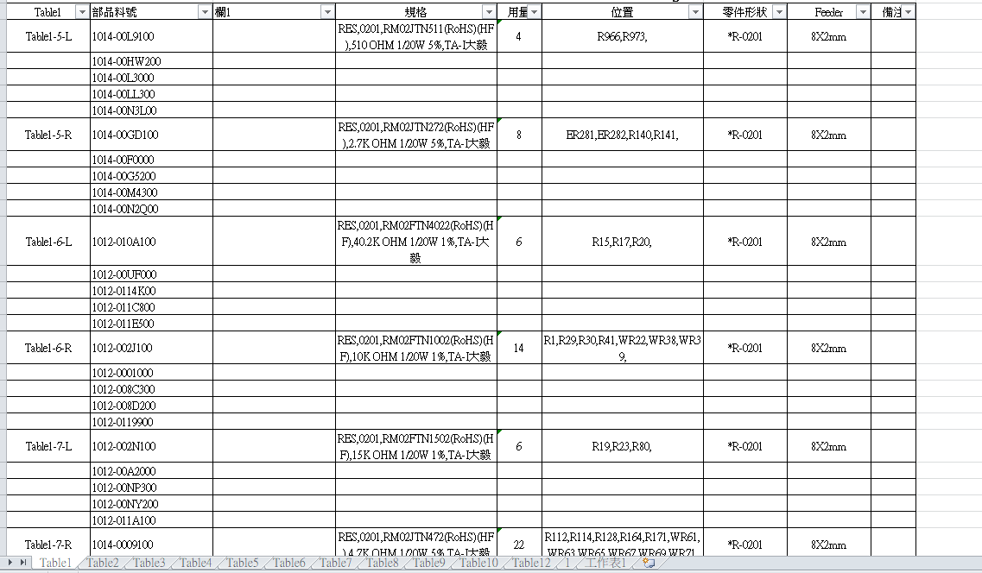

 | 每個分頁都是不同模組站位

