chart
State i | Predicted | Actual | https://support.microsoft.com/en-us/kb/213750
OH | #DIV/0! | 0
HI | 282.27 | 559
AK | 233.74 | 407
NV | 1502.33 | 1323
NJ | 19899.10 | 2146
AZ | 4087.08 | 2551
WY | 480.15 | 298
MD | 16804.66 | 1881
WI | 14841.01 | 1684
WA | 3357.21 | 1797
UT | 1808.38 | 897
FL | 24936.69 | 11763
CO | 4267.98 | 1886
KY | 20079.41 | 8824
ID | 1015.97 | 442
NY | 41520.57 | 5177
WV | 12076.96 | 4656
OR | 1896.71 | 692
IL | 40368.38 | 5219
NM | 1525.69 | 525
CA | 18554.83 | 6215
CT | 6559.50 | 878
RI | 1693.96 | 227
MA | 10790.75 | 1448
ND | 716.56 | 217
MN | 8463.47 | 1190
MT | 689.55 | 193
MI | 60745.96 | 8962
AR | 4382.52 | 688
MS | 4442.60 | 699
MO | 11597.45 | 1831
KS | 3923.41 | 909
VT | 1073.57 | 173
TX | 25489.99 | 5871
GA | 20001.76 | 4596
SC | 10799.70 | 2425
IN | 35686.88 | 7942
LA | 5444.42 | 900
NH | 2095.70 | 350
SD | 967.71 | 210
IA | 5377.43 | 916
VA | 26244.82 | 4526
DE | 2340.50 | 404
OK | 4528.10 | 945
DC | 1800.09 | 315
AL | 8557.44 | 1531
NC | 26693.69 | 5254
TN | 19523.28 | 3770
ME | 1808.97 | 346
PA | 38384.42 | 7232
NE | 2466.24 | 466

predictingM
• | predicting Migration with the Gravity Model
$$Mij=k\frac{P_{i}}{d_{ij}}$$

 | where:
 |  | Mij | : gravity model prediction of migration b/w origin i and destination j
 |  | Pi | : pop. of origin state i
 |  | dij | : distance from origin i to destination j
 |  | k | : a constant that adjusts the gravity model estimates so that the total number of actual and estimated migrants are approxmiately equal
 |  |  | : in this project, k coefficient value for Ohio is 0.19

 |  |  | : The destination population term, Pj, has been left out because you will be looking at a single destination j - our state, Ohio - that is the same for all origins.

• | charting the data with Excel
 | Scatter plots are used to display the relationship between two continuous variables, predicted vs. actual in this case.
 | In a scatter plot, each observation in a data set is represented by a point.
 | Often, a scatter plot will also have a line showing the predicted values based on some statistical model.

 | Law of Migration
559 | 282.27
407 | 233.74
1323 | 1502.33
2146 | 19899.10
2551 | 4087.08
298 | 480.15
1881 | 16804.66
1684 | 14841.01
1797 | 3357.21
897 | 1808.38
11763 | 24936.69
1886 | 4267.98
8824 | 20079.41
442 | 1015.97
5177 | 41520.57
4656 | 12076.96
692 | 1896.71
5219 | 40368.38
525 | 1525.69
6215 | 18554.83
878 | 6559.50
227 | 1693.96
1448 | 10790.75
217 | 716.56
1190 | 8463.47
193 | 689.55
8962 | 60745.96
688 | 4382.52
699 | 4442.60
1831 | 11597.45
909 | 3923.41
173 | 1073.57
5871 | 25489.99
4596 | 20001.76
2425 | 10799.70
7942 | 35686.88
900 | 5444.42
350 | 2095.70
210 | 967.71
916 | 5377.43
4526 | 26244.82
404 | 2340.50
945 | 4528.10
315 | 1800.09
1531 | 8557.44
5254 | 26693.69
3770 | 19523.28
346 | 1808.97
7232 | 38384.42
466 | 2466.24

 | With XY scatter (and bubble) charts in Excel, however, you can’t automatically label data points with text from a third column (here, the state names);
 | it’s only possible to show the value of the X or Y point.
 | Until recently (earliear version than Excel 2013), custom labels required either a lot of manual work to change the default text ,
 | which was not sustainable for large amounts of data, or the use of macros or third-party add-ons.

• | scatter plots in R

R scripts
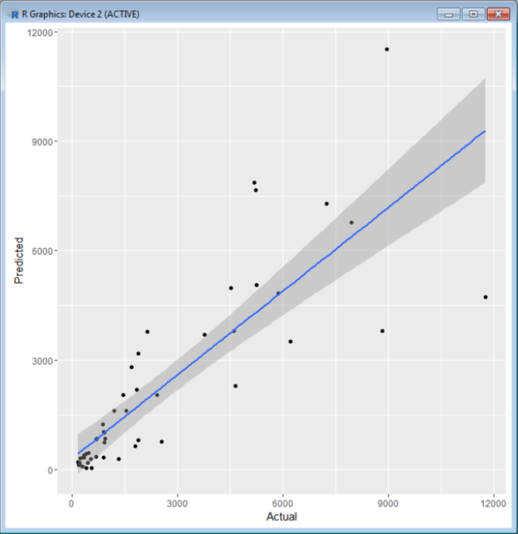
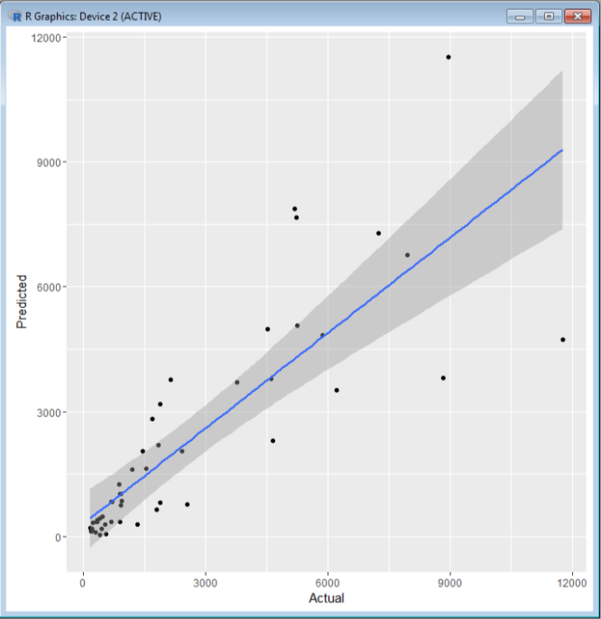
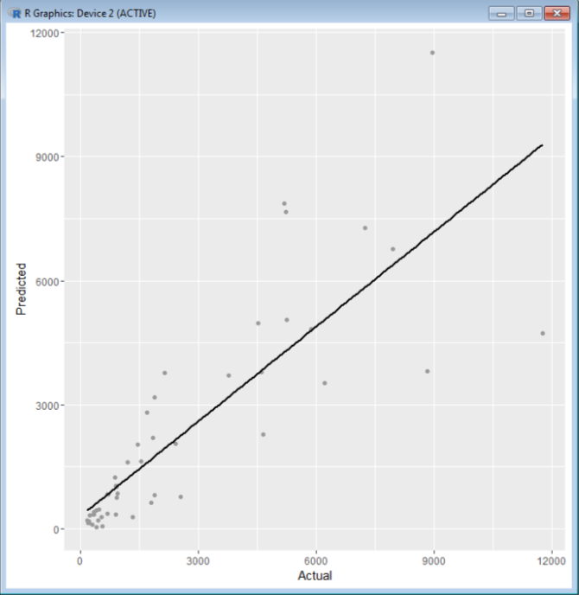
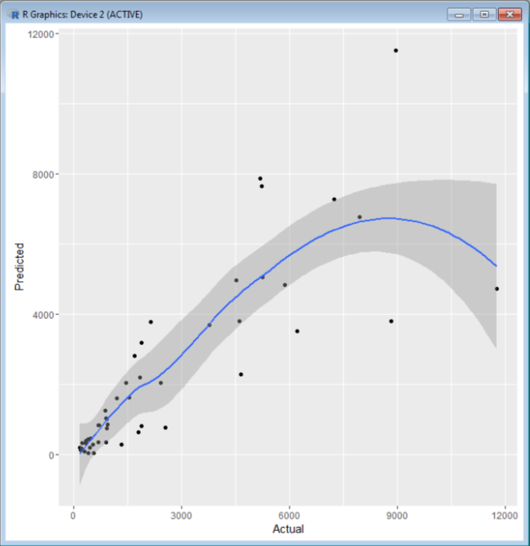
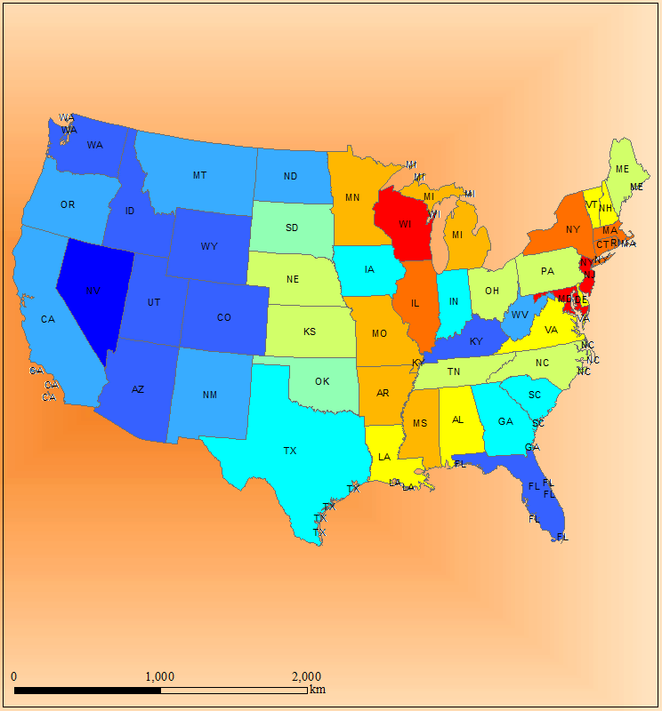
• | loading data from an Excel file
 | • | library(xlsx) |  | » | https://www.r-statistics.com/2012/08/how-to-load-the-rjava-package-after-the-error-java_home-cannot-be-determined-from-the-registry/
 |  | data <- read.xlsx("02.data.xlsx", 1)
 |  | data |  | » | State i | Predicted | Actual | Residual (%)
 |  |  |  |  | AK | 44.325 | 407 | 89.109 | # Residual = (A - P)/A
 |  | library(gcookbook) |  |  | AL | 1622.748 | 1531 | -5.993
 |  | library(ggplot2) |  |  | AR | 831.056 | 688 | -20.793
 |  | ggplot(data, aes(x=Actual, y=Predicted)) + geom_point()
 |  |  |  | » | getting information on a data
 |  |  |  |  | ls(), names(data), str(data), dim(data), class(data), head(data, n=10), tail(data, n=5)

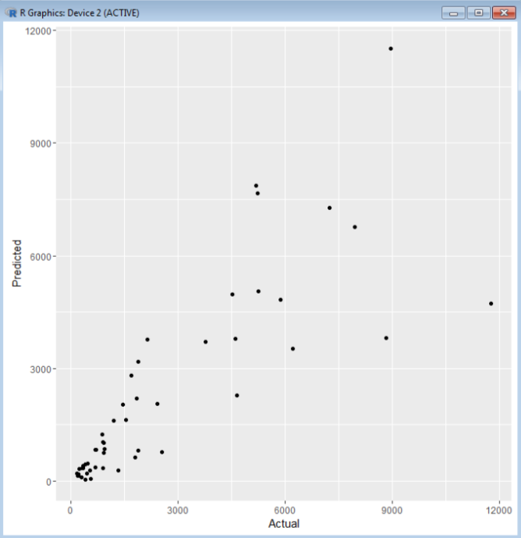
 |  |  |  |  |  | » | ggplot(data, aes(x=Actual, y=Predicted)) + geom_point(shape=21)
 |  |  |  |  |  |  | # default solid circles: shape = 16, hollow circles: shape = 21
 |  |  |  |  |  | » | ggplot(data, aes(x=Actual, y=Predicted)) + geom_point(size=1.5)
 |  |  |  |  |  |  | # default value of size is 2

• | grouping a variable
 | • | # make a copy of the data
 |  | data2 <- data

 |  | # categorize 'Residual' into < 0 and >= 0 groups
 |  | names(data2)
 |  | data2$Residual….
 |  | data2$ResGroup <- cut(data2$Residual.…, breaks=c(-Inf, 0, Inf), labels=c("< 0", ">= 0")) |  |  |  | » | max(data2$Residual...., na.rm=TRUE)
 |  | data2 |  |  |  |  | # try min, median, mean, sd, …

 |  | # use the category
 |  | ggplot(data2, aes(x=Actual, y=Predicted, colour=ResGroup)) + geom_point() + scale_colour_manual(values = c("< 0" = "red", ">= 0" = "blue"))
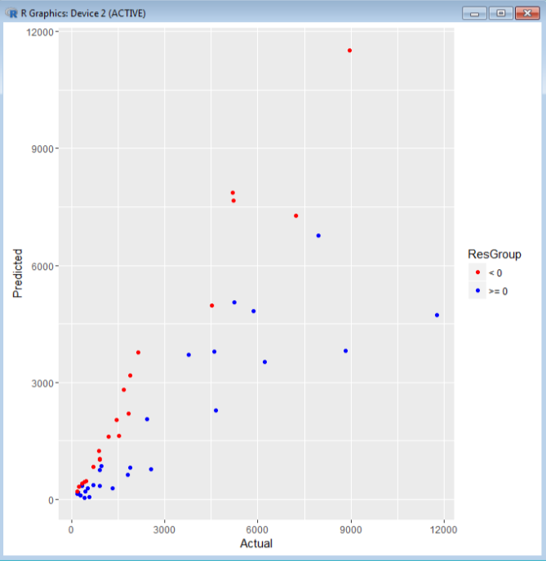
 |  |  |  |  |  | » | http://docs.ggplot2.org/0.9.3/scale_manual.html

 |  | # use the category
 |  | ggplot(data2, aes(x=Actual, y=Predicted, colour=Residual....)) + geom_point()
 |  | ggplot(data2, aes(x=Actual, y=Predicted, colour=Residual....)) + geom_point() + scale_colour_gradient(low="red", high="blue")
 |  | ggplot(data2, aes(x=Actual, y=Predicted, colour=Residual....)) + geom_point() + scale_colour_gradientn(colours=rainbow(5))
 |  | ggplot(data2, aes(x=Actual, y=Predicted, colour=Residual....)) + geom_point() + scale_colour_gradientn(limits=c(-90, 90),colours=rainbow(5))

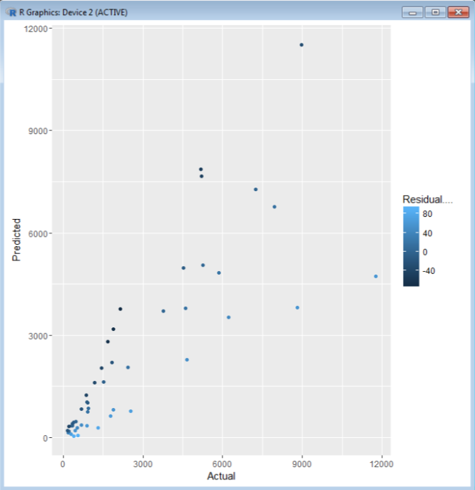
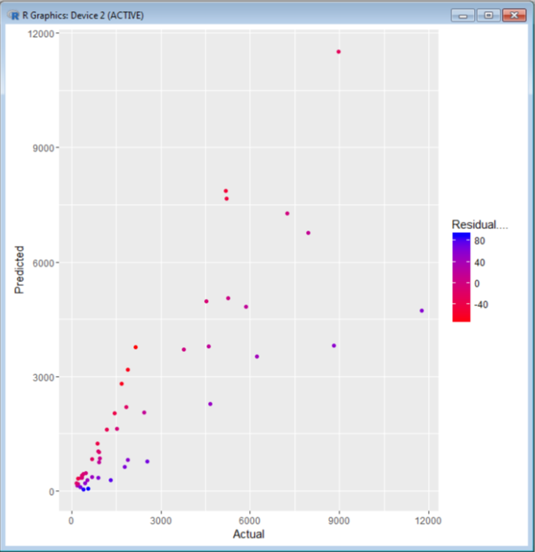

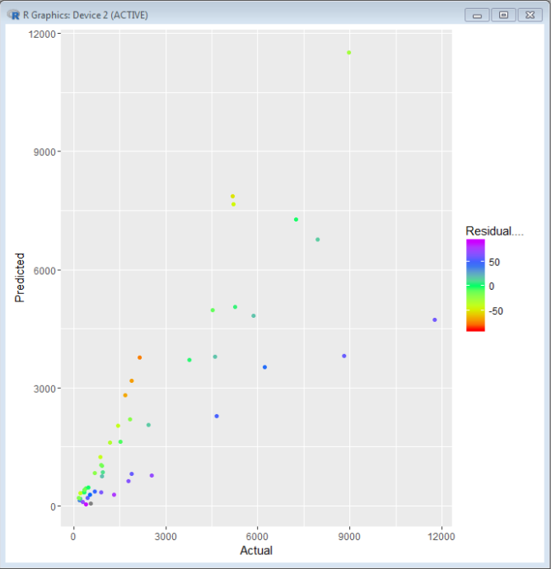
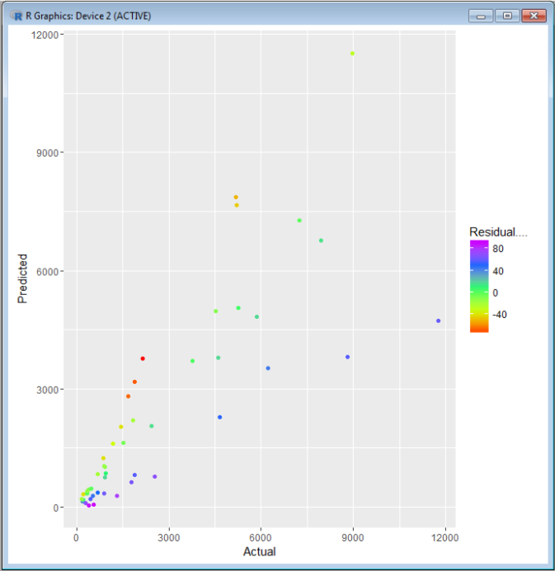

 |  | # use the category
 |  | ggplot(data2, aes(x=Actual, y=Predicted, size=Residual....)) + geom_point()

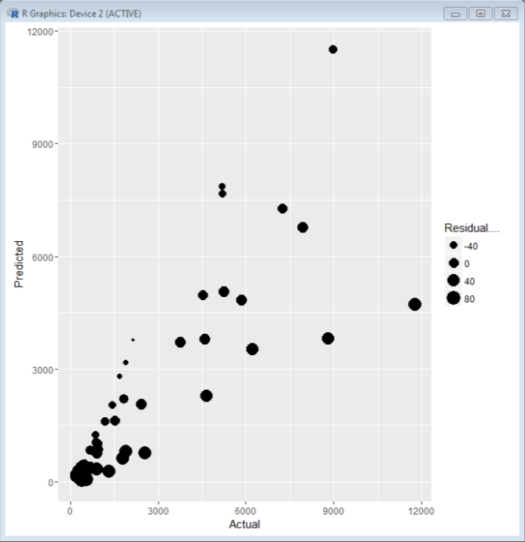

 |  | # use the category
 |  | ggplot(data2, aes(x=Actual, y=Predicted, size=Residual...., colour=Residual....)) + geom_point(alpha=.5) + scale_size_area() + scale_colour_gradient(limits=c(-90, 100), low="red")

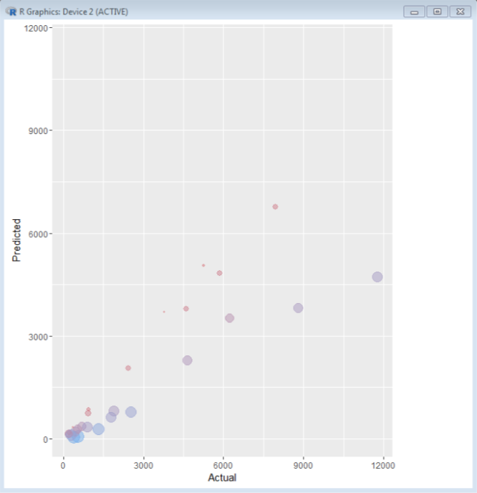

 |  | # use the category
 |  | ggplot(data2, aes(x=Actual, y=Predicted, size=Residual...., colour=ResGroup)) + geom_point() + scale_colour_manual(values = c("< 0" = "red", ">= 0" = "blue"))
 |  | ggplot(data2, aes(x=Actual, y=Predicted, size=Residual...., colour=ResGroup)) + geom_point(alpha=.5)
 |  | ggplot(data2, aes(x=Actual, y=Predicted, colour=ResGroup)) + scale_colour_manual(values = c("< 0" = "red", ">= 0" = "blue"))
 |  | + geom_point(aes(size=posResidual....)) + geom_point(aes(size=absResidual....)) + labs(size="Residual(%)")
 |  | ggplot(data2, aes(x=Actual, y=Predicted, colour=ResGroup)) + scale_colour_manual(values = c("< 0" = "red", ">= 0" = "blue"))
 |  | + geom_point(aes(size=posResidual....), alpha=.5) + geom_point(aes(size=absResidual....), alpha=.5) + labs(size="Residual(%)")

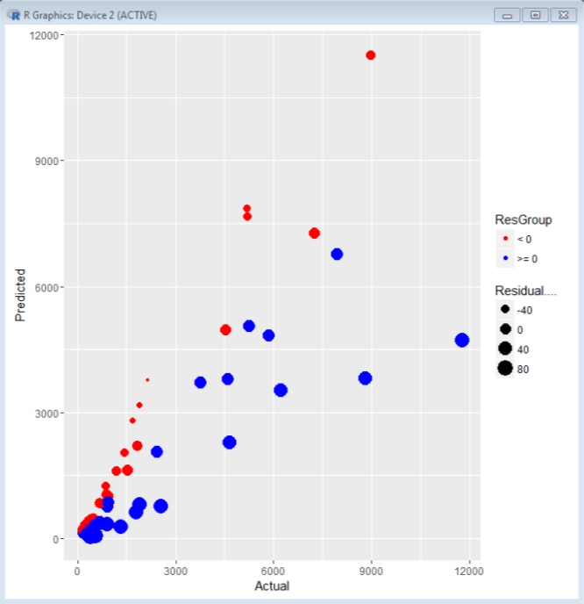
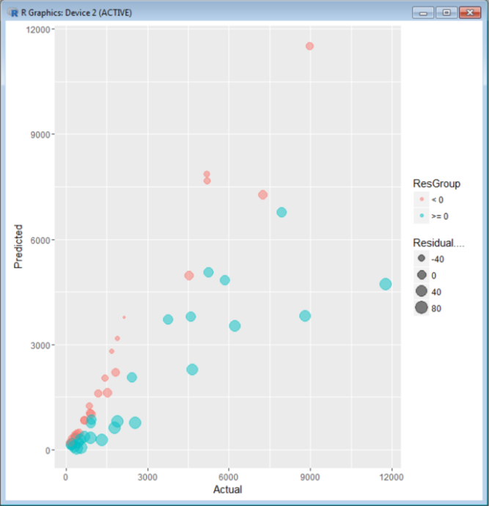

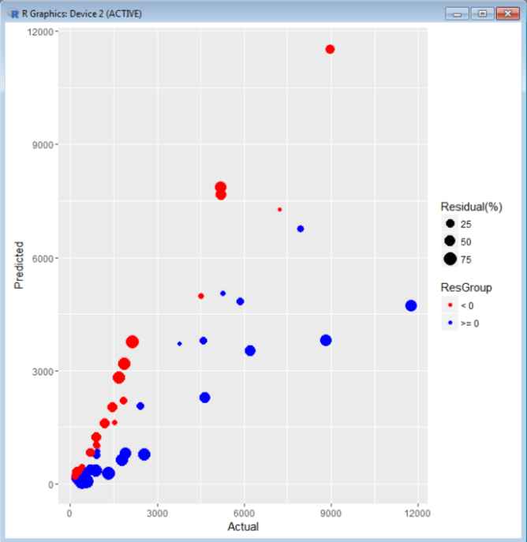
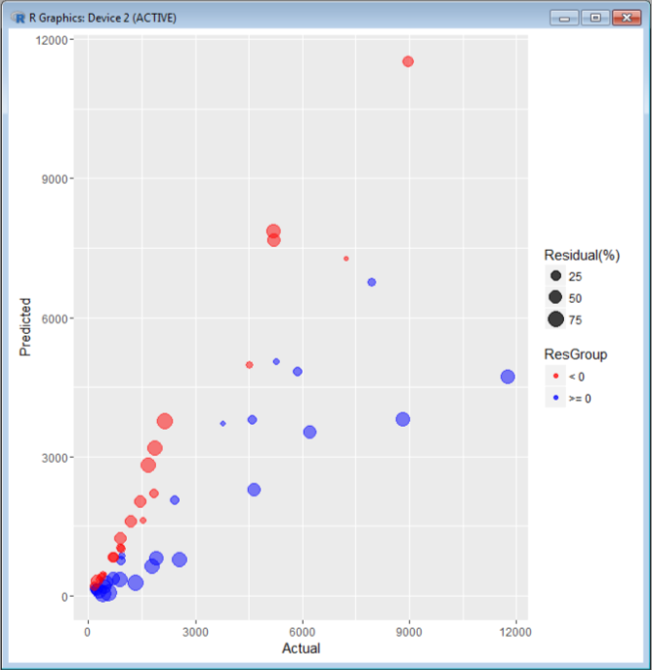

• | adding fitted regression model line
 | • | library(gcookbook)
 |  | pp <- ggplot(data2, aes(x=Actual, y=Predicted, colour=ResGroup)) + geom_point() + scale_colour_manual(values = c("< 0" = "red", ">= 0" = "blue"))
 |  | pp + stat_smooth(method=lm) | # lm: linear model, 95% confidence default
 |  | pp + stat_smooth(method=lm, level=0.99) | # lm: linear model, 99% confidence
 |  | pp + stat_smooth(method=loess)
 |  | pp + stat_smooth(method=lm, se=FALSE, fullrange=TRUE)

 |  | pp2 <- ggplot(data2, aes(x=Actual, y=Predicted, colour=ResGroup, label=State.i)) + geom_point() + scale_colour_manual(values = c("< 0" = "red", ">= 0" = "blue"))
 |  | pp2 + geom_text(aes(label=State.i), colour="grey60", size=3, hjust=-.2, vjust=-.2)
 |  | pp2 + geom_text(aes(label=State.i), colour="grey60", size=3, hjust=-.2, vjust=-.2) + stat_smooth(method=lm)
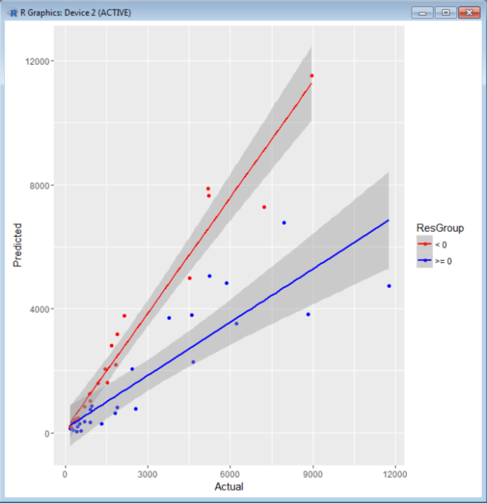
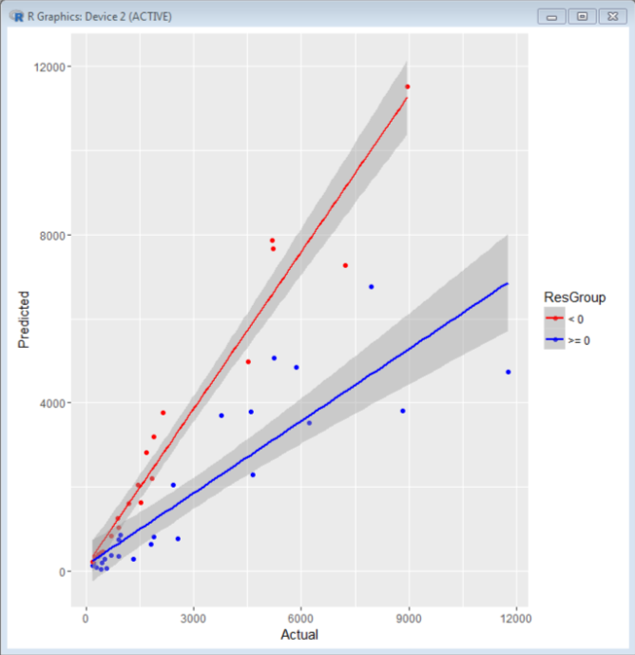

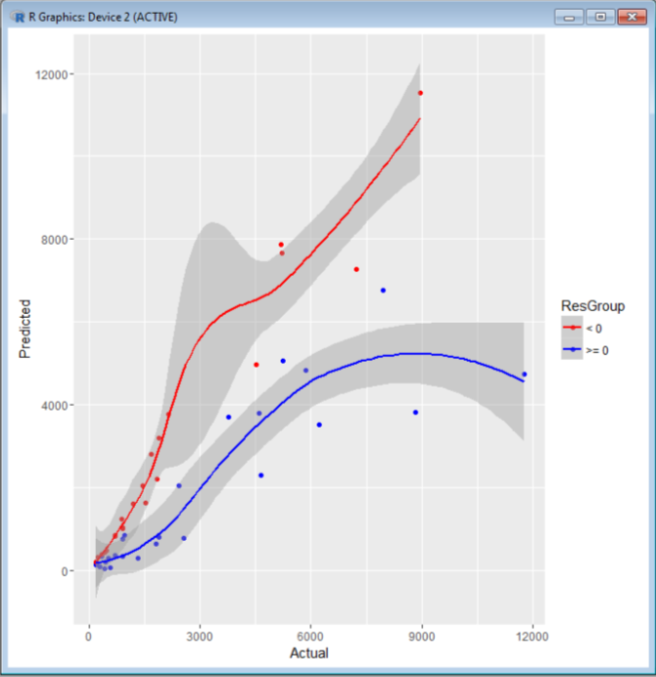
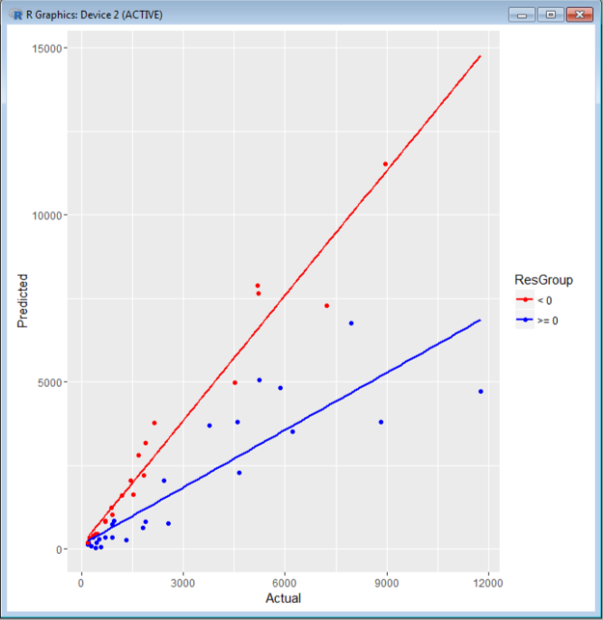

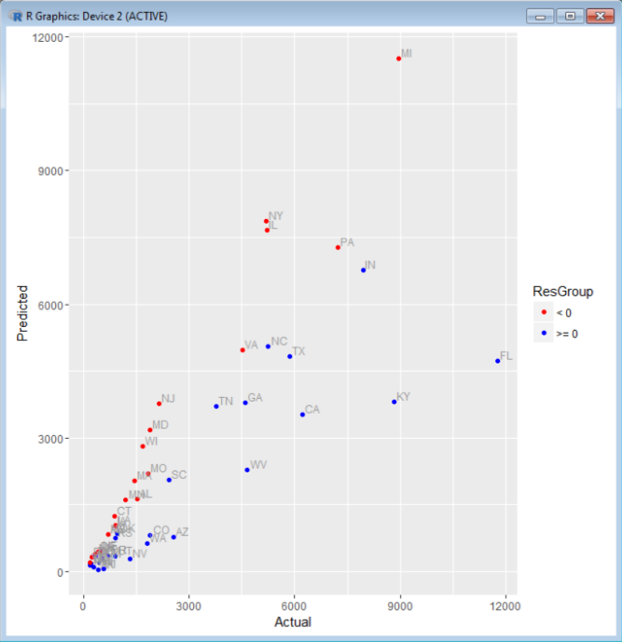
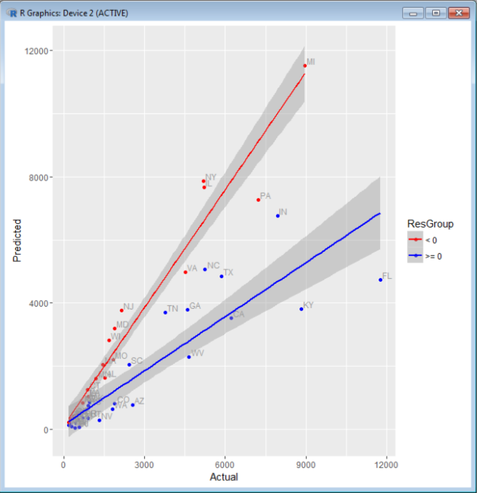

 |  | po <- ggplot(data, aes(x=Actual, y=Predicted)) + geom_point()
 |  | po + stat_smooth(method=lm)
 |  | po + stat_smooth(method=lm, level=.99)
 |  | po + geom_point(colour="grey60") + stat_smooth(method=lm, se=FALSE, colour="black")
 |  | po + stat_smooth(method=loess) | # loess: locally weighted polynomial

