가변그리드
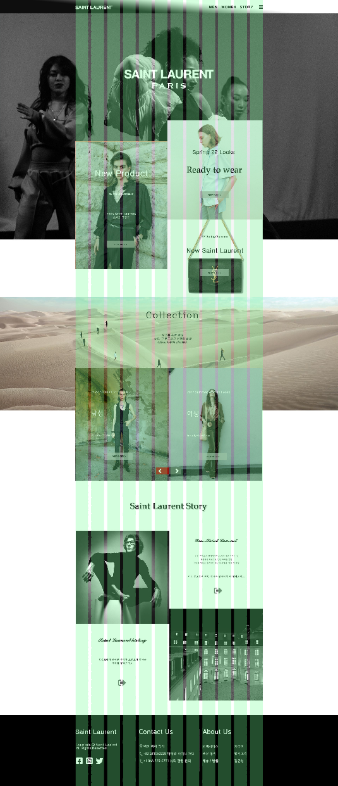
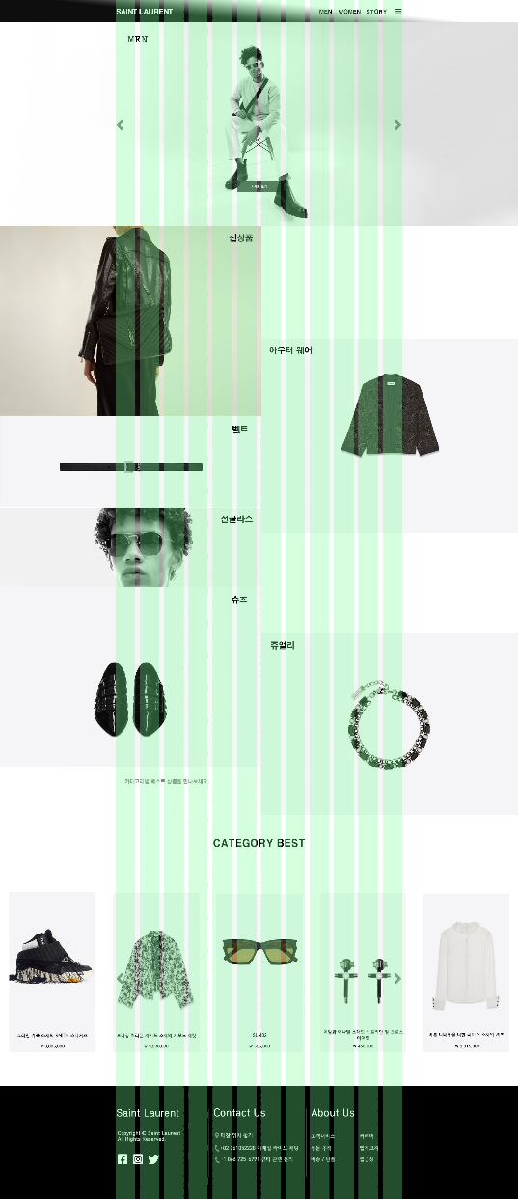
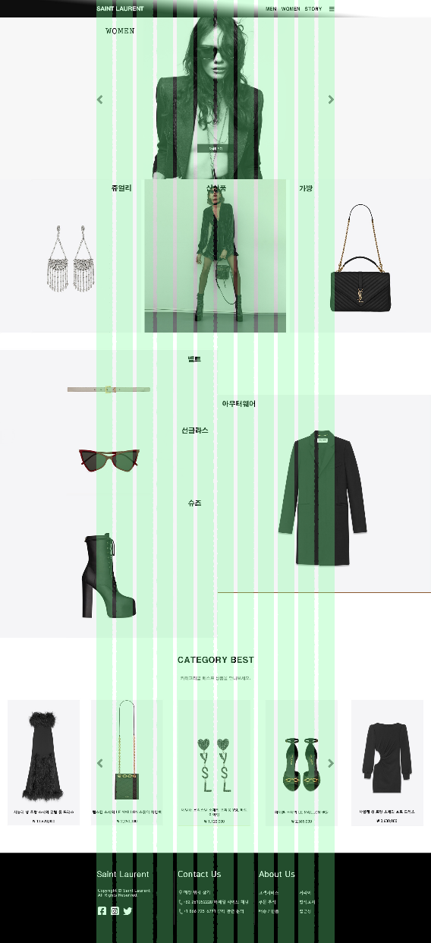


수정보완
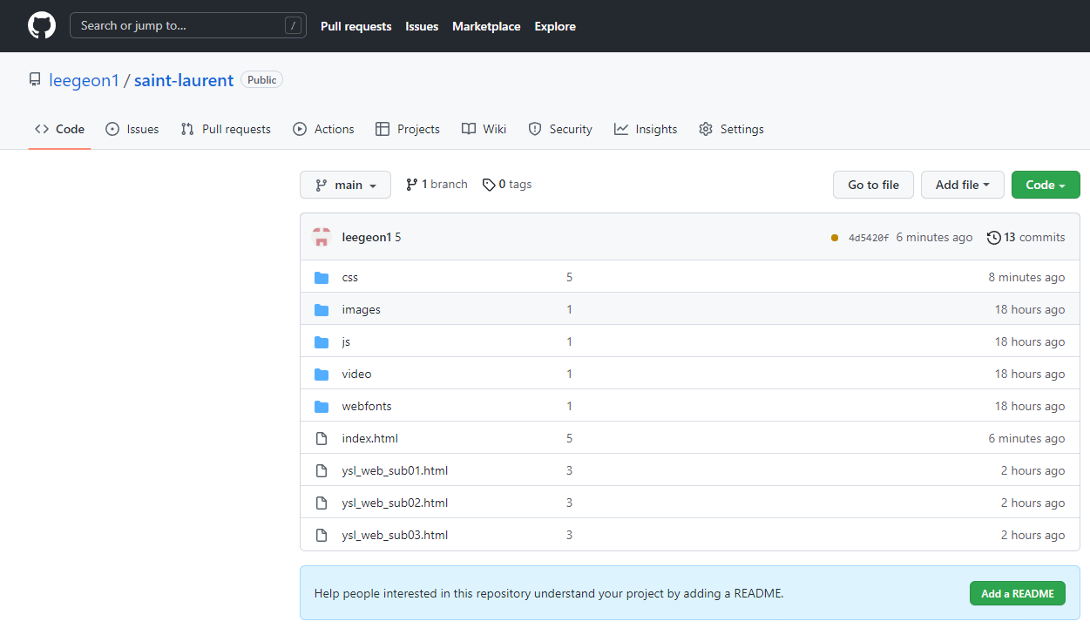
**Git ,QA sheet , CSS 불러오는 내용만 캡쳐하여 첨부해주세요! 내용은 잘려도 됩니다.

