文件对比
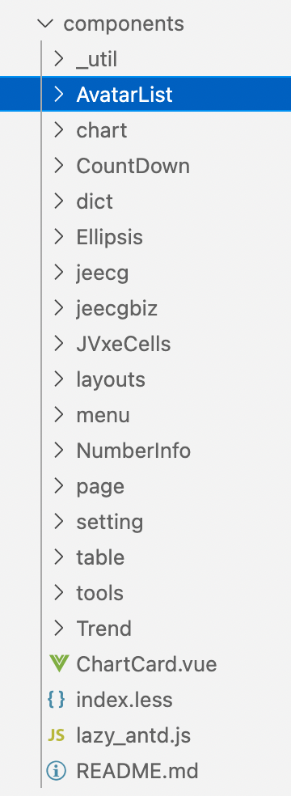
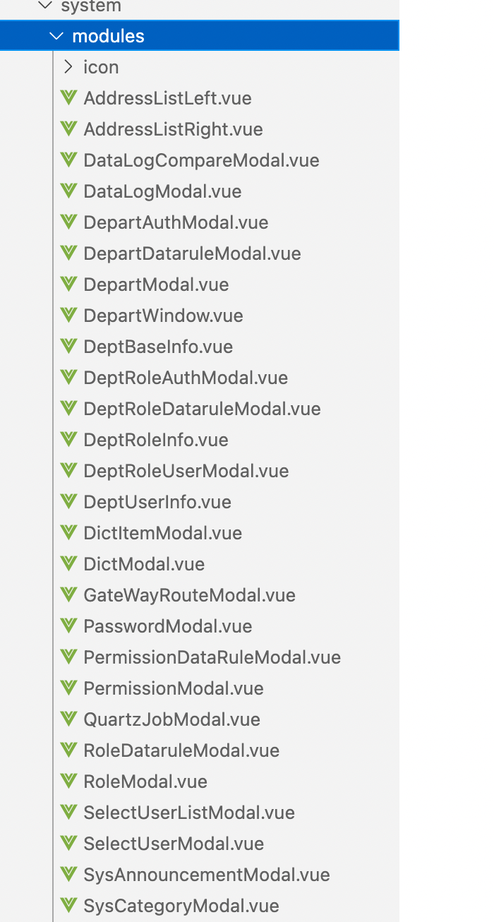
views | dashboard | 完成 | components |  |  |  |  |  |  |  |  | system | modules
 | system | 完成 | 完成 |  |  |  |  |  |  |  |  | 已删 | 已删
 | exception | 完成 | 已删 |  |  |  |  |  |  |  |  | DataLogList | 已删
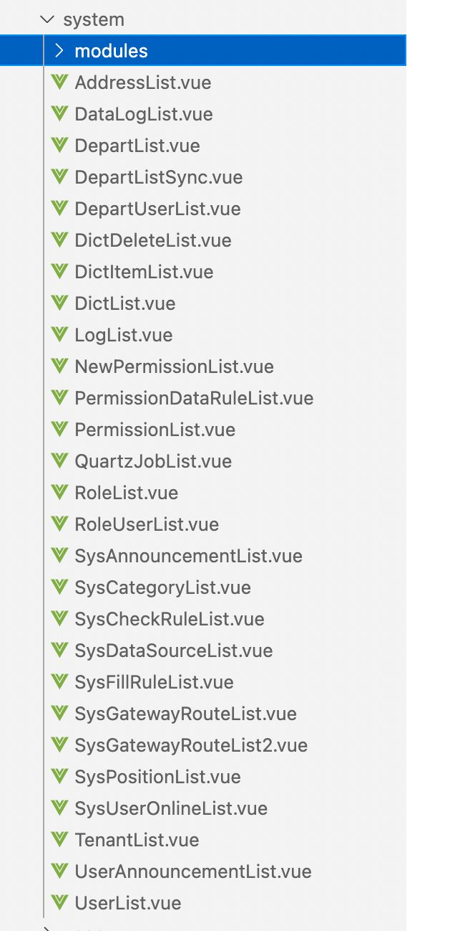
 | result | 完成 | chart | AreaChartTy | DashChartDemo | 其余已删部分，存在待删减 |  |  |  |  |  | DepartList | DataLogCompareModal
 | examples | 完成 | 已删 |  |  |  |  |  |  |  |  | DepartListSync | DataLogModal
 | modules | 完成 | dict | JMultiSelectTag |  |  |  |  |  |  |  | DepartUserList | DepartAuthModal
 | account | 完成 | Ellipsis |  |  |  |  |  |  |  |  | DictDeleteList | DepartDataruleModal
 | user |  | jeecg | Jinput | JSuperQuery | Jellipsis | /JAreaLinkage | Jdate | 其余已删 |  |  | DictItemList | DepartModal
router | 完成 |  | jeecgbiz | /JSelectBizComponent/JSelectBizComponentModal | JSelectBizComponent | JSelectMultiUser | /modal/JSelectDepartModal | JSelectDepart | /thirdApp/JThirdAppDropdown | /thirdApp/JThirdAppButton | 其余已删 | DictList | 已删
config | 完成 |  | 已删 |  |  |  |  |  |  |  |  | LogList | DeptBaseInfo
assets | 完成 |  | layouts | RouteView | IframePageView | 其余已删 |  |  |  |  |  | NewPermissionList | DeptRoleAuthModal
api | 完成 |  | menu |  |  |  |  |  |  |  |  | PermissionDataRuleList | DeptRoleDataruleModal
cas | 完成 |  | 已删 |  |  |  |  |  |  |  |  | PermissionList | DeptRoleInfo
store | 完成 |  | page | PageLayout |  |  |  |  |  |  |  | 已删 | 未删，未找到谁在使用
mixins | 完成 |  | setting |  |  |  |  |  |  |  |  | 已删 | DeptUserInfo
utils | 完成 |  | table |  |  |  |  |  |  |  |  | RoleUserList | DictItemModal
components | 完成 |  | tools | DetailList | FooterToolBar | HeadInfo | Breadcrumb | PageHeader | setting |  |  | 已删 | DictModal
 |  |  | 已删 |  |  |  |  |  |  |  |  | 已删 | 已删
 |  |  | ChartCard.vue |  |  |  |  |  |  |  |  | 已删 | PasswordModal
 |  |  |  |  |  |  |  |  |  |  |  | 已删 | PermissionDataRuleModal
 |  |  |  |  |  |  |  |  |  |  |  | 已删 | PermissionModal
 |  |  |  |  |  |  |  |  |  |  |  | 已删 | 已删，学习j-easy-cron
 |  |  |  |  |  |  |  |  |  |  |  | 已删 | RoleDataruleModal
 |  |  |  |  |  |  |  |  |  |  |  | 已删 | RoleModal
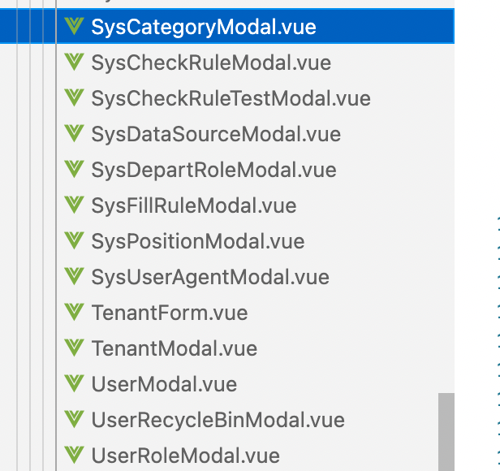
 |  |  |  |  |  |  |  |  |  |  |  | SysUserOnlineList | 已删
 |  |  |  |  |  |  |  |  |  |  |  | 已删 | SelectUserModal
 |  |  |  |  |  |  |  |  |  |  |  | 已删 | 已删
 |  |  |  |  |  |  |  |  |  |  |  | UserList | 已删
 |  |  |  |  |  |  |  |  |  |  |  |  | 已删
 |  |  |  |  |  |  |  |  |  |  |  |  | 已删
 |  |  |  |  |  |  |  |  |  |  |  |  | 已删
 |  |  |  |  |  |  |  |  |  |  |  | Workplace 已删 | SysDepartRoleModal
 |  |  |  |  |  |  |  |  |  |  |  | Monitor 已删 | 已删
 |  |  |  |  |  |  |  |  |  |  |  | DepartList2 已删 | 已删
 |  |  |  |  |  |  |  |  |  |  |  |  | SysUserAgentModal
 |  |  |  |  |  |  |  |  |  |  |  |  | 已删
 |  |  |  |  |  |  |  |  |  |  |  |  | 已删
 |  |  |  |  |  |  |  |  |  |  |  |  | UserModal
 |  |  |  |  |  |  |  |  |  |  |  |  | UserRecycleBinModal
 |  |  |  |  |  |  |  |  |  |  |  |  | UserRoleModal

