setup DB
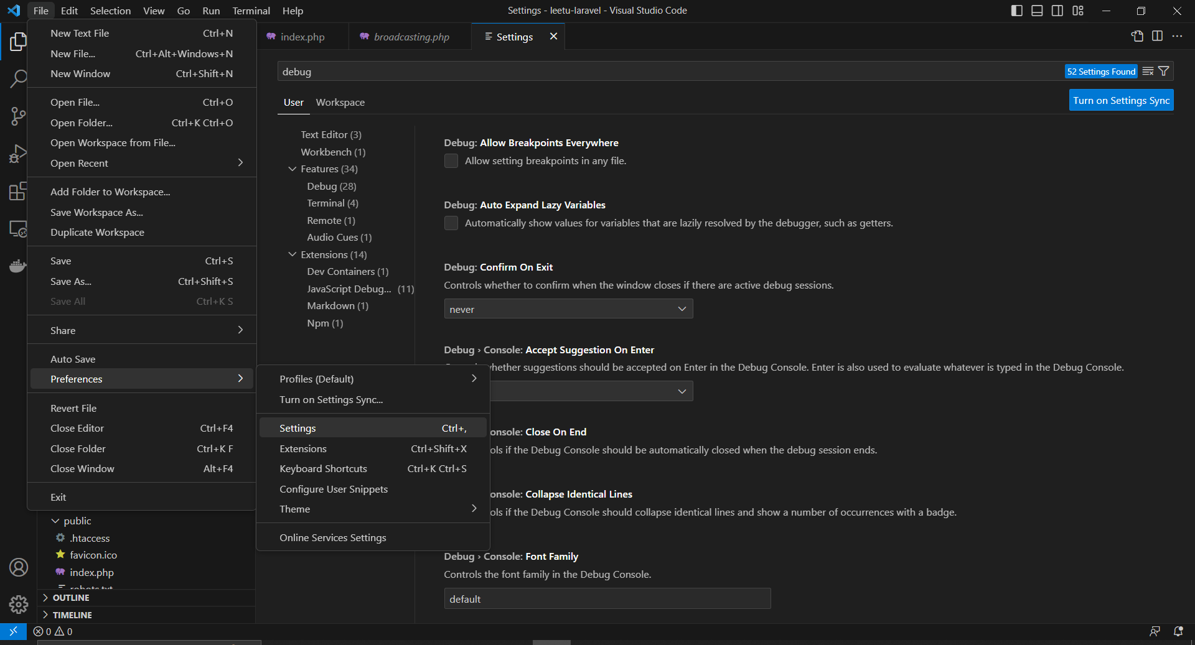
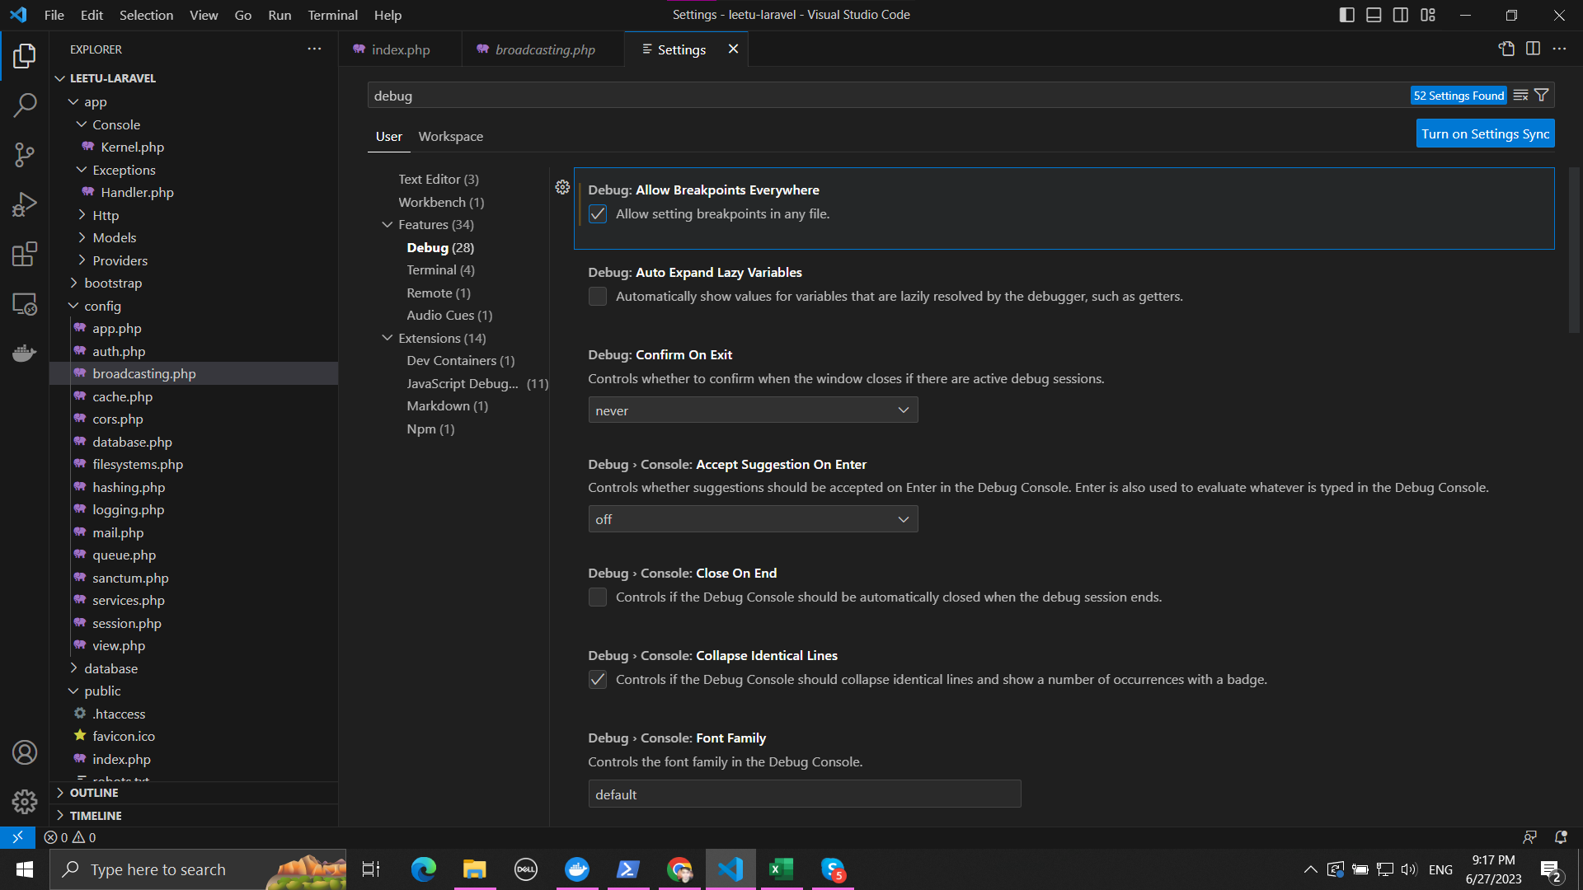
mysql dbeaver: nếu bị lỗi "Public Key Retrieval is not allowed"
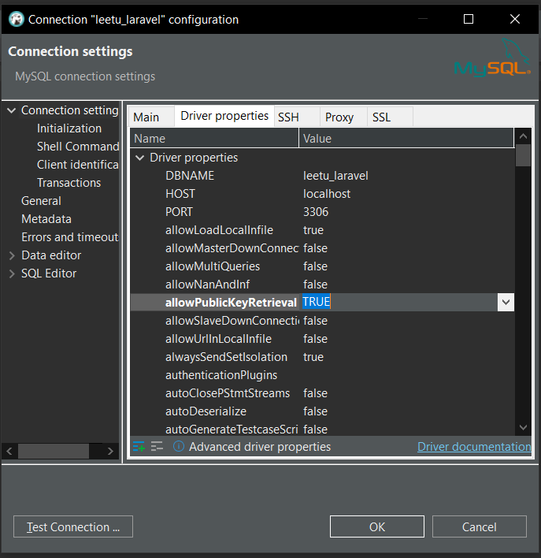

Không đặt đươc debug 1 số file trong VS:

debug
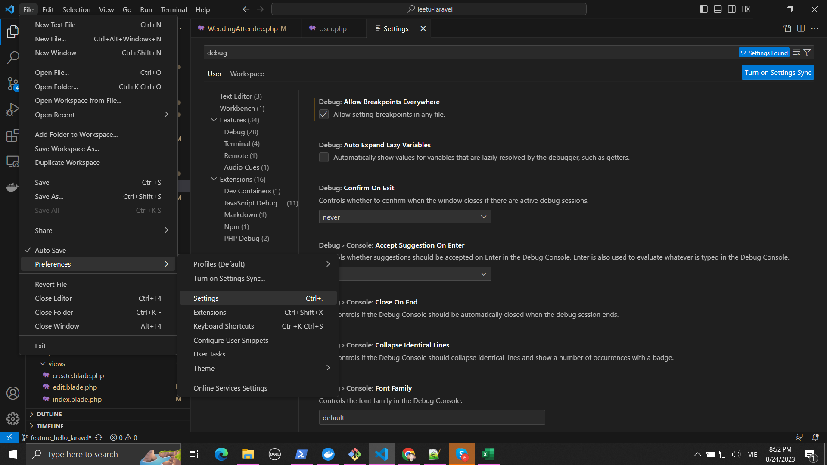
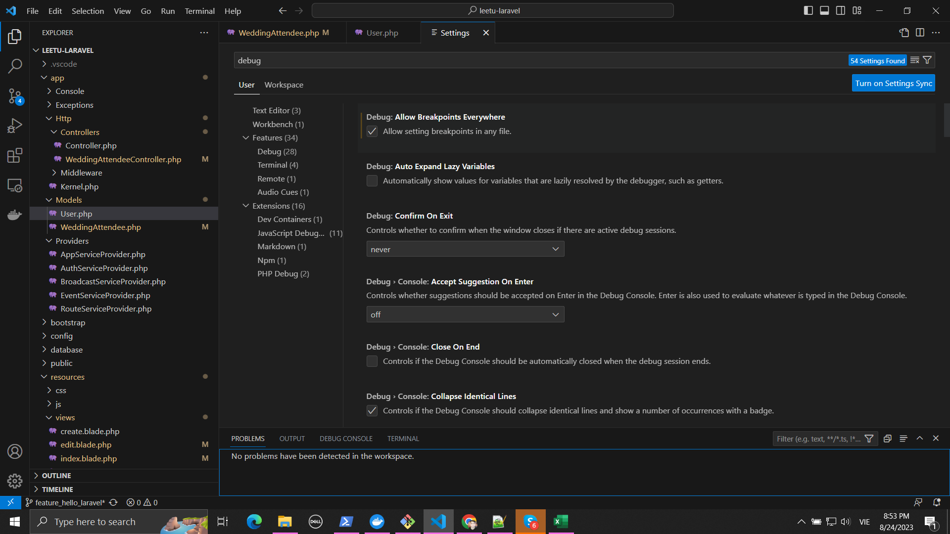
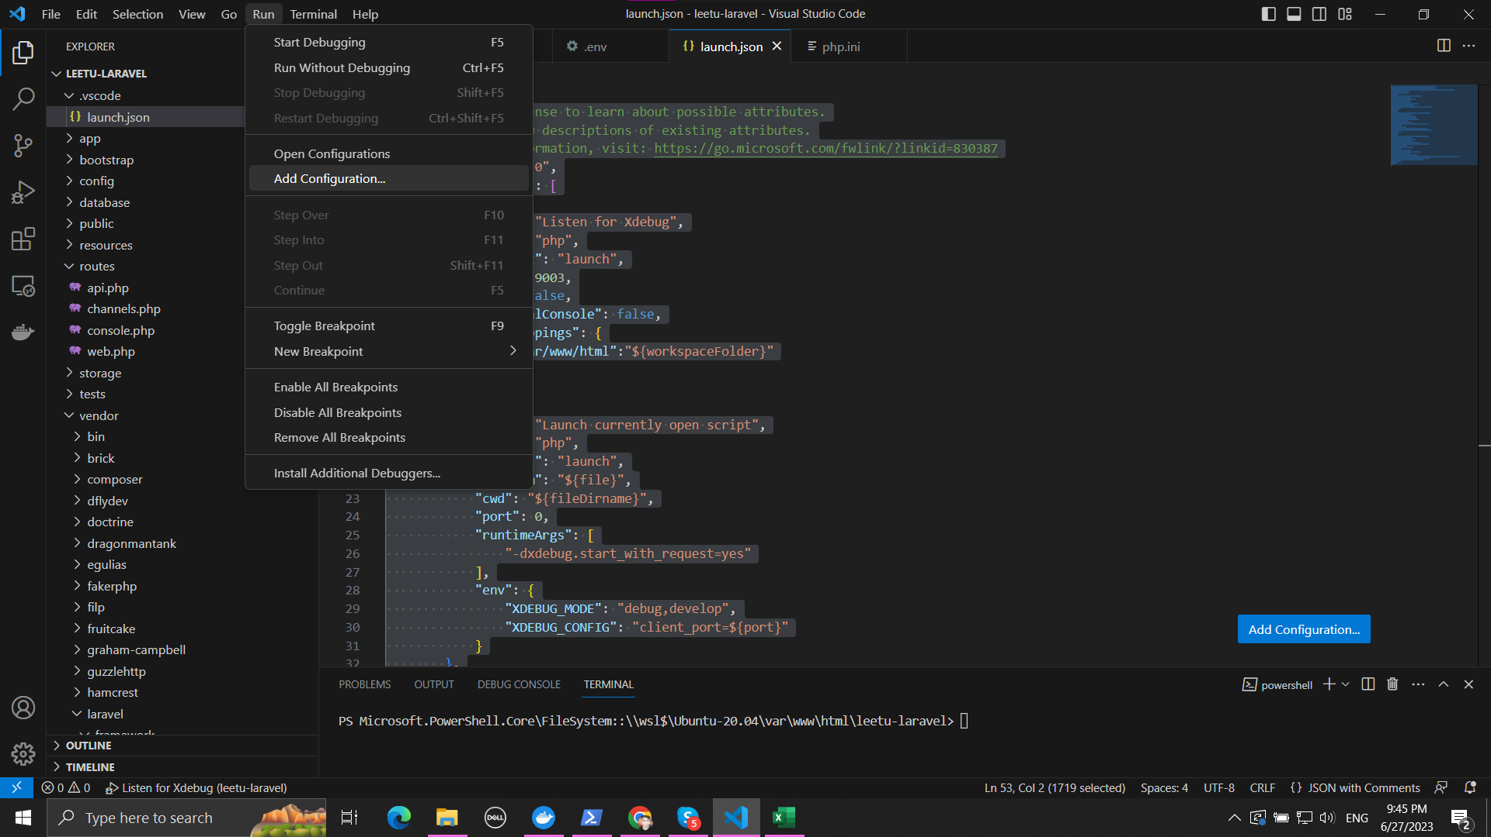
{
// Use IntelliSense to learn about possible attributes.
// Hover to view descriptions of existing attributes.
// For more information, visit: https://go.microsoft.com/fwlink/?linkid=830387
"version": "0.2.0",
"configurations": [
{
"name": "Listen for Xdebug",
"type": "php",
"request": "launch",
"port": 9003,
"log": false,
"externalConsole": false,
"pathMappings": {
"/var/www/html":"${workspaceFolder}"
}
},
{
"name": "Launch currently open script",
"type": "php",
"request": "launch",
"program": "${file}",
"cwd": "${fileDirname}",
"port": 0,
"runtimeArgs": [
"-dxdebug.start_with_request=yes"
],
"env": {
"XDEBUG_MODE": "debug,develop",
"XDEBUG_CONFIG": "client_port=${port}"
}
},
{
"name": "Launch Built-in web server",
"type": "php",
"request": "launch",
"runtimeArgs": [
"-dxdebug.mode=debug",
"-dxdebug.start_with_request=yes",
"-S",
"localhost:0"
],
"program": "",
"cwd": "${workspaceRoot}",
"port": 9003,
"serverReadyAction": {
"pattern": "Development Server \\(http://localhost:([0-9]+)\\) started",
"uriFormat": "http://localhost:%s",
"action": "openExternally"
}
}
]
}

Trên VS, nếu không thể đặt được debug config như sau:

