The Auckland Model
The New Auckland Case Model |  |  |  | Version 4 (19 March 2024)

Speaker | Component | Time | Example (Don't get too caught up in following this!) | Notes | Example Slide
1 | Dinotoe | part i of 45 sec intro | X has A strength, but facing issues of Y and Z. So today... | Option 1: 1. Situation 2. Complication 3. Question (see next section). Keep it short and relevant but captivating. This sets the mood for the rest of the story. Return to the same set-up in the conlusion to wrap-up. Option 2: introduce a customer / stakeholder and use them to illustrate one of your key issues. Return to the same person in your analysis, customer journey, and conclusion. | 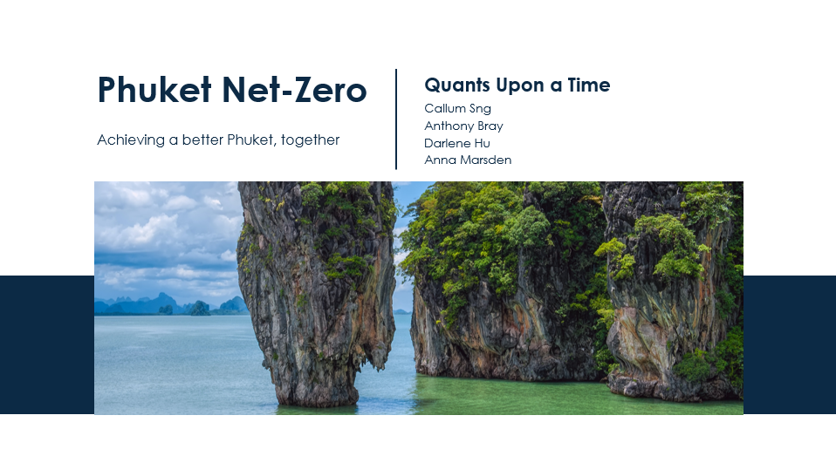
1 | Case Question | part ii of 45 sec intro | Today, we’ve addressed the question of how X can achieve beyond a status-quo profit of $X by 20XX. (question) | This frames the entire presentation. Everything that is presented should relate to pushing the company towards the destination you have established here. Metric and timeframe are mandatory. Use top down analysis. Do this before you finish analysis. Start with a high level general figure, eg. population, # of businesses, # of users, # of stores, etc. Estimate the proportion of this figure that another figure captures / reaches / etc. (Think onion diagram) Metric should be status quo figure, not your strat finance. You are setting the bar which your strategy has to cross to be considered successful. In almost every case your metric will be: 1. Profit if case is about a regular company 2. Lives changed, etc if case is about a non-profit 3. Revenue if case is about a business that wants to grow at all costs (typically start-ups and expansions) Market share is a secondary metric. It should not be your main metric.
1 | Strat Overview | part iii of 45 sec intro | Our recommendations today will help you reach this target by firstly doing A and secondly doing B. | Should have 1 summary sentence for each strategy saying what it is. Do not just say the name; but don't dwell too long. Waterfall slide is nice here. If there are sub-questions in the case, you could put them here to show you've thought about them. Ideally you then address them in analysis, otherwise could prep an appendix slide and bait the Q+A. |  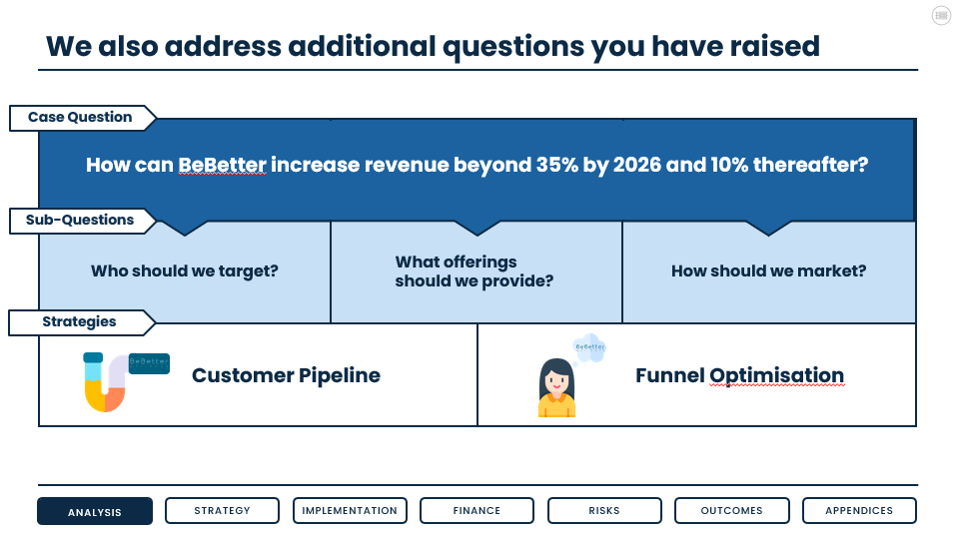
2 | Analysis | 1min 30sec | Before we dive into these strategies, we would like to bring your attention to X insights. [Usually 2-4 insights] | Deliver meaningful insight – don’t just state facts. Anything you mention here should directly inform the recommendations you pitch. You could also address a question that they've raised in the case here but be wary of time if it doesn't relate to your pitch. Every insight should have a 'So What' statement. Visuals are also very useful Numbers can help legitimise your analysis - if you're using them for finance anyways then consider bringing it up earlier in the presentation if appropriate. | 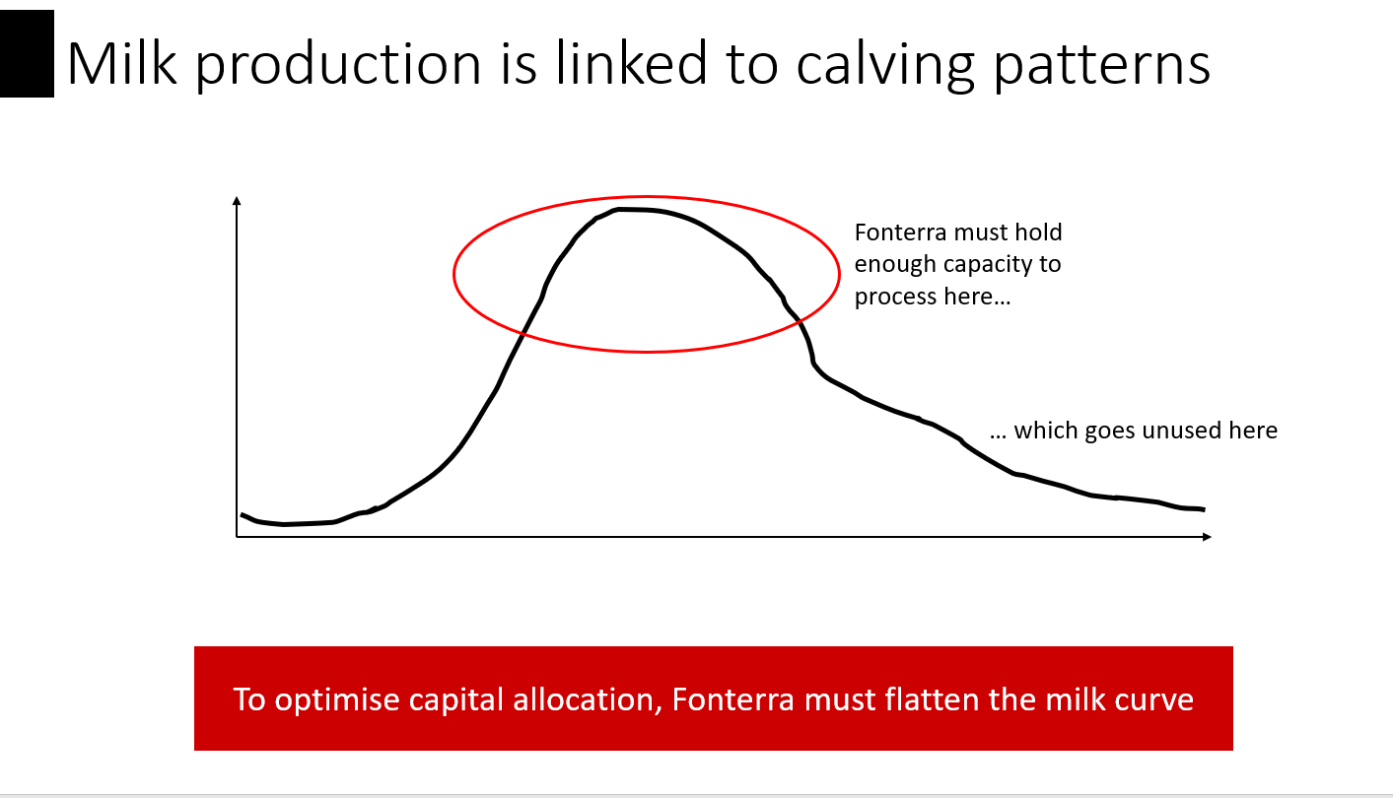
1 | Key issues: urgency & impact | 25 sec | To achieve your goal, we have identified the X most important areas that you must address now. Firstly, you must address A because X. And secondly, you must also address B because Y. | This is where you establish why your insights are the most important to address right now. Potential lines of reasoning include: 1. If you don't then [bad thing] happens 2. It is the most 'bang-for-your-buck' area for growth in terms of effort / investment (ie. lowest hanging fruit) 3. It is the reason behind the problem the company faces Consider how urgent and how impactful a problem is. High urgency + high impact should always be addressed first. | 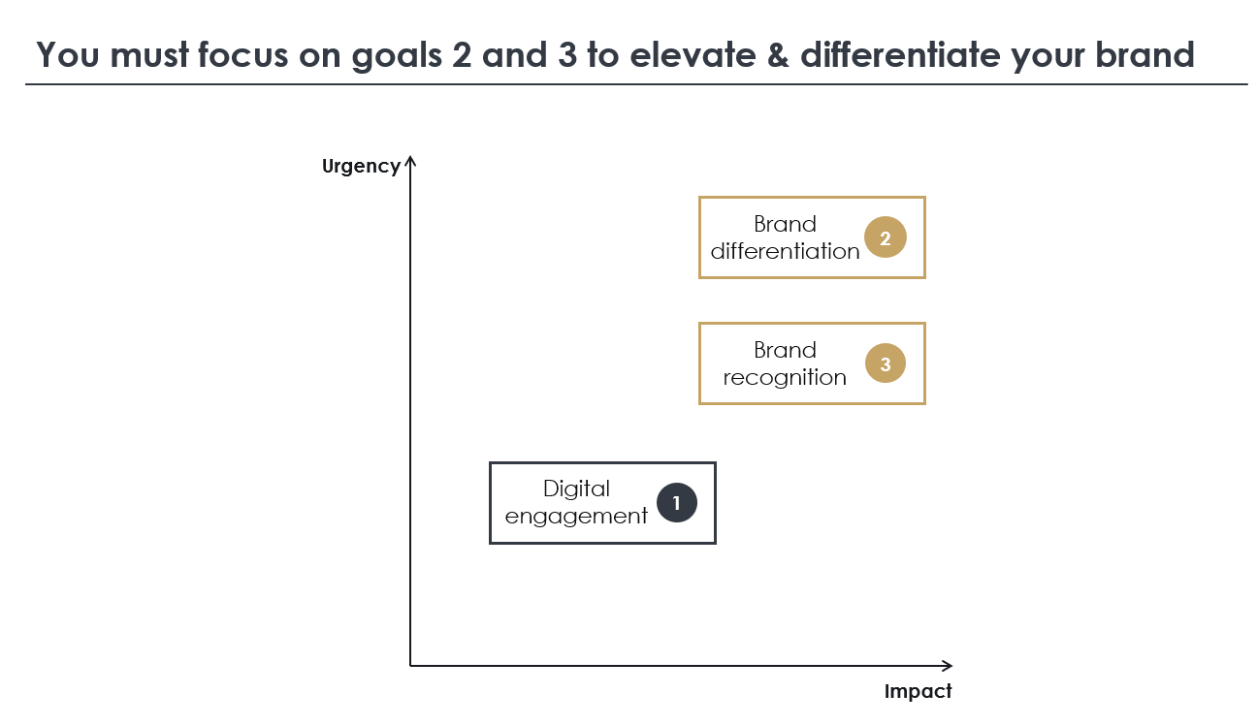
3 | Strategy + Customer Journey | 1m40s strat / 30s CJ | Based on our analysis, we have two strategies for you which are called X and Y. In our first strategy you wil do X. There are X key reasons behind this strategy… [Strat 1] addresses [Insight 1] by [implem tease], growing [metric] by increasing [lever]. In our second strategy you wil do Y. There are X key reasons behind this strategy… [Strat 2] addresses [Insight 2] by [implem tease], growing [metric] by increasing [lever]. | Two components: 1. What is the strategy 2. Why the strategy addresses the insight and Why it is the best strategy to address the insight Focus more on the What. For your Why, link back to your insights. You want to excite the judge about what's to come. Provide a customer journey before you move on. Tell a story! Eg. Zara-Runway addresses customer satisfaction by transforming your customer's standard shop into the runway model experience they've always dreamed about. Then you want to set up the groundwork for finance by stating the exact lever your strategy pulls to change your metric. Eg. This will increase loyalty and thus lifetime spend per customer, driving profit growth through higher revenue. | 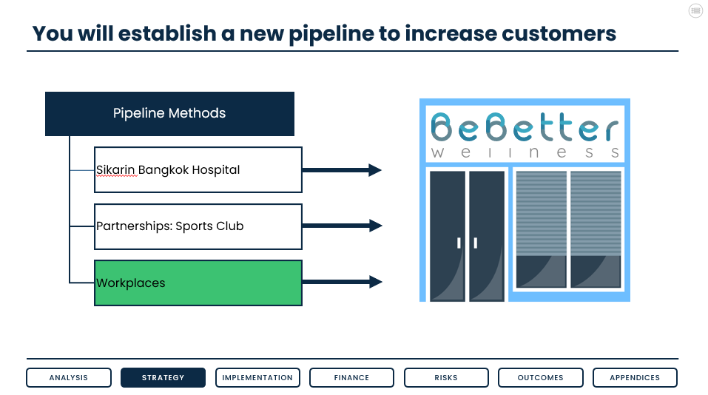 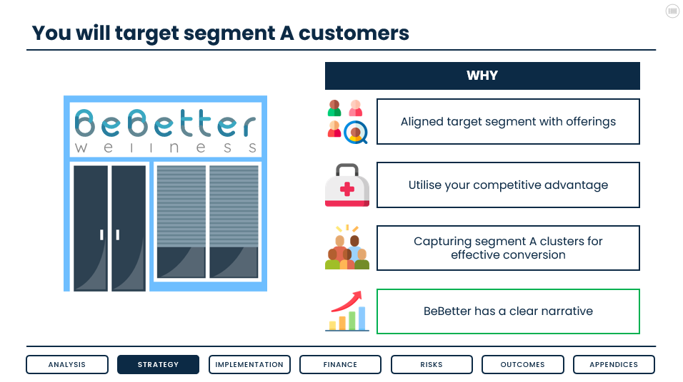
1 | Outcomes and other options | 25 sec | Our strategies address both key issues and the case question. We also considered a range of additional ideas. We do not recommend X because A. | Link your strategy to your Key Insights and Case Metric. This is the crucial moment that brings the four parts of your presentation together. Mention rejected strategy options and explain why they are inferior to your recommendations. Keep it direct - if judge wants more depth they can ask in Q+A. Only talk about the top rejected option, not all of them. |  | ,
2 | Implementation | 1min 20sec |  | Implem’s job is to answer How. This includes who, when, and where You need to leave listeners with an understanding of the key steps required for your strategies for a success, and who is involved in making it a success. Make sure to explain the impact of your strategies on the end user. ie. the customer. Use numbers wherever you can, numbers = detail Ideas include: • Product: how do you change it, who makes the changes? • Channels: how will you reach the customer? How do they know about it? Overall marketing? • People: how many, what skills, doing what? • Location: how do you choose where to go? How do you roll out your proposal there? • Processes: How do you change the way you operate? Are you outsourcing or creating new tasks? Who is responsible? • Data and technology: what is needed to deliver your solution? How do you get it? How will it solve the problem?
1 | Case Study | 30 sec | To see how our first strategy could succeed, we can look to X, a Y company, that did Z resulting in [good outcome]. To see how our second strategy could succeed, we can look to X, a Y company, that did Z resulting in [good outcome]. | Very brief demonstration to emphasise that idea is realistic. Situation ➞ Action ➞ Outcome is one way of framing this Can cut if short on time or if team is afraid that it undermines originality of strategy. ChatGPT is fantastic for coming up with case studies! | 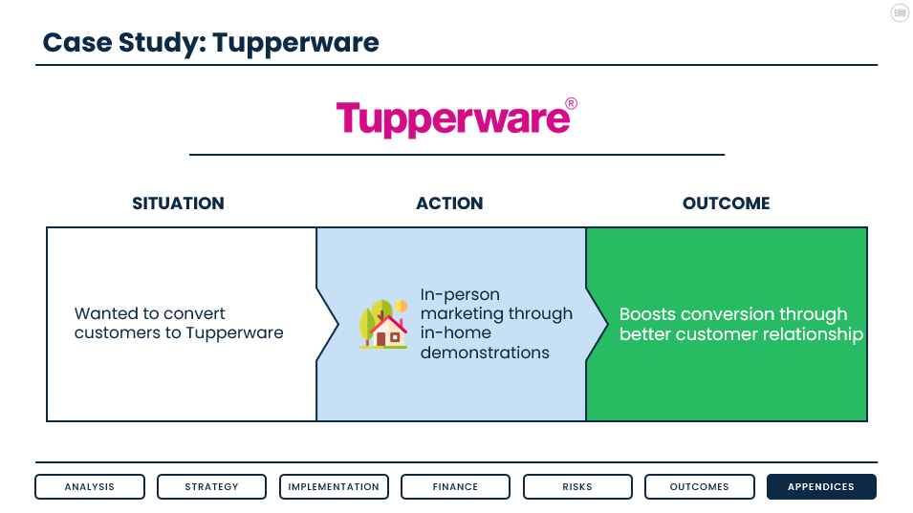
4 | Timeline+ Finance | 2min | Benefits. Capital required. Source of capital. | The finance section's primary job is to show the impact of your proposed strategies. In doing so, show using logic how money is earnt (or customers / lives impacted / etc. depending on the case), and what overall impact of this is, relating back to your case question. Ensure Case Question is answered. To show how benefits are acheived: - Bottom up: Use basic building block figures and assumptions to build towards case metric. eg. Revenue = avg rev /use x # of users. Assumptions are very case dependent but can commonly include existing growth rate, existing profit margin, etc. Make estimates on your costs and have these on a slide, but only present them briefly. Similarly a single sentence on where you get the funding from is sufficient.
3 | Risk Management | 25 sec | We have identified X risks and proposed mitigations. Of these, the biggest risk is Y. In this case, we suggest that you do Z. | Show multiple risks but talk only about the biggest risk and let them ask for the rest in Q&A if they’d like. A Likelihood–Impact matrix is nice here. | 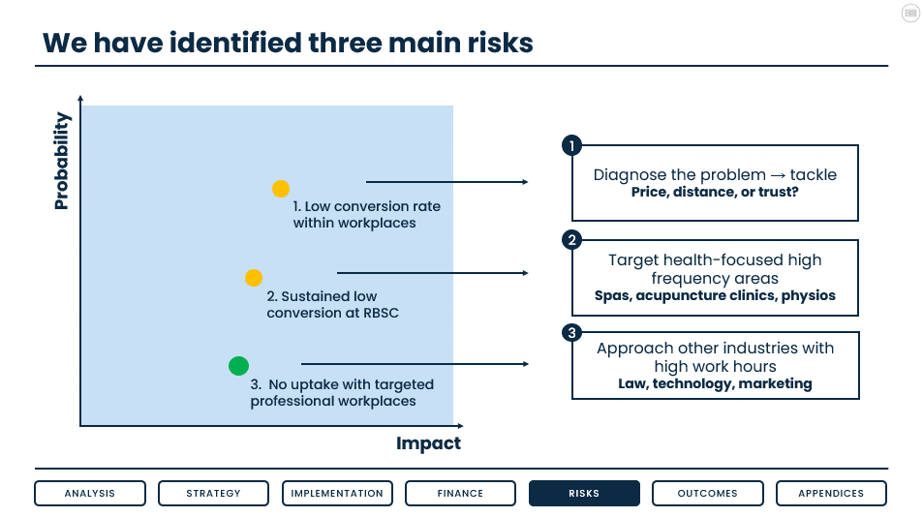 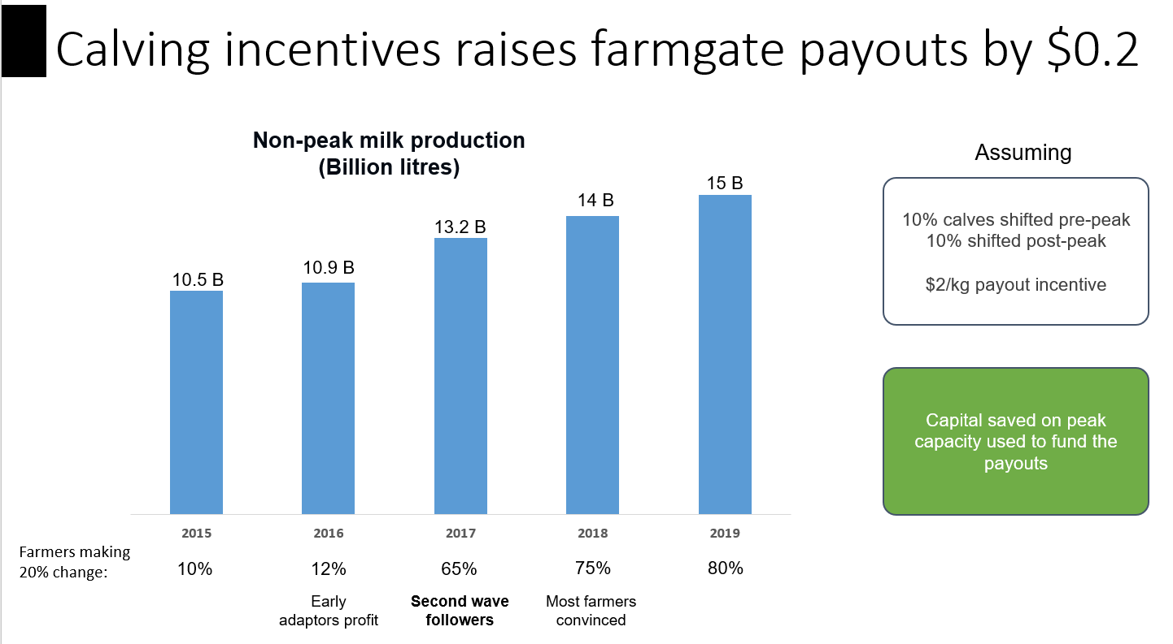
1 | Current, Proposed, Future | 30sec | Our proposal tackles [company]’s two key challenges. Currently, you’re doing A, resulting in B, and C, resulting in D. With our two strategies, you will do X and Y. This will set you up for the future where you will/can look to do Z For your customers, this means A. And for your shareholders, this means B. [Some fluffy sentence to end on - sell a story!] That concludes our presentation, we are now happy to take any questions. | Recap current trajectory what change we are pitching and how this sets them up for future considerations / actions. Keep Future brief – if they want to know more about how strats set you up they can ask in Q&A. Important to acknowledge but it’s not the main point you’re trying to communicate. Future can be a good place to chuck low-urgency issues that the case raises. ie. Once company has fixed the immediate problems, they can then afford to focus on this other thing they care about. | 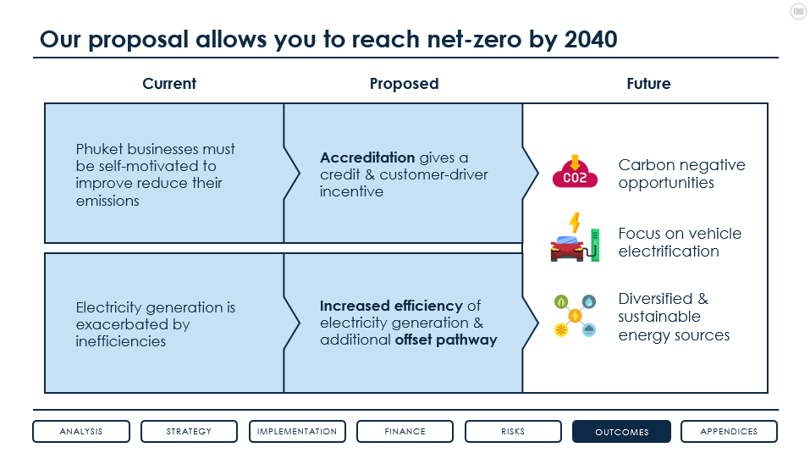

Extra stuff
Extra Stuff
Version | Description

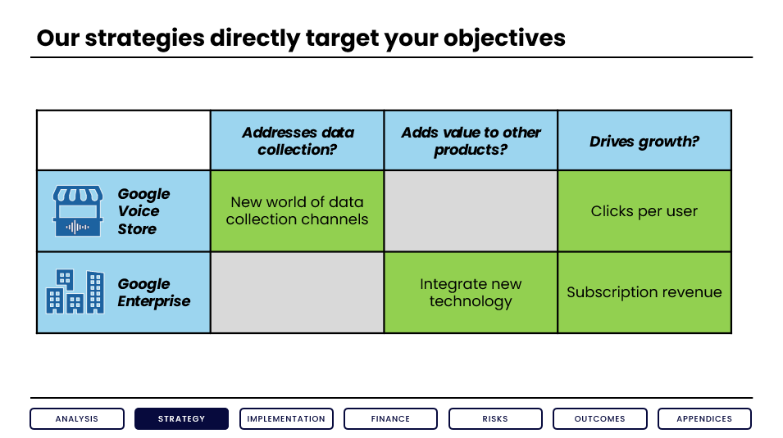
V2 | Link back to CQ / Insights section (now replaced by rejected options) | 1 | Link back to CQ / Insights | 30 sec | Our recommendations directly address your key focus areas and overall [growth/profit/etc] objective. [Strat 1] addresses [Insight 1] by [implem tease], growing [metric] by increasing [lever]. [Strat 2] addresses [Insight 2] by [implem tease], growing [metric] by increasing [lever]. | This is the crucial moment that brings the four parts of your presentation together. You want to excite the judge about what's to come. Tell them something exciting that sets up what's being said in implem. Tell a story! Eg. Zara-Runway addresses customer satisfaction by transforming your customer's standard shop into the runway model experience they've always dreamed about. Then you want to set up the groundwork for finance by stating the exact lever your strategy pulls to change your metric. Eg. This will increase loyalty and thus lifetime spend per customer, driving profit growth through higher revenue. Alternatively, use this time to mention rejected strategy options and explain why they are inferior. Could also just note them on the slide to show you've thought about them but leave discussion to Q+A.

