Sheet1
Abc def |  | 1 | 2 | 3 | 4 | 5 | 6 | 7 | Right-center | String with large font sizestring with small font size | No wrapping absolutely | Left-bottom aligned another page cell
 |  | 9 |  |  | abcdef |  |  | a long string that should break a right border |  |  | hide string to the left
 |  |  | TRUE
 |  |  | superscript | subscript |  |  | 1.5625
 |  |  |  |  |  | FALSE
 |  |  |  |  |  | 4

1 | bottom | 2
3 | top | 4
5 | center | 6

 |  |  |  |  |  |  |  |  |  | Vertically dissected

 |  |  |  |  |  |  |  |  |  |  |  |  | Both axes dissected

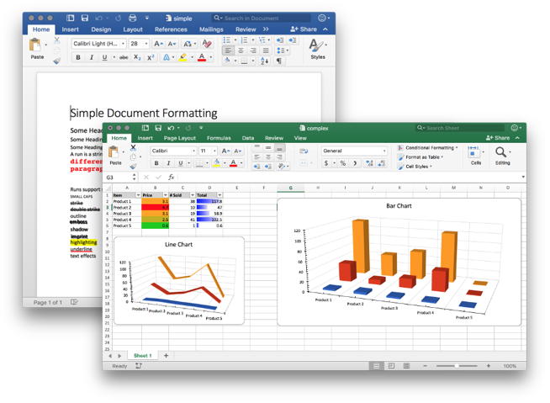
 |  |  |  |  |  |  |  |  | Horizontally dissected

