Defect
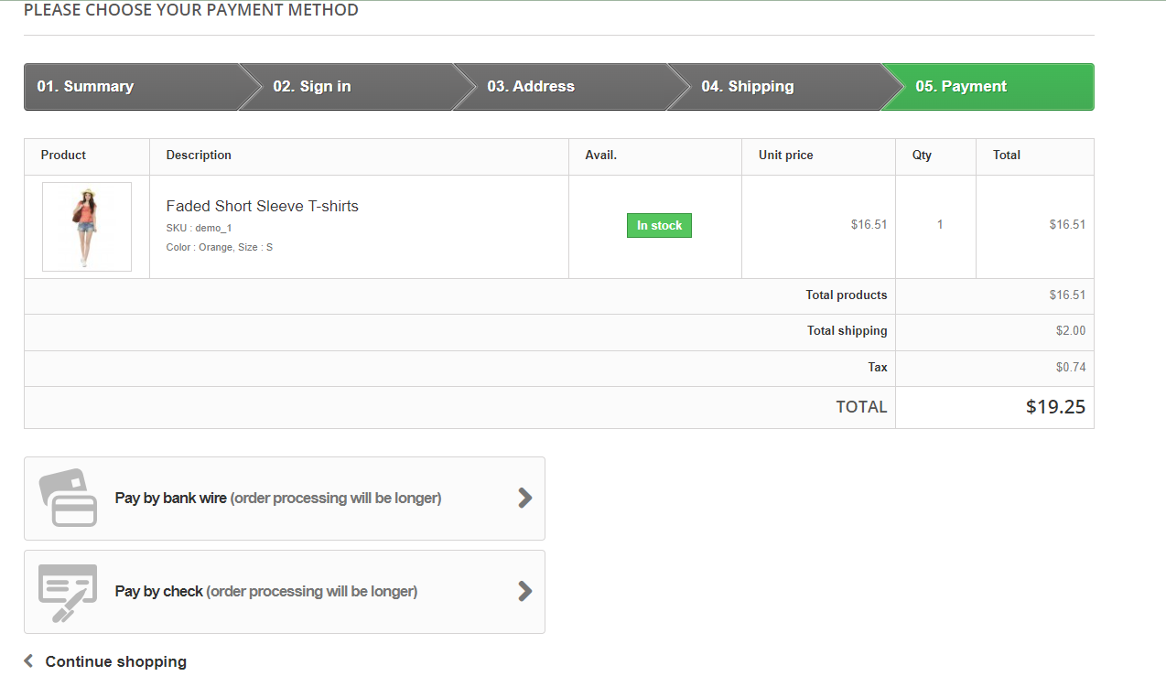
Defect_ID | Description | PRE-CONDITION | STEPS TO REPRODUCE | TEST_DATA | EXPECTED RESULT | Actual Result | Note | Priority | Severity | Testcase_Id
Defect_01 | The system added the product successfully to the cart when the user enter into the "Quantity" input is negative | The user is currently at the page: http://automationpractice.com/index.php?id_product=1&controller=product | 1. User leaves "Size", "Color" on product detail at default state 2. Enter data into the "Quantity" input on product detail. 3. Click on the "Add to cart" button on product detail | Quantity = -1 | The user fail added the product to cart and the system shows a pop-up window with a message "Invalid quantity" | The user successfully added a product to cart and the system shows a pop-up window containing the message "Product added to your cart successfully" and details about the product added |  | Low | Low | AddToCart_02 | 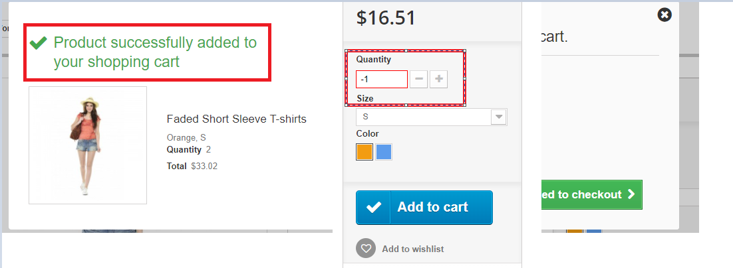
Defect_02 | The system doesn't show the "Complete" button in step 5 in checkout process at the Order page | Test Case Id: "AddToCart_01" is performed successfully by user and the user is currently at the page: http://automationpractice.com/index.php?controller=order | 1. Click on the "Proceed to checkout" button at the bottom of the page 2. Click on the "Terms of service" checkbox 3. Click on the "Proceed to checkout" button at the bottom of the page 4. Click on the "I confirm my order" 5. Click on the "Complete" button |  | The system shows the "Complete" button in step 5 in checkout process at the Order page | The system doesn't show the "Complete" button in step 5 in checkout process at the Order page |  | High | High | CheckOut_01

