DEFECT TEMPLET
Defect_ID | Description | Pre-Condition | Steps_To_Reproduce | Test_Data | Expected_Result | Actual_Result | Note | Priority | Severity | Testcase_Id
DF_01 | System allows user register with an invalid email |  | 1. Navigate to the URL: http://automationpractice.com/index.php 2. At homepage click to Sign in Button on the Home menubar. 3. At create an account panel, Input an email into email address textbox. 4. Click to Create an account button. | Email: ajk@ajd.com | Register unsuccessful and website sents an alert message 'Email address is invalid' | 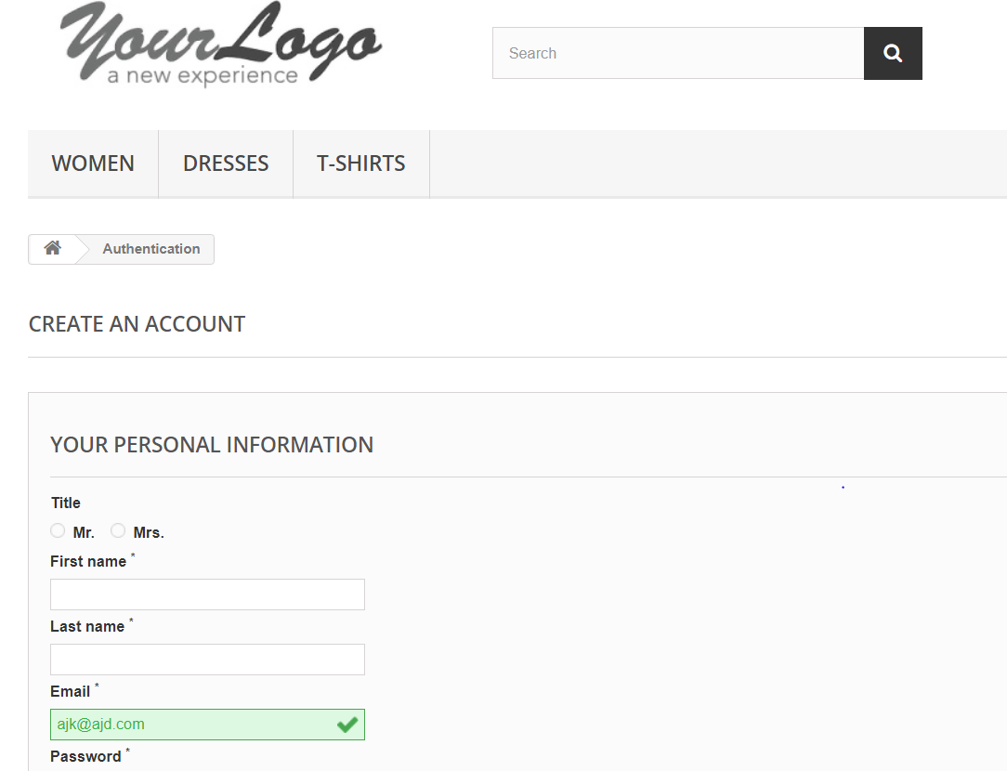 System allows user register with an invalid email Navigate to the create an account page |  | Medium | Moderate | TC_02

