Sheet1
Defect ID | Function | Pre-condition | Defect title | Steps to reproduce | Expected Result | Actual result | Test case ID | Priority | Severity | Note/Attachment
TC_01 | Create an Account | Navigate to login page: http://automationpractice.com/index.php?controller=authentication&back=my-account#account-creation Browser: Chrome | Last name and First Name need not be repeated in your address in the CREATE AN ACCOUNT screen | 1. Click button "Sign in" at HeaderMenu | The page should be displayed | The page should be displayed |  | Low | Low | 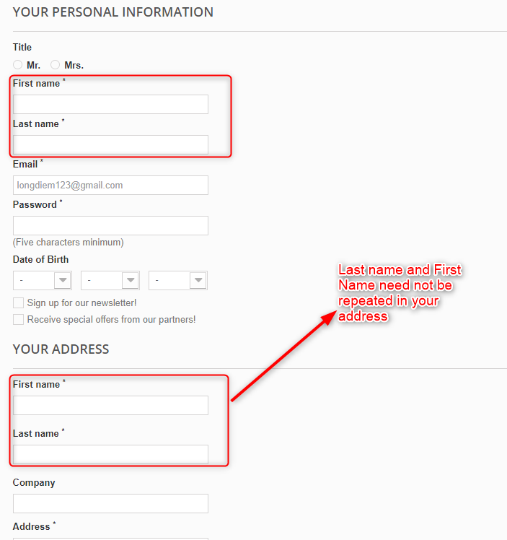
 |  |  |  | 2. Scroll down to "Authentication" component | Component "Authentication" displayed | Component "Authentication" displayed
 |  |  |  | 3. At "Create an Account" Input type for element address email | Input type "Email" for element | Input type "Email" for element
 |  |  |  | 4. Click button"Create an Account" | When mouse click button hover color and page "YOUR PERSONAL INFORMATION" should be displayed | When mouse click button hover color and page "YOUR PERSONAL INFORMATION" should be displayed
 |  |  |  | 5. Navigate to the account creation page with the sections YOUR PERSONAL INFORMATION and YOUR ADDRESS | Page "YOUR PERSONAL INFORMATION" displayed about information form and first name, last name do not repeat in YOUR ADDRESS | Page "YOUR PERSONAL INFORMATION" displayed about information form and first name, last name are repeated in YOUR ADDRESS
 | Change the address | Navigate to login page: http://automationpractice.com/index.php and signed in successfully Browser: Chrome | Edit "Your Billing Adress" but the address of "Your Delivery Address" is also changed at the screen select Address during the payment process | 1. Scroll down to "Popular" component | Component "Popular" displayed | Component "Popular" displayed |  | Low | Medium
 |  |  |  | 2. At item click button "add to card" item | Button allow user click button "add to card" item | Button allow user click button "add to card" item
 |  |  |  | 3. Click button " Process to check out" in popup at home screen | Show cart page | Show cart page
 |  |  |  | 3. Click button " Process to check out" in SHOPPING-CART SUMMARY | Page displayed shipping payment allow user payment | Page displayed shipping payment allow user payment
 |  |  |  | 4. Select Update on YOUR BILLING ADDRESS | Show YOUR ADDRESSES page | Show YOUR ADDRESSES page
 |  |  |  | 5. Enter the change information and press SAVE | Return to the billing address selection page and Only changed YOUR BILLING ADDRESS address | Return to the payment address selection page and Change both YOUR DELIVERY ADDRESS and YOUR BILLING ADDRESS

