Defect Report
 | Project Name: | Final Project | Defect Report Designed by: | HieuDM14

 |  |  | Defect Report Designed date: | 2021-12-10

Defect ID | Description | Pre-condition | Steps to reproduce | Defect Data | Expected Result | Actual Result | Priority | Severity | Test Case ID | Notes
Defect_001 | Quantity text box is allow to input negative number | Testcase: TC_002 have been performed User stand on website: http://automationpractice.com/index.php | 1. Click on dresses button on category 2. Click on product name 3. Input quantity on text box 4. Click on button add to cart | Product Name = "Printed Dress" with price = 26$ Quantity = -1 | 1. Website navigate to dresses page 2. Website navigate to product detail page of product 3. Quantity text box have same value with test data 4. Message popup with text "Can't add to cart because quantity is negative." | 1. Website navigate to dresses page 2. Website navigate to product detail page of product 3. Quantity text box have same value with test data 4. Message popup with text "Product successfully added to your shopping cart." | Low | Major | TC_007 | 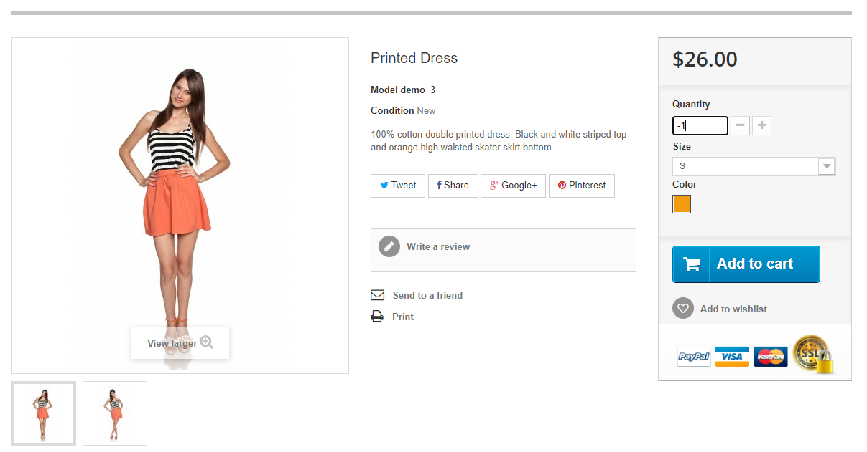 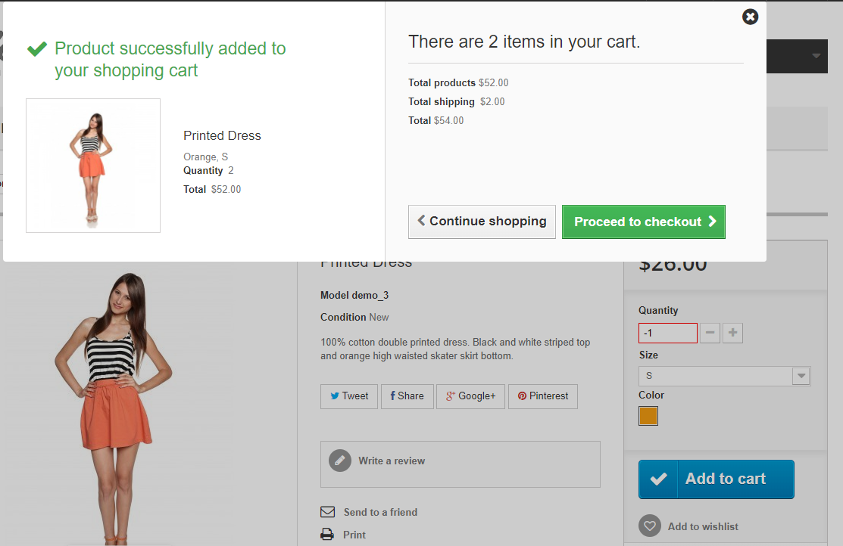
Defect_002 | Sort order not correct with product have been discount | User stand on website: http://automationpractice.com/index.php | 1. Input search value in search text box 2. Click on button search 3. Select sort by with selector | Search Value = "Printed Dress" Sort By = "Price: Highest first" | 1. Search text box have same value with test data 2. Website navigate to search page and list out 5 product with name contains with test data 3. Website refresh and list out 5 product with name contains with test data and sort by price high to low. Sort apply new price of item after discount not default price. | 1. Search text box have same value with test data 2. Website navigate to search page and list out 5 product with name contains with test data 3. Website refresh and list out 5 product with name contains with test data and sort by price high to low. Sort not apply new price of item after discount it sort by default price. | Low | Major | TC_008 | 