Defect
 |  |  |  |  |  |  |  | High, Medium, Low | Critial, Medium, Low
Defect_ID | Description | PRE-CONDITION | STEPS TO REPRODUCE | TEST_DATA | EXPECTED RESULT | Actual Result | Note | Priority | Severity | Testcase_Id | Picture
Defect_01 | Password is visible in the Page Source code of the Password field of 'Login' page | Navigate to Login page: http://automationpractice.com/index.php?controller=authentication&back=my-account | 1. Input any text into the 'Password' textbox. 2. Inspect the Password text field | Password: 12345 | Password should not be visible in the Page Source code | Password is getting displayed in the Page Source code |  | High | Critial | TC_Login_002 | 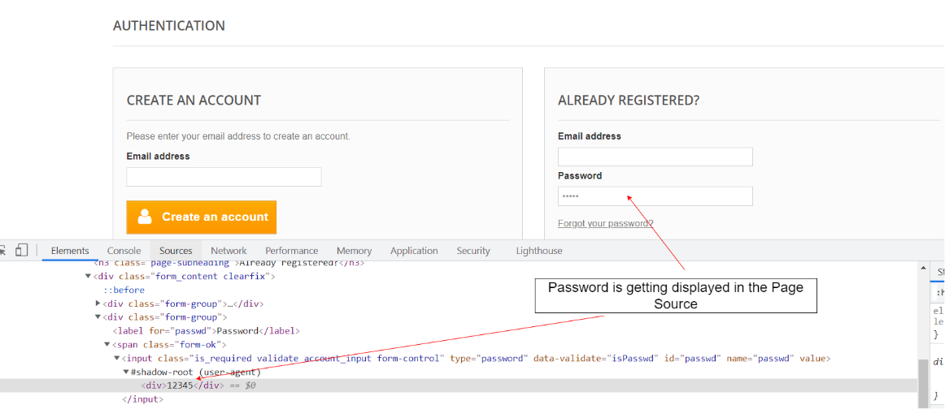
Defect_02 | Negative, Null and Zero values are accepted by the Qty field in Product Display Pages | 1. Login your account 2. Nevigate to Homepage: http://automationpractice.com/index.php | 1. Scroll down till the 'Popular' section on the Homepage is displayed 2. Click on name a product that is displayed in the 'Popular' section 3. Change the quantity to Negative or Blank or Zero in the 'Quantity' field of Product Display Page 4. Click on the 'Add to cart' button |  | Warning message informing the User to enter a positive quantity into the Quantity field should be displayed | Success message with text - Success: Product successfully added to your shopping cart is getting displayed |  | Low | Low | TC_AddToCart_003 | 