img Defect_01
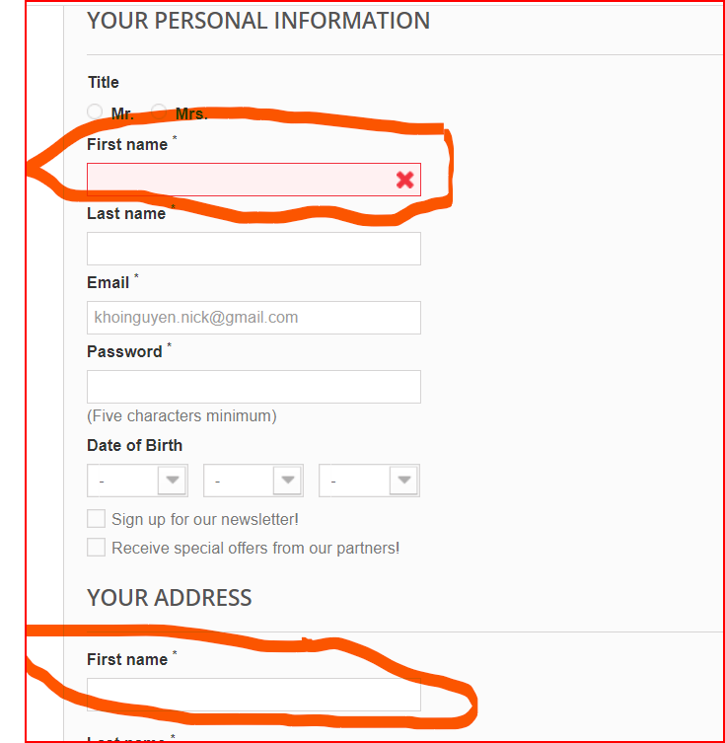
duplicate fist name

img Defect_02
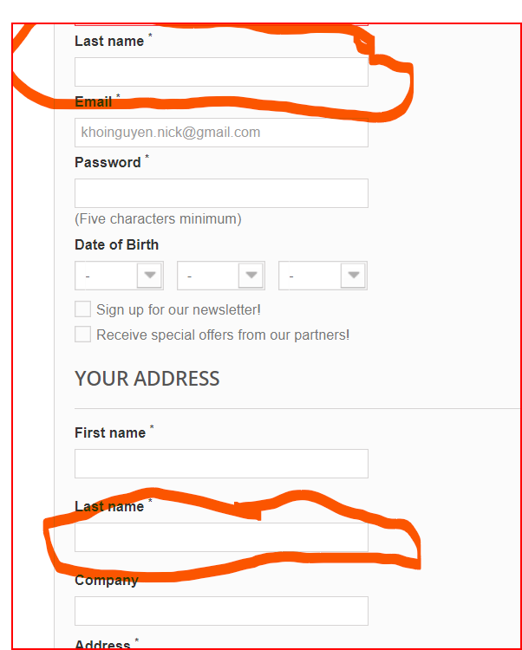
Last name is duplicate

