1.表达量Uniprot选4条（Total9）
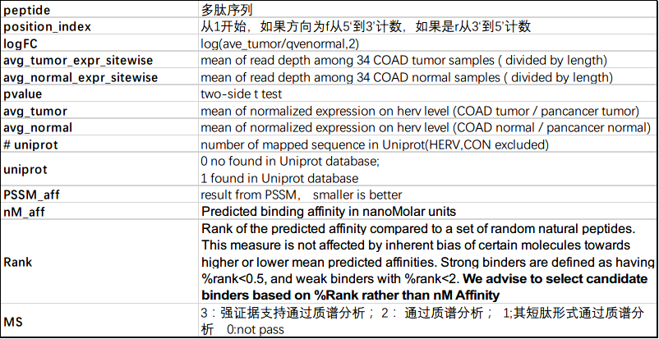
Basic_Info |  |  |  |  | stat |  |  |  | HERV expression based on COAD samples(281tumor + 30normal) |  |  |  | HERV expression based on Pan-cancer samples(8470tumor + 534 normal) |  |  |  | uniprot |  | PSSM | netMHCpan |  |  | EPIP | 质谱 |  |  |  |  |  | Nomal Protein GTEx/TCGA expression(TPM)(normal 11688 + tumor 10204)
herv_id | peptide | len | position_index | direction | logFC | avg_tumor_expr_sitewise | avg_normal_expr_sitewise | pvalue | avg_tumor | avg_normal | logFC | pvalue | avg_tumor | avg_normal | logFC | pvalue | # uniprot | uniprot | PSSM_aff | nM_aff | Rank | NB |  | MSMS | cellline | filter1 | filter2 | filter3 | filter4 | avg_tumor | avg_normal
2543 | MLLTQSLFGGL | 11 | 5664 | f | 10 | 0.029411765 | 0 | 0.324587127 | 0.054341417145 | 0 | 10 | 3.07E-24 | 0.12040057288 | 0.0046160860646 | 4.7050283238 | 3.93E-61 | 3 | 1 | 114.5677178 | 119.4754 | 1.1863 | 1 | -0.0039 | 0 | NA | T | T | F | F | 7.97 | 23.47
2543 | LLTQSLFGGL | 10 | 5667 | f | 10 | 0.029411765 | 0 | 0.324587127 | 0.054341417145 | 0 | 10 | 3.07E-24 | 0.12040057288 | 0.0046160860646 | 4.7050283238 | 3.93E-61 | 3 | 1 | 107.8113319 | 169.2409 | 1.485 | 1 | -0.2675 | 0 | NA | T | T | F | F | 7.97 | 23.47
2565 | TLPSFQGPV | 9 | 2514 | f | 10 | 0.029411765 | 0 | 0.324587127 | 0.10724357273 | 0.00081723103333 | 7.0359314825 | 6.66E-34 | 0.13333215139 | 0.0055824616011 | 4.5779794776 | 0 | 1 | 1 | 54.23216641 | 205.1613 | 1.6733 | 1 | -0.1764 | 0 | NA | T | T | F | F | 回溯蛋白片段无ENSG ID | 回溯蛋白片段无ENSG ID
2582 | YMRTLLDSI | 9 | 1131 | f | 10 | 0.029411765 | 0 | 0.324587127 | 0.10087705688 | 0.0035287637333 | 4.8372914417 | 1.08E-64 | 0.22790823008 | 0.012286818579 | 4.2132697105 | 0.00E+00 | 11 | 1 | 82.15120075 | 85.7838 | 0.9561 | 1 | -0.0229 | 0 | NA | T | T | F | F | 无正常蛋白来源，仅来源ERE | 无正常蛋白来源，仅来源ERE
4417 | ILTKLSASL | 9 | 15 | f | 10 | 0.437908497 | 0 | 0.033820956 | 0.70626128657 | 0.0115074167 | 5.9395661136 | 9.72E-21 | 0.121777842 | 0.0022266883502 | 5.7732081913 | 2.54E-83 | 1 | 1 | 40.73893651 | 68.4148 | 0.8139 | 1 | 0.2285 | 0 | NA | T | T | F | F | 回溯蛋白片段无ENSG ID | 回溯蛋白片段无ENSG ID
4417 | ILTKLSASLTI | 11 | 15 | f | 10 | 0.454545455 | 0 | 0.031279926 | 0.70626128657 | 0.0115074167 | 5.9395661136 | 9.72E-21 | 0.121777842 | 0.0022266883502 | 5.7732081913 | 2.54E-83 | 1 | 1 | 80.760896 | 252.608 | 1.9122 | 1 | 0.0664 | 0 | NA | T | T | F | F | 回溯蛋白片段无ENSG ID | 回溯蛋白片段无ENSG ID
5678 | PLNPFSFTL | 9 | 2152 | f | 10 | 0.696078431 | 0 | 0.296665766 | 0.38425164984 | 0.00062197406667 | 9.2709813109 | 2.07E-24 | 0.064590636593 | 0.0036445104944 | 4.1475280794 | 3.16E-140 | 2 | 1 | 36.00944172 | 126.1332 | 1.229 | 1 | 0.2148 | 0 | NA | T | T | F | F | 3.39 | 0.15
5678 | GQVPLNPFSFTL | 12 | 2143 | f | 10 | 0.845588235 | 0 | 0.306211381 | 0.38425164984 | 0.00062197406667 | 9.2709813109 | 2.07E-24 | 0.064590636593 | 0.0036445104944 | 4.1475280794 | 3.16E-140 | 2 | 1 | 142.2658333 | 155.7882 | 1.4154 | 1 | NA | 0 | NA | T | T | F | F | 3.39 | 0.15
6196 | FNLGATLQSL | 10 | 601 | f | 10 | 1.029411765 | 0 | 0.130669829 | 1.1265251446 | 0.0031865884333 | 8.4656511017 | 3.42E-24 | 0.30731973273 | 0.019000175139 | 4.015655782 | 6.74E-142 | 2 | 1 | 104.6051982 | 93.3206 | 1.0133 | 1 | 0.0793 | 0 | NA | T | T | F | F | 3.39 | 0.15
6196 | MLLTQSLFGGL | 11 | 338 | f | 10 | 0.542780749 | 0 | 0.112392155 | 1.1265251446 | 0.0031865884333 | 8.4656511017 | 3.42E-24 | 0.30731973273 | 0.019000175139 | 4.015655782 | 6.74E-142 | 3 | 1 | 114.5677178 | 119.4754 | 1.1863 | 1 | -0.0039 | 0 | NA | T | T | F | F | 7.97 | 23.47
6196 | LLTQSLFGGL | 10 | 341 | f | 10 | 0.641176471 | 0 | 0.114628465 | 1.1265251446 | 0.0031865884333 | 8.4656511017 | 3.42E-24 | 0.30731973273 | 0.019000175139 | 4.015655782 | 6.74E-142 | 3 | 1 | 107.8113319 | 169.2409 | 1.485 | 1 | -0.2675 | 0 | NA | T | T | F | F | 7.97 | 23.47

