stat
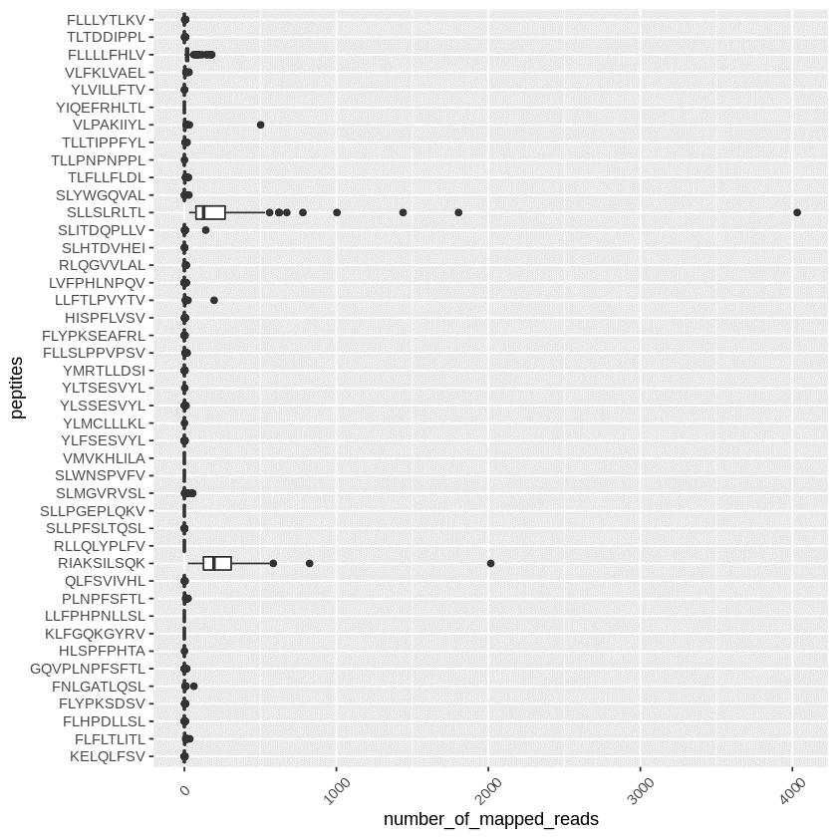
peptides | most likely | consensus | pattern | command | normal_total (sum of mapped reads among normal samples) | normal_total (rm_herv_region) | sample(mapped_read>0) | #samples | pass?
KELQLFSV | aaggagctgcagctgttcagcgtg | aargarytncarytnttywsngtn | AA[AG]GA[AG][CT]T[GTAC]CA[AG][CT]T[GTAC]TT[CT][AT][CG][GTAC]GT[GTAC] | time for KELQLFSV in `cat bam.list`;do echo ${KELQLFSV} && samtools view ${KELQLFSV} |grep 'AA[AG]GA[AG][CT]T[GTAC]CA[AG][CT]T[GTAC]TT[CT][AT][CG][GTAC]GT[GTAC]' - >${KELQLFSV}.KELQLFSV;done | 305 | 21 | 16 | 121 | 1
FLFLTLITL | ttcctgttcctgaccctgatcaccctg | ttyytnttyytnacnytnathacnytn | TT[CT][CT]T[GTAC]TT[CT][CT]T[GTAC]AC[GTAC][CT]T[GTAC]AT[ACT]AC[GTAC][CT]T[GTAC] | time for FLFLTLITL in `cat bam.list`;do echo ${FLFLTLITL} && samtools view ${FLFLTLITL} |grep 'TT[CT][CT]T[GTAC]TT[CT][CT]T[GTAC]AC[GTAC][CT]T[GTAC]AT[ACT]AC[GTAC][CT]T[GTAC]' - >${FLFLTLITL}.FLFLTLITL;done | 1877 | 431 | 101 | 121 | 0
FLHPDLLSL | ttcctgcaccccgacctgctgagcctg | ttyytncayccngayytnytnwsnytn | TT[CT][CT]T[GTAC]CA[CT]CC[GTAC]GA[CT][CT]T[GTAC][CT]T[GTAC][AT][CG][GTAC][CT]T[GTAC] | time for FLHPDLLSL in `cat bam.list`;do echo ${FLHPDLLSL} && samtools view ${FLHPDLLSL} |grep 'TT[CT][CT]T[GTAC]CA[CT]CC[GTAC]GA[CT][CT]T[GTAC][CT]T[GTAC][AT][CG][GTAC][CT]T[GTAC]' - >${FLHPDLLSL}.FLHPDLLSL;done | 277 | 53 | 27 | 121 | 1
FLYPKSDSV | ttcctgtaccccaagagcgacagcgtg | ttyytntayccnaarwsngaywsngtn | TT[CT][CT]T[GTAC]TA[CT]CC[GTAC]AA[AG][AT][CG][GTAC]GA[CT][AT][CG][GTAC]GT[GTAC] | time for FLYPKSDSV in `cat bam.list`;do echo ${FLYPKSDSV} && samtools view ${FLYPKSDSV} |grep 'TT[CT][CT]T[GTAC]TA[CT]CC[GTAC]AA[AG][AT][CG][GTAC]GA[CT][AT][CG][GTAC]GT[GTAC]' - >${FLYPKSDSV}.FLYPKSDSV;done | 967 | 90 | 49 | 121 | 1
FNLGATLQSL | ttcaacctgggcgccaccctgcagagcctg | ttyaayytnggngcnacnytncarwsnytn | TT[CT]AA[CT][CT]T[GTAC]GG[GTAC]GC[GTAC]AC[GTAC][CT]T[GTAC]CA[AG][AT][CG][GTAC][CT]T[GTAC] | time for FNLGATLQSL in `cat bam.list`;do echo ${FNLGATLQSL} && samtools view ${FNLGATLQSL} |grep 'TT[CT]AA[CT][CT]T[GTAC]GG[GTAC]GC[GTAC]AC[GTAC][CT]T[GTAC]CA[AG][AT][CG][GTAC][CT]T[GTAC]' - >${FNLGATLQSL}.FNLGATLQSL;done | 2246 | 240 | 62 | 121 | 0
GQVPLNPFSFTL | ggccaggtgcccctgaaccccttcagcttcaccctg | ggncargtnccnytnaayccnttywsnttyacnytn | GG[GTAC]CA[AG]GT[GTAC]CC[GTAC][CT]T[GTAC]AA[CT]CC[GTAC]TT[CT][AT][CG][GTAC]TT[CT]AC[GTAC][CT]T[GTAC] | time for GQVPLNPFSFTL in `cat bam.list`;do echo ${GQVPLNPFSFTL} && samtools view ${GQVPLNPFSFTL} |grep 'GG[GTAC]CA[AG]GT[GTAC]CC[GTAC][CT]T[GTAC]AA[CT]CC[GTAC]TT[CT][AT][CG][GTAC]TT[CT]AC[GTAC][CT]T[GTAC]' - >${GQVPLNPFSFTL}.GQVPLNPFSFTL;done | 890 | 85 | 24 | 121 | 1
HLSPFPHTA | cacctgagccccttcccccacaccgcc | cayytnwsnccnttyccncayacngcn | CA[CT][CT]T[GTAC][AT][CG][GTAC]CC[GTAC]TT[CT]CC[GTAC]CA[CT]AC[GTAC]GC[GTAC] | time for HLSPFPHTA in `cat bam.list`;do echo ${HLSPFPHTA} && samtools view ${HLSPFPHTA} |grep 'CA[CT][CT]T[GTAC][AT][CG][GTAC]CC[GTAC]TT[CT]CC[GTAC]CA[CT]AC[GTAC]GC[GTAC]' - >${HLSPFPHTA}.HLSPFPHTA;done | 559 | 1 | 1 | 121 | 1
KLFGQKGYRV | aagctgttcggccagaagggctacagagtg | aarytnttyggncaraarggntaymgngtn | AA[AG][CT]T[GTAC]TT[CT]GG[GTAC]CA[AG]AA[AG]GG[GTAC]TA[CT][AC]G[GTAC]GT[GTAC] | time for KLFGQKGYRV in `cat bam.list`;do echo ${KLFGQKGYRV} && samtools view ${KLFGQKGYRV} |grep 'AA[AG][CT]T[GTAC]TT[CT]GG[GTAC]CA[AG]AA[AG]GG[GTAC]TA[CT][AC]G[GTAC]GT[GTAC] ' - >${KLFGQKGYRV}.KLFGQKGYRV;done | 0 | 0 | 0 | 121 | 1
LLFPHPNLLSL | ctgctgttcccccaccccaacctgctgagcctg | ytnytnttyccncayccnaayytnytnwsnytn | [CT]T[GTAC][CT]T[GTAC]TT[CT]CC[GTAC]CA[CT]CC[GTAC]AA[CT][CT]T[GTAC][CT]T[GTAC][AT][CG][GTAC][CT]T[GTAC] | time for LLFPHPNLLSL in `cat bam.list`;do echo ${LLFPHPNLLSL} && samtools view ${LLFPHPNLLSL} |grep '[CT]T[GTAC][CT]T[GTAC]TT[CT]CC[GTAC]CA[CT]CC[GTAC]AA[CT][CT]T[GTAC][CT]T[GTAC][AT][CG][GTAC][CT]T[GTAC]' - >${LLFPHPNLLSL}.LLFPHPNLLSL;done | 1 | 0 | 0 | 121 | 1
PLNPFSFTL | cccctgaaccccttcagcttcaccctg | ccnytnaayccnttywsnttyacnytn | CC[GTAC][CT]T[GTAC]AA[CT]CC[GTAC]TT[CT][AT][CG][GTAC]TT[CT]AC[GTAC][CT]T[GTAC] | time for PLNPFSFTL in `cat bam.list`;do echo ${PLNPFSFTL} && samtools view ${PLNPFSFTL} |grep 'CC[GTAC][CT]T[GTAC]AA[CT]CC[GTAC]TT[CT][AT][CG][GTAC]TT[CT]AC[GTAC][CT]T[GTAC]' - >${PLNPFSFTL}.PLNPFSFTL;done | 3130 | 382 | 65 | 121 | 0
QLFSVIVHL | cagctgttcagcgtgatcgtgcacctg | carytnttywsngtnathgtncayytn | CA[AG][CT]T[GTAC]TT[CT][AT][CG][GTAC]GT[GTAC]AT[ACT]GT[GTAC]CA[CT][CT]T[GTAC] | time for QLFSVIVHL in `cat bam.list`;do echo ${QLFSVIVHL} && samtools view ${QLFSVIVHL} |grep 'CA[AG][CT]T[GTAC]TT[CT][AT][CG][GTAC]GT[GTAC]AT[ACT]GT[GTAC]CA[CT][CT]T[GTAC]' - >${QLFSVIVHL}.QLFSVIVHL;done | 129 | 9 | 4 | 121 | 1
RIAKSILSQK | agaatcgccaagagcatcctgagccagaag | mgnathgcnaarwsnathytnwsncaraar | [AC]G[GTAC]AT[ACT]GC[GTAC]AA[AG][AT][CG][GTAC]AT[ACT][CT]T[GTAC][AT][CG][GTAC]CA[AG]AA[AG] | time for RIAKSILSQK in `cat bam.list`;do echo ${RIAKSILSQK} && samtools view ${RIAKSILSQK} |grep '[AC]G[GTAC]AT[ACT]GC[GTAC]AA[AG][AT][CG][GTAC]AT[ACT][CT]T[GTAC][AT][CG][GTAC]CA[AG]AA[AG]' - >${RIAKSILSQK}.RIAKSILSQK;done | 29045 | 28974 | 121 | 121 | 0
RLLQLYPLFV | agactgctgcagctgtaccccctgttcgtg | mgnytnytncarytntayccnytnttygtn | [AC]G[GTAC][CT]T[GTAC][CT]T[GTAC]CA[AG][CT]T[GTAC]TA[CT]CC[GTAC][CT]T[GTAC]TT[CT]GT[GTAC] | time for RLLQLYPLFV in `cat bam.list`;do echo ${RLLQLYPLFV} && samtools view ${RLLQLYPLFV} |grep '[AC]G[GTAC][CT]T[GTAC][CT]T[GTAC]CA[AG][CT]T[GTAC]TA[CT]CC[GTAC][CT]T[GTAC]TT[CT]GT[GTAC]' - >${RLLQLYPLFV}.RLLQLYPLFV;done | 0 | 0 | 0 | 121 | 1
SLLPFSLTQSL | agcctgctgcccttcagcctgacccagagcctg | wsnytnytnccnttywsnytnacncarwsnytn | [AT][CG][GTAC][CT]T[GTAC][CT]T[GTAC]CC[GTAC]TT[CT][AT][CG][GTAC][CT]T[GTAC]AC[GTAC]CA[AG][AT][CG][GTAC][CT]T[GTAC] | time for SLLPFSLTQSL in `cat bam.list`;do echo ${SLLPFSLTQSL} && samtools view ${SLLPFSLTQSL} |grep '[AT][CG][GTAC][CT]T[GTAC][CT]T[GTAC]CC[GTAC]TT[CT][AT][CG][GTAC][CT]T[GTAC]AC[GTAC]CA[AG][AT][CG][GTAC][CT]T[GTAC]' - >${SLLPFSLTQSL}.SLLPFSLTQSL;done | 10 | 7 | 7 | 121 | 1
SLLPGEPLQKV | agcctgctgcccggcgagcccctgcagaaggtg | wsnytnytnccnggngarccnytncaraargtn | [AT][CG][GTAC][CT]T[GTAC][CT]T[GTAC]CC[GTAC]GG[GTAC]GA[AG]CC[GTAC][CT]T[GTAC]CA[AG]AA[AG]GT[GTAC] | time for SLLPGEPLQKV in `cat bam.list`;do echo ${SLLPGEPLQKV} && samtools view ${SLLPGEPLQKV} |grep '[AT][CG][GTAC][CT]T[GTAC][CT]T[GTAC]CC[GTAC]GG[GTAC]GA[AG]CC[GTAC][CT]T[GTAC]CA[AG]AA[AG]GT[GTAC]' - >${SLLPGEPLQKV}.SLLPGEPLQKV;done | 18 | 0 | 0 | 121 | 1
SLMGVRVSL | agcctgatgggcgtgagagtgagcctg | wsnytnatgggngtnmgngtnwsnytn | [AT][CG][GTAC][CT]T[GTAC]ATGGG[GTAC]GT[GTAC][AC]G[GTAC]GT[GTAC][AT][CG][GTAC][CT]T[GTAC] | time for SLMGVRVSL in `cat bam.list`;do echo ${SLMGVRVSL} && samtools view ${SLMGVRVSL} |grep '[AT][CG][GTAC][CT]T[GTAC]ATGGG[GTAC]GT[GTAC][AC]G[GTAC]GT[GTAC][AT][CG][GTAC][CT]T[GTAC]' - >${SLMGVRVSL}.SLMGVRVSL;done | 18155 | 306 | 41 | 121 | 0
SLWNSPVFV | agcctgtggaacagccccgtgttcgtg | wsnytntggaaywsnccngtnttygtn | [AT][CG][GTAC][CT]T[GTAC]TGGAA[CT][AT][CG][GTAC]CC[GTAC]GT[GTAC]TT[CT]GT[GTAC] | time for SLWNSPVFV in `cat bam.list`;do echo ${SLWNSPVFV} && samtools view ${SLWNSPVFV} |grep '[AT][CG][GTAC][CT]T[GTAC]TGGAA[CT][AT][CG][GTAC]CC[GTAC]GT[GTAC]TT[CT]GT[GTAC]' - >${SLWNSPVFV}.SLWNSPVFV;done | 2 | 0 | 0 | 121 | 1
VMVKHLILA | gtgatggtgaagcacctgatcctggcc | gtnatggtnaarcayytnathytngcn | GT[GTAC]ATGGT[GTAC]AA[AG]CA[CT][CT]T[GTAC]AT[ACT][CT]T[GTAC]GC[GTAC] | time for VMVKHLILA in `cat bam.list`;do echo ${VMVKHLILA} && samtools view ${VMVKHLILA} |grep 'GT[GTAC]ATGGT[GTAC]AA[AG]CA[CT][CT]T[GTAC]AT[ACT][CT]T[GTAC]GC[GTAC]' - >${VMVKHLILA}.VMVKHLILA;done | 0 | 0 | 0 | 121 | 1
YLFSESVYL | tacctgttcagcgagagcgtgtacctg | tayytnttywsngarwsngtntayytn | TA[CT][CT]T[GTAC]TT[CT][AT][CG][GTAC]GA[AG][AT][CG][GTAC]GT[GTAC]TA[CT][CT]T[GTAC] | time for YLFSESVYL in `cat bam.list`;do echo ${YLFSESVYL} && samtools view ${YLFSESVYL} |grep 'TA[CT][CT]T[GTAC]TT[CT][AT][CG][GTAC]GA[AG][AT][CG][GTAC]GT[GTAC]TA[CT][CT]T[GTAC]' - >${YLFSESVYL}.YLFSESVYL;done | 503 | 28 | 19 | 121 | 1
YLMCLLLKL | tacctgatgtgcctgctgctgaagctg | tayytnatgtgyytnytnytnaarytn | TA[CT][CT]T[GTAC]ATGTG[CT][CT]T[GTAC][CT]T[GTAC][CT]T[GTAC]AA[AG][CT]T[GTAC] | time for YLMCLLLKL in `cat bam.list`;do echo ${YLMCLLLKL} && samtools view ${YLMCLLLKL} |grep 'TA[CT][CT]T[GTAC]ATGTG[CT][CT]T[GTAC][CT]T[GTAC][CT]T[GTAC]AA[AG][CT]T[GTAC]' - >${YLMCLLLKL}.YLMCLLLKL;done | 23 | 1 | 1 | 121 | 1
YLSSESVYL | tacctgagcagcgagagcgtgtacctg | tayytnwsnwsngarwsngtntayytn | TA[CT][CT]T[GTAC][AT][CG][GTAC][AT][CG][GTAC]GA[AG][AT][CG][GTAC]GT[GTAC]TA[CT][CT]T[GTAC] | time for YLSSESVYL in `cat bam.list`;do echo ${YLSSESVYL} && samtools view ${YLSSESVYL} |grep 'TA[CT][CT]T[GTAC][AT][CG][GTAC][AT][CG][GTAC]GA[AG][AT][CG][GTAC]GT[GTAC]TA[CT][CT]T[GTAC]' - >${YLSSESVYL}.YLSSESVYL;done | 705 | 117 | 61 | 121 | 1
YLTSESVYL | tacctgaccagcgagagcgtgtacctg | tayytnacnwsngarwsngtntayytn | TA[CT][CT]T[GTAC]AC[GTAC][AT][CG][GTAC]GA[AG][AT][CG][GTAC]GT[GTAC]TA[CT][CT]T[GTAC] | time for YLTSESVYL in `cat bam.list`;do echo ${YLTSESVYL} && samtools view ${YLTSESVYL} |grep 'TA[CT][CT]T[GTAC]AC[GTAC][AT][CG][GTAC]GA[AG][AT][CG][GTAC]GT[GTAC]TA[CT][CT]T[GTAC]' - >${YLTSESVYL}.YLTSESVYL;done | 3 | 3 | 1 | 121 | 1
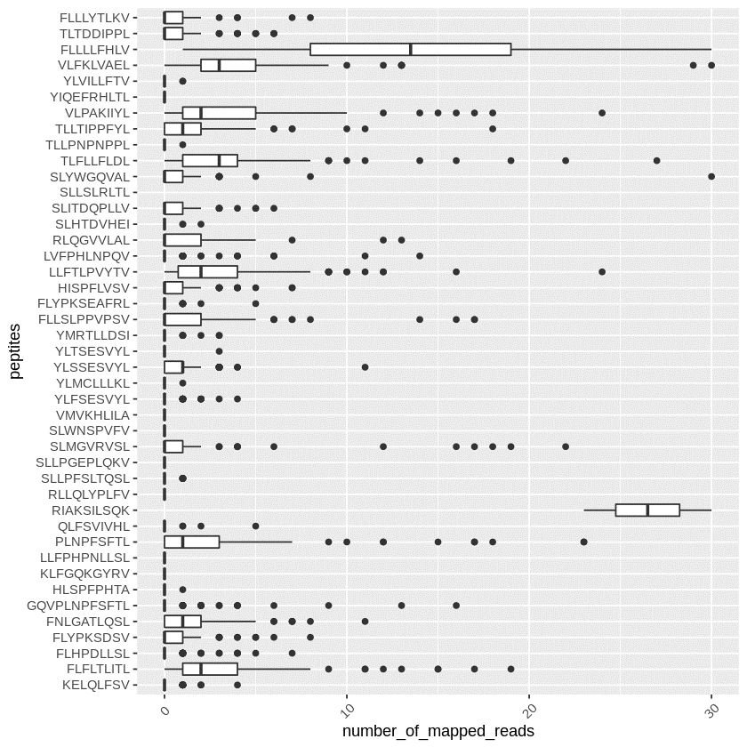
YMRTLLDSI | tacatgagaaccctgctggacagcatc | tayatgmgnacnytnytngaywsnath | TA[CT]ATG[AC]G[GTAC]AC[GTAC][CT]T[GTAC][CT]T[GTAC]GA[CT][AT][CG][GTAC]AT[ACT] | time for YMRTLLDSI in `cat bam.list`;do echo ${YMRTLLDSI} && samtools view ${YMRTLLDSI} |grep 'TA[CT]ATG[AC]G[GTAC]AC[GTAC][CT]T[GTAC][CT]T[GTAC]GA[CT][AT][CG][GTAC]AT[ACT]' - >${YMRTLLDSI}.YMRTLLDSI;done | 273 | 12 | 7 | 121 | 1
FLLSLPPVPSV | ttcctgctgagcctgccccccgtgcccagcgtg | ttyytnytnwsnytnccnccngtnccnwsngtn | TT[CT][CT]T[ACTG][CT]T[ACTG][AT][GC][ACTG][CT]T[ACTG]CC[ACTG]CC[ACTG]GT[ACTG]CC[ACTG][AT][GC][ACTG]GT[ACTG] | time for FLLSLPPVPSV in `cat bam.list`;do echo ${FLLSLPPVPSV} && samtools view ${FLLSLPPVPSV} |grep 'TT[CT][CT]T[ACTG][CT]T[ACTG][AT][GC][ACTG][CT]T[ACTG]CC[ACTG]CC[ACTG]GT[ACTG]CC[ACTG][AT][GC][ACTG]GT[ACTG]' - >${FLLSLPPVPSV}.FLLSLPPVPSV;done | 1983 | 199 | 60 | 121 | 0
FLYPKSEAFRL | ttcctgtaccccaagagcgaggccttcagactg | ttyytntayccnaarwsngargcnttymgnytn | TT[CT][CT]T[ACTG]TA[CT]CC[ACTG]AA[AG][AT][GC][ACTG]GA[AG]GC[ACTG]TT[CT][AC]G[ACTG][CT]T[ACTG] | time for FLYPKSEAFRL in `cat bam.list`;do echo ${FLYPKSEAFRL} && samtools view ${FLYPKSEAFRL} |grep 'TT[CT][CT]T[ACTG]TA[CT]CC[ACTG]AA[AG][AT][GC][ACTG]GA[AG]GC[ACTG]TT[CT][AC]G[ACTG][CT]T[ACTG]' - >${FLYPKSEAFRL}.FLYPKSEAFRL;done | 497 | 14 | 9 | 121 | 1
HISPFLVSV | cacatcagccccttcctggtgagcgtg | cayathwsnccnttyytngtnwsngtn | CA[CT]AT[ACT][AT][GC][ACTG]CC[ACTG]TT[CT][CT]T[ACTG]GT[ACTG][AT][GC][ACTG]GT[ACTG] | time for HISPFLVSV in `cat bam.list`;do echo ${HISPFLVSV} && samtools view ${HISPFLVSV} |grep 'CA[CT]AT[ACT][AT][GC][ACTG]CC[ACTG]TT[CT][CT]T[ACTG]GT[ACTG][AT][GC][ACTG]GT[ACTG]' - >${HISPFLVSV}.HISPFLVSV;done | 1596 | 93 | 43 | 121 | 1
LLFTLPVYTV | ctgctgttcaccctgcccgtgtacaccgtg | ytnytnttyacnytnccngtntayacngtn | [CT]T[ACTG][CT]T[ACTG]TT[CT]AC[ACTG][CT]T[ACTG]CC[ACTG]GT[ACTG]TA[CT]AC[ACTG]GT[ACTG] | time for LLFTLPVYTV in `cat bam.list`;do echo ${LLFTLPVYTV} && samtools view ${LLFTLPVYTV} |grep '[CT]T[ACTG][CT]T[ACTG]TT[CT]AC[ACTG][CT]T[ACTG]CC[ACTG]GT[ACTG]TA[CT]AC[ACTG]GT[ACTG]' - >${LLFTLPVYTV}.LLFTLPVYTV;done | 5092 | 571 | 91 | 121 | 0
LVFPHLNPQV | ctggtgttcccccacctgaacccccaggtg | ytngtnttyccncayytnaayccncargtn | [CT]T[ACTG]GT[ACTG]TT[CT]CC[ACTG]CA[CT][CT]T[ACTG]AA[CT]CC[ACTG]CA[AG]GT[ACTG] | time for LVFPHLNPQV in `cat bam.list`;do echo ${LVFPHLNPQV} && samtools view ${LVFPHLNPQV} |grep '[CT]T[ACTG]GT[ACTG]TT[CT]CC[ACTG]CA[CT][CT]T[ACTG]AA[CT]CC[ACTG]CA[AG]GT[ACTG]' - >${LVFPHLNPQV}.LVFPHLNPQV;done | 1448 | 76 | 25 | 121 | 1
RLQGVVLAL | agactgcagggcgtggtgctggccctg | mgnytncarggngtngtnytngcnytn | [AC]G[ACTG][CT]T[ACTG]CA[AG]GG[ACTG]GT[ACTG]GT[ACTG][CT]T[ACTG]GC[ACTG][CT]T[ACTG] | time for RLQGVVLAL in `cat bam.list`;do echo ${RLQGVVLAL} && samtools view ${RLQGVVLAL} |grep '[AC]G[ACTG][CT]T[ACTG]CA[AG]GG[ACTG]GT[ACTG]GT[ACTG][CT]T[ACTG]GC[ACTG][CT]T[ACTG]' - >${RLQGVVLAL}.RLQGVVLAL;done | 664 | 141 | 60 | 121 | 0
SLHTDVHEI | agcctgcacaccgacgtgcacgagatc | wsnytncayacngaygtncaygarath | [AT][GC][ACTG][CT]T[ACTG]CA[CT]AC[ACTG]GA[CT]GT[ACTG]CA[CT]GA[AG]AT[ACT] | time for SLHTDVHEI in `cat bam.list`;do echo ${SLHTDVHEI} && samtools view ${SLHTDVHEI} |grep '[AT][GC][ACTG][CT]T[ACTG]CA[CT]AC[ACTG]GA[CT]GT[ACTG]CA[CT]GA[AG]AT[ACT]' - >${SLHTDVHEI}.SLHTDVHEI;done | 192 | 4 | 3 | 121 | 1
SLITDQPLLV | agcctgatcaccgaccagcccctgctggtg | wsnytnathacngaycarccnytnytngtn | [AT][GC][ACTG][CT]T[ACTG]AT[ACT]AC[ACTG]GA[CT]CA[AG]CC[ACTG][CT]T[ACTG][CT]T[ACTG]GT[ACTG] | time for SLITDQPLLV in `cat bam.list`;do echo ${SLITDQPLLV} && samtools view ${SLITDQPLLV} |grep '[AT][GC][ACTG][CT]T[ACTG]AT[ACT]AC[ACTG]GA[CT]CA[AG]CC[ACTG][CT]T[ACTG][CT]T[ACTG]GT[ACTG]' - >${SLITDQPLLV}.SLITDQPLLV;done | 1693 | 224 | 48 | 121 | 0
SLLSLRLTL | agcctgctgagcctgagactgaccctg | wsnytnytnwsnytnmgnytnacnytn | [AT][GC][ACTG][CT]T[ACTG][CT]T[ACTG][AT][GC][ACTG][CT]T[ACTG][AC]G[ACTG][CT]T[ACTG]AC[ACTG][CT]T[ACTG] | time for SLLSLRLTL in `cat bam.list`;do echo ${SLLSLRLTL} && samtools view ${SLLSLRLTL} |grep '[AT][GC][ACTG][CT]T[ACTG][CT]T[ACTG][AT][GC][ACTG][CT]T[ACTG][AC]G[ACTG][CT]T[ACTG]AC[ACTG][CT]T[ACTG]' - >${SLLSLRLTL}.SLLSLRLTL;done | 31095 | 30420 | 121 | 121 | 0
SLYWGQVAL | agcctgtactggggccaggtggccctg | wsnytntaytggggncargtngcnytn | [AT][GC][ACTG][CT]T[ACTG]TA[CT]TGGGG[ACTG]CA[AG]GT[ACTG]GC[ACTG][CT]T[ACTG] | time for SLYWGQVAL in `cat bam.list`;do echo ${SLYWGQVAL} && samtools view ${SLYWGQVAL} |grep '[AT][GC][ACTG][CT]T[ACTG]TA[CT]TGGGG[ACTG]CA[AG]GT[ACTG]GC[ACTG][CT]T[ACTG]' - >${SLYWGQVAL}.SLYWGQVAL;done | 281 | 108 | 44 | 121 | 1
TLFLLFLDL | accctgttcctgctgttcctggacctg | acnytnttyytnytnttyytngayytn | AC[ACTG][CT]T[ACTG]TT[CT][CT]T[ACTG][CT]T[ACTG]TT[CT][CT]T[ACTG]GA[CT][CT]T[ACTG] | time for TLFLLFLDL in `cat bam.list`;do echo ${TLFLLFLDL} && samtools view ${TLFLLFLDL} |grep 'AC[ACTG][CT]T[ACTG]TT[CT][CT]T[ACTG][CT]T[ACTG]TT[CT][CT]T[ACTG]GA[CT][CT]T[ACTG]' - >${TLFLLFLDL}.TLFLLFLDL;done | 730 | 443 | 110 | 121 | 0
TLLPNPNPPL | accctgctgcccaaccccaacccccccctg | acnytnytnccnaayccnaayccnccnytn | AC[ACTG][CT]T[ACTG][CT]T[ACTG]CC[ACTG]AA[CT]CC[ACTG]AA[CT]CC[ACTG]CC[ACTG][CT]T[ACTG] | time for TLLPNPNPPL in `cat bam.list`;do echo ${TLLPNPNPPL} && samtools view ${TLLPNPNPPL} |grep 'AC[ACTG][CT]T[ACTG][CT]T[ACTG]CC[ACTG]AA[CT]CC[ACTG]AA[CT]CC[ACTG]CC[ACTG][CT]T[ACTG]' - >${TLLPNPNPPL}.TLLPNPNPPL;done | 6 | 1 | 1 | 121 | 1
TLLTIPPFYL | accctgctgaccatcccccccttctacctg | acnytnytnacnathccnccnttytayytn | AC[ACTG][CT]T[ACTG][CT]T[ACTG]AC[ACTG]AT[ACT]CC[ACTG]CC[ACTG]TT[CT]TA[CT][CT]T[ACTG] | time for TLLTIPPFYL in `cat bam.list`;do echo ${TLLTIPPFYL} && samtools view ${TLLTIPPFYL} |grep 'AC[ACTG][CT]T[ACTG][CT]T[ACTG]AC[ACTG]AT[ACT]CC[ACTG]CC[ACTG]TT[CT]TA[CT][CT]T[ACTG]' - >${TLLTIPPFYL}.TLLTIPPFYL;done | 3453 | 204 | 70 | 121 | 0
VLPAKIIYL | gtgctgcccgccaagatcatctacctg | gtnytnccngcnaarathathtayytn | GT[ACTG][CT]T[ACTG]CC[ACTG]GC[ACTG]AA[AG]AT[ACT]AT[ACT]TA[CT][CT]T[ACTG] | time for VLPAKIIYL in `cat bam.list`;do echo ${VLPAKIIYL} && samtools view ${VLPAKIIYL} |grep 'GT[ACTG][CT]T[ACTG]CC[ACTG]GC[ACTG]AA[AG]AT[ACT]AT[ACT]TA[CT][CT]T[ACTG]' - >${VLPAKIIYL}.VLPAKIIYL;done | 4861 | 934 | 96 | 121 | 0
YIQEFRHLTL | tacatccaggagttcagacacctgaccctg | tayathcargarttymgncayytnacnytn | TA[CT]AT[ACT]CA[AG]GA[AG]TT[CT][AC]G[ACTG]CA[CT][CT]T[ACTG]AC[ACTG][CT]T[ACTG] | time for YIQEFRHLTL in `cat bam.list`;do echo ${YIQEFRHLTL} && samtools view ${YIQEFRHLTL} |grep 'TA[CT]AT[ACT]CA[AG]GA[AG]TT[CT][AC]G[ACTG]CA[CT][CT]T[ACTG]AC[ACTG][CT]T[ACTG]' - >${YIQEFRHLTL}.YIQEFRHLTL;done | 0 | 0 | 0 | 121 | 1
YLVILLFTV | tacctggtgatcctgctgttcaccgtg | tayytngtnathytnytnttyacngtn | TA[CT][CT]T[ACTG]GT[ACTG]AT[ACT][CT]T[ACTG][CT]T[ACTG]TT[CT]AC[ACTG]GT[ACTG] | time for YLVILLFTV in `cat bam.list`;do echo ${YLVILLFTV} && samtools view ${YLVILLFTV} |grep 'TA[CT][CT]T[ACTG]GT[ACTG]AT[ACT][CT]T[ACTG][CT]T[ACTG]TT[CT]AC[ACTG]GT[ACTG]' - >${YLVILLFTV}.YLVILLFTV;done | 5 | 2 | 2 | 121 | 1
VLFKLVAEL | gtgctgttcaagctggtggccgagctg | gtnytnttyaarytngtngcngarytn | GT[ATCG][TC]T[ATCG]TT[TC]AA[AG][TC]T[ATCG]GT[ATCG]GC[ATCG]GA[AG][TC]T[ATCG] | time for VLFKLVAEL in `cat bam.list`;do echo ${VLFKLVAEL} && samtools view ${VLFKLVAEL} |grep 'GT[ATCG][TC]T[ATCG]TT[TC]AA[AG][TC]T[ATCG]GT[ATCG]GC[ATCG]GA[AG][TC]T[ATCG]' - >${VLFKLVAEL}.VLFKLVAEL;done | 5145 | 477 | 103 | 121 | 0
FLLLLFHLV | ttcctgctgctgctgttccacctggtg | ttyytnytnytnytnttycayytngtn | TT[TC][TC]T[ATCG][TC]T[ATCG][TC]T[ATCG][TC]T[ATCG]TT[TC]CA[TC][TC]T[ATCG]GT[ATCG] | time for FLLLLFHLV in `cat bam.list`;do echo ${FLLLLFHLV} && samtools view ${FLLLLFHLV} |grep 'TT[TC][TC]T[ATCG][TC]T[ATCG][TC]T[ATCG][TC]T[ATCG]TT[TC]CA[TC][TC]T[ATCG]GT[ATCG]' - >${FLLLLFHLV}.FLLLLFHLV;done | 7982 | 3463 | 121 | 121 | 0
TLTDDIPPL | accctgaccgacgacatcccccccctg | acnytnacngaygayathccnccnytn | AC[ATCG][TC]T[ATCG]AC[ATCG]GA[TC]GA[TC]AT[ACT]CC[ATCG]CC[ATCG][TC]T[ATCG] | time for TLTDDIPPL in `cat bam.list`;do echo ${TLTDDIPPL} && samtools view ${TLTDDIPPL} |grep 'AC[ATCG][TC]T[ATCG]AC[ATCG]GA[TC]GA[TC]AT[ACT]CC[ATCG]CC[ATCG][TC]T[ATCG]' - >${TLTDDIPPL}.TLTDDIPPL;done | 297 | 108 | 53 | 121 | 1
FLLLYTLKV | ttcctgctgctgtacaccctgaaggtg | ttyytnytnytntayacnytnaargtn | TT[TC][TC]T[ATCG][TC]T[ATCG][TC]T[ATCG]TA[TC]AC[ATCG][TC]T[ATCG]AA[AG]GT[ATCG] | time for FLLLYTLKV in `cat bam.list`;do echo ${FLLLYTLKV} && samtools view ${FLLLYTLKV} |grep 'TT[TC][TC]T[ATCG][TC]T[ATCG][TC]T[ATCG]TA[TC]AC[ATCG][TC]T[ATCG]AA[AG]GT[ATCG]' - >${FLLLYTLKV}.FLLLYTLKV;done | 464 | 63 | 34 | 121 | 1
KISLYLPAL | aagatcagcctgtacctgcccgccctg | aarathwsnytntayytnccngcnytn | AA[AG]AT[ACT][AT][CG][ATCG][TC]T[ATCG]TA[TC][TC]T[ATCG]CC[ATCG]GC[ATCG][TC]T[ATCG] | time for KISLYLPAL in `cat bam.list`;do echo ${KISLYLPAL} && samtools view ${KISLYLPAL} |grep 'AA[AG]AT[ACT][AT][CG][ATCG][TC]T[ATCG]TA[TC][TC]T[ATCG]CC[ATCG]GC[ATCG][TC]T[ATCG]' - >${KISLYLPAL}.KISLYLPAL;done | 50 | 50 | 33 | 121 | 1
KILILLQSL | aagatcctgatcctgctgcagagcctg | aarathytnathytnytncarwsnytn | AA[AG]AT[ACT][TC]T[ATCG]AT[ACT][TC]T[ATCG][TC]T[ATCG]CA[AG][AT][CG][ATCG][TC]T[ATCG] | time for KILILLQSL in `cat bam.list`;do echo ${KILILLQSL} && samtools view ${KILILLQSL} |grep 'AA[AG]AT[ACT][TC]T[ATCG]AT[ACT][TC]T[ATCG][TC]T[ATCG]CA[AG][AT][CG][ATCG][TC]T[ATCG]' - >${KILILLQSL}.KILILLQSL;done | 53 | 53 | 32 | 121 | 1
TSFAETWMK | accagcttcgccgagacctggatgaag | acnwsnttygcngaracntggatgaar | AC[ATCG][AT][CG][ATCG]TT[TC]GC[ATCG]GA[AG]AC[ATCG]TGGATGAA[AG] | time for TSFAETWMK in `cat bam.list`;do echo ${TSFAETWMK} && samtools view ${TSFAETWMK} |grep 'AC[ATCG][AT][CG][ATCG]TT[TC]GC[ATCG]GA[AG]AC[ATCG]TGGATGAA[AG]' - >${TSFAETWMK}.TSFAETWMK;done | 147 | 147 | 50 | 121 | 0
SSASQLPSK | agcagcgccagccagctgcccagcaag | wsnwsngcnwsncarytnccnwsnaar | [AT][CG][ATCG][AT][CG][ATCG]GC[ATCG][AT][CG][ATCG]CA[AG][TC]T[ATCG]CC[ATCG][AT][CG][ATCG]AA[AG] | time for SSASQLPSK in `cat bam.list`;do echo ${SSASQLPSK} && samtools view ${SSASQLPSK} |grep '[AT][CG][ATCG][AT][CG][ATCG]GC[ATCG][AT][CG][ATCG]CA[AG][TC]T[ATCG]CC[ATCG][AT][CG][ATCG]AA[AG]' - >${SSASQLPSK}.SSASQLPSK;done | 4819 | 4819 | 98 | 121 | 0
 |  |  |  |  | for pep in `cat targetpep.list`;do grep "${pep}" 43targetPEP_expr_outside_herv_region.csv |awk -v FS="," -v pep=${pep} '{sum+=$2}END{print pep","sum}';done | for pep in `cat targetpep.list`;do grep "${pep}" 43targetPEP_expr_outside_herv_region.csv |awk -v FS="," -v pep=${pep} '{sum+=$4}END{print pep","sum}';done

