Bug Report
ID Number | Reporter | Submit Date | Description | Steps to reproduce | Expected Result | Actual Result | Screenshot | Environment | Severity | Priority | Assigned to
Bug_001 | Lejla | 03.06.2023. | When the user is creating Road Analysis report with file that contains only mandatory (THE_GEOM) column, the message File contains only one column. ID column is missing, please double check input file. is displayed even though the ID column is not mandatory. | 1. Click on the Browse button on the Create Road Analysis page 2. Choose the file that contains only a mandatory (THE_GEOM) header and upload it 3. Wait until file is successfuly uploaded and Status: Created is shown 4. Check if the Enter Report Name field is filled in with sample file's name 5. Click on the Create Report button 6. Click on Hide this screen and go to reports link 7. Wait until the report is created and it appears on Reports page with OK status which indicates that report has been successfuly created 8. Click on the report name link to redirect to the report results page | 1. Pop-up window for file exploring has appeared 2. The file is uploaded 3. Please wait while we analyze your file message is displayed while waiting the sample file to be uploaded 4. Status Created showed up on the left side of the uploading progress bar after the sample file is successfully uploaded and green check mark is displayed on the right side of the progress bar 5. Enter Report Name field is filled in with the sample file name 6. The notification message is present above Create Report button 7. Create Report button is clickable 8. The user is redirected to the Please wait while we analyze your file page 9. The user is redirected to the Reports page 10. The Road Analysis report is successfuly created | 1. Pop-up window for file exploring has appeared 2. Please wait while we analyze your file message is displayed while waiting the sample file to be uploaded 3. The sample file has been uploaded and Status: Completed is shown 4. Enter Report Name field is filled in with the sample file name 5. The message File contains only one column. ID column is missing, please double check input file. is displayed 6. Create Report button is clickable 7. The user is redirected to the Please wait while we analyze your file page 8. The user is redirected to the Reports page 9. The Road Analysis report is successfuly created | 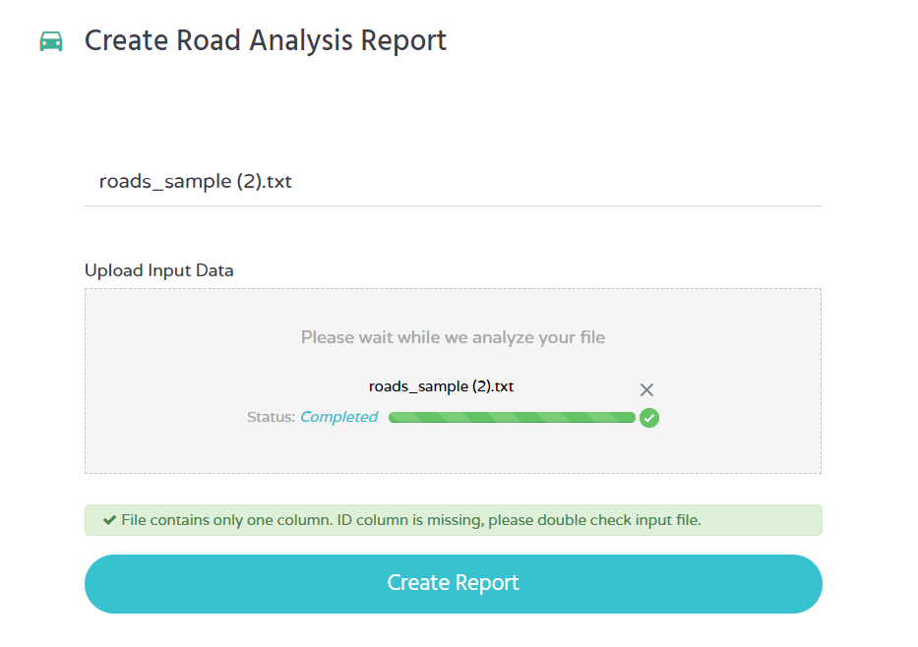 | Windows 10, Chrome Version 114.0.5735.91 Edge Version 113.0.1774.57 | Minor | Low
Bug_002 | Lejla | 03.06.2023. | After trying to upload the sample file without headers the message File contains only header. is shown above Create Report button even though the headers are missing in the file. | 1. Click on the Browse button on the Create Road Analysis page 2. Choose the file that does not contain headers and upload it 3. Wait until the alert message Header(s) missing: ID, STREET, THE_GEOM. is shown | 1. Pop-up window for file exploring has appeared 2. The sample file is not uploaded 3. The message Header(s) missing: ID, STREET, THE_GEOM. is shown above Create Report button 4. Create Report button is unclickable 5. Report is not created and is not diplayed on the Reports page | 1. Pop-up window for file exploring has appeared 2. The sample file is not uploaded 3. The message File contains only header. is shown above Create Report button 4. Create Report button is unclickable 5. Report is not created and is not diplayed on the Reports page | 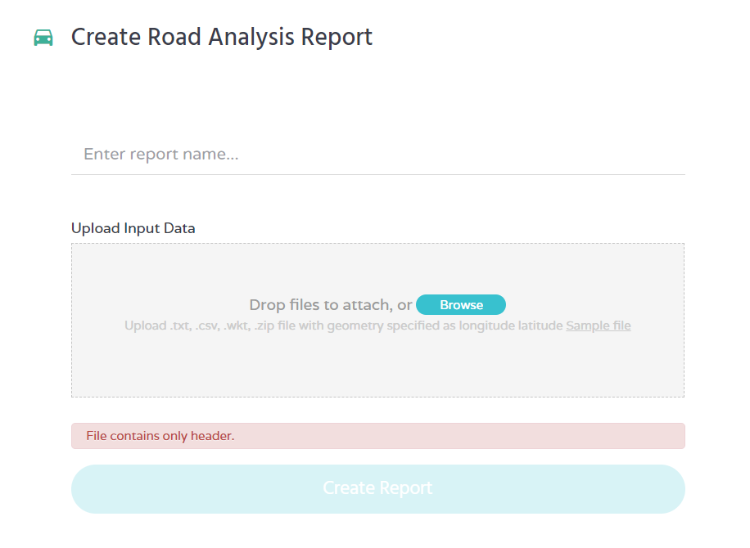 | Windows 10, Chrome Version 114.0.5735.91 Edge Version 113.0.1774.57 | Minor | Low
Bug_003 | Lejla | 03.06.2023. | When the user is trying to upload the sample file where the first row is |THE_GEOM header and in the second row are provided data for ID, STREET and THE_GEOM, the file starts uploading but then message Delimiter is not recognized. Please, provide one. shows up. After five attemts of trying to provide delimiter, file is still running and alert message is changed to File could not be parsed using the delimiter you provided: |. | 1. Click on the Browse button on the Create Road Analysis page 2. Choose the file that does not contain headers and upload it 3. Wait until the alert message Header(s) missing: ID, STREET. is shown | 1. Pop-up window for file exploring has appeared 2. The sample file is not uploaded 3. The message Mandatory header(s) missing: ID, STREET is shown above Create Report button 4. Create Report button is unclickable | 1. Pop-up window for file exploring has appeared 2. The sample file is running 3. Status Running is shown 4. The message Delimiter is not recognized. Please, provide one. is shown above Create Report button 5. Delimiter field for providing delimiter is displayed 6. After providing delimiter by entering it in delimiter field and clicking on Try this one button, the alert message File could not be parsed using the delimiter you provided: |. is displayed. 7. After a five attempts the file is still running | 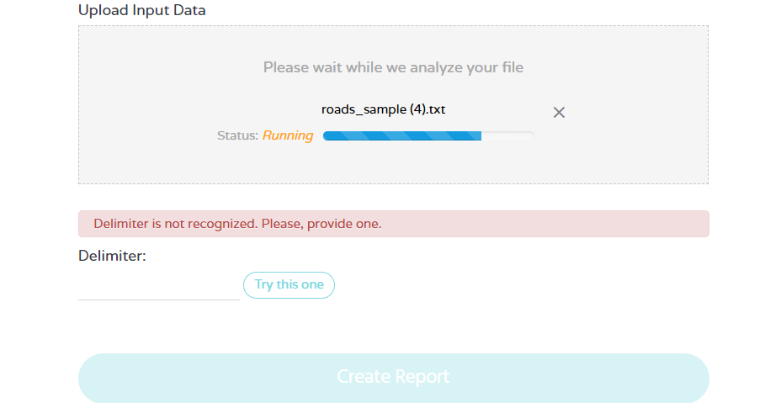 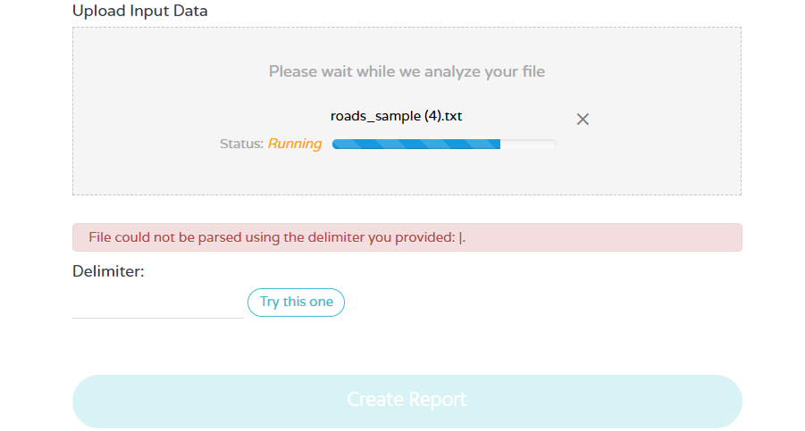 | Windows 10, Chrome Version 114.0.5735.91 Edge Version 113.0.1774.57 | Moderate | Medium

