Market Study
Market Study
Rents are RR asking rent for AVEN. AVEN data from RR, comp data from ApartmentIQ.
One Bedroom
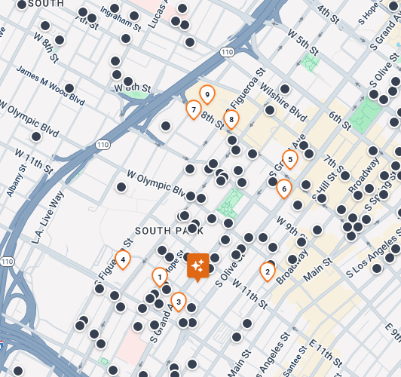
Property | Floor Plan | Unit Count | Sqft | Rent | PSF | Broker Market | Last 5 Leases | AMC Pro Forma
AVEN | CA01B1 | 23 | 460 | $2,624 | $5.70 | $2,559 | $2,477 | $2,575.00
G12 Apartments | s11 | 1 | 725 | $2,195 | $3.03
Eighth and Grand | Jr 1P | 4 | 734 | $2,426 | $3.31

One Bedroom
Property | Floor Plan | Unit Count | Sqft | Rent | PSF | Broker Market | Last 5 Leases | AMC Pro Forma
Hope + Flower | B1 | 8 | 540 |  | $-
Hope + Flower | B2 | 2 | 558 | $2,412 | $4.32
Atelier Apartments | 1A | 33 | 559 | $3,092 | $5.53
Olympic + Hill | Plan A2 | 39 | 590 | $2,759 | $4.68
Olympic + Hill | Plan B7a | 1 | 590 |  | $-
The Beaudry | 1B | 49 | 594 | $3,421 | $5.76
Olympic + Hill | Plan SKY3 | 8 | 598 | $3,467 | $5.80
Hope + Flower | B4 | 26 | 599 | $2,872 | $4.79
Hope + Flower | B5 | 19 | 602 | $2,743 | $4.56
Olympic + Hill | Plan SKY4 | 8 | 602 | $3,454 | $5.74
Olympic + Hill | Plan B1 | 42 | 607 | $3,216 | $5.30
Figueroa Eight | A1 | 16 | 608 | $3,101 | $5.10
Hope + Flower | B6 | 25 | 609 | $2,792 | $4.58
AVEN | CA01C1 | 69 | 610 | $2,706 | $4.44 | $2,682 | $2,552 | $2,700
Olympic + Hill | Plan B6 | 1 | 612 | $4,080 | $6.67
G12 Apartments | a1 | 20 | 613 |  | $-
Eighth and Grand | 1F | 9 | 618 | $2,326 | $3.76
Hope + Flower | B9 | 25 | 618 | $2,839 | $4.59
Hope + Flower | B11 | 24 | 621 | $3,082 | $4.96
Atelier Apartments | 1B | 29 | 622 | $3,359 | $5.40
Hope + Flower | B12 | 26 | 622 | $2,825 | $4.54
Olympic + Hill | Plan B2 | 36 | 623 | $3,217 | $5.16
Circa | A | 9 | 627 |  | $-
The Beaudry | 1C | 28 | 627 | $3,342 | $5.33
AVEN | CA01C2 | 70 | 630 | $3,098 | $4.92 | $3,205 | $2,948 | $3,100
Hope + Flower | B16 | 25 | 635 | $2,951 | $4.65 |  |  |  | Property | Location | Finishes | Overall | Notes
The Beaudry | 1D | 35 | 636 | $3,660 | $5.75 |  |  |  | 1. Hope + Flower | Superior | Neutral | High | Strong location and solid finishes, but inferior amenity package
Olympic + Hill | Plan B | 31 | 637 | $3,470 | $5.45 |  |  |  | 2. Olympic + Hill | Inferior | Superior | Mid | High-end finishes, but less vibrant location
Olympic + Hill | Plan Ba | 27 | 637 | $3,310 | $5.20 |  |  |  | 3. G12 Apartments | Neutral | Neutral | Mid-low | Not a true comp, but included based on location, value alternative
Eighth and Grand | Jr 1G | 9 | 639 | $2,461 | $3.85 |  |  |  | 4. Circa | Neutral | Superior | Very High | Largest units, prime views, but location can be heavily impacted by events
Olympic + Hill | Plan B5 | 42 | 643 | $3,022 | $4.70 |  |  |  | 5. Eighth & Grand | Superior | Neutral | High | Whole foods anchor keeps this relevant, and great location, but older, and mid-rise
Olympic + Hill | Plan B3 | 5 | 647 | $2,894 | $4.47 |  |  |  | 6. Atelier Apartments | Superior | Inferior | Mid | Gret location, but showing age vs newer high rises
Hope + Flower | B18 | 19 | 658 | $3,089 | $4.69 |  |  |  | 7. THEA at Metropolis | Neutral | Neutral | Neutral | THEA has more panache and has a great deck, however I think AVEN's location is better being farther from the 110
Olympic + Hill | Plan B4 | 35 | 660 | $3,029 | $4.59 |  |  |  | 8. Figueroa Eight | Inferior | Superior | Mid-High | High end finishes, but freeway proximity may deter some. Argumable the best high rise in the set
Hope + Flower | B20 | 1 | 662 | $2,908 | $4.39 |  |  |  | 9. The Beaudry | Inferior | Superior | Mid-High | Direct comp with Fig 8, weaker walkability to neighborhood amenites vs south aprk core.
Hope + Flower | B21 | 17 | 670 | $3,097 | $4.62
Atelier Apartments | 1D | 62 | 685 | $4,014 | $5.86
Atelier Apartments | 1C | 29 | 685 | $3,794 | $5.54 |  |  |  | Rent Roll Summary
Circa | E | 9 | 685 | $3,410 | $4.98 |  |  |  | Unit Type | Bath | Net sf | # Units | % | Occupied | Vacant | Non-Rev | Occupied | Vacant | Non-Rev | Market Rent | Market Rent | In-Place Rent | % of Market Rent
Hope + Flower | B22 | 13 | 686 | $3,094 | $4.51 |  |  |  | Studio |  | 460 | 23 | 4.29% | 20 | 3 | - | 86.96% | 13.04% | 0.00% | 2,646 | 2,624 | 2,469 | 94.11%
AVEN | CA01C3 | 72 | 690 | $3,056 | $4.43 | $3,066 | $2,990 | $3,025 | 1 Bed |  | 709 | 371 | 69.22% | 349 | 20 | 2 | 94.07% | 5.39% | 0.54% | 3,108 | 3,099 | 3,004 | 96.93%
Hope + Flower | B23 | 58 | 692 | $2,947 | $4.26 |  |  |  | 2 Bed |  | 1,038 | 141 | 26.31% | 118 | 22 | 1 | 83.69% | 15.60% | 0.71% | 4,413 | 4,400 | 4,208 | 95.65%
Hope + Flower | B24 | 18 | 694 | $3,152 | $4.54 |  |  |  | 3 Bed |  | 2,980 | 1 | 0.19% | 1 | - | - | 100.00% | 0.00% | 0.00% | 15,757 | 15,757 | 15,415 | 97.83%
Figueroa Eight | A3 | 78 | 698 | $4,305 | $6.17 |  |  |  | Total / Average |  | 789 | 536 | 100.00% | 488 | 45 | 3 | 91.04% | 8.40% | 0.56% | 3,455 | 3,420 | 3,299 | 96.45%
Eighth and Grand | Jr 1H | 6 | 701 | $2,311 | $3.30
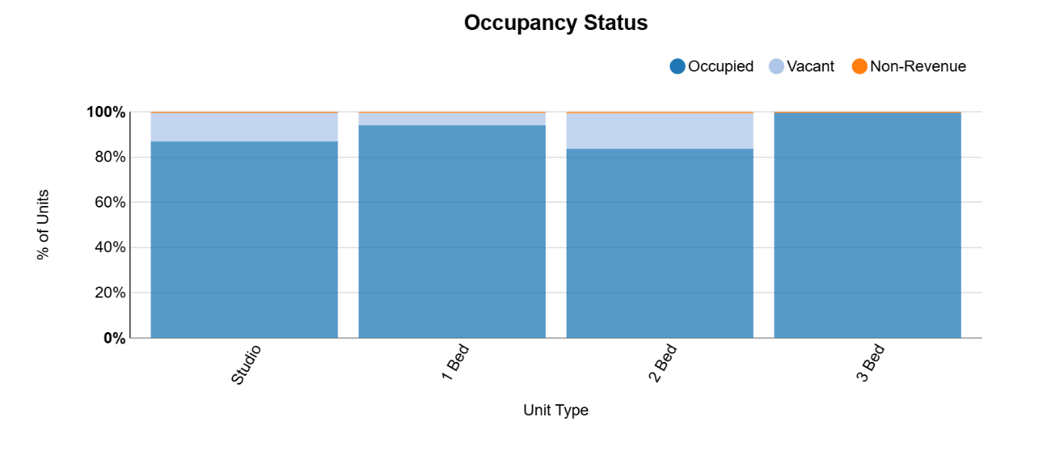
Hope + Flower | B25 | 1 | 702 | $3,204 | $4.56
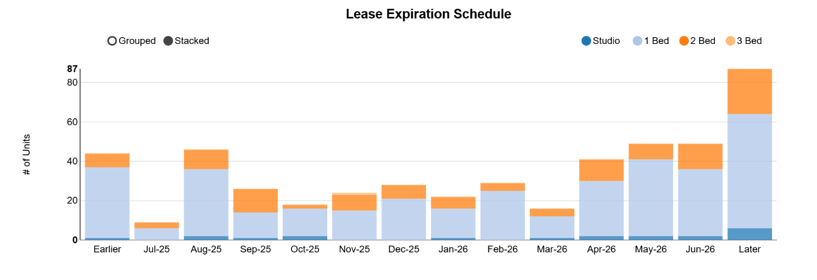
Figueroa Eight | A4 | 54 | 703 | $3,428 | $4.88
AVEN | CA01C4 | 4 | 710 | $2,824 | $3.98 | $2,599 | $2,547 | $2,700
Eighth and Grand | Jr 1K w/ Balcony | 23 | 713 | $2,641 | $3.70
Figueroa Eight | A4.1 | 5 | 719 | $3,280 | $4.56
Eighth and Grand | Jr 1P | 4 | 734 | $2,426 | $3.31
Circa | C | 28 | 745 | $3,332 | $4.47
AVEN | CA01C5 | 23 | 750 | $3,186 | $4.25 | $2,954 | $2,937 | $3,125
Eighth and Grand | Jr 1R | 41 | 762 | $2,651 | $3.48
Circa | B | 38 | 763 | $3,478 | $4.56
Olympic + Hill | Plan C1 | 13 | 763 | $3,723 | $4.88
Circa | D | 28 | 770 | $3,428 | $4.45
Figueroa Eight | A5 | 24 | 776 | $3,426 | $4.41
Eighth and Grand | Jr 1U | 75 | 777 | $2,621 | $3.37
Atelier Apartments | 1E | 67 | 778 | $3,801 | $4.89
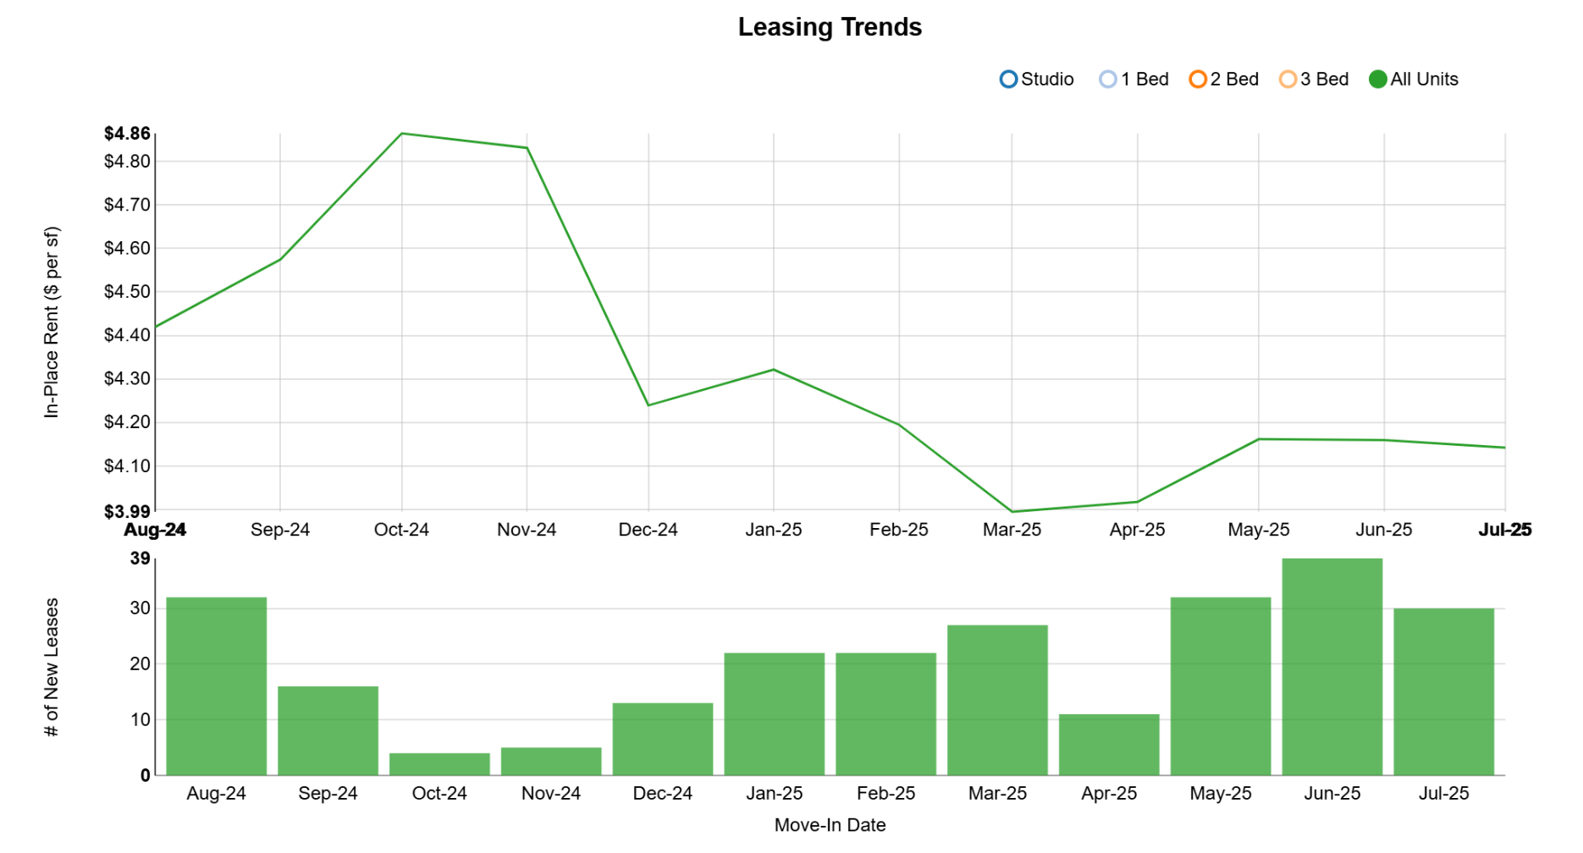
Eighth and Grand | 1W | 28 | 779 | $2,706 | $3.47
Hope + Flower | C | 18 | 789 | $3,378 | $4.28
AVEN | CA01C6 | 6 | 790 | $3,398 | $4.30 | $3,504 | $3,373 | $3,525
Figueroa Eight | A6 | 19 | 790 | $3,600 | $4.56
Eighth and Grand | Jr 1X | 4 | 791 | $2,566 | $3.24
AVEN | CA01C7 | 72 | 800 | $3,369 | $4.21 | $3,544 | $3,233 | $3,575
Eighth and Grand | Jr 1AA w/ Balcony | 6 | 802 | $2,746 | $3.42
The Beaudry | 1E | 31 | 802 | $4,021 | $5.01
Figueroa Eight | A7 | 21 | 803 | $4,370 | $5.44
AVEN | CA01C8 | 54 | 810 | $3,295 | $4.07 | $3,345 | $3,231 | $3,400
G12 Apartments | AL2 | 3 | 811 | $2,650 | $3.27
The Beaudry | 1F | 14 | 817 | $4,755 | $5.82
The Beaudry | 1G | 24 | 818 | $4,584 | $5.60
THEA At Metropolis | 1-A2 | 42 | 822 | $3,462 | $4.21
Atelier Apartments | 1F | 10 | 829 | $4,231 | $5.10
THEA At Metropolis | 1-A3 | 48 | 837 | $3,928 | $4.69
The Beaudry | 1H | 14 | 837.5 | $4,945 | $5.90
Eighth and Grand | Jr 1AD | 21 | 840 | $2,736 | $3.26
THEA At Metropolis | 1-B1 | 50 | 855 | $4,017 | $4.70
The Beaudry | 1J | 52 | 860 | $5,709 | $6.64
Eighth and Grand | Jr 1AE w/ Balcony | 9 | 864 | $2,706 | $3.13
Circa | H | 19 | 868 | $3,213 | $3.70
The Beaudry | 1K | 24 | 868 | $4,640 | $5.35
Figueroa Eight | A8 | 68 | 873 | $4,725 | $5.41
The Beaudry | 1L | 14 | 875 | $4,089 | $4.67
AVEN | CA01C9 | 1 | 880 | $4,100 | $4.66 | $4,046 | $4,100 | $4,100
Eighth and Grand | Jr 1AF | 28 | 880 | $2,721 | $3.09
The Beaudry | 1M | 17 | 882 | $4,990 | $5.66
Figueroa Eight | A8.1 | 5 | 888 | $4,523 | $5.09
The Beaudry | 1N | 3 | 891 |  | $-
The Beaudry | 1P | 10 | 908 | $5,677 | $6.25
The Beaudry | 1Q | 7 | 915 | $4,580 | $5.00
Circa | I | 56 | 923 | $3,693 | $4.00
Circa | J | 75 | 927 | $3,626 | $3.91
 | 1T | 52 | 939 | $4,780 | $5.09

Two Bedroom
Property | Floor Plan | Unit Count | Sqft | Rent | PSF | Broker Market | Last 5 Leases | AMC Pro Forma
G12 Apartments | b1 | 3 | 768 | $3,492 | $4.55
Hope + Flower | D | 4 | 801 | $3,660 | $4.57
G12 Apartments | b2 | 2 | 839 | $3,300 | $3.93
Olympic + Hill | Plan Da | 35 | 862 | $3,817 | $4.43
Olympic + Hill | Plan D | 24 | 862 | $3,689 | $4.28
Hope + Flower | D1 | 4 | 881 | $3,736 | $4.24
Eighth and Grand | 2A w/ Balcony | 2 | 905 | $3,183 | $3.52
AVEN | CA01F1 | 63 | 910 | $3,829 | $4.21 | $3,790 | $3,496 | $3,825
AVEN | CA01F2 | 1 | 980 | $3,298 | $3.37 | $3,313 | $3,186 | $3,250
G12 Apartments | b5 | 5 | 993 | $3,631 | $3.66
Hope + Flower | D9 | 26 | 995 |  | $-
Hope + Flower | D14 | 28 | 1028 |  | $-
Hope + Flower | D15 | 18 | 1032 | $4,155 | $4.03
Olympic + Hill | Plan E3 | 42 | 1040 | $4,408 | $4.24
Atelier Apartments | 2B | 14 | 1043 | $5,284 | $5.07
Olympic + Hill | Plan E2 | 36 | 1043 | $4,503 | $4.32
Olympic + Hill | Plan E | 34 | 1044 | $5,261 | $5.04
Olympic + Hill | Plan TH2 | 4 | 1047 | $5,308 | $5.07
AVEN | CA01F3 | 5 | 1050 | $4,601 | $4.38 | $4,591 | $4,414 | $4,625
Olympic + Hill | Plan E1 | 32 | 1058 | $5,568 | $5.26
Atelier Apartments | 2C | 19 | 1092 | $4,505 | $4.13
Eighth and Grand | 2G | 2 | 1099 | $4,098 | $3.73
Eighth and Grand | 2H w/ Balcony | 4 | 1100 | $3,918 | $3.56
Eighth and Grand | 2J | 11 | 1109 | $3,841 | $3.46
AVEN | CA01F4 | 70 | 1110 | $4,649 | $4.19 | $4,728 | $4,132 | $4,750
Atelier Apartments | 2D | 5 | 1119 | $6,019 | $5.38
Atelier Apartments | 2E | 5 | 1122 | $6,315 | $5.63
Atelier Apartments | 2F | 10 | 1155 | $5,134 | $4.45
Olympic + Hill | Plan TH3 | 1 | 1170 | $5,415 | $4.63
THEA At Metropolis | 2-A1 | 48 | 1170 | $5,100 | $4.36
The Beaudry | 2B | 17 | 1172 | $4,675 | $3.99
Eighth and Grand | 2M w/ Balcony | 2 | 1186 | $4,118 | $3.47
The Beaudry | 2C | 24 | 1192 | $5,295 | $4.44
The Beaudry | 2D | 24 | 1192 | $5,620 | $4.71
Atelier Apartments | 2G | 5 | 1198 | $7,251 | $6.05
The Beaudry | 2E | 77 | 1200 | $5,990 | $4.99
Figueroa Eight | B1 | 59 | 1211 | $6,143 | $5.07
The Beaudry | 2F | 10 | 1230 | $6,215 | $5.05
Olympic + Hill | Plan SKY1 | 7 | 1243 | $6,565 | $5.28
Eighth and Grand | 2Q w/ Balcony | 4 | 1275 |  | $-
Eighth and Grand | 2R | 4 | 1278 | $4,223 | $3.30
Circa | M | 56 | 1285 | $5,271 | $4.10
Figueroa Eight | B2 | 2 | 1286 | $8,900 | $6.92
Hope + Flower | Sky Home F1 | 1 | 1317 | $6,120 | $4.65
Figueroa Eight | B4 | 2 | 1322 | $8,900 | $6.73
THEA At Metropolis | 2-B1 | 31 | 1323 | $5,247 | $3.97
Circa | PH-B | 28 | 1338 | $6,237 | $4.66
THEA At Metropolis | 2-B1.1 | 14 | 1343 | $4,997 | $3.72
THEA At Metropolis | 2-B1-L | 4 | 1343 | $5,154 | $3.84
THEA At Metropolis | 2-D1-Y | 12 | 1344 | $5,698 | $4.24
THEA At Metropolis | 2-D1-L | 2 | 1344 | $4,763 | $3.54
The Beaudry | 2G | 7 | 1358 | $7,145 | $5.26
Hope + Flower | Sky Home F2 | 1 | 1367 | $6,332 | $4.63
Atelier Apartments | 2J | 5 | 1377 | $6,326 | $4.59
Hope + Flower | Sky Home F3 | 1 | 1462 | $6,192 | $4.24
Circa | L | 28 | 1463 | $5,563 | $3.80
Hope + Flower | Sky Home F4 | 1 | 1469 | $5,663 | $3.86
The Beaudry | 2H | 10 | 1497 | $7,700 | $5.14
Atelier Apartments | 2M | 14 | 1514 | $7,370 | $4.87
Circa | PH-A | 19 | 1524 | $6,815 | $4.47
The Beaudry | 2J | 10 | 1531 | $7,155 | $4.67
THEA At Metropolis | 2-B3 | 49 | 1602 | $6,429 | $4.01
THEA At Metropolis | 2-C1 | 43 | 1655 | $6,586 | $3.98
Circa | F | 38 | 1762 | $6,114 | $3.47
Circa | G | 47 | 1898 | $6,594 | $3.47
Circa | PH-F | 19 | 2087 | $8,778 | $4.21
AVEN | CA01FL1 (PH) | 1 | 2210 | $11,011 | $4.98 | $11,218 | $11,009 | $11,250
Circa | PH-C | 38 | 2288 | $8,620 | $3.77
AVEN | CA01FL2 (PH) | 1 | 2930 | $18,182 | $6.21 | $14,694 | $14,250 | $14,500

Three Bedroom
Property | Floor Plan | Unit Count | Sqft | Rent | PSF | Broker Market | Last 5 Leases | AMC Pro Forma
Olympic + Hill | Plan TH1 | 1 | 1212 | $6,297 | $5.20
Olympic + Hill | Plan SKY6 | 1 | 1514 | $7,392 | $4.88
Hope + Flower | Sky Home G6 | 1 | 1604 | $7,582 | $4.73
Olympic + Hill | Plan SKY6a | 5 | 1606 | $8,705 | $5.42
Hope + Flower | Sky Home G7 | 1 | 1611 | $7,087 | $4.40
THEA At Metropolis | 3-A1 | 32 | 1626 | $6,038 | $3.71
Olympic + Hill | Plan SKY2 | 8 | 1672 | $8,665 | $5.18
Olympic + Hill | Plan SKY10 | 8 | 1682 | $8,345 | $4.96
Olympic + Hill | Plan SKY7 | 8 | 1709 | $7,642 | $4.47
Atelier Apartments | 3A | 5 | 1731 | $10,669 | $6.16
The Beaudry | 3A | 24 | 1734 | $9,784 | $5.64
Olympic + Hill | Plan SKY5 | 8 | 1802 | $9,247 | $5.13
Atelier Apartments | 3B | 5 | 1846 | $11,467 | $6.21
THEA At Metropolis | 3-C3 | 1 | 2571 | $15,500 | $6.03
Hope + Flower | PH - 1 | 1 | 2676 | $14,300 | $5.34
THEA At Metropolis | 3-C2 | 2 | 2834 | $16,300 | $5.75
Circa | PH-E | 47 | 2878 | $15,346 | $5.33
AVEN | CA01GL3 (PH) | 1 | 2980 | $15,757 | $5.29 | $15,803 | $15,415 | $15,500
Circa | PH-D | 47 | 3842 | $22,198 | $5.78

