N1
Neoverse N1 pipelines

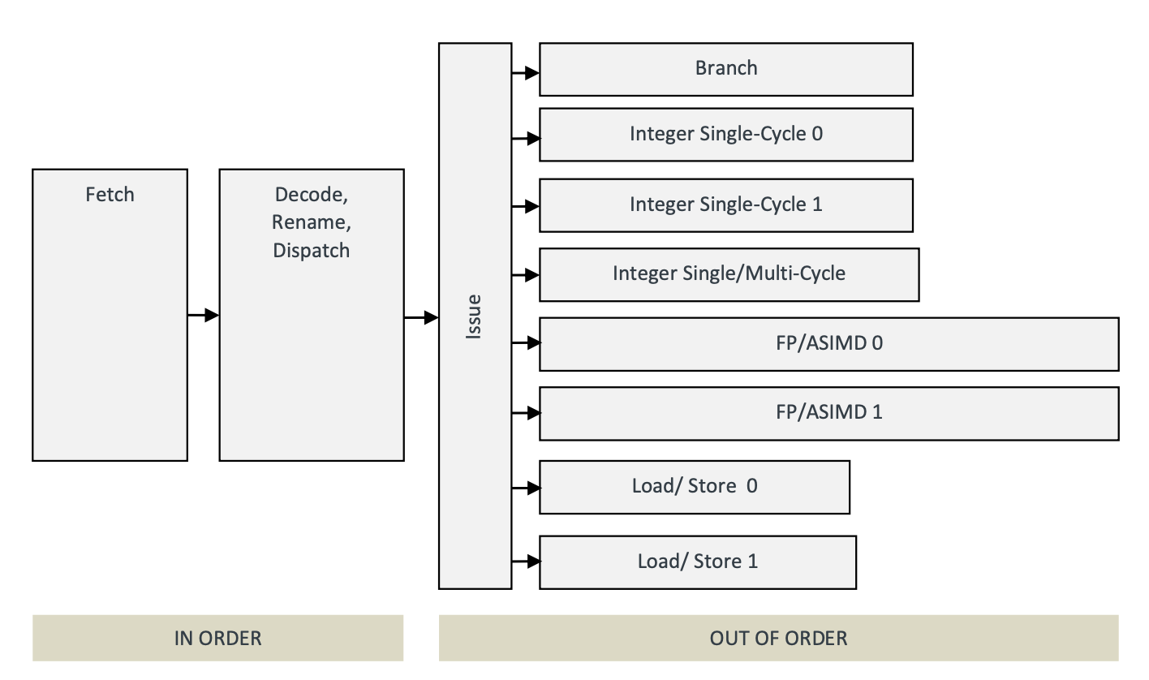
Instruction groups | Instructions
Branch | Branch µOPs
Integer Single-Cycle 0/1 | Integer ALU µOps
Integer Single/Multi-cycle 0/1 | Integer shift-ALU, multiply, divide, CRC and sum-of-absolute-differences µOPs
Load/Store Address Generation 0/1 | Load, Store address generation and special memory µOPs
FP/ASIMD-0 | ASIMD ALU, ASIMD misc, ASIMD integer multiply, FP convert, FP misc, FP add, FP multiply, FP divide, FP sqrt, crypto µOPs, store data µOPs
FP/ASIMD-1 | ASIMD ALU, ASIMD misc, FP misc, FP add, FP multiply, ASIMD shift µOPs, store data µOPs, crypto µOPs.

Pipeline name | Symbol
Branch | B
Integer single cycle 0/1 | S
Integer single cycle 0/1 and single/multicycle | I
Integer single/multicycle | M
Integer single Cycle 1 and Integer multicycle | D
Load/Store 0/1 | L
FP/ASIMD 0/1 | V
FP/ASIMD 0 | V0
FP/ASIMD 1 | V1

N2
Neoverse N2 pipelines

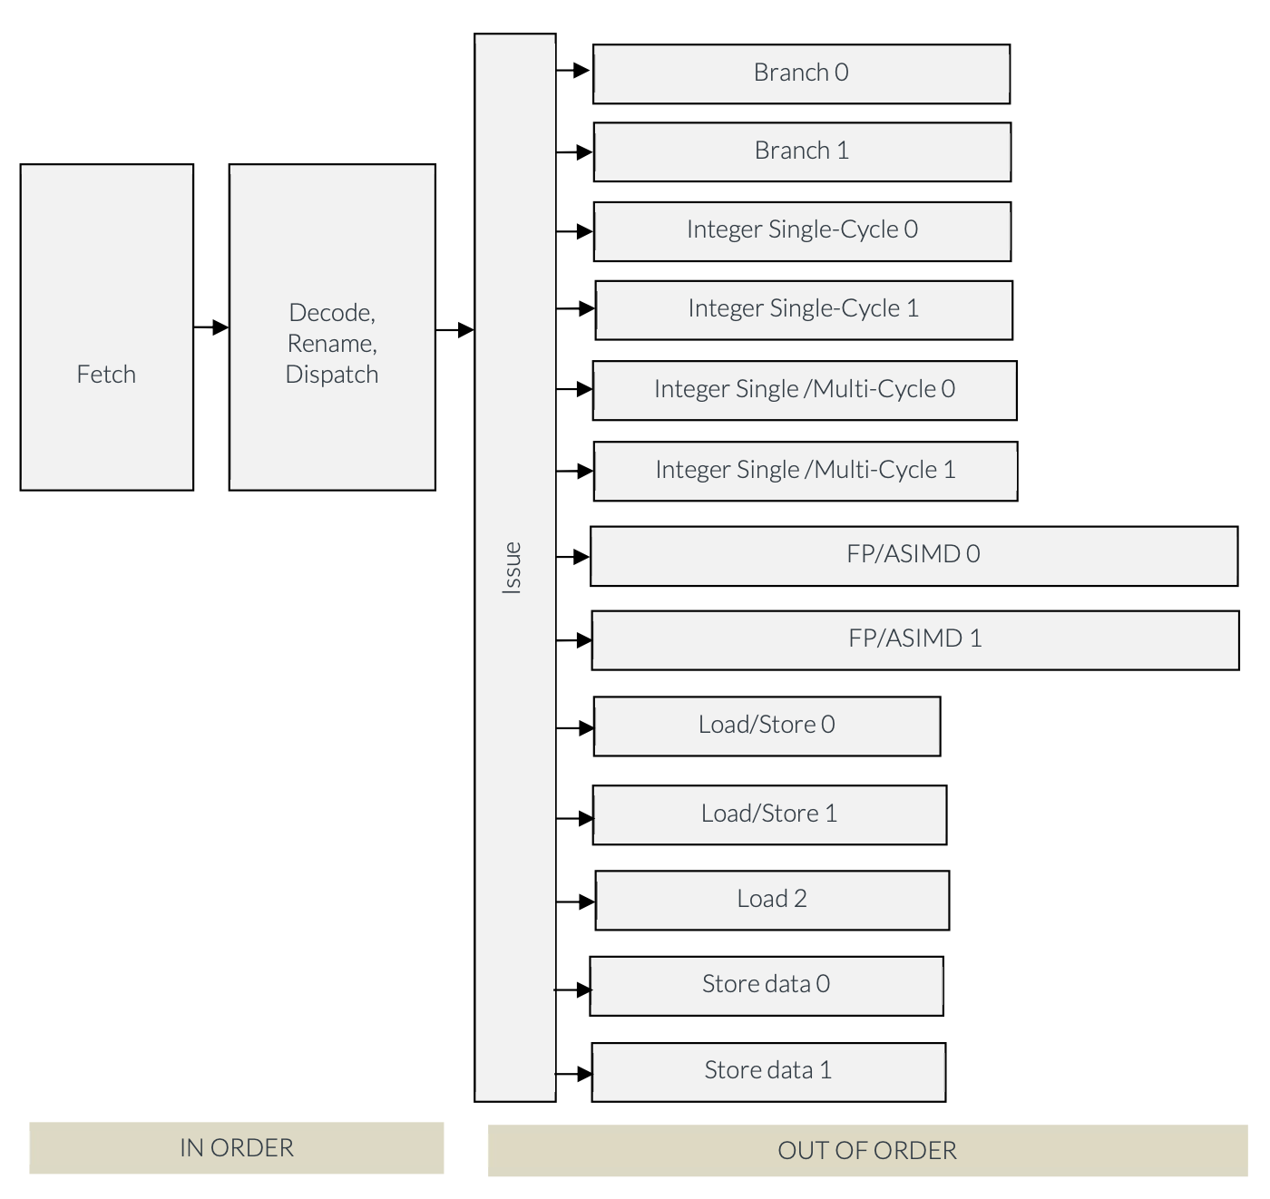

Instruction groups | Instructions
Branch 0/1 | Branch µOPs
Integer Single-Cycle 0/1 | Integer ALU µOps
Integer Single/Multi-cycle 0/1 | Integer shift-ALU, multiply, divide, CRC and sum-of-absolute-differences µOPs
Load/Store 0/1 | Load, Store address generation and special memory µOPs
Load 2 | Load µOPs
Store data 0/1 | Store data µOPs
FP/ASIMD-0 | ASIMD ALU, ASIMD misc, ASIMD integer multiply, FP convert, FP misc, FP add, FP multiply, FP divide, FP sqrt, crypto µOPs, store data µOPs
FP/ASIMD-1 | ASIMD ALU, ASIMD misc, FP misc, FP add, FP multiply, ASIMD shift µOPs, store data µOPs, crypto µOPs.

Pipeline name | Symbol
Branch 0/1 | B
Integer single cycle 0/1 | S
Integer single cycle 0/1 and single/multicycle 0/1 | I
Integer single/multicycle 0/1 | M
Integer multicycle 0 | M0
Load/Store 01 | L01
Load/Store 0/1 and Load 2 | L
Store data 0/1 | D
FP/ASIMD 0/1 | V
FP/ASIMD 0 | V0
FP/ASIMD 1 | V1

N3
Neoverse N3 pipelines

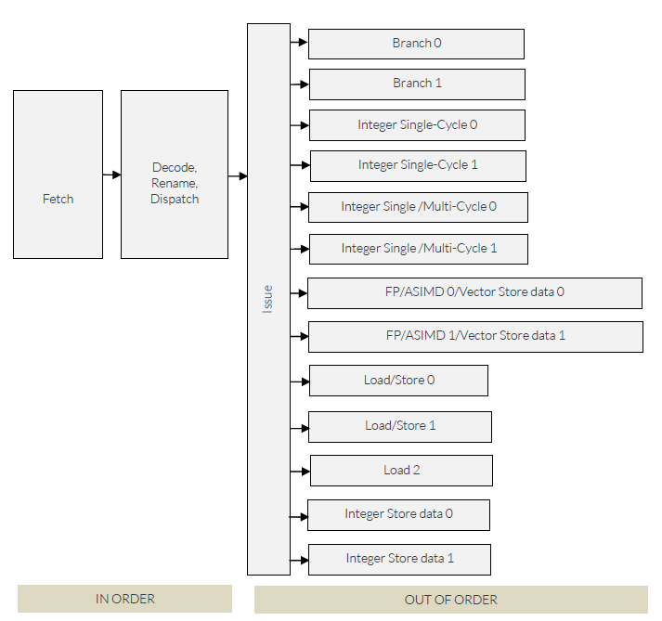

Instruction groups | Instructions
Branch 0/1 | Branch µOPs
Integer Single-Cycle 0/1 | Integer ALU µOps
Integer Single/Multi-cycle 0/1 | Integer shift-ALU, multiply, divide and CRC µOPs
Load/Store 0/1 | Load, Store address generation and special memory µOPs
Load 2 | Load µOPs
Integer Store data 0/1 | Integer Store data µOPs
FP/ASIMD-0/Vector Store data 0 | ASIMD ALU, ASIMD misc, ASIMD integer multiply, FP convert, FP misc, FP add, FP multiply, FP divide, FP sqrt, AES μOps, crypto μOPs, store data μOPs
FP/ASIMD-1/Vector Store data 1 | ASIMD ALU, ASIMD misc, FP misc, FP add, FP multiply, ASIMD shift μOPs, ASIMD reduction μOPs, AES μOPs., store data μOPs

Pipeline name | Symbol
Branch 0/1 | B
Integer single cycle 0/1 | S
Integer single cycle 0/1 and single/multicycle 0/1 | I
Integer single/multicycle 0/1 | M
Integer multicycle 0 | M0
Load/Store 01 | L01
Load/Store 0/1 and Load 2 | L
Integer Store data 0/1 | ID
FP/ASIMD/Vector Store data 0/1 | V
FP/ASIMD/Vector Store data 0 | V0
FP/ASIMD/Vector Store data 1 | V1

V1
Neoverse V1 pipelines

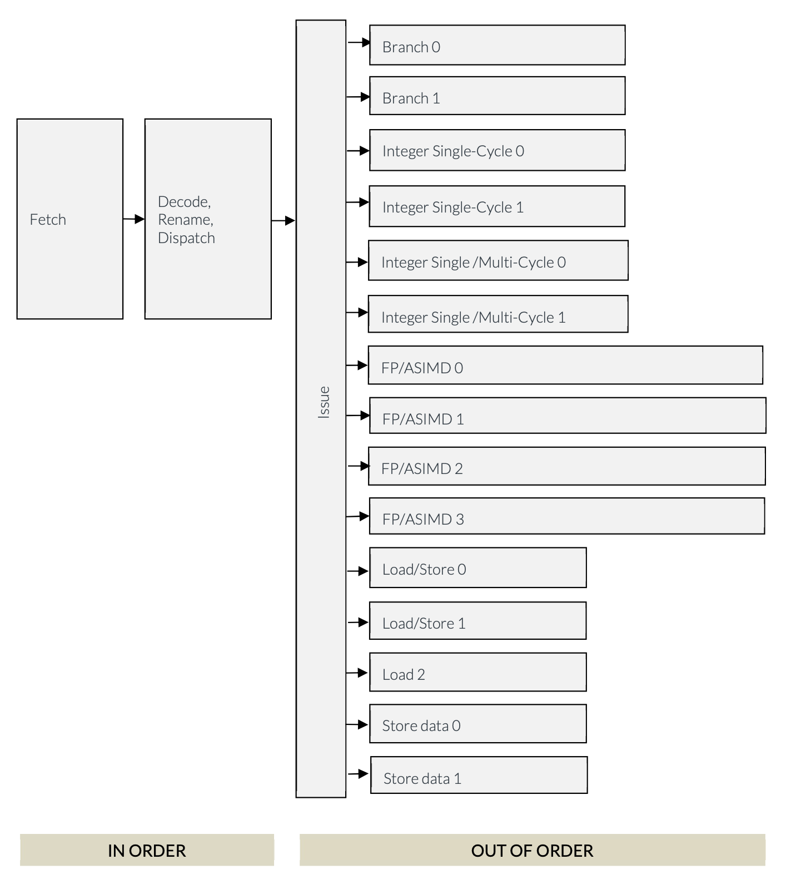

Instruction groups | Instructions
Branch 0/1 | Branch µOPs
Integer Single-Cycle 0/1 | Integer ALU µOps
Integer Single/Multi-cycle 0/1 | Integer shift-ALU, multiply, divide, CRC and sum-of-absolute-differences µOPs
Load/Store 0/1 | Load, Store address generation and special memory µOPs
Load 2 | Load µOPs
Store data 0/1 | Store data µOPs
FP/ASIMD-0 | ASIMD ALU, ASIMD misc, ASIMD integer multiply, FP convert, FP misc, FP add, FP multiply, FP divide, FP sqrt, crypto µOPs, store data µOPs
FP/ASIMD-1 | ASIMD ALU, ASIMD misc, FP misc, FP add, FP multiply, ASIMD shift µOPs, store data µOPs, crypto µOPs.
FP/ASIMD-2 | ASIMD ALU, ASIMD misc, ASIMD integer multiply, FP convert, FP misc, FP add, FP multiply, FP divide, FP sqrt, crypto µOPs.
FP/ASIMD-3 | ASIMD ALU, ASIMD misc, ASIMD integer multiply, FP convert, FP misc, FP add, FP multiply, FP divide, FP sqrt, crypto µOPs.

Pipeline name | Symbol
Branch 0/1 | B
Integer single cycle 0/1 | S
Integer single cycle 0/1 and single/multicycle 0/1 | I
Integer single/multicycle 0/1 | M
Integer multicycle 0 | M0
Load/Store 01 | L01
Load/Store 0/1 and Load 2 | L
Store data 0/1 | D
FP/ASIMD 0/1/2/3 | V
FP/ASIMD 0/1 | V01
FP/ASIMD 0/2 | V02
FP/ASIMD 1/3 | V13
FP/ASIMD 0 | V0
FP/ASIMD 1 | V1

V2
Neoverse V2 pipelines

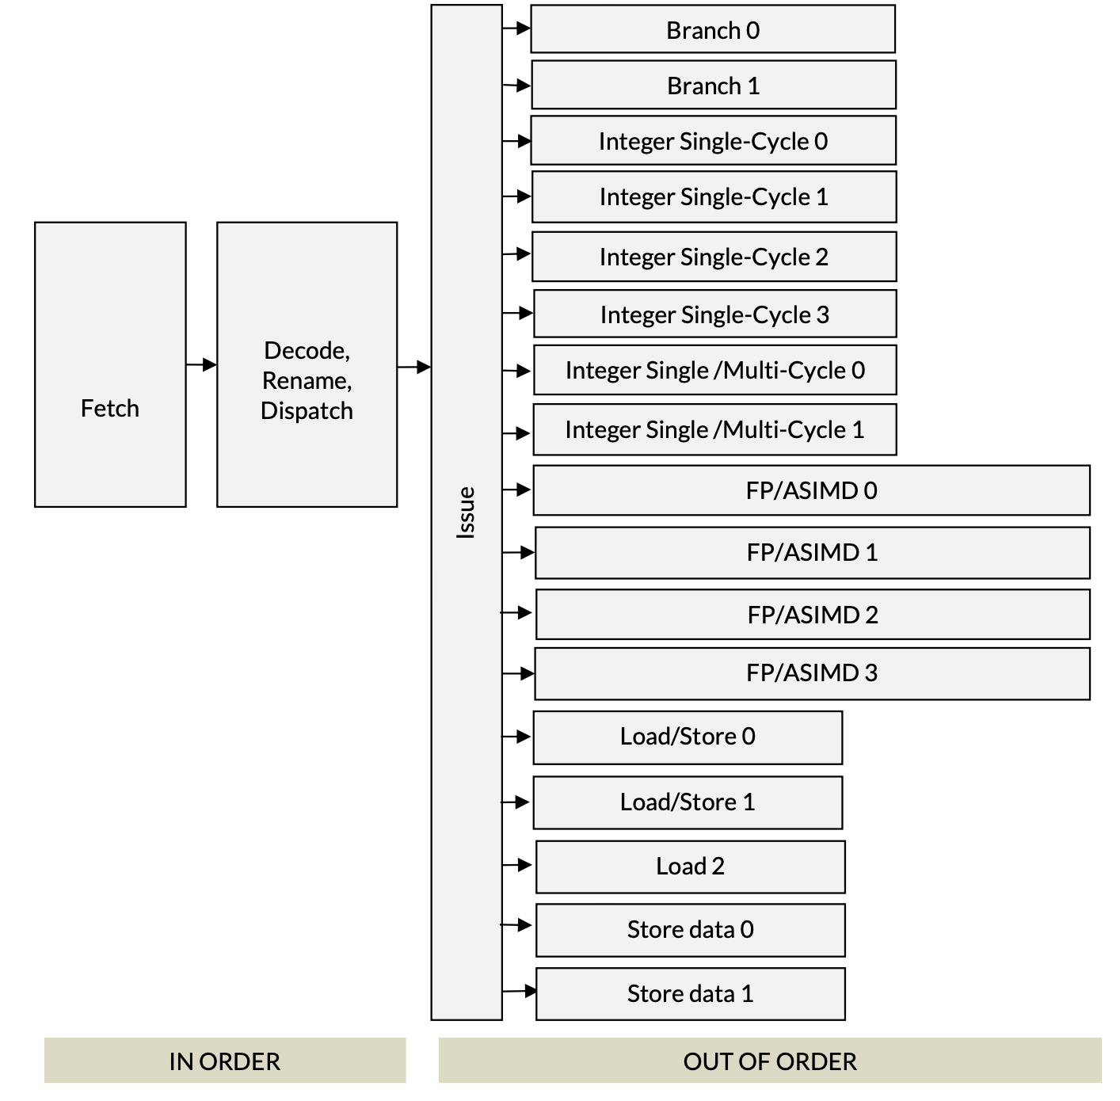

Instruction groups | Instructions
Branch 0/1 | Branch µOPs
Integer Single-Cycle 0/1 | Integer ALU µOps
Integer Single-Cycle 2/3 | Integer ALU µOPs that do not read PC or write flags
Integer Single/Multi-cycle 0/1 | Integer ALU, integer shift-ALU, multiply, divide, CRC µOPs
Load/Store 0/1 | Load, Store address generation and special memory µOPs
Load 2 | Load µOPs
Store data 0/1 | Store data µOPs
FP/ASIMD-0 | ASIMD ALU, ASIMD misc, ASIMD integer multiply, FP convert, FP misc, FP add, FP multiply, FP divide, FP sqrt, crypto µOPs, store data µOPs
FP/ASIMD-1 | ASIMD ALU, ASIMD misc, FP misc, FP add, FP multiply, ASIMD shift µOPs, store data µOPs, crypto µOPs.
FP/ASIMD-2 | ASIMD ALU, ASIMD misc, ASIMD integer multiply, FP convert, FP misc, FP add, FP multiply, FP divide, FP sqrt, crypto µOPs.
FP/ASIMD-3 | ASIMD ALU, ASIMD misc, FP misc, FP add, FP multiply, ASIMD shift µOPs, crypto µOPs

Pipeline name | Symbol
Branch 0/1 | B
Integer single cycle 0/1 | R
Integer single cycle 0/1/2/3 | S
Integer single cycle 0/1 and single/multicycle 0/1 | F
Integer single cycle 0/1/2/3 and single/multicycle 0/1 | I
Integer single/multicycle 0/1 | M
Integer multicycle 0 | M0
Load/Store 01 | L01
Load/Store 0/1 and Load 2 | L
Store data 0/1 | D
FP/ASIMD 0/1/2/3 | V
FP/ASIMD 0/1 | V01
FP/ASIMD 0/2 | V02
FP/ASIMD 1/3 | V13
FP/ASIMD 0 | V0
FP/ASIMD 1 | V1

V3
Neoverse V3 pipelines

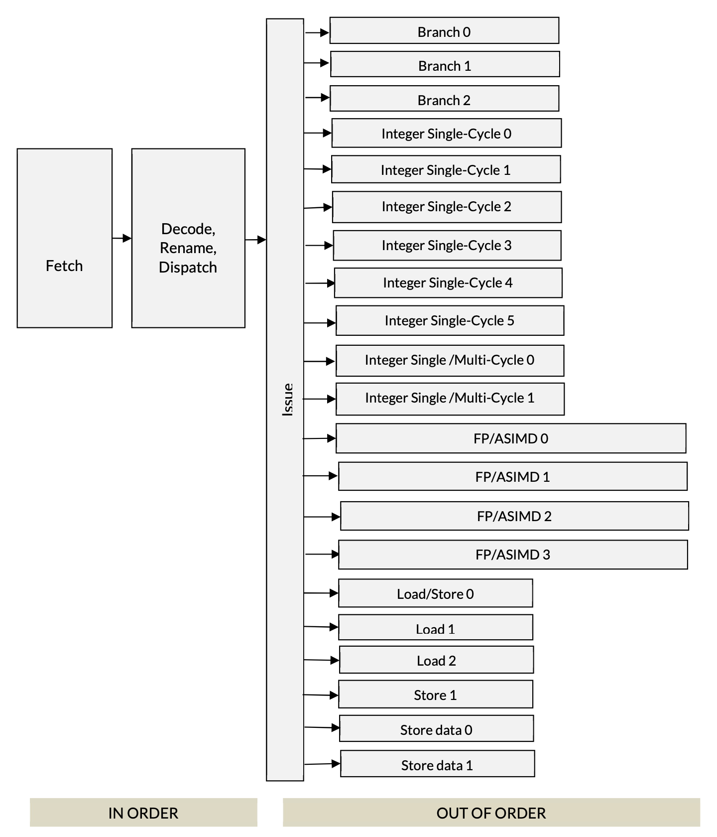

Instruction groups | Instructions
Branch 0/1/2 | Branch μOPs
Integer Single-Cycle 0/1/2/3/4/5 | Integer ALU μOps
Integer Single/Multicycle 0/1 | Integer ALU, integer shift-ALU, multiply, divide, CRC μOPs
Load/Store 0 | Load, Store address generation and special memory μOPs
Load 1/2 | Load μOPs
Store 1 | Store address generation μOPs
Store data 0/1 | Store data μOPs
FP/ASIMD-0 | ASIMD ALU, ASIMD misc, ASIMD integer multiply, FP convert, FP misc, FP add, FP multiply, FP divide, FP sqrt, crypto μOPs, store data μOPs
FP/ASIMD-1 | ASIMD ALU, ASIMD misc, FP misc, FP add, FP multiply, ASIMD shift μOPs, store data μOPs, crypto μOPs.
FP/ASIMD-2 | ASIMD ALU, ASIMD misc, ASIMD integer multiply, FP convert, FP misc, FP add, FP multiply, FP divide, FP sqrt, crypto μOPs.
FP/ASIMD-3 | ASIMD ALU, ASIMD misc, FP misc, FP add, FP multiply, ASIMD shift μOPs, crypto μOPs

Pipeline name | Symbol
Branch 0/1/2/3 | B
Integer single cycle 0/1/2/3/4/5 | S
Integer single cycle 0/1/2/3/4/5 and single/multicycle 0/1 | I
Integer single/multicycle 0/1 | M
Integer multicycle 0 | M0
Load/Store 0, Load 1/2 | L
Load/Store 0, Store 1 | SA
Store data 0/1 | D
FP/ASIMD 0/1/2/3 | V
FP/ASIMD 0/1 | V01
FP/ASIMD 0/2 | V02
FP/ASIMD 1/3 | V13
FP/ASIMD 0 | V0
FP/ASIMD 1 | V1
FP/ASIMD 2 | V2

