Food
Lemonade by Lemonica recipe (food)
Category | Name | Item | Amount | Method
Preparation | Whipped Cream | Double cream | 950g | 1. Add all ingredients into the mixer and mix thoroughly.
 |  | Granulated sugar | 190g | 2. Using a spatula, transfer the whipped cream into a piping bag.
 | Matcha Whipped Cream | Double cream | 950g | 1. Add all ingredients into the mixer and mix thoroughly.
 |  | Granulated sugar | 190g | 2. Using a spatula, transfer the whipped cream into a piping bag.
 |  | Matcha powder | 12g
 | Strawberry |  | 600g
 | White bread | Hovis soft white Thick | 1 pack
Category | Name | Storage | Life shelf | Method
Fruits Sandwich | 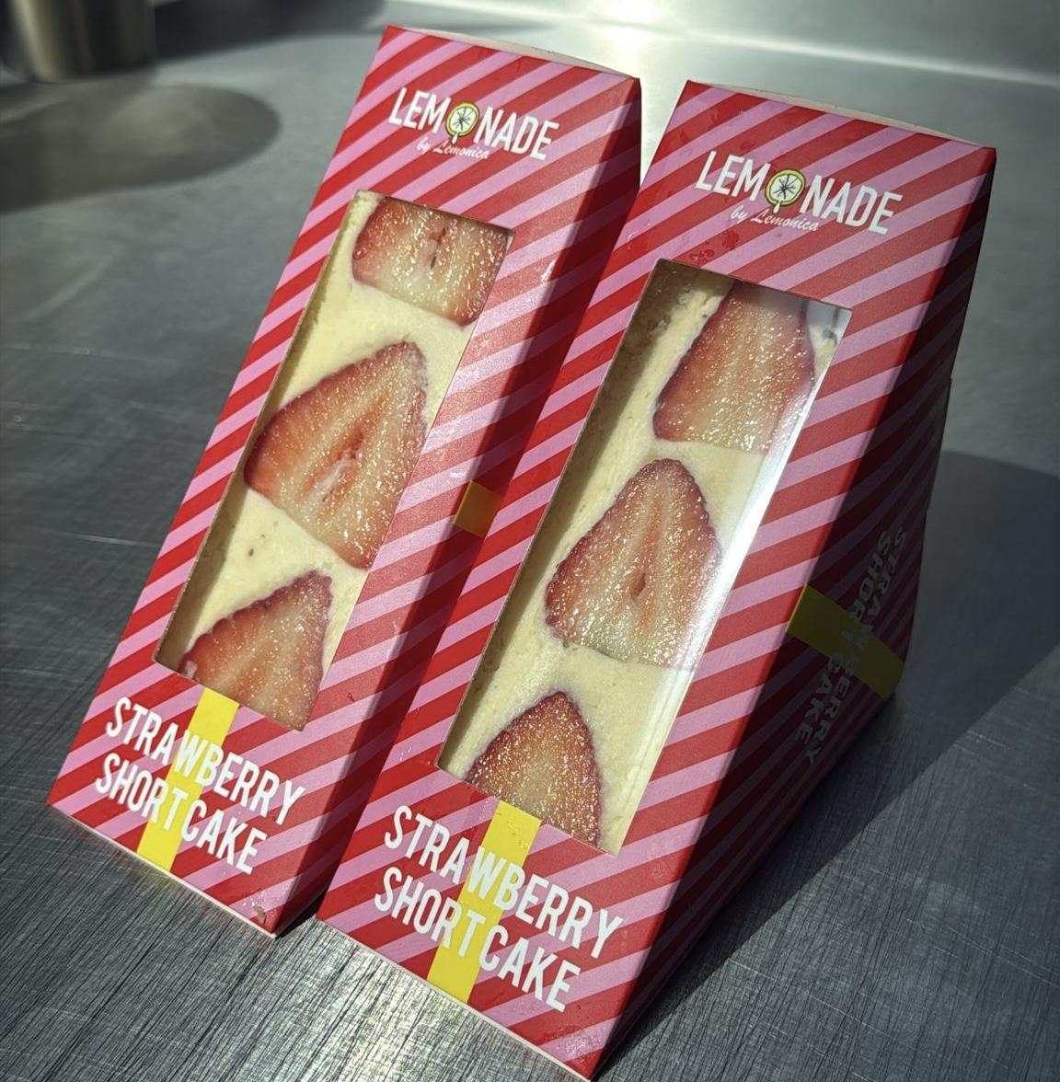 Strawberry Sandwich (Yield 12p) | Fridge | 48h | 1. Remove the stems from the strawberries and remove any dirt.
 |  |  |  | 2. Place the strawberries stem-side down to drain excess moisture.
 |  |  |  | 3. Cut off the top and bottom crust of the bread.
 |  |  |  | 4. Add 50g of whipped cream onto the bread.
 |  |  |  | 5. Place 3 large strawberries diagonally across the bread.
 |  |  |  | 6. Place 1 small strawberry on each opposite corner.
 |  |  |  | 7. Add 150g of whipped cream and fully cover the strawberries.
 |  |  |  | 8. Place the second bread slice on top, align straight, and flip the sandwich upside down.
 |  |  |  | 9. Store in the fridge for approximately 5–10 minutes to allow the cream to stabilise.
 |  |  |  | 10. Cut in half and pack properly.
 | 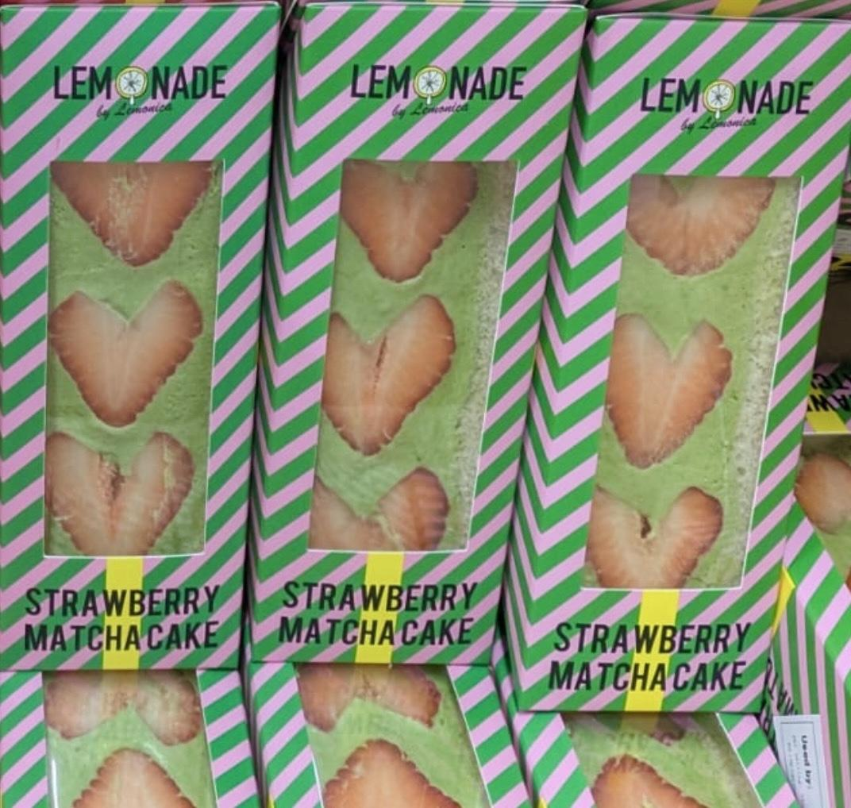 Strawberry Matcha Sandwich (Yield 12p) | Fridge | 48h | 1. Remove the stems from the strawberries and remove any dirt.
 |  |  |  | 2. Place the strawberries stem-side down to drain excess moisture.
 |  |  |  | 3. Cut off the top and bottom crust of the bread.
 |  |  |  | 4. Add 50g of matcha whipped cream onto the bread.
 |  |  |  | 5. Place 3 large strawberries diagonally across the bread.
 |  |  |  | 6. Place 1 small strawberry on each opposite corner.
 |  |  |  | 7. Add 150g of whipped cream and fully cover the strawberries.
 |  |  |  | 8. Place the second bread slice on top, align straight, and flip the sandwich upside down.
 |  |  |  | 9. Store in the fridge for approximately 5–10 minutes to allow the cream to stabilise.
 |  |  |  | 10. Cut in half and pack properly.
Category | Name | Item | Amount | Method
Preparation | Crepe Mixture (Total 2100-2200g) | McDougalls Pre-Sifted Plain Flour | 600g | 1. Mix all flour, salt, sugar, and matcha powder together.
 |  | Salt | 10g | 2. Mix the milk, water and eggs together.
 |  | Sugar | 160g | 3. Gradually add the powder mixture into the liquid mixture in 3 parts, mixing well until smooth with no lumps remaining.
 |  | Matcha powder | 40g | 4. Add sunflower oil and mix thoroughly.
 |  | Whole milk | 900g
 |  | Water | 180g
 |  | Egg | 4P
 |  | Sunflower oil | 20g
 | Crepe whipping cream | Double cream | 1500g | 1. Add all ingredients into the mixer and mix thoroughly.
 |  | Single cream | 500g | 2. Using a spatula, transfer the whipped cream into a piping bag.
 |  | Sugar | 160g
 | Matcha Honey | Matcha | 2g | 1. Mix all matcha and honey
 |  | Honey | 30g
Crepe | 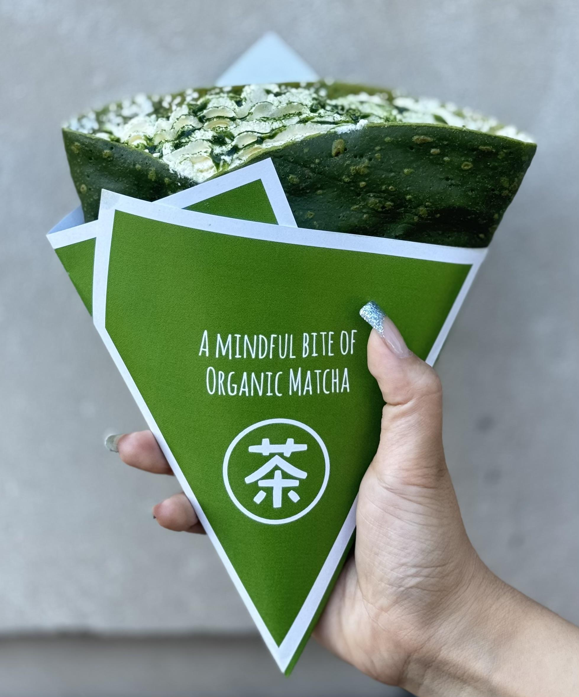 Classic Matcha crepe | Mixture | 130g | 1. Pour the mixture onto the hot plate and spread evenly.
 |  | Whipping cream | 90g | 2. Cook for approximately 1–2 minutes until lightly coloured.
 |  | Matcha honey | 10g | 3. Flip the crepe and cook the other side.
 |  | Whipping cream | 30g | 4. Allow the crepe to cool slightly before adding whipped cream.
 |  | Matcha Honey | 5g | 5. Add matcha honey.
 |  |  |  | 6. Fold into a triangle shape and place into the package.
 |  |  |  | 7. Top with additional whipped cream.
 |  |  |  | 8. Add matcha honey on top of the whipped cream.
 | 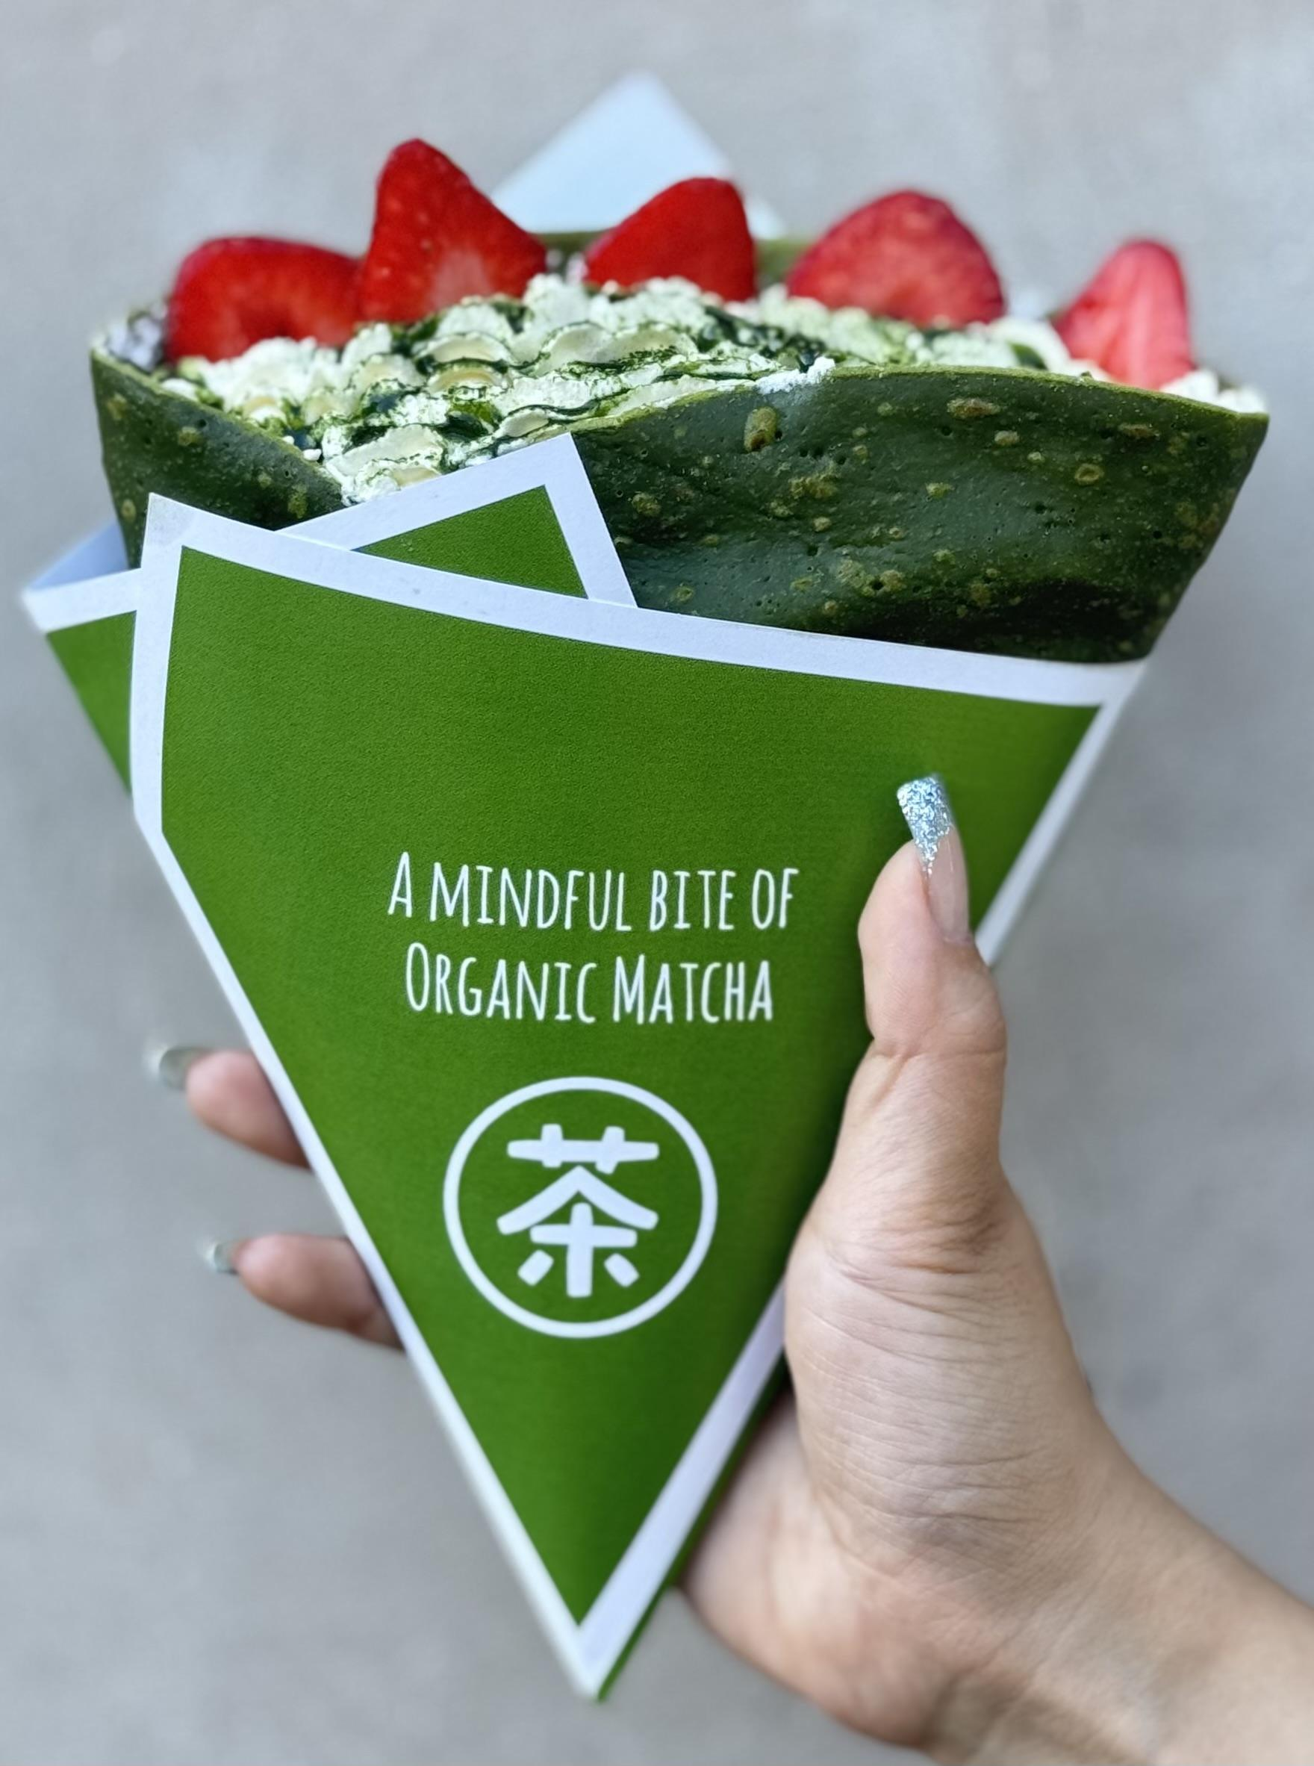 Strawberry Matcha crepe | Mixture | 130 | 1. Pour the mixture onto the hot plate and spread evenly.
 |  | Strawberry source | 15 | 2. Cook for approximately 1–2 minutes until lightly coloured.
 |  | Whipping cream | 90 | 3. Flip the crepe and cook the other side, then allow the crepe to cool slightly.
 |  | Whipping cream | 30 | 4. Spread strawberry sauce onto the crepe.
 |  | Fresh Strawberry | 20 | 5. Add whipped cream.
 |  | Matcha Honey | 5g | 6. Fold into a triangle shape and place into the package.
 |  |  |  | 7. Top with additional whipped cream and matcha honey.
 |  |  |  | 8. Slice 1.5 strawberries.
 |  |  |  | 9. Place the sliced strawberries on top.

