1_5_10_year_survival
Bladder cancer (C67): 2013-2017

Bladder cancer Age-Standardised One-, Five- and Ten-Year Net Survival, Adults (Aged 15-99), England, 2013-2017

Sex | Years after diagnosis | Number of cases | Net surivival | Lower CI | Upper CI |  | https://www.cancerresearchuk.org/health-professional/cancer-statistics/statistics-by-cancer-type/bladder-cancer/survival
Female | one year | 11,561.0 | 64.5 | 63.4 | 65.7 |  |  |  | Female | Male
Male | one year | 31,081.0 | 77.8 | 77.2 | 78.4 |  |  | 0 | 100 | 100
Persons | one year | 42,642.0 | 74.1 | 73.5 | 74.6 |  |  | 1 | 64.5 | 77.8
Female | five years | 11,561.0 | 43.9 | 42.4 | 45.4 |  |  | 2
Male | five years | 31,081.0 | 56.1 | 55.2 | 57.1 |  |  | 3
Persons | five years | 42,642.0 | 52.6 | 51.8 | 53.5 |  |  | 4
Female | ten years | 20,418.0 | 41.0 | 39.1 | 43.1 |  |  | 5 | 43.9 | 56.1
Male | ten years | 55,493.0 | 48.3 | 46.7 | 49.9 | 0.93457943925 |  | 6
Persons | ten years | 75,911.0 | 46.3 | 45.0 | 47.6 | 0.86096256684 |  | 7
 |  |  |  |  |  |  |  | 8
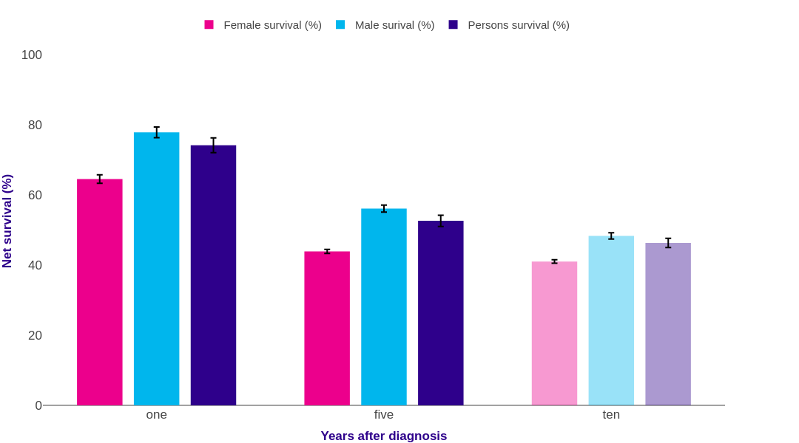
 |  |  |  |  |  |  |  | 9
 |  |  |  |  |  |  |  | 10 | 46.3 | 48.3

Source: cruk.org/cancerstats

You are welcome to reuse this Cancer Research UK statistics content for your own work.
Credit us as authors by referencing Cancer Research UK as the source.
Suggested style: Cancer Research UK, full URL of the page, Accessed [month] [year].

