5_year_survival
Bladder cancer (C67): 2013-2017

Bladder cancer five-year net survival by stage, with incidence by stage (all data: adults diagnosed 2013-2017, followed up to 2018) |  |  |  |  |  | https://www.cancerresearchuk.org/health-professional/cancer-statistics/statistics-by-cancer-type/bladder-cancer/survival#heading-Three

Sex | Stage | Number of cases | Net surivival | Lower CI | Upper CI
Female | 1 | 3,663.0
Male | 1 | 13,163.0 | 79.7 | 78.2 | 81.3
Persons | 1 | 16,826.0 | 79.4 | 78.0 | 80.7
Female | 2 | 2,796.0
Male | 2 | 7,248.0 | 48.0 | 46.0 | 50.1
Persons | 2 | 10,044.0 | 45.7 | 43.8 | 47.6
Female | 3 | 827.0
Male | 3 | 1,745.0
Persons | 3 | 2,572.0 | 41.2 | 38.4 | 44.3
Female | 4 | 2,095.0
Male | 4 | 4,287.0
Persons | 4 | 6,382.0
Female | Unstageable | 44.0
Male | Unstageable | 71.0
Persons | Unstageable | 115.0
Female | Unknown / missing | 2,136.0
Male | Unknown / missing | 4,567.0 | 45.2 | 43.0 | 47.5
Persons | Unknown / missing | 6,703.0 | 40.9 | 39.1 | 42.8

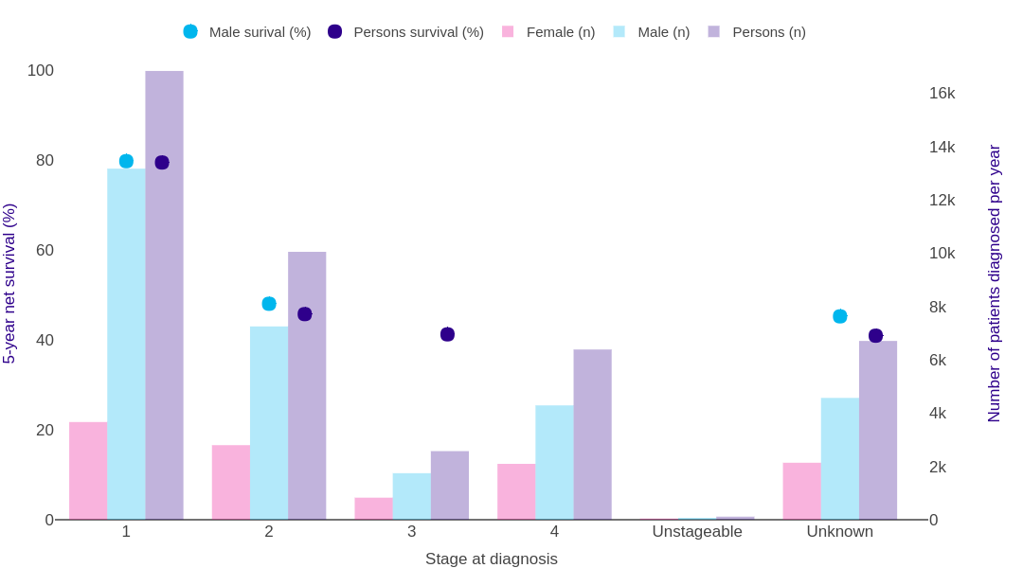

Source: cruk.org/cancerstats

You are welcome to reuse this Cancer Research UK statistics content for your own work.
Credit us as authors by referencing Cancer Research UK as the source.
Suggested style: Cancer Research UK, full URL of the page, Accessed [month] [year].

