1_year_survival
Bladder cancer (C67): 2013-2017

Bladder cancer one-year net survival by stage, with incidence by stage (all data: adults diagnosed 2013-2017, followed up to 2018)

Sex | Stage | Number of cases | Net surivival | Lower CI | Upper CI
Female | 1 | 3,663.0 | 93.1 | 92.0 | 94.2
Male | 1 | 13,163.0 | 95.9 | 95.5 | 96.4
Persons | 1 | 16,826.0 | 95.3 | 94.9 | 95.8
Female | 2 | 2,796.0 | 67.4 | 64.9 | 70.0
Male | 2 | 7,248.0 | 77.0 | 75.7 | 78.4
Persons | 2 | 10,044.0 | 74.2 | 72.9 | 75.5
Female | 3 | 827.0 | 61.3 | 57.9 | 65.0
Male | 3 | 1,745.0 | 72.3 | 69.9 | 74.8
Persons | 3 | 2,572.0 | 68.8 | 66.8 | 70.8
Female | 4 | 2,095.0 | 30.6 | 28.6 | 32.8
Male | 4 | 4,287.0 | 38.5 | 36.7 | 40.2
Persons | 4 | 6,382.0 | 35.7 | 34.4 | 37.1
Female | Unstageable | 44.0
Male | Unstageable | 71.0
Persons | Unstageable | 115.0
Female | Unknown / missing | 2,136.0 | 51.1 | 48.3 | 54.0
Male | Unknown / missing | 4,567.0 | 66.4 | 64.8 | 68.1
Persons | Unknown / missing | 6,703.0 | 61.8 | 60.4 | 63.2

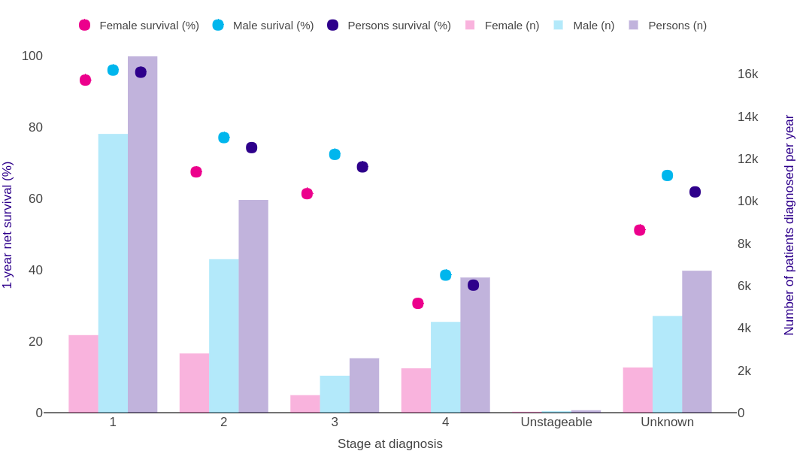

Source: cruk.org/cancerstats

You are welcome to reuse this Cancer Research UK statistics content for your own work.
Credit us as authors by referencing Cancer Research UK as the source.
Suggested style: Cancer Research UK, full URL of the page, Accessed [month] [year].

