bladder_i18
Bladder Cancer (C67): 2016-2018

Average Number of New Cases Per Year and Age-Specific Incidence Rates per 100,000 Population, UK |  |  |  |  |  |  | https://www.cancerresearchuk.org/health-professional/cancer-statistics/statistics-by-cancer-type/bladder-cancer/incidence#heading-One

Age Range | Female Cases | Male Cases | Age | Female Rates | Male Rates | Column1
30 to 34 | 5 | 6 | 30 | 0.2 | 0.3 | #NAME?
35 to 39 | 8 | 14 | 35 | 0.4 | 0.6 | #NAME?
40 to 44 | 21 | 35 | 40 | 1.0 | 1.7 | #NAME?
45 to 49 | 41 | 83 | 45 | 1.8 | 3.7 | #NAME?
50 to 54 | 72 | 186 | 50 | 3.0 | 8.1 | #NAME?
55 to 59 | 124 | 310 | 55 | 5.8 | 15.1 | #NAME?
 | Female Rates | Male Rates
30 | 0.2 | 0.3
35 | 0.4 | 0.6
40 | 1.0 | 1.7
45 | 1.8 | 3.7
50 | 3.0 | 8.1
55 | 5.8 | 15.1
60 | 9.5 | 30.0
65 | 15.6 | 53.5
70 | 25.3 | 90.2
75 | 39.2 | 137.9
80 | 55.5 | 188.7
85 | 70.1 | 231.7
90 | 68.6 | 243.2
60 to 64 | 174 | 529 | 60 | 9.5 | 30.0 | #NAME?
65 to 69 | 281 | 907 | 65 | 15.6 | 53.5 | #NAME?
70 to 74 | 406 | 1,324 | 70 | 25.3 | 90.2 | #NAME?
75 to 79 | 463 | 1,389 | 75 | 39.2 | 137.9 | #NAME?
80 to 84 | 514 | 1,343 | 80 | 55.5 | 188.7 | #NAME?
85 to 89 | 434 | 908 | 85 | 70.1 | 231.7 | #NAME?
90+ | 275 | 433 | 90 | 68.6 | 243.2 | #NAME?
 |  |  |  |  |  | #NAME?
All Ages | 2,821 | 7,471 |  | 8.2 | 27.4

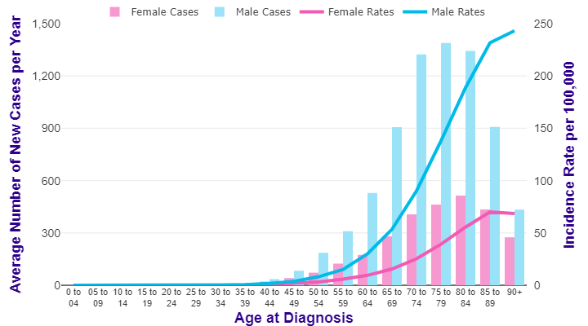

Source: cruk.org/cancerstats

You are welcome to reuse this Cancer Research UK statistics content for your own work.
Credit us as authors by referencing Cancer Research UK as the source.
Suggested style: Cancer Research UK, full URL of the page, Accessed [month] [year].

