bladder_m18
Bladder Cancer (C67): 2016-2018
 |  |  |  |  |  | https://www.cancerresearchuk.org/health-professional/cancer-statistics/statistics-by-cancer-type/bladder-cancer/mortality#heading-One
Average Number of Deaths Per Year and Age-Specific Mortality Rates per 100,000 Population, UK

Age Range | Female Deaths | Male Deaths | Female Rates | Male Rates
0 to 04 | 0 | 0 | 0.0 | 0.0
05 to 09 | 0 | 0 | 0.0 | 0.0
10 to 14 | 0 | 0 | 0.0 | 0.0
15 to 19 | 0 | 0 | 0.0 | 0.0
20 to 24 | 0 | 0 | 0.0 | 0.0
25 to 29 | 0 | 0 | 0.0 | 0.0 | Age | Female rates | Male rates
30 to 34 | 2 | 1 | 0.1 | 0.0 | 30 | 0.1 | 0
35 to 39 | 4 | 4 | 0.2 | 0.2 | 35 | 0.2 | 0.2
40 to 44 | 10 | 14 | 0.5 | 0.7 | 40 | 0.5 | 0.7
45 to 49 | 21 | 21 | 0.9 | 0.9 | 45 | 0.9 | 0.9
50 to 54 | 34 | 46 | 1.4 | 2.0 | 50 | 1.4 | 2
55 to 59 | 47 | 91 | 2.2 | 4.4 | 55 | 2.2 | 4.4
60 to 64 | 65 | 158 | 3.5 | 9.0 | 60 | 3.5 | 9
65 to 69 | 129 | 283 | 7.1 | 16.7 | 65 | 7.1 | 16.7
70 to 74 | 178 | 489 | 11.1 | 33.3 | 70 | 11.1 | 33.3
75 to 79 | 246 | 610 | 20.8 | 60.6 | 75 | 20.8 | 60.6
80 to 84 | 352 | 766 | 38.0 | 107.5 | 80 | 38 | 107.5
85 to 89 | 356 | 726 | 57.6 | 185.3 | 85 | 57.6 | 185.3
90+ | 324 | 509 | 80.9 | 286.1 | 90 | 80.9 | 286.1
All Ages | 1,768 | 3,717 | 5.0 | 14.4

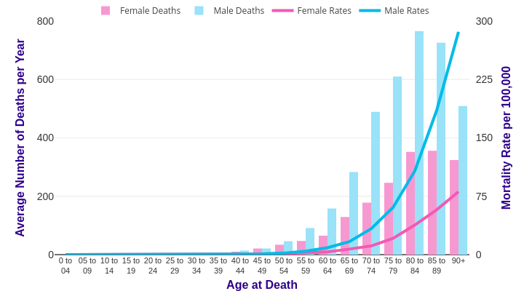

Source: cruk.org/cancerstats

You are welcome to reuse this Cancer Research UK statistics content for your own work.
Credit us as authors by referencing Cancer Research UK as the source.
Suggested style: Cancer Research UK, full URL of the page, Accessed [month] [year].

